midimerge2in5out
Eurorack MIDI MERGER / SPLITTER 2in->3out DIN5

Component | Location | Description | Part number | Qty

PCB:
 |  | Eurorack MidiMerge 2in/3out PCB |  | 1
 |  | Eurorack MidiMerge 2in/3out faceplate |  | 1

ICs:
 | U1, U2 | Optocoupler | 6N138 | 2
 | U3 | Power regulator | L78L05 | 1
 | U4 | Programmed Microcontroller | Merge IC | 1
 | U5 | Hex inverter schmitt trigger | 74HC14 | 1

Capacitors:
 | C1,C2,C5,C6 | Non polarized capacitor, 0.1uf 50V | 104 | 4
 | C3 | Capacitor, 100uf 25V | 100uf*25V | 1
 | C4 | Capacitor, 10uf 25V | 10uf*25V | 1

Resistors:
 | R1,R2,R7-R15 | Resistor | 220 Ohm | 11
 | R3, R4 | Resistor | 1k | 2
 | R5,R6 | Resistor | 470 Ohm | 2

Diodes:
 | D1, D2 | Diode | 1N4148 | 2
 | D3, D5, D6 | Light emitting diode | 3mm LED various colors | 3
 | D4 | Diode | 1N5817 | 1

Sockets, switches, housing:
 | J1, J2, J4, J5, J6 | 5-pin DIN connector | MIDI socket | 5
 | U1, U2 | DIP-8 W7.62mm IC socket round pins | DIP8 | 2
 | U4 | DIP-18 W7.62mm IC socket round pins | DIP18 | 1
 | U5 | DIP-14 W7.62mm IC socket round pins | DIP14 | 1
 | J3 | IDC 16-Pin Header | Eurorack power | 1
 | JP1 | 3-pin jumper header and jumper | Jumper | 1
 | D5 | 2-pin header for LED extension | Header | 1
 | N/A | IDC 16-Pin connector | IDC16 | 2
 | N/A | 1ft 16-pin ribbon cable | ribbon cable | 1
 | N/A | Screws for DIN connector | screw | 15

Soldereing instruction and tips:

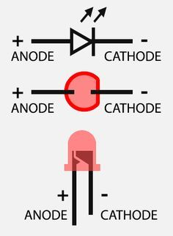
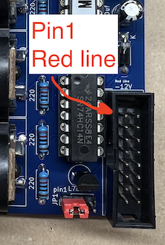
* Beginner soldering skills required. That means you have to understand schematics, not just being able to solder two wires together. There are no high expectations, but being able to read schematics and understand polarity of components are quite important.
* Populate all passive components first - sockets, capacitors, resistors, etc.
* Consider proper orientation for Pin1 IC sockets and polarity for capacitors, diode marks.
* Use 2-pin header to extend leads for D5 LED
* Follow polarity orientation for LEDs. Square pad on PCB is for the negative pin.
* Please, note, Pin1 of Eurorack power connector is faced UP. Set JP1 to use either 5V or 12V power: (1-2) - 5V, (2-3) - 12V
* Connect a power source (center=positive) and meassure +5V rail such as on IC socket for 6N138 between Pin8 and Pin5. Power on board without ICs first to avoid the damage due soldering mistakes.

