Bugs
Think Tester Project

Test Cases
Verify validation message for Date of birth field
Test Case ID: |  | 6
Platform |  | Web, Mobile Web
Test Category |  | Smoke, Positive test

Step No. | Test Step | Expected result
1 | Open URL: | URL is opened
2 | Register user: Click on Sign Up button Populate First Name field Populate Last Name Field Populate Email Field Populate Password Field Click on Submit button | User is registered and logged in on page
3 | Click on Add Contact button | Add contact page is opened
4 | Populate all required data for new user | All required data are populated
5 | Populate Date of birth field with date in recent past or in future | Date of birth field with date in recent past or in future
6 | Verify: There is validation message that date of birth cannot be in future | There is validation message that date of birth cannot be in future
7 | Verify: There is validation message that date of birth must be more than 18 years in past from today | There is validation message that date of birth must be more than 18 years in past from today

QA Bug: There is no validation for Date of Birth field

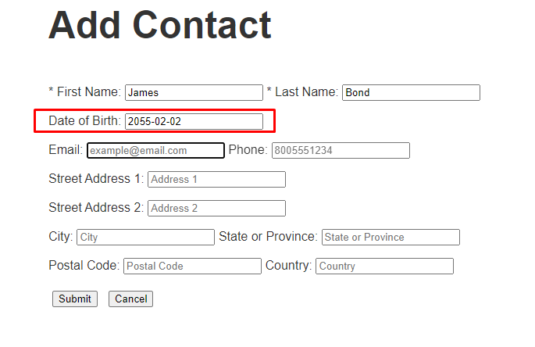
 | Expected result | Actual result
 | There is validation message that date of birth cannot be in future

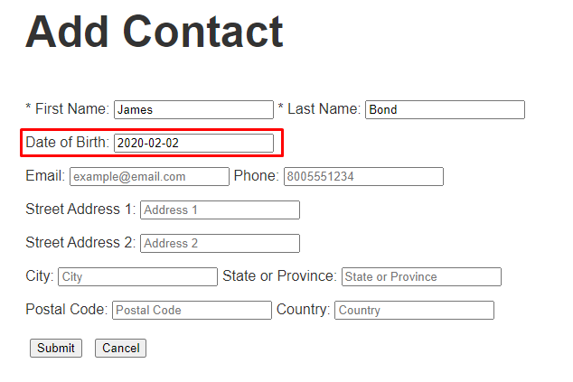
 | There is validation message that date of birth must be more than 18 years in past from today

Verify validation message for Email field
Test Case ID: |  | 7
Platform |  | Web, Mobile Web
Test Category |  | Smoke, Positive test

Step No. | Test Step | Expected result
1 | Open URL: | URL is opened
2 | Register user: Click on Sign Up button Populate First Name field Populate Last Name Field Populate Email Field Populate Password Field Click on Submit button | User is registered and logged in on page
3 | Click on Add Contact button | Add contact page is opened
4 | Populate all required data for new user and click on Submit button | All required data are populated and new user is added
5 | Click on Add a new Contact button | Add contact page is opened
6 | Populate all required data and populate Email field with same email as first user and click on Submit button | Email field is populated with same email as first user
7 | Verify: There is validation message that email needs to be unique | There is validation message that email needs to be unique

QA Bug: There is no validation for Email field

 | Expected result | Actual result

 | Emal should be unique identifier so there is no scenario where can be multiple users with same data

Improvements
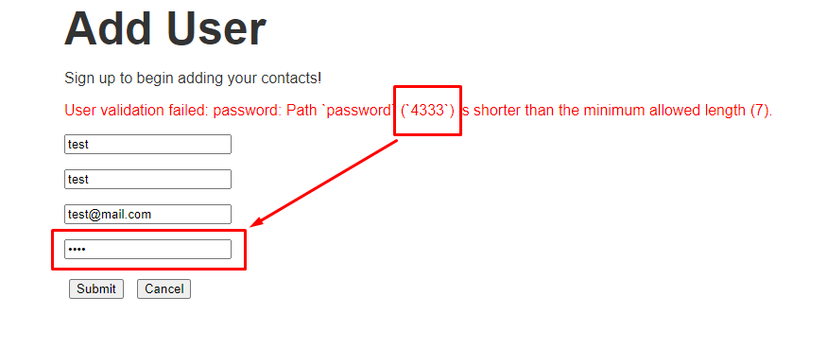
Think Tester Project

Test Cases
Verify user is logged out after token is no more valid
Test Case ID: |  | 8
Platform |  | Web, Mobile Web
Test Category |  | Smoke, Positive test

Step No. | Test Step | Expected result
1 | Open URL: | URL is opened
2 | Register user: Click on Sign Up button Populate First Name field Populate Last Name Field Populate Email Field Populate Password Field Click on Submit button | User is registered and logged in on page
3 | Click on Add Contact button | Add contact page is opened
4 | Populate all data for new user | All data are populated
5 | Click on Submit button | Next page is opened
6 | Verify: All populated data are same as populated on step 4 | All populated data is same as on step4
7 | Wait 5 minutes until token is no more valid | Token is no more valid
8 | Open application | Application is opened
9 | Verify: User is logged out | User is logged out and cannot navigate through application

 | Current behaviour | New behaviour

 | User is not logged out nad can navigate through page but gets undefined error message | User is logged out and cannot navigate through application

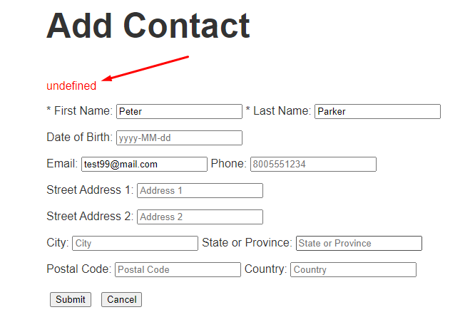

Verify validation message for invalid password does not contain password user put for first time
Test Case ID: |  | 9
Platform |  | Web, Mobile Web
Test Category |  | Smoke, Negative test

Step No. | Test Step | Expected result
1 | Open URL: | URL is opened
2 | Click on Sign up button | Add user page is opened
3 | Populate First Name field | First Name field is populated
4 | Populate Last Name field | Last Name field is populated
5 | Populate Email field with valid data | Email field is populated
6 | Populate Password field with invalid data (less than 7 characters) | Invalid data are populated
7 | Click on Submit button | Button is clicked and error message is displayed
8 | Verify: User validation failed: password: Path `password` (`4333`) is shorter than the minimum allowed length (7). message is displayed | User validation failed: password: Path `password` (`4333`) is shorter than the minimum allowed length (7). message is displayed

 | Current behaviour | New behaviour

 | Incorrect password should not be displayed inside validation message as it is not good practice for security reason | Incorrect password is not displayed inside validation message.

