Predictions
Image | Image ID | Predicted Label | Confidence | Evidence
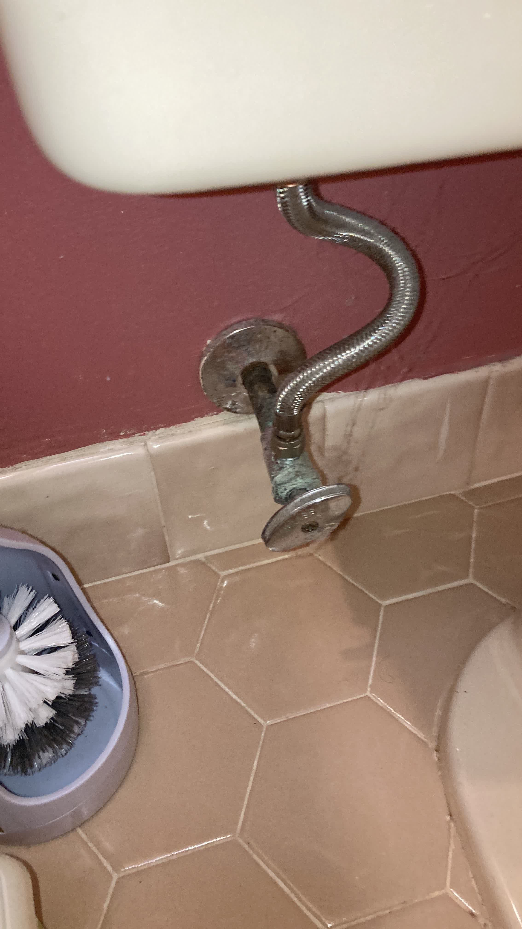 | MC_1190 | DETECTED | 0.9 | Thick, irregular green corrosion buildup on the angle stop valve body and stem.
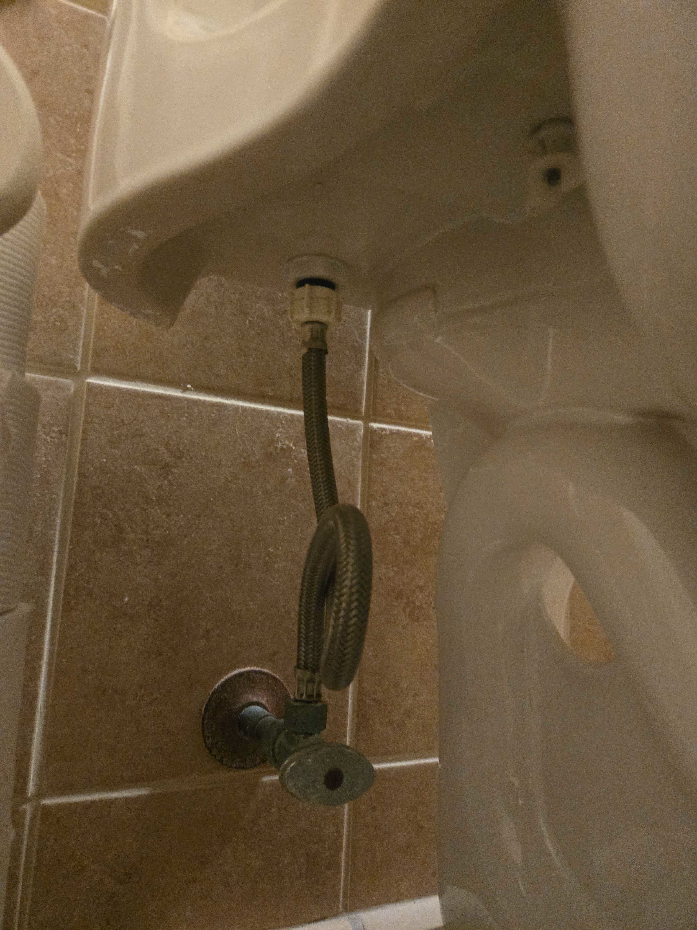 | MC_1191 | NOT_DETECTED | 0.95 | The shut-off valve shows uniform green patina, but no structural material loss, pitting, or active flaking.
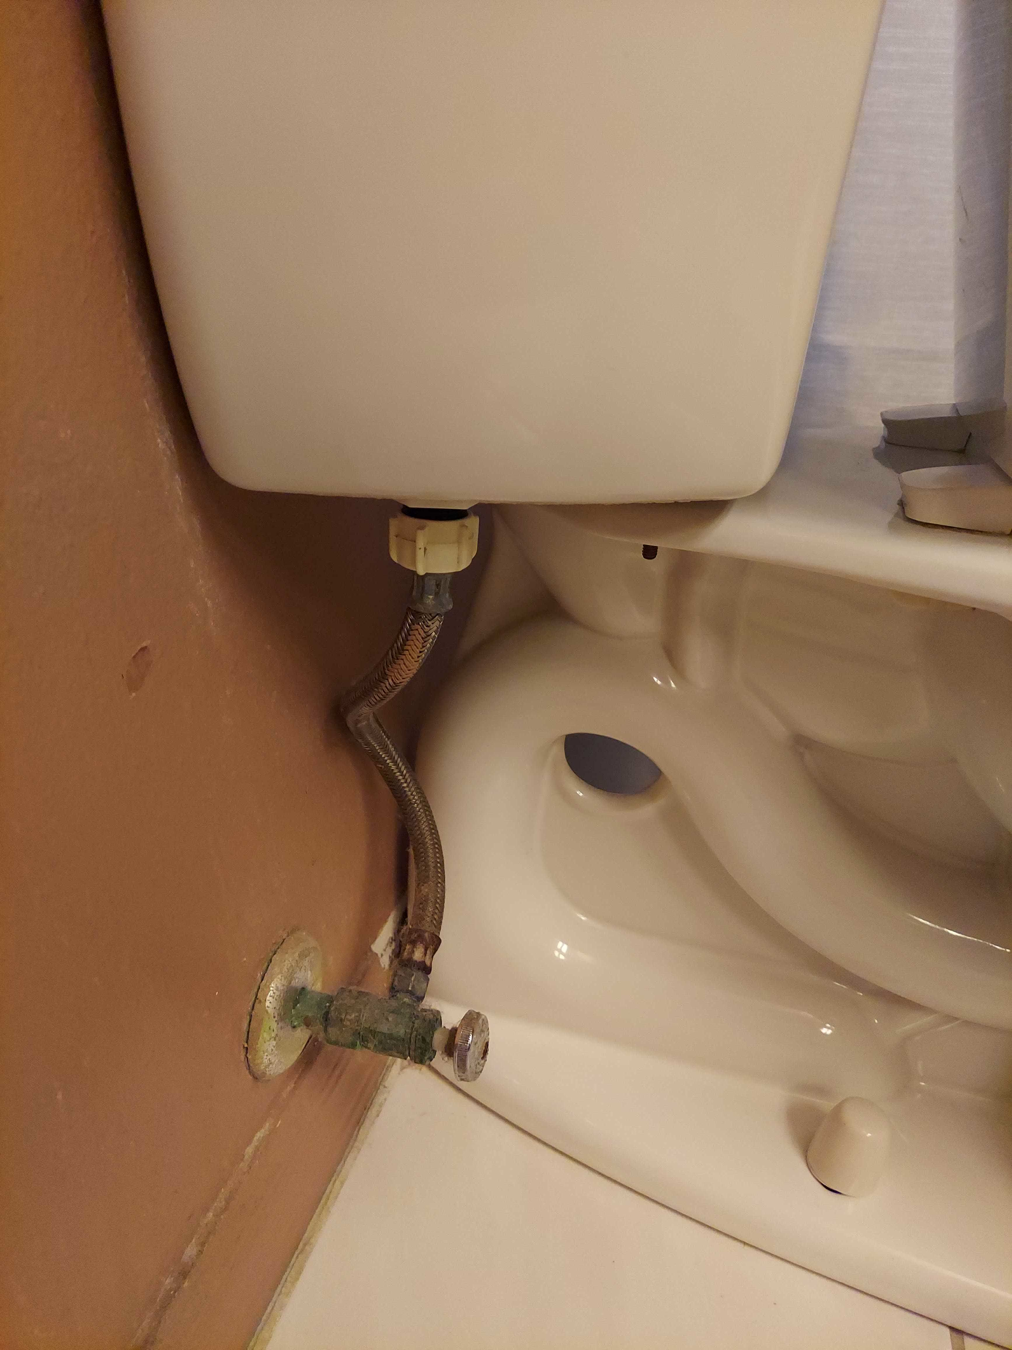 | MC_1192 | NOT_DETECTED | 0.95 | Green patina on valve body without visible structural material loss or active flaking.
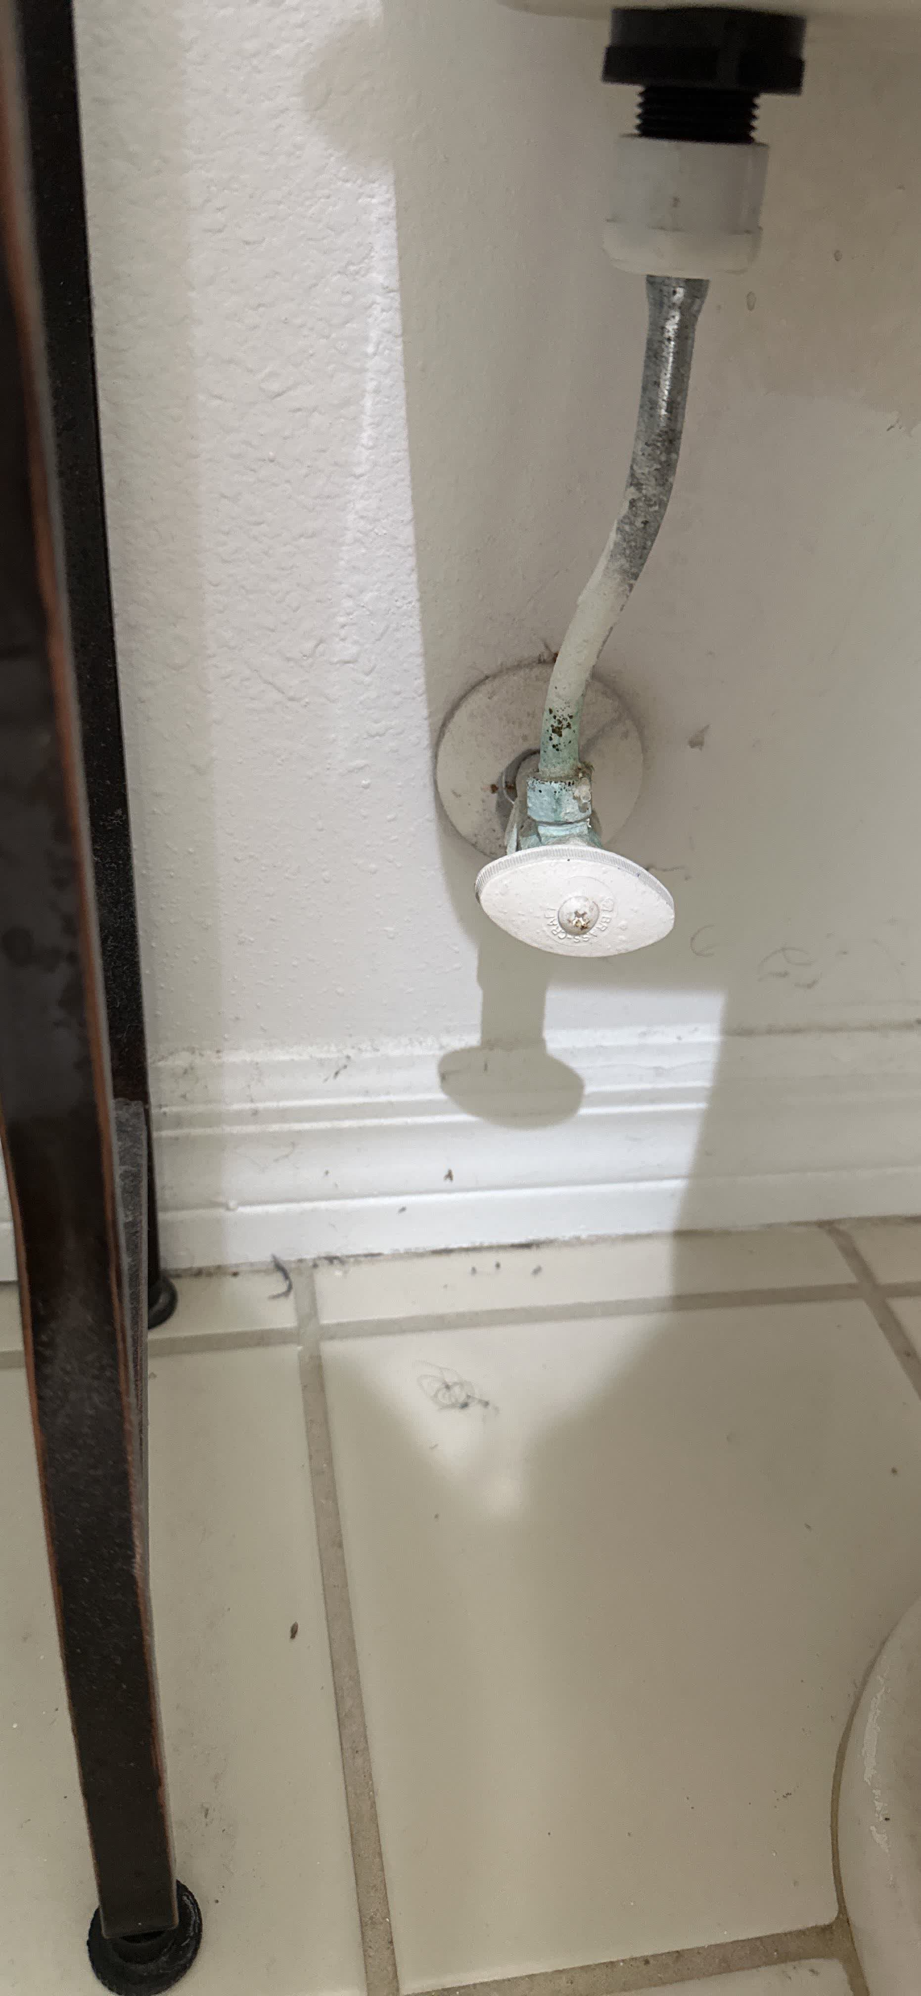 | MC_1193 | N/A
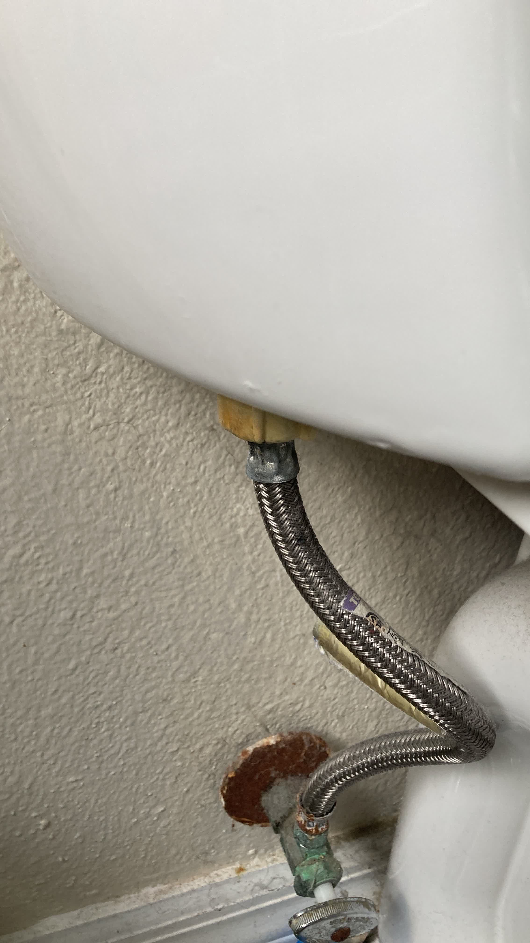 | MC_1194 | NOT_DETECTED | 0.9 | Green patina on valve body is cosmetic; severe corrosion on excluded escutcheon.
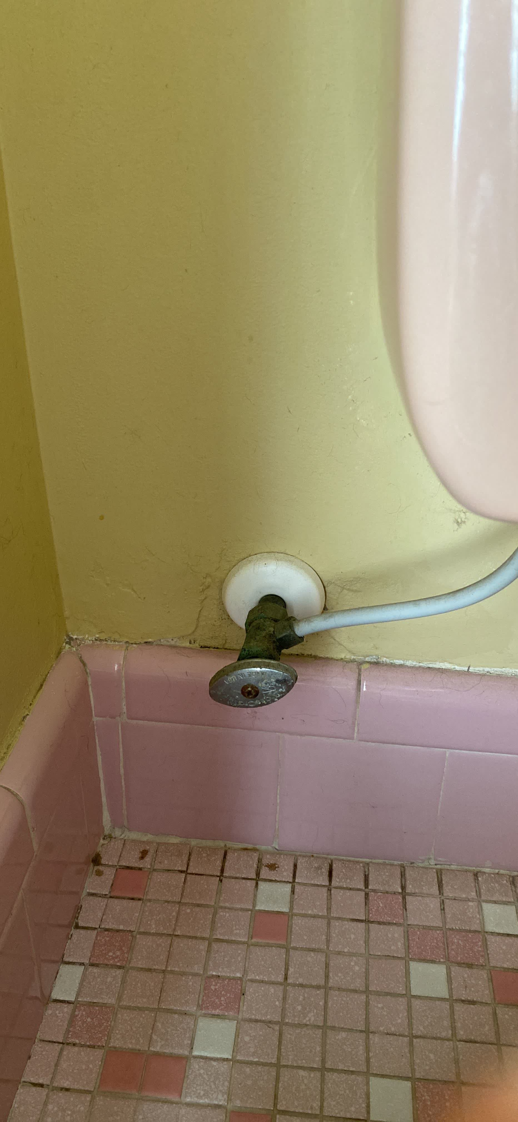 | MC_1195 | NOT_DETECTED | 0.9 | The shut-off valve shows green patina (verdigris) but no visible structural material loss, pitting, chunky buildup, active flaking, or weep evidence indicating compromised integrity.
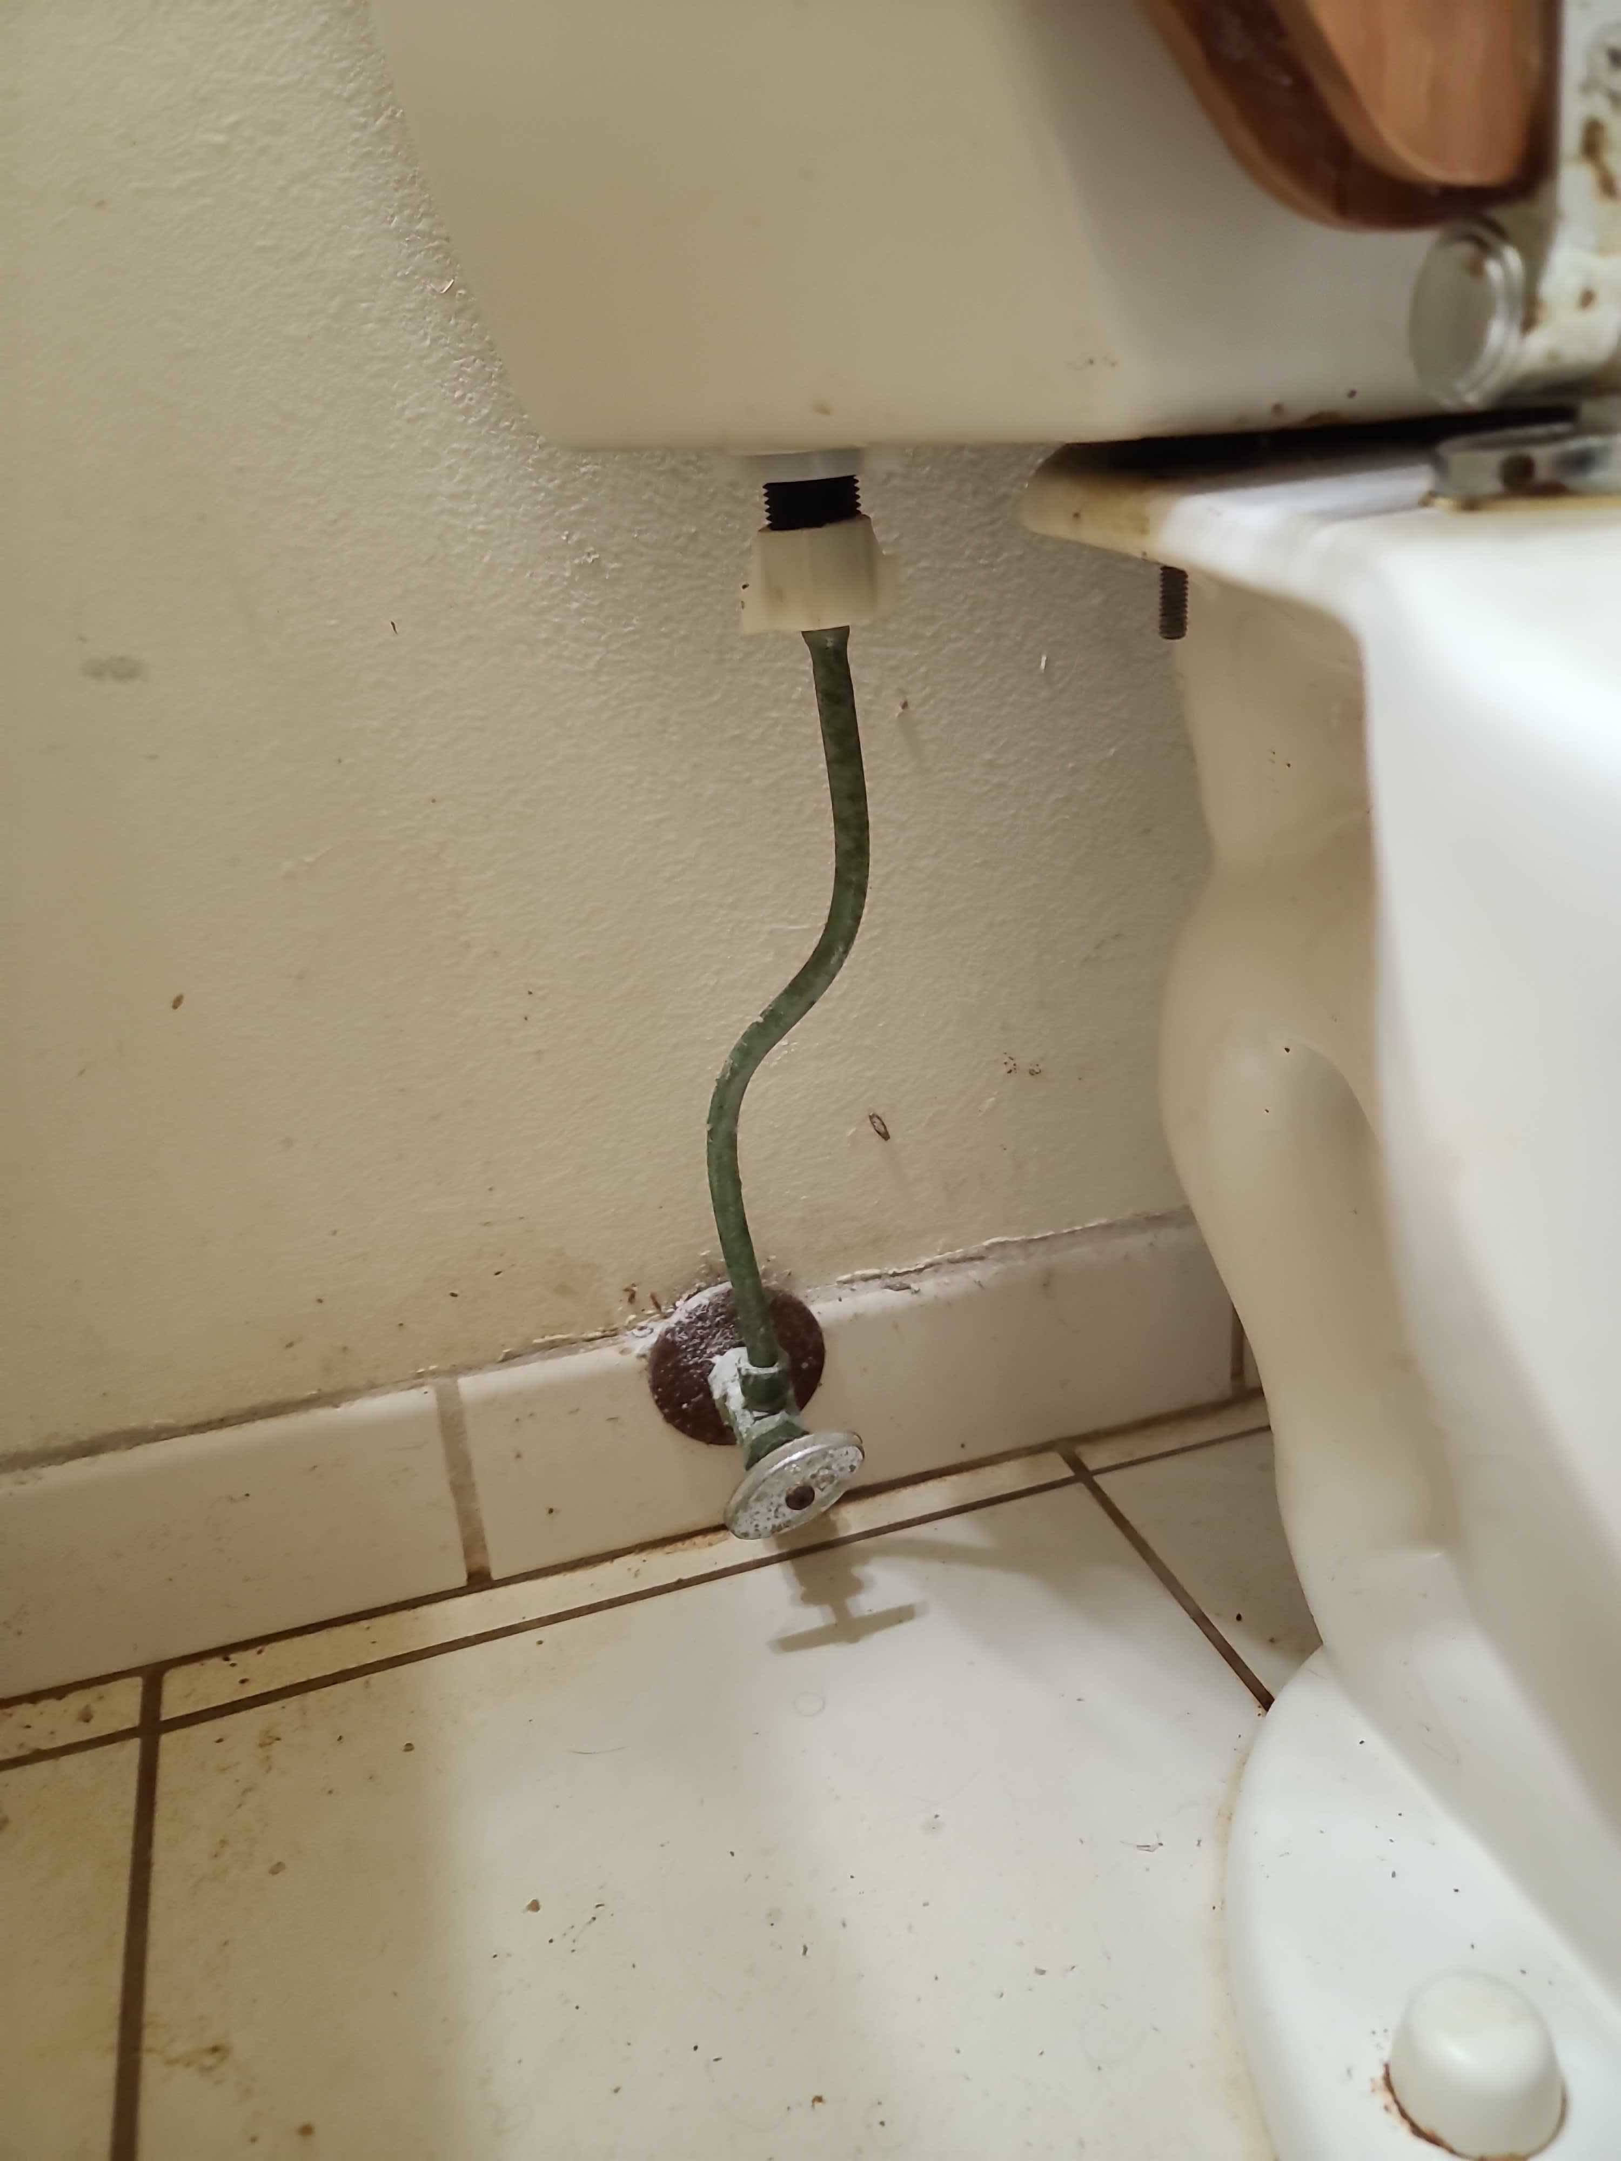 | MC_1196 | NOT_DETECTED | 0.9 | Green discoloration on the supply line appears to be stable patina or staining, not structural deterioration. White buildup on the valve body is present but does not show clear material loss or compromise of structural integrity.
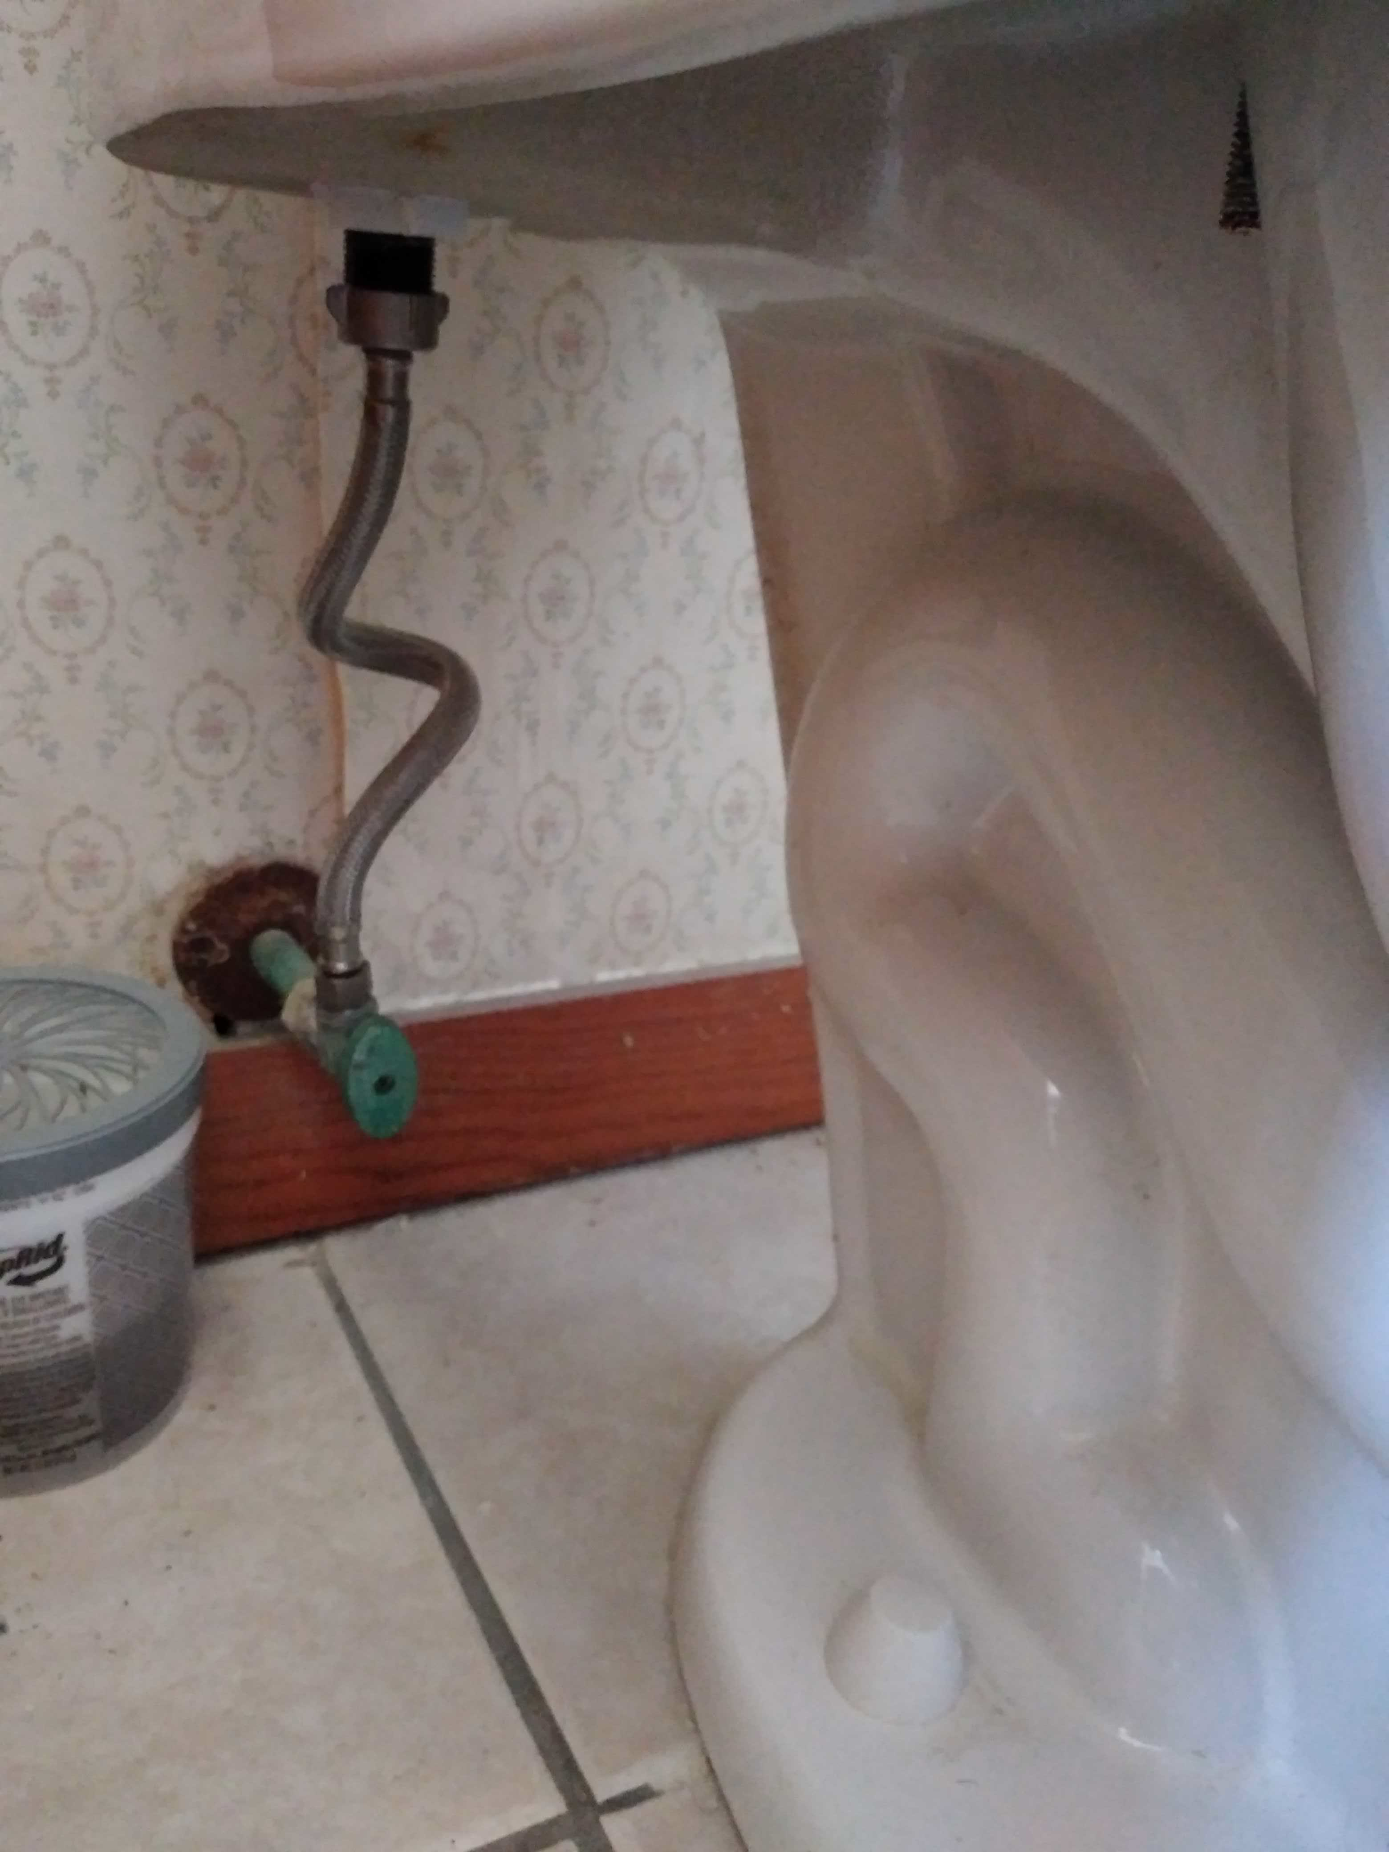 | MC_1197 | NOT_DETECTED | 0.95 | No structural material loss, thick irregular buildup, active flaking, or concentrated failure-point corrosion observed on functional plumbing components. Surface discoloration on the valve body is minor and does not indicate structural compromise.
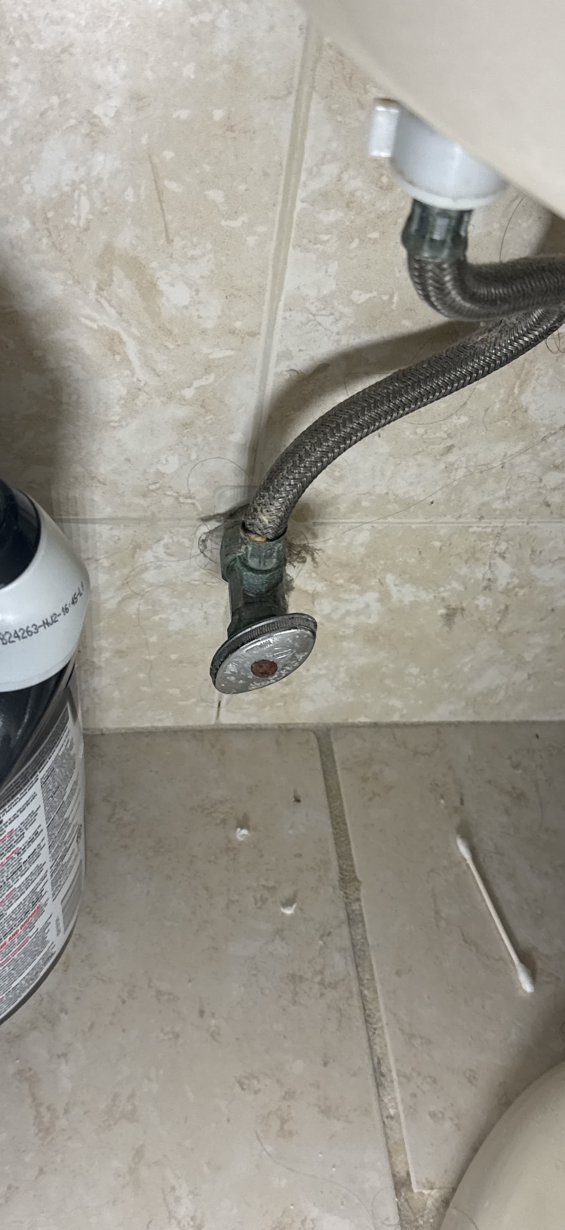 | MC_1198 | NOT_DETECTED | 0.95 | Green patina on valve body without structural deterioration; valve handle corrosion is excluded.
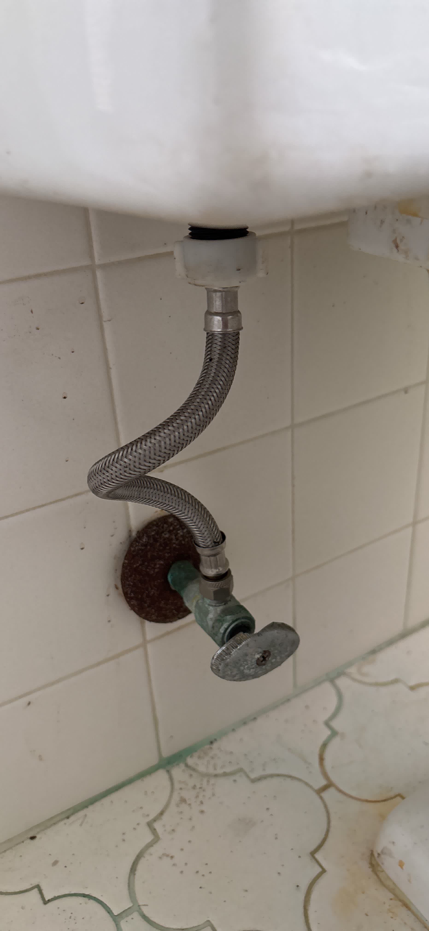 | MC_1199 | NOT_DETECTED | 1 | Green patina on valve body and severe rust on excluded escutcheon, no structural compromise observed on functional components.
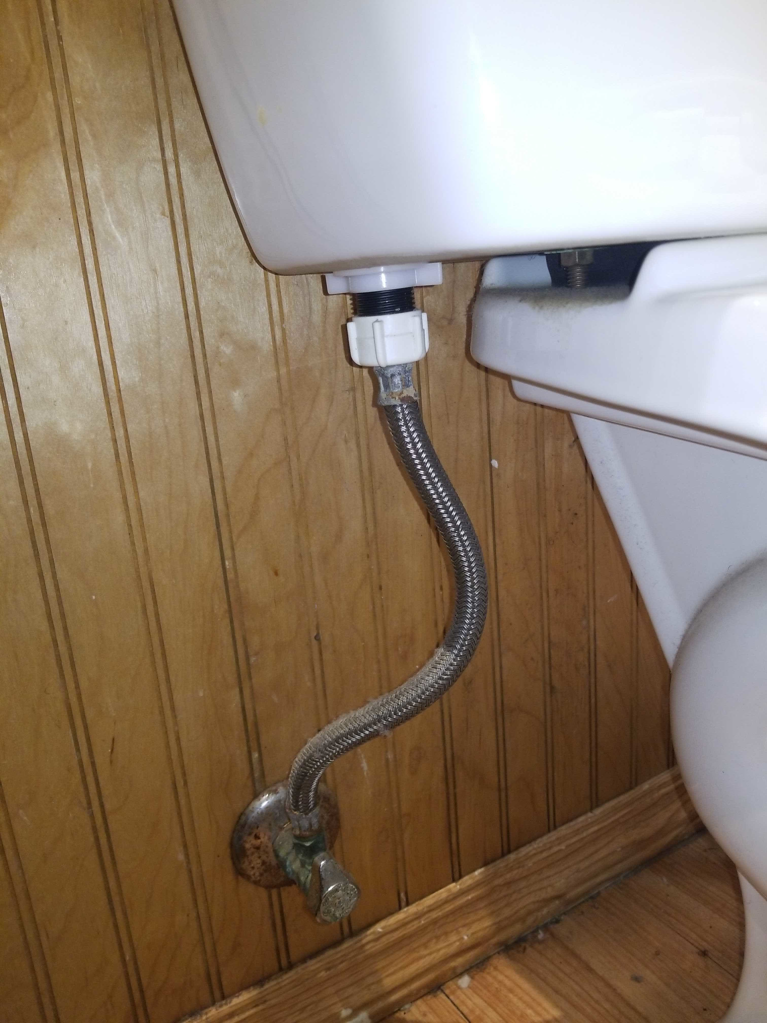 | MC_1200 | DETECTED | 0.9 | Thick, irregular corrosion buildup on the shut-off valve body.

