Policy - UC-002 (V1.0)
▼ TYPE THE UC ID IN THE YELLOW CELL BELOW - EVERYTHING ELSE AUTO-FILLS ▼
 | UC ID ↓ | UC-002

IDENTIFICATION | Use Case Name | Unauthorized Person in Danger Zone
 | Group | A
 | Category | Core Safety
 | Priority | P0 - Critical
 | Status | Not Started
 | Detection Modality
 | Last Updated
CONTEXT (auto-pulled - edit in Use Case Library, not here)
 | Description | Detects a human figure entering a designated danger zone or downrange area while the (live/simulated) range is in operation. Could be a range worker, lost individual, or animal false positive.
 | User Intent | Prevent any person from being in the impact area or danger zone during (live/simulated) fire.
 | Trigger / Detection Method | Person detection (human body classifier) + geofenced zone overlay on camera feed + range status integration (hot/cold). Focus on both day and night modes.
 | Key Behaviours to Track | 1) Detection confidence score 2) Time from zone entry (seen on camera) to alert (latency) 3) False positive rate (animals, shadows, vegetation) 4) Distance from nearest active firing point
 | Desired Outcome | Immediate range-wide ceasefire recommendation with location overlay and camera feed to range control. By default: If no external system integration is needed, it will then route the notification and alert to Accel.
 | Current Handling | Physical sentries and range guards with binoculars - limited visibility, fatigue, no night capability.
 | Edge Cases (from library) | - Animal intrusion triggering false alert - Heat shimmer / mirage causing phantom detections - Authorised range party in zone during brief ceasefire windows - Person partially occluded by terrain
 | Dependencies | UC-006, UC-027
 | Current Policy Summary | Unauthorized Person in Danger Zone IF human detected in geofenced danger zone AND range status = HOT → immediate CEASEFIRE RECOMMENDATION to range control. IF confidence < 0.7 → flag for human verification before ceasefire call. IF entity classified as animal → LOG, no ceasefire. IF range status = COLD → LOG as administrative entry, no alert.
 | Modality Rationale | Visual Only
DECISION LOGIC (fill manually - core deliverable)
 | Step 1: Detection | The system needs to answer one question: is there a human being inside a defined danger zone? This breaks down into sub-problems. Zone definition: Danger zones are not simple rectangles. They are irregular polygons defined by weapon trajectory fans, ricochet zones, and terrain features. Each exercise type has a different danger zone template, and the range officer may modify it based on the specific exercise plan. The system must ingest zone definitions as georeferenced polygons, then project those polygons onto each camera's field of view using the camera's known position, angle, and lens calibration. This projection must be pre-computed before the exercise starts - you cannot do this in real time. Human detection at range: This is the hard part. At 50m, a person subtends hundreds of pixels on a typical HD camera - easy. At 300m, a person might be 15-20 pixels tall. At 500m+, a person is a handful of pixels indistinguishable from a fence post. The detection method must be distance-aware: (a) Near zone (0-100m): Standard person detection (full body classifier). High confidence achievable. Frame rate detection. (b) Mid zone (100-300m): Person detection still possible but confidence drops. Supplement with motion detection - a stationary person may not be classifiable, but a moving person produces a motion signature distinguishable from vegetation. Thermal/IR cameras significantly outperform visible spectrum at this range. (c) Far zone (300m+): Visual person detection unreliable. Primary detection shifts to motion anomaly (something moving that isn't vegetation or known range equipment) and thermal signature (human body heat stands out against terrain, especially at dawn/dusk/night). Accept that stationary persons in far zone may not be detected by camera alone - this is where range procedures (physical sweep before going hot) remain the primary control. Multi-camera fusion: A single camera detection at 200m+ should trigger a verification sequence - slew a PTZ came
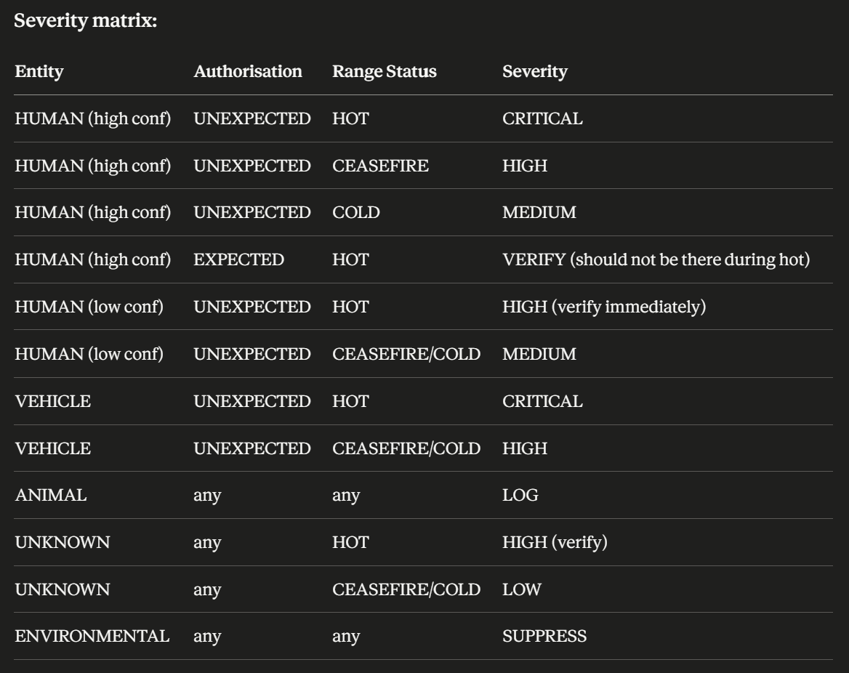
 | Step 2: Classification | Every detection gets classified on two axes: Entity type: (a) HUMAN (high confidence ≥ 0.8) - body shape, gait, thermal profile consistent with human (b) HUMAN (low confidence 0.5-0.8) - something that could be human but uncertain (c) VEHICLE - larger signature, distinct shape and motion profile (d) ANIMAL - movement pattern (four-legged gait), size profile, thermal signature (usually lower and more distributed than human) (e) UNKNOWN - motion or thermal anomaly that doesn't classify into above (f) ENVIRONMENTAL - known false positive sources: heat shimmer, vegetation movement in wind, dust devil, shadow movement from clouds Authorisation status: (a) EXPECTED - position matches a known authorised presence (e.g., target operator in a designated target bunker during a known ceasefire window). The system must maintain a list of authorised positions and time windows. (b) UNEXPECTED - no matching authorisation. This is the default classification for any detection not matched to an authorised presence. (c) PREVIOUSLY CLEARED - the zone was swept and cleared, and the access points show no subsequent entry. This increases the suspicion level of any detection (something appeared in a zone that should be empty). Severity matrix: refer to right hand side table
 | Step 3: Response Selection | (a) CRITICAL → Immediate ceasefire recommendation. This is the only use case in the entire system that should have the authority to recommend a full range ceasefire, not just a lane ceasefire. The system does not command a ceasefire - it recommends to the range officer who makes the call. But the recommendation must be impossible to miss. (b) HIGH → Immediate alert to range officer with live camera feed slewed to detection location. PTZ camera auto-tracks the detection. If verification confirms human, escalate to CRITICAL. (c) MEDIUM → Alert queued for range officer. Log with camera capture. No ceasefire recommendation. (d) VERIFY → System auto-initiates verification sequence (PTZ slew, multi-camera cross-reference, thermal overlay). Alert to range officer: "Verifying detection at [grid reference]. Stand by." (e) LOG → Animal or environmental. Logged for pattern analysis (if the same area triggers repeatedly, the camera may need repositioning or the zone boundary may need adjustment). (f) SUPPRESS → Known environmental false positive. Not shown to range officer. Logged internally for system health monitoring.
 | Step 4: Execution | On CRITICAL: (1) Range control display flashes RED with detection location overlaid on range map (2) Audio alarm in range control tower - distinct from all other alarms (this is the "someone is downrange" alarm, it must be unmistakable) (3) All camera feeds showing the detection location are pushed to the primary display (4) If PTZ camera available, auto-slew to detection coordinates and begin tracking (5) System displays recommended action: "HUMAN DETECTED IN DANGER ZONE - CEASEFIRE RECOMMENDED - [grid ref] - [distance from nearest firing point]" (6) If range has electronic firing controls (lane enable/disable), system pre-stages a full range disable for the range officer to confirm with a single action (7) Continuous tracking of the detection - if the person is moving, display predicted path and whether they are moving toward or away from the impact area (8) Auto-record all camera feeds from detection point onward (incident preservation) On HIGH: (1) Alert to range officer with camera feed and location (2) PTZ auto-slew for verification (3) If verification confirms human within 30 seconds → escalate to CRITICAL (4) If verification cannot confirm (inconclusive) → maintain HIGH, alert stays active, range officer must make a judgment call (5) If verification confirms non-human → downgrade to LOG, clear alert On VERIFY: (1) PTZ slew and zoom to detection coordinates (2) Thermal camera overlay if available (3) Check detection against authorised presence list (is a target operator scheduled at that position?) (4) Present verification package to range officer within 15 seconds (5) Range officer confirms (→ escalate) or dismisses (→ log as false positive)
 | Step 5: Validation | Pre-alert validation (happens in <1 second): (a) Require detection in ≥3 consecutive frames before triggering alert (prevents single-frame noise) (b) Cross-reference against known static objects in the danger zone (range markers, target frames, structures). If the detection coordinates match a known static object within 2m, flag as potential false positive and require higher confidence (0.9) before alerting (c) Check for detection in multiple cameras if overlapping coverage exists. Multi-camera confirmation = automatic confidence boost (d) Environmental filter: if wind speed > 40km/h, increase motion detection threshold to compensate for vegetation movement. If temperature > 35°C, increase heat shimmer suppression filters Post-alert validation: (a) Range officer has CONFIRM / DISMISS / UNCERTAIN options (b) CONFIRM: incident logged, feeds into training data as true positive (c) DISMISS: logged as false positive with officer's noted reason. If the same detection source generates >5 dismissals in a session, flag the camera/zone for calibration review (d) UNCERTAIN: alert remains active until resolved. System continues tracking. (e) Track false positive rate per camera, per zone, per time-of-day, per weather condition - identify systematic false positive patterns
 | Step 6: Follow-up | After any CRITICAL event: (a) Range remains in ceasefire until the range officer positively confirms the danger zone is clear (either the person is accounted for and removed, or the detection is conclusively confirmed as false positive) (b) Incident report auto-generated with: timeline, all camera feeds, detection confidence log, range officer actions and timing (c) If person is found in the danger zone: formal incident investigation triggered. System data becomes evidence - all feeds preserved with chain-of-custody metadata (d) If false positive: root cause analysis. Was it animal, environmental, or model error? Feed back into detection improvement After any session: (a) Generate danger zone detection summary: total alerts by severity, false positive rate, detection locations heatmap (b) Flag any detection that occurred within 60 seconds of firing commencing or resuming - these represent the highest-risk near-misses even if resolved safely
 | Algorithm (pseudocode / decision tree) | CONTINUOUS MONITORING LOOP: // Pre-exercise: zone setup ON EXERCISE_START: LOAD danger_zone_polygons from exercise plan PROJECT polygons onto each camera FOV LOAD authorised_presence_list (position, time_windows) LOAD known_static_objects in zone VERIFY all cameras covering zone are operational IF any zone area has no camera coverage → ALERT range officer: blind spot at [location] // Real-time detection ON EACH FRAME for each camera covering danger zone: detections = run_detector(frame, zone_mask) FOR each detection D: // Static object filter IF D.position matches known_static_object within 2m: IF D.confidence < 0.9: CLASSIFY as ENVIRONMENTAL → SUPPRESS CONTINUE // Environmental filter IF matches_vegetation_motion_pattern(D) AND wind_speed > threshold: CLASSIFY as ENVIRONMENTAL → SUPPRESS CONTINUE // Entity classification entity_type = classify_entity(D) // HUMAN_HIGH, HUMAN_LOW, VEHICLE, ANIMAL, UNKNOWN IF entity_type == ANIMAL: LOG(D, "animal") CONTINUE // Frame persistence check IF D not tracked in previous 2 frames: INITIATE track, DO NOT alert yet CONTINUE IF D tracked ≥ 3 consecutive frames: // Authorisation check auth_status = check_authorisation(D.position, current_time, authorised_list) range_status = get_range_status() // HOT, CEASEFIRE, COLD severity = lookup_severity_matrix(entity_type, auth_status, range_status) IF severity == CRITICAL: TRIGGER ceasefire_recommendation() PUSH all_camera_feeds(D.position) SLEW PTZ_camera(D.position) PLAY distinct_alarm("danger_zone_intrusion") DISPLAY "HUMAN IN DANGER ZONE" on range_control PRE_STAGE electronic_range_disable()
METRICS | Success Metrics / KPIs | (a) Detection rate for staged intrusions: Conduct quarterly tests where a person enters the danger zone during a controlled (non-live-fire) scenario. Target: 100% detection at ≤100m, >95% at 100-300m, >80% at 300m+ (visible spectrum), >90% at 300m+ (with thermal) (b) Alert latency: Time from person entering zone boundary to range officer receiving alert. Target: <5s for near zone (0-100m), <10s for mid zone (100-300m), <15s for far zone (300m+). These include the 3-frame persistence check. (c) False positive rate per session: Number of CRITICAL or HIGH alerts that are dismissed by range officer, divided by total alerts. Target: <15%. Below 5% is excellent. Above 25% means the system is creating dangerous alert fatigue. (d) False negative rate: This is the one that cannot be tolerated. Any missed detection of an actual person in the danger zone during a live-fire exercise is a system failure. Target: 0%. Measured via quarterly staged tests and post-exercise footage review. (e) Time to ceasefire: From CRITICAL alert to actual ceasefire execution by range officer. This measures the human response, not the system, but the system should track it. Target: <15s. If consistently >30s, the alert mechanism isn't effective enough. (f) Coverage completeness: Percentage of danger zone area covered by at least one camera. Target: 100% for near zone, >90% for mid zone. Blind spots must be documented and compensated by procedural controls.
 | Failure Indicators | (a) Any CRITICAL alert where the range officer takes >60s to respond → the alert mechanism is failing (not attention-grabbing enough, too many competing alerts, poor UI placement) (b) False positive rate rising over time → environmental conditions changing (new vegetation growth, new structures), camera calibration drifting, or model degrading (c) Repeated false positives from the same location → known static object not in the object database, or persistent environmental source (e.g., a flag or banner that moves in wind) (d) Post-exercise footage review finds a person was in the zone and system did not alert → immediate system failure investigation. Determine: was the person in a camera blind spot? Was the detection below confidence threshold? Was the environmental filter too aggressive? (e) Range officers begin pre-emptively silencing or ignoring alerts → the most dangerous failure mode. System credibility has been lost. Usually caused by sustained false positive rate >30%
 | Evaluation Method | (a) Quarterly staged intrusion test: Controlled scenario - a person enters the danger zone from different directions, distances, and in different conditions (daylight, dusk, thermal, rain, heat). Measure detection rate, latency, and classification accuracy. This is non-negotiable - you must test this proactively, not wait for a real incident. (b) Monthly false positive audit: Review all dismissed alerts from the past month. Categorise root causes (animal, environmental, model error, static object). Identify patterns. Feed false positives into model retraining. (c) Per-session automated report: System auto-generates a detection summary after every exercise showing: total detections by classification, alerts by severity, range officer response times, and any blind spot warnings. (d) Annual camera coverage audit: Walk every danger zone with GPS and verify camera coverage against the claimed coverage map. Identify new obstructions (tree growth, new structures) that have created blind spots since last audit. (e) Cross-reference with UC-035 (access logging): After every exercise, reconcile danger zone detections against access point entry/exit logs. If someone entered the range but is not accounted for by exit logs or personnel count (UC-006), that is an unresolved discrepancy requiring investigation regardless of whether the danger zone cameras detected them.
DETAILED EDGE CASES | Edge Case 1 | Animal intrusion - deer, dog, or bird triggers detection
 | → Handling | The entity classifier must distinguish human from animal based on: body aspect ratio (four-legged vs bipedal), gait pattern (animal gait cycles are distinct from human walking/running), thermal profile (animals have lower, more distributed thermal signatures than clothed humans), and size at estimated distance. For birds, the vertical position (above ground plane) and flight motion pattern are sufficient filters. However, if the classifier confidence between HUMAN and ANIMAL is close (e.g., 55% animal, 45% human), treat as UNKNOWN and escalate to HIGH, not suppress as animal. At distance, a crawling person can look remarkably like a large dog in visible spectrum. The thermal profile is the tiebreaker - a crawling person's thermal signature is concentrated and elevated compared to a quadruped's. Accept false alerts from animals over missed detections of humans.
 | Edge Case 2 | Heat shimmer / mirage at distance on a hot day
 | → Handling | Heat shimmer causes image distortion that can create apparent motion and phantom shapes, particularly at 200m+ over tarmac, sand, or bare earth on hot days (>30°C, low wind). Mitigation: the system should detect shimmer conditions by analysing image stability metrics (high-frequency spatial distortion without corresponding object motion). When shimmer is detected in a zone, raise the detection confidence threshold from 0.8 to 0.9 for HUMAN_HIGH classification in that zone, and switch to thermal as the primary detection channel (thermal imaging is less affected by visible-spectrum shimmer). Log the shimmer detection as an environmental condition. If shimmer is persistent across the entire danger zone, alert the range officer that visual detection reliability is degraded and recommend enhanced procedural controls (additional physical sentries, reduced exercise scope).
 | Edge Case 3 | Authorised target operator in a bunker during a scheduled ceasefire window
 | → Handling | The authorised presence list must include: person role, position (bunker/location), and valid time window (ceasefire start → ceasefire end). The system should detect the operator entering the zone during ceasefire (LOG as EXPECTED), track them continuously, and automatically escalate to CRITICAL if the range status transitions to HOT while the operator is still in the zone. This is a critical interlock - the range should not be able to go hot while an authorised person is still detected in the danger zone. If the operator exits the zone, the system should confirm exit and update the authorised presence status. If the operator is not detected exiting before the ceasefire window closes, the system should ALERT: "Target operator may still be in zone - confirm clear before resuming fire." This is one of the most life-critical interlocks in the entire system.
 | Edge Case 4 | Person entering from an unmonitored boundary (e.g., adjacent land, jungle edge, rear of range)
 | → Handling | Danger zones often have natural boundaries (tree lines, fences, terrain features) that are assumed to be impassable. The system cannot rely on access point logging (UC-035) to know about intrusions from unmonitored boundaries. Camera coverage must include these boundaries where possible. Where camera coverage doesn't extend (e.g., deep jungle), the system must acknowledge the blind spot - document it in the coverage map, flag it to the range officer before every exercise, and recommend procedural mitigations (physical patrols of boundary before going hot, barrier improvement, acoustic sensors). The system should never represent 100% coverage confidence when physical blind spots exist. Honest coverage reporting is a safety obligation.
TEST CASES (input → expected → rationale)
 | Test 1: Clear match - Input | Range status: HOT. Exercise in progress. Camera covering mid-zone (200m downrange) detects a person walking across the danger zone from left to right. Detection confidence 0.92 (HUMAN_HIGH). No matching entry in authorised presence list. Person detected in 15 consecutive frames, clearly moving with bipedal gait. Thermal confirms single human heat signature
 | → Expected response | CRITICAL within 5 seconds of first detection (3-frame persistence = ~0.1s at 30fps, plus processing and alert delivery). Range control display flashes RED. Distinct alarm sounds. All cameras showing detection location pushed to primary display. PTZ auto-tracks the person. System displays: "HUMAN DETECTED IN DANGER ZONE - CEASEFIRE RECOMMENDED - Grid [X] - 200m from firing line - moving [direction] at [speed]." Electronic range disable pre-staged. Continuous tracking with predicted path. All feeds recording.
 | → Why correct | High-confidence human detection, no authorisation, range is hot - every condition for CRITICAL is met. The system must assume this is a real person in mortal danger until proven otherwise. Speed of response is everything. The ceasefire recommendation is a recommendation, not an automatic action - the range officer makes the final call, but the system has done everything possible to make that call fast and informed.
 | Test 2: Ambiguous - Input | Range status: HOT. Camera covering far zone (400m) detects motion. Entity classification returns: 52% UNKNOWN, 31% ANIMAL, 17% HUMAN. The detection persists across 20 frames but the entity is small, partially occluded by low scrub, and moving in a pattern that doesn't clearly match human or animal gait. Thermal camera is available but at this range, the thermal resolution is low - it confirms a small warm body but cannot definitively classify.
 | → Expected response | Range status: HOT. Camera covering far zone (400m) detects motion. Entity classification returns: 52% UNKNOWN, 31% ANIMAL, 17% HUMAN. The detection persists across 20 frames but the entity is small, partially occluded by low scrub, and moving in a pattern that doesn't clearly match human or animal gait. Thermal camera is available but at this range, the thermal resolution is low - it confirms a small warm body but cannot definitively classify.
 | → Why correct | At 400m with ambiguous classification, neither ignoring it nor immediately calling ceasefire is correct. The system buys 30 seconds for verification while ensuring the range officer is aware and watching. The escalation to CRITICAL after 30s of unresolved ambiguity reflects the principle: if you can't confirm it's NOT a person, treat it as a person. The 30-second window is not a delay - it's a structured verification protocol. During those 30 seconds, the PTZ camera may resolve the ambiguity. If it doesn't, the system fails safe (ceasefire).
 | Test 3: False positive - Input | Range status: HOT. Temperature 38°C, wind 5km/h. Camera covering mid-zone detects what appears to be a person standing at 250m. Detection confidence: 0.78 (HUMAN_LOW). The detection appears in the same location for 200+ frames (not moving). Cross-reference against known static objects: a range marker post exists at those coordinates (1.5m tall, painted dark). Thermal shows no elevated heat signature at the location - ambient temperature matches surroundings.
 | → Expected response | System identifies position match with known static object (range marker post, within 2m). Thermal shows no human heat signature. Classification downgraded from HUMAN_LOW to ENVIRONMENTAL. Alert suppressed. Logged internally with note: "Detection at [grid ref] matches known static object (range marker). No thermal signature. Suppressed." If this is a new false positive source (first occurrence at this location), flag for addition to the known static objects database. If this is a recurring detection (>5 times), auto-add to static objects with range officer confirmation.
 | → Why correct | The multi-layer validation works here: the static object database catches the spatial match, and the thermal layer provides independent confirmation that there's no human present. Neither layer alone is sufficient - a person could be standing next to a range marker (spatial match but thermal positive), or a new object could have appeared that's not in the database (no spatial match). Both layers agreeing = high confidence false positive. The system does NOT alert the range officer, which is the correct behaviour - alerting on every range marker every session would destroy credibility.
REVIEW & SIGN-OFF | Reviewed by
 | Review date
 | Approved by | Dan Lim
 | Approval date | 21-Apr-2026
 | Version | 1.0
OPEN ITEMS | Open Questions | (1) How should the system handle the transition from CEASEFIRE to HOT when target operators are withdrawing from the danger zone? There's a window where operators are walking out but haven't cleared the zone boundary yet. Should the system enforce a "zone clear" confirmation before the range officer can declare HOT? This is an interlock design question. (2) What is the acceptable false positive rate before range officers lose trust? Military research on alarm systems suggests >20-25% false alarm rate leads to "cry wolf" syndrome within weeks. But for a life-safety system, even a 10% false positive rate means 1 in 10 alerts is wrong, which is 1 in 10 opportunities for the officer to develop dismissive habits. This tension is unresolvable by engineering alone - it requires training and culture.
 | Decisions Needed
 | Data Gaps
 | Next Steps

