Battery Monitoring
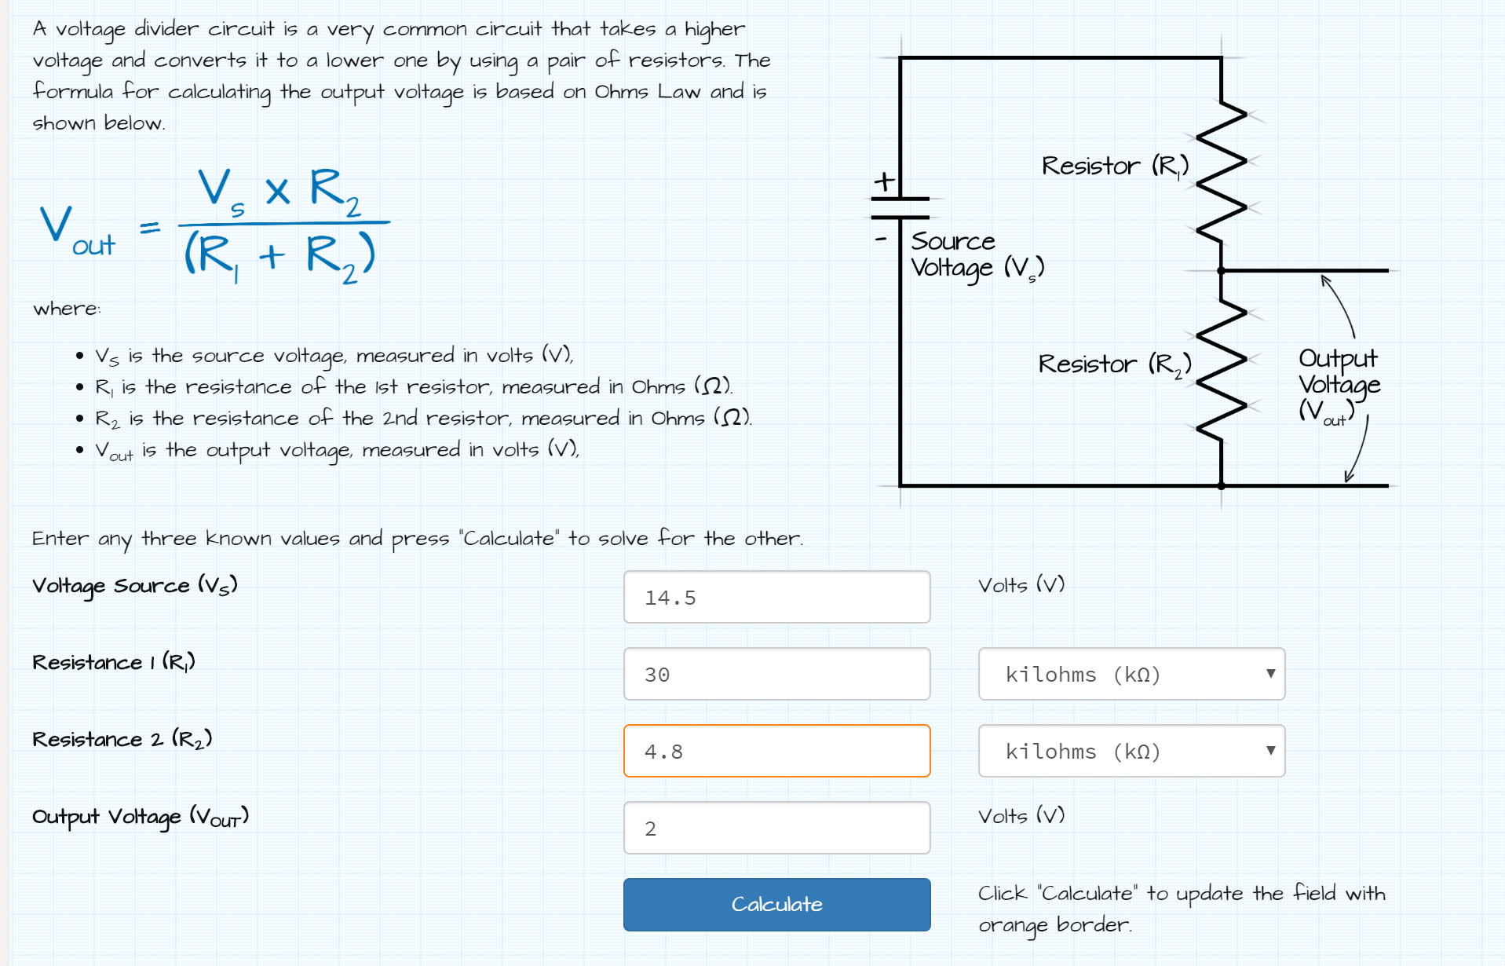
 | Actual | ADC Reading | Data Points
Battery Max Voltage | 14.2 | 1.9586 | 62676 | 6179 | Vout
Battery Standby Voltage | 13.8 | 1.9034 | 60910 | 7945
Battery Nominal Voltage | 12.8 | 1.7655 | 56497 | 3531 | 1.738 | 12.6005
Battery Ideal Voltage | 12 | 1.6552 | 52966 | 2207
Battery Low Voltage | 11.5 | 1.5862 | 50759
ADC Voltage | 2.048
Bits | 16
Data Points | 65536
Resolution (V/Point) | 0.00003125 | 0.0313
Resistor 1 | 30000
Resistor 2 | 4800
Max Vout | 14.5

Voltage Divider Math
Note: Higher Resistance Less power draw
Note: Use cont. conversion mode
Note: ADC default voltage range is +-2.048V

IIC Addresses
 | Address | Count | Mode
Compass Sensor | 0x48-0x4B | 1
Wheel Encoders | DNE
Battery Monitoring Circuit | DNE
Lights | DNE
Relays | DNE
Temp/Humidity Sensor |  | 1
Servos | DNE
Camera | DNE
Motors | DNE
Jetson Nano | DNE
Motor Controller | DNE
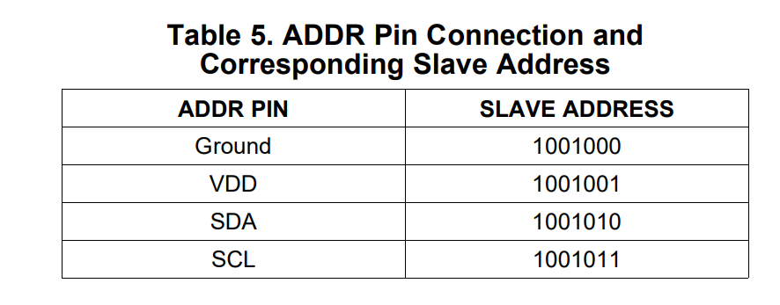
Analog to Digital Conv |  | 1 | By connecting the ADDR pin to one of the other pins
Servo Controller |  | 1
Teensy Boards (Arduino but better)

