Dashboard
 |  | No Days Off Dashboard

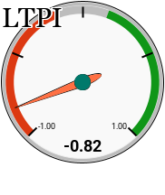
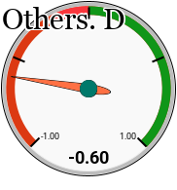
DAILY BTC CHART
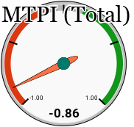
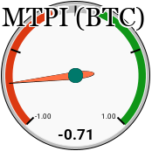
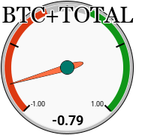

 |  |  |  |  |  |  |  |  |  |  | Market Value Z-score
 |  |  |  |  |  |  |  |  |  |  | -2
 |  |  |  |  |  |  |  |  |  |  | -1.8
 |  |  | MAJORS ROTATION |  |  |  |  |  |  |  | -1.5
 |  |  |  |  |  |  |  |  |  |  | -1.4
MTPI/ LTPI BACKTEST
 |  |  |  | BTC | SOL | XRP | ETH | PAXG | USD | SCORE | -1.3
 |  |  | BTC |  | 1 | 1 | 1 | 1 | 1 | 5 | -1
 |  |  | SOL | 0 |  | 1 | 0 | 0 | 0 | 1 | -0.8
DAILY ETH CHART
 |  |  | XRP | 0 | 0 |  | 0 | 0 | 0 | 0 | -0.7
 |  |  | ETH | 0 | 1 | 1 |  | 0 | 0 | 2 | -0.5
 |  |  | PAXG | 0 | 1 | 1 | 0 |  | 1 | 3 | -0.3
 |  |  | USD | 0 | 1 | 1 | 1 | 0 |  | 3 | 0
 |  |  |  |  |  |  |  |  |  |  | 0
 |  |  |  |  |  |  |  |  |  |  | 0.4
 |  |  |  |  |  |  |  |  |  |  | 0.4
 |  |  |  |  |  |  |  |  | ` |  | 0.5
 |  |  |  |  | Top Majors |  |  |  |  |  | 1
 |  |  |  |  |  | Allocation
 |  |  |  | 1st | BTC | 50%
 |  |  |  | 2nd | PAXG | 50%
 | Fear & Greed |  |  |  |  |  |  |  |  |  | 1
 |  |  |  |  |  |  |  |  |  |  | 1
 | 16 |  |  |  |  |  |  |  |  |  | 1.5
 |  |  |  |  |  |  |  |  |  |  | 1.5
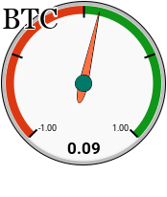
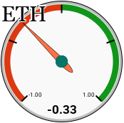
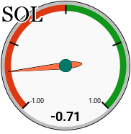
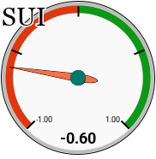
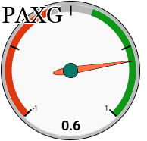

 |  |  |  |  |  |  |  |  |  |  | 1.5 | s
 |  |  |  |  |  |  |  |  |  |  | 1.5

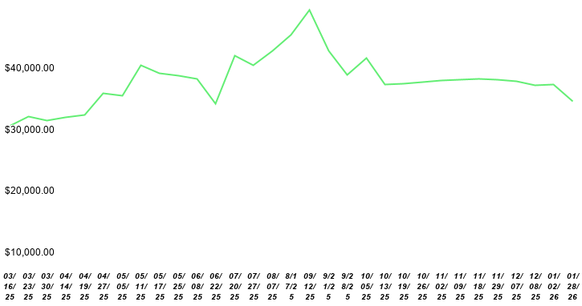

file:///C:html/Users/delgu/Downloads/no-days-off-live_3.

Ternary Diagram
 |  |  | Token | Top (BTC) | Left (ETH) | Right (SOL) | x | y | ALLOCATION
 |  |  | ETH | 12 | 0 | 0 | 8.66 | 15.00 | 42%
 |  |  | SUI | 0 | 12 | 0 | 0.00 | 0.00 | 58%
 |  |  | SOL | 0 | 0 | 12 | 17.32 | 0.00 | 0%
 |  |  | Score | 5 | 7 | 0 | 3.61 | 6.25


SUI
ETH
SOL
 | SUI/ETH TPI
 |  |  | 1 or -1
Indicator | TImeframe | Inputs | Score | Result

Kalman Hull ST | 2D | hlcc4, 1, 0.01, 12, 1.7 | -1 | Bearish
Multiple MA Supertrend | 2D | avg of calc 1&2, Ema, open, 14, 1.1, 13 | 1 | Bullish
CTI_LB | 2D | 21, 0.4 | 1 | Bullish
Normalized KAMA | 2D | 9, 66, 100, 16 | 1 | Bullish

 |  |  | Average | 0.50

 | SOL/ETH TPI
 |  |  | 1 or -1
Indicator | TImeframe | Inputs | Score | Result

Kalman Hull ST | 2D | hlcc4, 1, 0.01, 12, 1.7 | -1 | Bearish
Multiple MA Supertrend | 2D | avg of calc 1&2, Ema, open, 14, 1.1, 13 | -1 | Bearish
CTI_LB | 2D | 21, 0.4 | -1 | Bearish
Normalized KAMA | 2D | 9, 66, 100, 16 | -1 | Bearish

 |  |  | Average | -1.00

 | SOL/SUI TPI
 |  |  | 1 or -1
Indicator | TImeframe | Inputs | Score | Result

Kalman Hull ST | 2D | hlcc4, 1, 0.01, 12, 1.7 | -1 | Bearish
Multiple MA Supertrend | 2D | avg of calc 1&2, Ema, open, 14, 1.1, 13 | -1 | Bearish
CTI_LB | 2D | 21, 0.4 | -1 | Bearish
Normalized KAMA | 2D | 9, 66, 100, 16 | -1 | Bearish

 |  |  | Average | -1.00

