Sheet1
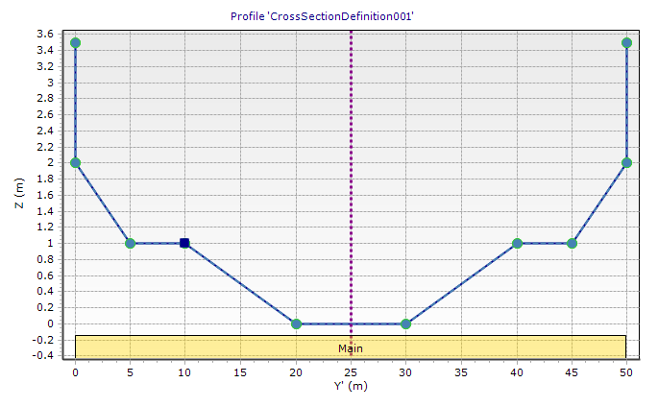
Y | Z | DeltaZ | Section | Area | Perimeter
0 | 3.5 | 0 | 0 | 0.00033333333333 | 1.0000002222
0.001 | 2 | 0 | 1 | 7.4985 | 5.0980389367
5 | 1 | 0 | 2 | 10 | 5
0
10 | 1 | 0 | 3 | 25 | 10.049875621
20 | 0 | 0 | 4 | 15 | 5
1
2
3
4
30 | 0 | 0 | Correction
40 | 1 | 0 | Total | 57.498833333 | 26.14791478 | Hydraulic radius
45 | 1 | 0 | 2x | 114.99766667 | 52.29582956 | 2.1989835066
49.999 | 2 | 0
50 | 3.5 | 0

