Pipe
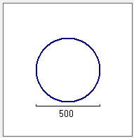
Pipe
Leiding 1
General info
Name
ID
Length [m]
Type
lei1
Dry water V
156.63
Slope [deg]
-0.0216
Roughness [mm]
Flow direction
3
Two way V
Roughness type
White Colebrook V
Begin node
Connections and levels
Manhole ID
Inverted level [m]
put54
cmp54.a
25.57
End node
put56
Compartment ID
cmp56
22.19
Predefined name
Cross section
Name
Diameter [mm]
500
Round V
Type

Manhole
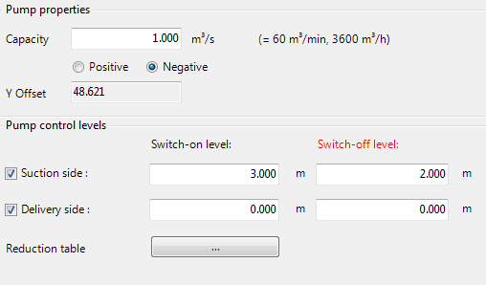
Manhole

Manhole 1
General info
Name
ID
Y-Coordinate
X-Coordinate
put1
242.1
103.1
Compartments
2
Surface level [m]
2.35
Bottom level [m]
-0.25
Comp. 1 V
Pipe 1
Comp. 1 V
Pipe 2
Comp. 3 V
Pipe 3

-0.15
2.25
2.35
-0.25
-0.25
2.35
1.80
0.15

Compartments

Comp. 1
Surface level [m]: 2.35 Bottom level [m]: -0.25
Name
Comp. 1
Width / diameter [m]
xx

ID
comp1
Length [m]
xx
Comp. 2
Surface level [m]: 2.25 Bottom level [m]: -0.15
Surface level [m]
2.35
Storage area [m2]
0.50

Comp. 3
Surface level [m]: 2.35 Bottom level [m]: -0.25
Bottom level [m]
-0.25

Structures

Name
Gate 1
Gate 1
Connects Comp. 1 and Comp. 2
ID
gate1
Pump 1
Connects Comp.2 and Comp. 3

In progress
Manhole
Compartment 1
Compartment 1
Name
comp1
ID
2.35
Surface level [m]
-0.25
Bottom level [m]
0.50
Floodable area [m2]
xx
Width
xx
Length
2.35
-0.25
Compartment 2
Compartment 2
Name
comp2
ID
2.35
Surface level [m]
-0.0
Bottom level [m]
0.50
Floodable area [m2]
xx
Width
xx
Length
2.35
-0.0
Manhole 1
General info
Name
ID
Y-Coordinate
X-Coordinate
put1
242.1
103.1
Compartments
1
Surface level [m]
2.35
Bottom level [m]
-0.25
2.35
-0.25
1
2

Leiding 1
General info
Name
ID
Length
Type
lei1
Dry water V
156.63
[m]
Slope
-0.0216
[deg]

