Pipe
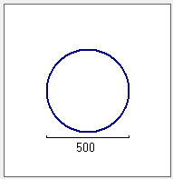
Pipe
Leiding 1
General info
Name
ID
Length [m]
Type
lei1
Dry water V
156.63
Slope [deg]
-0.0216
Roughness [mm]
Flow direction
3
Two way V
Roughness type
White Colebrook V
Begin node
Connections and levels
Manhole ID
Inverted level [m]
put54
cmp54.a
25.57
End node
put56
Compartment ID
cmp56
22.19
Predefined name
Cross section
Name
Diameter [mm]
500
Round V
Type

Manhole
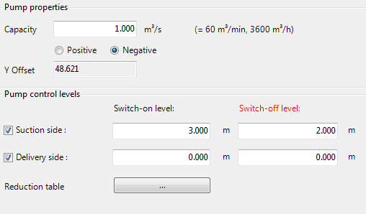
Manhole

Manhole 1
General info
Name
ID
Y-Coordinate
X-Coordinate
put1
242.1
103.1
Compartments
2
Surface level [m]
2.35
Bottom level [m]
-0.25
Comp. 1 V
Pipe 1
Comp. 1 V
Pipe 2
Comp. 3 V
Pipe 3

-0.15
2.25
2.35
-0.25
-0.25
2.35
1.80
0.15

Compartments

Comp. 1
Surface level [m]: 2.35 Bottom level [m]: -0.25
Name
Comp. 1
Width / diameter [m]
xx

ID
comp1
Length [m]
xx
Comp. 2
Surface level [m]: 2.25 Bottom level [m]: -0.15
Surface level [m]
2.35
Storage area [m2]
0.50

Comp. 3
Surface level [m]: 2.35 Bottom level [m]: -0.25
Bottom level [m]
-0.25

Structures

Name
Gate 1
Gate 1
Connects Comp. 1 and Comp. 2
ID
gate1
Pump 1
Connects Comp.2 and Comp. 3

Dam breech
14_2_2
General info
Dike traject
Dike break location
Growth formula
Nieuwekerk
vdKnaap (2000) V
Active
502
Dike traject length [m]
Parameters
Active

Initial breach width (B0)
10
[m]

Initial crest level (Z0)
4.96
[m AD]
Max breaching depth
1.81
[m]
`

Generate table
Date:
Time:
Once hydraulic trigger
Start breach growth
01-02-1953
04:01:32

Period to reach max. breaching depth
03:01:00:00
[dd:hh:mm:ss]

Period to reach max. width
03:01:00:00
[dd:hh:mm:ss]

Maximum breaching width
3
[m]

Use equation for
Sand
Clay

Generate
Close

In progress
Manhole
Compartment 1
Compartment 1
Name
comp1
ID
2.35
Surface level [m]
-0.25
Bottom level [m]
0.50
Floodable area [m2]
xx
Width
xx
Length
2.35
-0.25
Compartment 2
Compartment 2
Name
comp2
ID
2.35
Surface level [m]
-0.0
Bottom level [m]
0.50
Floodable area [m2]
xx
Width
xx
Length
2.35
-0.0
Manhole 1
General info
Name
ID
Y-Coordinate
X-Coordinate
put1
242.1
103.1
Compartments
1
Surface level [m]
2.35
Bottom level [m]
-0.25
2.35
-0.25
1
2

Relative time [dd:hh:mm:ss] | Width [m] | Height [m] | Area [m2]
00:00:00:00 | 0 | 0 | 0
00:01:00:00 | 1.29 | 0.8 | 1.03
00:02:00:00 | 2.89 | 1.23 | 3.55
00:03:00:00 | 5.34 | 1.98 | 10.57
00:04:00:00 | 8.12 | 3.65 | 29.64

Relative time [dd:hh:mm:ss] | Width [m] | Height [m] | Area [m2]
00:00:00:00 | 0 | 0 | 0
00:01:00:00 | 1.29 | 0.8 | 1.03
00:02:00:00 | 2.89 | 1.23 | 3.55
00:03:00:00 | 5.34 | 1.98 | 10.57
00:04:00:00 | 8.12 | 3.65 | 29.64

Leiding 1
General info
Name
ID
Length
Type
lei1
Dry water V
156.63
[m]
Slope
-0.0216
[deg]

