Sheet1
[m]
Text
TextBox
Button
[deg]

Pipe

Leiding 1
General info
Name
ID
Length [m]
Type
lei1
Dry water V
156.63
Slope [deg]
-0.0216
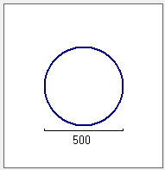
Round V
Cross section
Type
Diameter [mm]
500

Begin node
Connections and levels
Manhole ID
Inverted level [m]
put54
cmp54.a
25.57
End node
put56
Compartment ID
cmp56
22.19

Leiding 1
General info
Name
ID
Length
Type
lei1
Dry water V
156.63
[m]
Slope
-0.0216
[deg]

