Feature_Interpretation
 |  | Ratio_strong_modifier |  |  | ratio_auxde1的 |  |  | ratio_auxde3地 |  |  | ratio_er_suffix |  |  | ratio_condiConj |  |  | ratio_idiom |  |  | word_1gram_但是 |  |  | word_1gram_一般 |  |  | word_1gram_男孩 |  |  |  |  | ratio_AA |  |  | ratio_spmark顿号
 | file name | ratio_StrongModifier | Per thousand characters | total occurance | ratio_auxde1 | Per thousand words | total occurance | ratio_auxde3 | Per thousand words | total occurance | ratio_er_suffix | per thousand words | total occurance | ratio_condiConj | per thousand words | total occurance | ratio_idiom | per thousand words | total occurance | word_1gram_但是 | per thousand words | total occurance | word_1gram_一般 | per thousand words | total occurance | word_1gram_男孩 | per thousand words | total occurance | Rhyme Density | Adjacent Rhyme Density | ratio_AA | per thousand characters | total occurance | ratio_spmark | per thousand punctuations | total occurance | word_1gram_要是 | per thousand words | total occurance | word_1gram_所以 | per thousand words | total occurance | word_1gram_如果 | per thousand words | total occurance
 | liang | 0.039554 | 39.554 | 32 | 0.06653 | 66.53 | 3413 | 1.80E-05 | 0.018 | 1 | 0.000358 | 0.358 | 18 | 0.010016 | 10.016 | 13 | 0.002788 | 2.788 | 142 | 0.005411435 | 5.411435 | 348 | 0.001356804 | 1.356804 | 87 | 6.23E-05 | 0.0622777 | 4 | 0.95721 | 0.098078 | 0.00755 | 7.55 | 383 | 0 | 0 | 0 | 4.72E-05 | 0.0472266 | 3 | 0.001631591 | 1.631591 | 105 | 0 | 0 | 0
 | ren | 0.142794545 | 142.794545 | 117 | 0.050012727 | 50.012727 | 2755 | 0.007945455 | 7.945455 | 430 | 0.003641818 | 3.641818 | 197 | 0.090769091 | 90.769091 | 120 | 0.006036364 | 6.036364 | 328 | 2.86E-05 | 0.0285895 | 2 | 2.82E-05 | 0.028167 | 2 | 0.002147398 | 2.147398 | 147 | 0.812316364 | 0.066512727 | 0.01102 | 11.02 | 599 | 0.002345455 | 2.345455 | 35 | 8.82E-05 | 0.0882108 | 6 | 4.50E-05 | 0.0449799 | 4 | 0.001360605 | 1.360605 | 93
 | Yang&gu | 0.147805556 | 147.805556 | 127 | 0.048603704 | 48.603704 | 2627 | 0.009237037 | 9.237037 | 490 | 0.002838889 | 2.838889 | 151 | 0.033624074 | 33.624074 | 45 | 0.007635185 | 7.635185 | 409 | 0.000567487 | 0.567487 | 38 | 0.000104494 | 0.104494 | 7 | 0.000500109 | 0.500109 | 34 | 0.83432963 | 0.076762963 | 0.014112963 | 14.112963 | 756 | 0.002787037 | 2.787037 | 44 | 0.001385249 | 1.385249 | 94 | 0.00073589 | 0.73589 | 52 | 0.000370291 | 0.370291 | 25
 |  |  |  |  |  |  |  |  |  |  |  |  |  | 补充：conditional conj 主要考察三个词：(只要|除非|如果)\/c
 |  |  |  |  |  |  |  |  |  |  |  |  |  |  |  |  |  |  | 作为参考： | ratio_advrstvConj
 |  |  |  |  |  |  |  |  |  |  |  |  |  |  |  |  |  |  | file name | ratio_advrstvConj | per thousand words | total occurance |  |  |  |  |  |  | word_1gram_要是
 |  |  |  |  |  |  |  |  |  |  |  |  |  |  |  |  |  |  | liang | 0.41003 | 410.03 | 536 |  |  |  |  |  |  | 4.72E-05
 |  |  |  |  |  |  |  |  |  |  |  |  |  |  |  |  |  |  | ren | 0.294925455 | 294.925455 | 397 |  |  |  |  |  |  | 8.82E-05
Example: | Source | “Oh, say you’re pleased,” cried Nibs. “Oh dear!” Wendy said, “you see I feel that is exactly what I am.” |  |  |  |  |  |  |  |  |  |  |  |  |  |  |  |  | Yang&gu | 0.337953704 | 337.953704 | 431 |  |  |  |  |  |  | 0.001385249
 | liang: | <p>『啊，你说你喜欢』，泥布斯说。</p> <p>『啊亲亲！』文黛说，『你知道我觉得我正是那样的一个人哩。』</p> |  |  |  |  |  |  |  |  |  |  |  |  |  |  |  |  | 整体来说，Liang的译文更多使用“但是”，而参考其他的转折词我们发现，Ren 和Yang的译本在“但是"上使用的少，却在其他转折词，如“但|而|但是|然而|可是|不过|否则”上使用较多，丰富了转折词的使用。
 | Ren | <p>“噢，你应该很喜欢吧。”小尖尖说。</p> <p>“噢，天啊！”温迪说，“你瞧，我觉得我正好是这样一个人。”</p>
 | Yang&GU | <p>“啊，说说你喜欢吧！”尼布斯说。</p> <p>“哎呀！”温迪说，“你们瞧，我觉得我正是那样一个人。”</p>
RAD |  |  |  |  |  |  |  |  |  |  |  |  |  |  |  |  |  |  | 补充：adversery conj 主要考察 “但|而|但是|然而|可是|不过|否则”

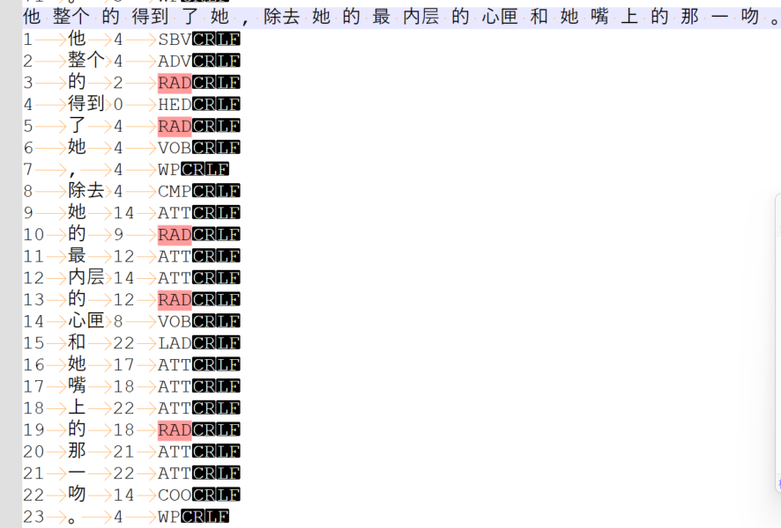
 | liang:

 | ren
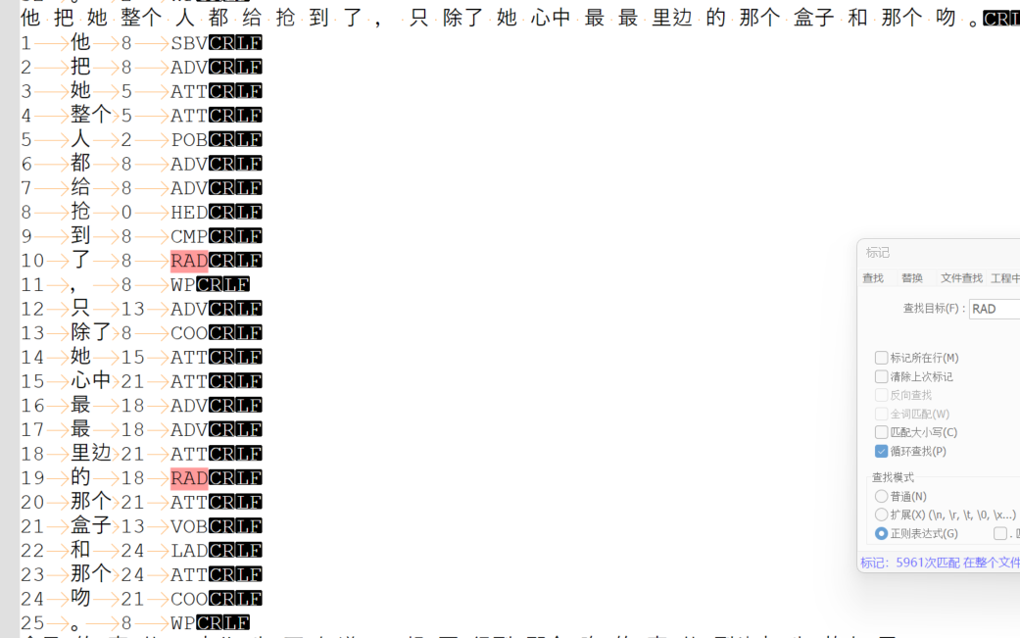

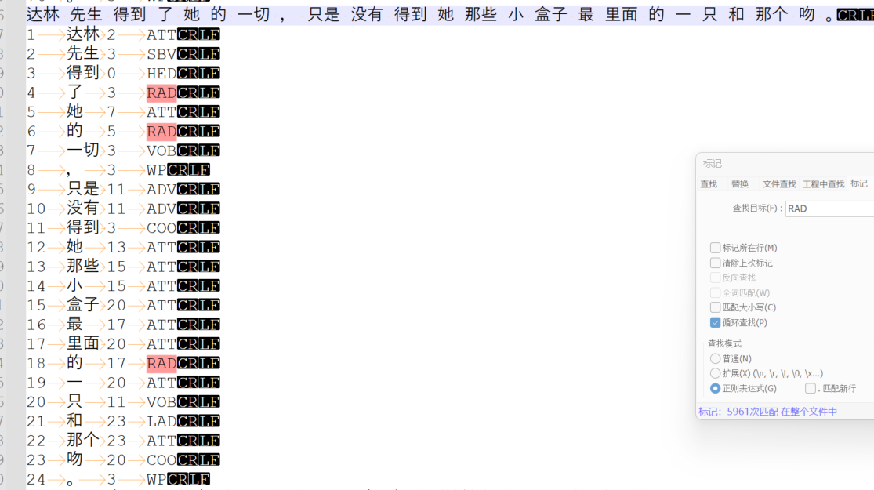
 | Yang&gu

