table
Note 0: Group refers to one of 16 groups of slits and pores, top row has groups 1,2,3,4, second row has groups 5-8, and so on
Note 1: negative Angle means clockwise rotation from vertical
Note 2: positive Angle means counter clockwise rotation from vertical
Note 3: area (nm^2) means the total area within a group of pores that is open due to the overlap of slit and pore(s)
Note 4: "opc" stands for "open pore count", i.e. the number of open pores that contribute to the area (nm^2) mentioned in Note 3 (see above)

Angle | Group | 1 | Group | 2 | Group | 3 | Group | 4 | Group | 5 | Group | 6 | Group | 7 | Group | 8 | Group | 9 | Group | 10 | Group | 11 | Group | 12 | Group | 13 | Group | 14 | Group | 15 | Group | 16
(degrees) | area (nm^2) | opc | area (nm^2) | opc | area (nm^2) | opc | area (nm^2) | opc | area (nm^2) | opc | area (nm^2) | opc | area (nm^2) | opc | area (nm^2) | opc | area (nm^2) | opc | area (nm^2) | opc | area (nm^2) | opc | area (nm^2) | opc | area (nm^2) | opc | area (nm^2) | opc | area (nm^2) | opc | area (nm^2) | opc
-3 | 0 | 0 | 0 | 0 | 0 | 0 | 0 | 0 | 0 | 0 | 0 | 0 | 0 | 0 | 0 | 0 | 0 | 0 | 0 | 0 | 0 | 0 | 0 | 0 | 0 | 0 | 0 | 0 | 0 | 0 | 0 | 0
Open Pore Area (nm^2) vs Rotation Angle (degrees)
-3 | 0
-2.99 | 0
-2.98 | 0
-2.97 | 0
-2.96 | 0
-2.95 | 0
-2.94 | 0
-2.93 | 0
-2.92 | 0
-2.91 | 0
-2.9 | 0
-2.89 | 0
-2.88 | 0
-2.87 | 0
-2.86 | 0
-2.85 | 0
-2.84 | 0
-2.83 | 0
-2.82 | 0
-2.81 | 0
-2.8 | 0
-2.79 | 0
-2.78 | 0
-2.77 | 0
-2.76 | 0
-2.75 | 0
-2.74 | 0
-2.73 | 0
-2.72 | 0
-2.71 | 0
-2.7 | 0
-2.69 | 0
-2.68 | 0
-2.67 | 0
-2.66 | 0
-2.65 | 0
-2.64 | 0
-2.63 | 0
-2.62 | 0
-2.61 | 0
-2.6 | 0
-2.59 | 0
-2.58 | 0
-2.57 | 0
-2.56 | 0
-2.55 | 0
-2.54 | 0
-2.53 | 0
-2.52 | 0
-2.51 | 0
...
-2.99 | 0 | 0 | 0 | 0 | 0 | 0 | 0 | 0 | 0 | 0 | 0 | 0 | 0 | 0 | 0 | 0 | 0 | 0 | 0 | 0 | 0 | 0 | 0 | 0 | 0 | 0 | 0 | 0 | 0 | 0 | 0 | 0
-2.98 | 0 | 0 | 0 | 0 | 0 | 0 | 0 | 0 | 0 | 0 | 0 | 0 | 0 | 0 | 0 | 0 | 0 | 0 | 0 | 0 | 0 | 0 | 0 | 0 | 0 | 0 | 0 | 0 | 0 | 0 | 0 | 0
-2.97 | 0 | 0 | 0 | 0 | 0 | 0 | 0 | 0 | 0 | 0 | 0 | 0 | 0 | 0 | 0 | 0 | 0 | 0 | 0 | 0 | 0 | 0 | 0 | 0 | 0 | 0 | 0 | 0 | 0 | 0 | 0 | 0
-2.96 | 0 | 0 | 0 | 0 | 0 | 0 | 0 | 0 | 0 | 0 | 0 | 0 | 0 | 0 | 0 | 0 | 0 | 0 | 0 | 0 | 0 | 0 | 0 | 0 | 0 | 0 | 0 | 0 | 0 | 0 | 0 | 0
-2.95 | 0 | 0 | 0 | 0 | 0 | 0 | 0 | 0 | 0 | 0 | 0 | 0 | 0 | 0 | 0 | 0 | 0 | 0 | 0 | 0 | 0 | 0 | 0 | 0 | 0 | 0 | 0 | 0 | 0 | 0 | 0 | 0
-2.94 | 0 | 0 | 0 | 0 | 0 | 0 | 0 | 0 | 0 | 0 | 0 | 0 | 0 | 0 | 0 | 0 | 0 | 0 | 0 | 0 | 0 | 0 | 0 | 0 | 0 | 0 | 0 | 0 | 0 | 0 | 0 | 0
-2.93 | 0 | 0 | 0 | 0 | 0 | 0 | 0 | 0 | 0 | 0 | 0 | 0 | 0 | 0 | 0 | 0 | 0 | 0 | 0 | 0 | 0 | 0 | 0 | 0 | 0 | 0 | 0 | 0 | 0 | 0 | 0 | 0
-2.92 | 0 | 0 | 0 | 0 | 0 | 0 | 0 | 0 | 0 | 0 | 0 | 0 | 0 | 0 | 0 | 0 | 0 | 0 | 0 | 0 | 0 | 0 | 0 | 0 | 0 | 0 | 0 | 0 | 0 | 0 | 0 | 0
-2.91 | 0 | 0 | 0 | 0 | 0 | 0 | 0 | 0 | 0 | 0 | 0 | 0 | 0 | 0 | 0 | 0 | 0 | 0 | 0 | 0 | 0 | 0 | 0 | 0 | 0 | 0 | 0 | 0 | 0 | 0 | 0 | 0
-2.9 | 0 | 0 | 0 | 0 | 0 | 0 | 0 | 0 | 0 | 0 | 0 | 0 | 0 | 0 | 0 | 0 | 0 | 0 | 0 | 0 | 0 | 0 | 0 | 0 | 0 | 0 | 0 | 0 | 0 | 0 | 0 | 0
-2.89 | 0 | 0 | 0 | 0 | 0 | 0 | 0 | 0 | 0 | 0 | 0 | 0 | 0 | 0 | 0 | 0 | 0 | 0 | 0 | 0 | 0 | 0 | 0 | 0 | 0 | 0 | 0 | 0 | 0 | 0 | 0 | 0
-2.88 | 0 | 0 | 0 | 0 | 0 | 0 | 0 | 0 | 0 | 0 | 0 | 0 | 0 | 0 | 0 | 0 | 0 | 0 | 0 | 0 | 0 | 0 | 0 | 0 | 0 | 0 | 0 | 0 | 0 | 0 | 0 | 0
-2.87 | 0 | 0 | 0 | 0 | 0 | 0 | 0 | 0 | 0 | 0 | 0 | 0 | 0 | 0 | 0 | 0 | 0 | 0 | 0 | 0 | 0 | 0 | 0 | 0 | 0 | 0 | 0 | 0 | 0 | 0 | 0 | 0
-2.86 | 0 | 0 | 0 | 0 | 0 | 0 | 0 | 0 | 0 | 0 | 0 | 0 | 0 | 0 | 0 | 0 | 0 | 0 | 0 | 0 | 0 | 0 | 0 | 0 | 0 | 0 | 0 | 0 | 0 | 0 | 0 | 0
-2.85 | 0 | 0 | 0 | 0 | 0 | 0 | 0 | 0 | 0 | 0 | 0 | 0 | 0 | 0 | 0 | 0 | 0 | 0 | 0 | 0 | 0 | 0 | 0 | 0 | 0 | 0 | 0 | 0 | 0 | 0 | 0 | 0
-2.84 | 0 | 0 | 0 | 0 | 0 | 0 | 0 | 0 | 0 | 0 | 0 | 0 | 0 | 0 | 0 | 0 | 0 | 0 | 0 | 0 | 0 | 0 | 0 | 0 | 0 | 0 | 0 | 0 | 0 | 0 | 0 | 0
-2.83 | 0 | 0 | 0 | 0 | 0 | 0 | 0 | 0 | 0 | 0 | 0 | 0 | 0 | 0 | 0 | 0 | 0 | 0 | 0 | 0 | 0 | 0 | 0 | 0 | 0 | 0 | 0 | 0 | 0 | 0 | 0 | 0
-2.82 | 0 | 0 | 0 | 0 | 0 | 0 | 0 | 0 | 0 | 0 | 0 | 0 | 0 | 0 | 0 | 0 | 0 | 0 | 0 | 0 | 0 | 0 | 0 | 0 | 0 | 0 | 0 | 0 | 0 | 0 | 0 | 0
-2.81 | 0 | 0 | 0 | 0 | 0 | 0 | 0 | 0 | 0 | 0 | 0 | 0 | 0 | 0 | 0 | 0 | 0 | 0 | 0 | 0 | 0 | 0 | 0 | 0 | 0 | 0 | 0 | 0 | 0 | 0 | 0 | 0
-2.8 | 0 | 0 | 0 | 0 | 0 | 0 | 0 | 0 | 0 | 0 | 0 | 0 | 0 | 0 | 0 | 0 | 0 | 0 | 0 | 0 | 0 | 0 | 0 | 0 | 0 | 0 | 0 | 0 | 0 | 0 | 0 | 0
-2.79 | 0 | 0 | 0 | 0 | 0 | 0 | 0 | 0 | 0 | 0 | 0 | 0 | 0 | 0 | 0 | 0 | 0 | 0 | 0 | 0 | 0 | 0 | 0 | 0 | 0 | 0 | 0 | 0 | 0 | 0 | 0 | 0
Number of Open Pores vs Rotation Angle (degrees)
-3 | 0
-2.99 | 0
-2.98 | 0
-2.97 | 0
-2.96 | 0
-2.95 | 0
-2.94 | 0
-2.93 | 0
-2.92 | 0
-2.91 | 0
-2.9 | 0
-2.89 | 0
-2.88 | 0
-2.87 | 0
-2.86 | 0
-2.85 | 0
-2.84 | 0
-2.83 | 0
-2.82 | 0
-2.81 | 0
-2.8 | 0
-2.79 | 0
-2.78 | 0
-2.77 | 0
-2.76 | 0
-2.75 | 0
-2.74 | 0
-2.73 | 0
-2.72 | 0
-2.71 | 0
-2.7 | 0
-2.69 | 0
-2.68 | 0
-2.67 | 0
-2.66 | 0
-2.65 | 0
-2.64 | 0
-2.63 | 0
-2.62 | 0
-2.61 | 0
-2.6 | 0
-2.59 | 0
-2.58 | 0
-2.57 | 0
-2.56 | 0
-2.55 | 0
-2.54 | 0
-2.53 | 0
-2.52 | 0
-2.51 | 0
...
-2.78 | 0 | 0 | 0 | 0 | 0 | 0 | 0 | 0 | 0 | 0 | 0 | 0 | 0 | 0 | 0 | 0 | 0 | 0 | 0 | 0 | 0 | 0 | 0 | 0 | 0 | 0 | 0 | 0 | 0 | 0 | 0 | 0
-2.77 | 0 | 0 | 0 | 0 | 0 | 0 | 0 | 0 | 0 | 0 | 0 | 0 | 0 | 0 | 0 | 0 | 0 | 0 | 0 | 0 | 0 | 0 | 0 | 0 | 0 | 0 | 0 | 0 | 0 | 0 | 0 | 0
-2.76 | 0 | 0 | 0 | 0 | 0 | 0 | 0 | 0 | 0 | 0 | 0 | 0 | 0 | 0 | 0 | 0 | 0 | 0 | 0 | 0 | 0 | 0 | 0 | 0 | 0 | 0 | 0 | 0 | 0 | 0 | 0 | 0
-2.75 | 0 | 0 | 0 | 0 | 0 | 0 | 0 | 0 | 0 | 0 | 0 | 0 | 0 | 0 | 0 | 0 | 0 | 0 | 0 | 0 | 0 | 0 | 0 | 0 | 0 | 0 | 0 | 0 | 0 | 0 | 0 | 0
-2.74 | 0 | 0 | 0 | 0 | 0 | 0 | 0 | 0 | 0 | 0 | 0 | 0 | 0 | 0 | 0 | 0 | 0 | 0 | 0 | 0 | 0 | 0 | 0 | 0 | 0 | 0 | 0 | 0 | 0 | 0 | 0 | 0
-2.73 | 0 | 0 | 0 | 0 | 0 | 0 | 0 | 0 | 0 | 0 | 0 | 0 | 0 | 0 | 0 | 0 | 0 | 0 | 0 | 0 | 0 | 0 | 0 | 0 | 0 | 0 | 0 | 0 | 0 | 0 | 0 | 0
-2.72 | 0 | 0 | 0 | 0 | 0 | 0 | 0 | 0 | 0 | 0 | 0 | 0 | 0 | 0 | 0 | 0 | 0 | 0 | 0 | 0 | 0 | 0 | 0 | 0 | 0 | 0 | 0 | 0 | 0 | 0 | 0 | 0
-2.71 | 0 | 0 | 0 | 0 | 0 | 0 | 0 | 0 | 0 | 0 | 0 | 0 | 0 | 0 | 0 | 0 | 0 | 0 | 0 | 0 | 0 | 0 | 0 | 0 | 0 | 0 | 0 | 0 | 0 | 0 | 0 | 0
-2.7 | 0 | 0 | 0 | 0 | 0 | 0 | 0 | 0 | 0 | 0 | 0 | 0 | 0 | 0 | 0 | 0 | 0 | 0 | 0 | 0 | 0 | 0 | 0 | 0 | 0 | 0 | 0 | 0 | 0 | 0 | 0 | 0
-2.69 | 0 | 0 | 0 | 0 | 0 | 0 | 0 | 0 | 0 | 0 | 0 | 0 | 0 | 0 | 0 | 0 | 0 | 0 | 0 | 0 | 0 | 0 | 0 | 0 | 0 | 0 | 0 | 0 | 0 | 0 | 0 | 0
-2.68 | 0 | 0 | 0 | 0 | 0 | 0 | 0 | 0 | 0 | 0 | 0 | 0 | 0 | 0 | 0 | 0 | 0 | 0 | 0 | 0 | 0 | 0 | 0 | 0 | 0 | 0 | 0 | 0 | 0 | 0 | 0 | 0
-2.67 | 0 | 0 | 0 | 0 | 0 | 0 | 0 | 0 | 0 | 0 | 0 | 0 | 0 | 0 | 0 | 0 | 0 | 0 | 0 | 0 | 0 | 0 | 0 | 0 | 0 | 0 | 0 | 0 | 0 | 0 | 0 | 0
-2.66 | 0 | 0 | 0 | 0 | 0 | 0 | 0 | 0 | 0 | 0 | 0 | 0 | 0 | 0 | 0 | 0 | 0 | 0 | 0 | 0 | 0 | 0 | 0 | 0 | 0 | 0 | 0 | 0 | 0 | 0 | 0 | 0
-2.65 | 0 | 0 | 0 | 0 | 0 | 0 | 0 | 0 | 0 | 0 | 0 | 0 | 0 | 0 | 0 | 0 | 0 | 0 | 0 | 0 | 0 | 0 | 0 | 0 | 0 | 0 | 0 | 0 | 0 | 0 | 0 | 0
-2.64 | 0 | 0 | 0 | 0 | 0 | 0 | 0 | 0 | 0 | 0 | 0 | 0 | 0 | 0 | 0 | 0 | 0 | 0 | 0 | 0 | 0 | 0 | 0 | 0 | 0 | 0 | 0 | 0 | 0 | 0 | 0 | 0
-2.63 | 0 | 0 | 0 | 0 | 0 | 0 | 0 | 0 | 0 | 0 | 0 | 0 | 0 | 0 | 0 | 0 | 0 | 0 | 0 | 0 | 0 | 0 | 0 | 0 | 0 | 0 | 0 | 0 | 0 | 0 | 0 | 0
-2.62 | 0 | 0 | 0 | 0 | 0 | 0 | 0 | 0 | 0 | 0 | 0 | 0 | 0 | 0 | 0 | 0 | 0 | 0 | 0 | 0 | 0 | 0 | 0 | 0 | 0 | 0 | 0 | 0 | 0 | 0 | 0 | 0
-2.61 | 0 | 0 | 0 | 0 | 0 | 0 | 0 | 0 | 0 | 0 | 0 | 0 | 0 | 0 | 0 | 0 | 0 | 0 | 0 | 0 | 0 | 0 | 0 | 0 | 0 | 0 | 0 | 0 | 0 | 0 | 0 | 0
-2.6 | 0 | 0 | 0 | 0 | 0 | 0 | 0 | 0 | 0 | 0 | 0 | 0 | 0 | 0 | 0 | 0 | 0 | 0 | 0 | 0 | 0 | 0 | 0 | 0 | 0 | 0 | 0 | 0 | 0 | 0 | 0 | 0
-2.59 | 0 | 0 | 0 | 0 | 0 | 0 | 0 | 0 | 0 | 0 | 0 | 0 | 0 | 0 | 0 | 0 | 0 | 0 | 0 | 0 | 0 | 0 | 0 | 0 | 0 | 0 | 0 | 0 | 0 | 0 | 0 | 0
-2.58 | 0 | 0 | 0 | 0 | 0 | 0 | 0 | 0 | 0 | 0 | 0 | 0 | 0 | 0 | 0 | 0 | 0 | 0 | 0 | 0 | 0 | 0 | 0 | 0 | 0 | 0 | 0 | 0 | 0 | 0 | 0 | 0
-2.57 | 0 | 0 | 0 | 0 | 0 | 0 | 0 | 0 | 0 | 0 | 0 | 0 | 0 | 0 | 0 | 0 | 0 | 0 | 0 | 0 | 0 | 0 | 0 | 0 | 0 | 0 | 0 | 0 | 0 | 0 | 0 | 0
-2.56 | 0 | 0 | 0 | 0 | 0 | 0 | 0 | 0 | 0 | 0 | 0 | 0 | 0 | 0 | 0 | 0 | 0 | 0 | 0 | 0 | 0 | 0 | 0 | 0 | 0 | 0 | 0 | 0 | 0 | 0 | 0 | 0
-2.55 | 0 | 0 | 0 | 0 | 0 | 0 | 0 | 0 | 0 | 0 | 0 | 0 | 0 | 0 | 0 | 0 | 0 | 0 | 0 | 0 | 0 | 0 | 0 | 0 | 0 | 0 | 0 | 0 | 0 | 0 | 0 | 0
-2.54 | 0 | 0 | 0 | 0 | 0 | 0 | 0 | 0 | 0 | 0 | 0 | 0 | 0 | 0 | 0 | 0 | 0 | 0 | 0 | 0 | 0 | 0 | 0 | 0 | 0 | 0 | 0 | 0 | 0 | 0 | 0 | 0
-2.53 | 0 | 0 | 0 | 0 | 0 | 0 | 0 | 0 | 0 | 0 | 0 | 0 | 0 | 0 | 0 | 0 | 0 | 0 | 0 | 0 | 0 | 0 | 0 | 0 | 0 | 0 | 0 | 0 | 0 | 0 | 0 | 0
-2.52 | 0 | 0 | 0 | 0 | 0 | 0 | 0 | 0 | 0 | 0 | 0 | 0 | 0 | 0 | 0 | 0 | 0 | 0 | 0 | 0 | 0 | 0 | 0 | 0 | 0 | 0 | 0 | 0 | 0 | 0 | 0 | 0
-2.51 | 0 | 0 | 0 | 0 | 0 | 0 | 0 | 0 | 0 | 0 | 0 | 0 | 0 | 0 | 0 | 0 | 0 | 0 | 0 | 0 | 0 | 0 | 0 | 0 | 0 | 0 | 0 | 0 | 0 | 0 | 0 | 0
-2.5 | 0 | 0 | 0 | 0 | 0 | 0 | 0 | 0 | 0 | 0 | 0 | 0 | 0 | 0 | 0 | 0 | 0 | 0 | 0 | 0 | 0 | 0 | 0 | 0 | 0 | 0 | 0 | 0 | 0 | 0 | 0 | 0
-2.49 | 0 | 0 | 0 | 0 | 0 | 0 | 0 | 0 | 0 | 0 | 0 | 0 | 0 | 0 | 0 | 0 | 0 | 0 | 0 | 0 | 0 | 0 | 0 | 0 | 0 | 0 | 0 | 0 | 0 | 0 | 0 | 0
-2.48 | 0 | 0 | 0 | 0 | 0 | 0 | 0 | 0 | 0 | 0 | 0 | 0 | 0 | 0 | 0 | 0 | 0 | 0 | 0 | 0 | 0 | 0 | 0 | 0 | 0 | 0 | 0 | 0 | 0 | 0 | 0 | 0
-2.47 | 0 | 0 | 0 | 0 | 0 | 0 | 0 | 0 | 0 | 0 | 0 | 0 | 0 | 0 | 0 | 0 | 0 | 0 | 0 | 0 | 0 | 0 | 0 | 0 | 0 | 0 | 0 | 0 | 0 | 0 | 0 | 0
-2.46 | 0 | 0 | 0 | 0 | 0 | 0 | 0 | 0 | 0 | 0 | 0 | 0 | 0 | 0 | 0 | 0 | 0 | 0 | 0 | 0 | 0 | 0 | 0 | 0 | 0 | 0 | 0 | 0 | 0 | 0 | 0 | 0
-2.45 | 0 | 0 | 0 | 0 | 0 | 0 | 0 | 0 | 0 | 0 | 0 | 0 | 0 | 0 | 0 | 0 | 0 | 0 | 0 | 0 | 0 | 0 | 0 | 0 | 0 | 0 | 0 | 0 | 0 | 0 | 0 | 0
-2.44 | 0 | 0 | 0 | 0 | 0 | 0 | 0 | 0 | 0 | 0 | 0 | 0 | 0 | 0 | 0 | 0 | 0 | 0 | 0 | 0 | 0 | 0 | 0 | 0 | 0 | 0 | 0 | 0 | 0 | 0 | 0 | 0
-2.43 | 0 | 0 | 0 | 0 | 0 | 0 | 0 | 0 | 0 | 0 | 0 | 0 | 0 | 0 | 0 | 0 | 0 | 0 | 0 | 0 | 0 | 0 | 0 | 0 | 0 | 0 | 0 | 0 | 0 | 0 | 0 | 0
-2.42 | 0 | 0 | 0 | 0 | 0 | 0 | 0 | 0 | 0 | 0 | 0 | 0 | 0 | 0 | 0 | 0 | 0 | 0 | 0 | 0 | 0 | 0 | 0 | 0 | 0 | 0 | 0 | 0 | 0 | 0 | 0 | 0
-2.41 | 0 | 0 | 0 | 0 | 0 | 0 | 0 | 0 | 0 | 0 | 0 | 0 | 0 | 0 | 0 | 0 | 0 | 0 | 0 | 0 | 0 | 0 | 0 | 0 | 0 | 0 | 0 | 0 | 0 | 0 | 0 | 0
-2.4 | 0 | 0 | 0 | 0 | 0 | 0 | 0 | 0 | 0 | 0 | 0 | 0 | 0 | 0 | 0 | 0 | 0 | 0 | 0 | 0 | 0 | 0 | 0 | 0 | 0 | 0 | 0 | 0 | 0 | 0 | 0 | 0
-2.39 | 0 | 0 | 0 | 0 | 0 | 0 | 0 | 0 | 0 | 0 | 0 | 0 | 0 | 0 | 0 | 0 | 0 | 0 | 0 | 0 | 0 | 0 | 0 | 0 | 0 | 0 | 0 | 0 | 0 | 0 | 0 | 0
-2.38 | 0 | 0 | 0 | 0 | 0 | 0 | 0 | 0 | 0 | 0 | 0 | 0 | 0 | 0 | 0 | 0 | 0 | 0 | 0 | 0 | 0 | 0 | 0 | 0 | 0 | 0 | 0 | 0 | 0 | 0 | 0 | 0
-2.37 | 0 | 0 | 0 | 0 | 0 | 0 | 0 | 0 | 0 | 0 | 0 | 0 | 0 | 0 | 0 | 0 | 0 | 0 | 0 | 0 | 0 | 0 | 0 | 0 | 0 | 0 | 0 | 0 | 0 | 0 | 0 | 0
-2.36 | 0 | 0 | 0 | 0 | 0 | 0 | 0 | 0 | 0 | 0 | 0 | 0 | 0 | 0 | 0 | 0 | 0 | 0 | 0 | 0 | 0 | 0 | 0 | 0 | 0 | 0 | 0 | 0 | 0 | 0 | 0 | 0
-2.35 | 0 | 0 | 0 | 0 | 0 | 0 | 0 | 0 | 0 | 0 | 0 | 0 | 0 | 0 | 0 | 0 | 0 | 0 | 0 | 0 | 0 | 0 | 0 | 0 | 0 | 0 | 0 | 0 | 0 | 0 | 0 | 0
-2.34 | 0 | 0 | 0 | 0 | 0 | 0 | 0 | 0 | 0 | 0 | 0 | 0 | 0 | 0 | 0 | 0 | 0 | 0 | 0 | 0 | 0 | 0 | 0 | 0 | 0 | 0 | 0 | 0 | 0 | 0 | 0 | 0
-2.33 | 0 | 0 | 0 | 0 | 0 | 0 | 0 | 0 | 0 | 0 | 0 | 0 | 0 | 0 | 0 | 0 | 0 | 0 | 0 | 0 | 0 | 0 | 0 | 0 | 0 | 0 | 0 | 0 | 0 | 0 | 0 | 0
-2.32 | 0 | 0 | 0 | 0 | 0 | 0 | 0 | 0 | 0 | 0 | 0 | 0 | 0 | 0 | 0 | 0 | 0 | 0 | 0 | 0 | 0 | 0 | 0 | 0 | 0 | 0 | 0 | 0 | 0 | 0 | 0 | 0
-2.31 | 0 | 0 | 0 | 0 | 0 | 0 | 0 | 0 | 0 | 0 | 0 | 0 | 0 | 0 | 0 | 0 | 0 | 0 | 0 | 0 | 0 | 0 | 0 | 0 | 0 | 0 | 0 | 0 | 0 | 0 | 0 | 0
-2.3 | 0 | 0 | 0 | 0 | 0 | 0 | 0 | 0 | 0 | 0 | 0 | 0 | 0 | 0 | 0 | 0 | 0 | 0 | 0 | 0 | 0 | 0 | 0 | 0 | 0 | 0 | 0 | 0 | 0 | 0 | 0 | 0
-2.29 | 0 | 0 | 0 | 0 | 0 | 0 | 0 | 0 | 0 | 0 | 0 | 0 | 0 | 0 | 0 | 0 | 0 | 0 | 0 | 0 | 0 | 0 | 0 | 0 | 0 | 0 | 0 | 0 | 0 | 0 | 0 | 0
-2.28 | 0 | 0 | 0 | 0 | 0 | 0 | 0 | 0 | 0 | 0 | 0 | 0 | 0 | 0 | 0 | 0 | 0 | 0 | 0 | 0 | 0 | 0 | 0 | 0 | 0 | 0 | 0 | 0 | 0 | 0 | 0 | 0
-2.27 | 0 | 0 | 0 | 0 | 0 | 0 | 0 | 0 | 0 | 0 | 0 | 0 | 0 | 0 | 0 | 0 | 0 | 0 | 0 | 0 | 0 | 0 | 0 | 0 | 0 | 0 | 0 | 0 | 0 | 0 | 0 | 0
-2.26 | 0 | 0 | 0 | 0 | 0 | 0 | 0 | 0 | 0 | 0 | 0 | 0 | 0 | 0 | 0 | 0 | 0 | 0 | 0 | 0 | 0 | 0 | 0 | 0 | 0 | 0 | 0 | 0 | 0 | 0 | 0 | 0
-2.25 | 0 | 0 | 0 | 0 | 0 | 0 | 0 | 0 | 0 | 0 | 0 | 0 | 0 | 0 | 0 | 0 | 0 | 0 | 0 | 0 | 0 | 0 | 0 | 0 | 0 | 0 | 0 | 0 | 0 | 0 | 0 | 0
-2.24 | 0 | 0 | 0 | 0 | 0 | 0 | 0 | 0 | 0 | 0 | 0 | 0 | 0 | 0 | 0 | 0 | 0 | 0 | 0 | 0 | 0 | 0 | 0 | 0 | 0 | 0 | 0 | 0 | 0 | 0 | 0 | 0
-2.23 | 0 | 0 | 0 | 0 | 0 | 0 | 0 | 0 | 0 | 0 | 0 | 0 | 0 | 0 | 0 | 0 | 0 | 0 | 0 | 0 | 0 | 0 | 0 | 0 | 0 | 0 | 0 | 0 | 0 | 0 | 0 | 0
-2.22 | 0 | 0 | 0 | 0 | 0 | 0 | 0 | 0 | 0 | 0 | 0 | 0 | 0 | 0 | 0 | 0 | 0 | 0 | 0 | 0 | 0 | 0 | 0 | 0 | 0 | 0 | 0 | 0 | 0 | 0 | 0 | 0
-2.21 | 0 | 0 | 0 | 0 | 0 | 0 | 0 | 0 | 0 | 0 | 0 | 0 | 0 | 0 | 0 | 0 | 0 | 0 | 0 | 0 | 0 | 0 | 0 | 0 | 0 | 0 | 0 | 0 | 0 | 0 | 0 | 0
-2.2 | 0 | 0 | 0 | 0 | 0 | 0 | 0 | 0 | 0 | 0 | 0 | 0 | 0 | 0 | 0 | 0 | 0 | 0 | 0 | 0 | 0 | 0 | 0 | 0 | 0 | 0 | 0 | 0 | 0 | 0 | 0 | 0
-2.19 | 0 | 0 | 0 | 0 | 0 | 0 | 0 | 0 | 0 | 0 | 0 | 0 | 0 | 0 | 0 | 0 | 0 | 0 | 0 | 0 | 0 | 0 | 0 | 0 | 0 | 0 | 0 | 0 | 0 | 0 | 0 | 0
-2.18 | 0 | 0 | 0 | 0 | 0 | 0 | 0 | 0 | 0 | 0 | 0 | 0 | 0 | 0 | 0 | 0 | 0 | 0 | 0 | 0 | 0 | 0 | 0 | 0 | 0 | 0 | 0 | 0 | 0 | 0 | 0 | 0
-2.17 | 0 | 0 | 0 | 0 | 0 | 0 | 0 | 0 | 0 | 0 | 0 | 0 | 0 | 0 | 0 | 0 | 0 | 0 | 0 | 0 | 0 | 0 | 0 | 0 | 0 | 0 | 0 | 0 | 0 | 0 | 0 | 0
-2.16 | 0 | 0 | 0 | 0 | 0 | 0 | 0 | 0 | 0 | 0 | 0 | 0 | 346654 | 1 | 0 | 0 | 0 | 0 | 0 | 0 | 0 | 0 | 0 | 0 | 0 | 0 | 0 | 0 | 0 | 0 | 0 | 0
-2.15 | 0 | 0 | 0 | 0 | 0 | 0 | 0 | 0 | 0 | 0 | 0 | 0 | 1194790 | 1 | 0 | 0 | 0 | 0 | 0 | 0 | 0 | 0 | 0 | 0 | 0 | 0 | 0 | 0 | 0 | 0 | 0 | 0
-2.14 | 0 | 0 | 0 | 0 | 0 | 0 | 0 | 0 | 0 | 0 | 0 | 0 | 1699185 | 1 | 0 | 0 | 0 | 0 | 0 | 0 | 0 | 0 | 0 | 0 | 0 | 0 | 0 | 0 | 0 | 0 | 0 | 0
-2.13 | 0 | 0 | 0 | 0 | 0 | 0 | 0 | 0 | 0 | 0 | 0 | 0 | 1681818 | 1 | 0 | 0 | 0 | 0 | 0 | 0 | 0 | 0 | 0 | 0 | 0 | 0 | 0 | 0 | 0 | 0 | 0 | 0
-2.12 | 0 | 0 | 0 | 0 | 0 | 0 | 0 | 0 | 0 | 0 | 0 | 0 | 844097 | 1 | 0 | 0 | 0 | 0 | 0 | 0 | 0 | 0 | 0 | 0 | 0 | 0 | 0 | 0 | 0 | 0 | 0 | 0
-2.11 | 0 | 0 | 0 | 0 | 0 | 0 | 0 | 0 | 0 | 0 | 0 | 0 | 11618 | 1 | 0 | 0 | 0 | 0 | 0 | 0 | 0 | 0 | 0 | 0 | 0 | 0 | 0 | 0 | 0 | 0 | 0 | 0
-2.1 | 0 | 0 | 0 | 0 | 0 | 0 | 0 | 0 | 0 | 0 | 0 | 0 | 0 | 0 | 0 | 0 | 0 | 0 | 0 | 0 | 0 | 0 | 0 | 0 | 0 | 0 | 0 | 0 | 0 | 0 | 0 | 0
-2.09 | 0 | 0 | 0 | 0 | 0 | 0 | 0 | 0 | 0 | 0 | 0 | 0 | 0 | 0 | 0 | 0 | 0 | 0 | 0 | 0 | 0 | 0 | 0 | 0 | 0 | 0 | 0 | 0 | 0 | 0 | 0 | 0
-2.08 | 0 | 0 | 0 | 0 | 0 | 0 | 0 | 0 | 0 | 0 | 0 | 0 | 0 | 0 | 0 | 0 | 0 | 0 | 0 | 0 | 0 | 0 | 0 | 0 | 0 | 0 | 0 | 0 | 0 | 0 | 0 | 0
-2.07 | 0 | 0 | 0 | 0 | 0 | 0 | 0 | 0 | 0 | 0 | 0 | 0 | 0 | 0 | 0 | 0 | 0 | 0 | 0 | 0 | 0 | 0 | 0 | 0 | 0 | 0 | 0 | 0 | 0 | 0 | 0 | 0
-2.06 | 0 | 0 | 0 | 0 | 0 | 0 | 0 | 0 | 0 | 0 | 0 | 0 | 0 | 0 | 0 | 0 | 0 | 0 | 0 | 0 | 0 | 0 | 0 | 0 | 0 | 0 | 0 | 0 | 0 | 0 | 0 | 0
-2.05 | 0 | 0 | 0 | 0 | 0 | 0 | 0 | 0 | 0 | 0 | 0 | 0 | 0 | 0 | 0 | 0 | 0 | 0 | 0 | 0 | 0 | 0 | 0 | 0 | 0 | 0 | 0 | 0 | 0 | 0 | 0 | 0
-2.04 | 0 | 0 | 0 | 0 | 0 | 0 | 0 | 0 | 0 | 0 | 534045 | 1 | 0 | 0 | 0 | 0 | 0 | 0 | 0 | 0 | 0 | 0 | 0 | 0 | 0 | 0 | 0 | 0 | 0 | 0 | 0 | 0
-2.03 | 0 | 0 | 0 | 0 | 0 | 0 | 0 | 0 | 0 | 0 | 1398285 | 1 | 0 | 0 | 0 | 0 | 0 | 0 | 0 | 0 | 79806 | 1 | 0 | 0 | 0 | 0 | 0 | 0 | 0 | 0 | 0 | 0
-2.02 | 0 | 0 | 0 | 0 | 0 | 0 | 0 | 0 | 0 | 0 | 1840143 | 1 | 0 | 0 | 0 | 0 | 0 | 0 | 0 | 0 | 79806 | 1 | 0 | 0 | 0 | 0 | 0 | 0 | 0 | 0 | 0 | 0
-2.01 | 0 | 0 | 0 | 0 | 0 | 0 | 0 | 0 | 0 | 0 | 1840132 | 1 | 0 | 0 | 0 | 0 | 0 | 0 | 0 | 0 | 0 | 0 | 0 | 0 | 0 | 0 | 0 | 0 | 0 | 0 | 0 | 0
-2 | 0 | 0 | 0 | 0 | 0 | 0 | 0 | 0 | 0 | 0 | 1230161 | 1 | 0 | 0 | 0 | 0 | 0 | 0 | 0 | 0 | 0 | 0 | 0 | 0 | 0 | 0 | 0 | 0 | 0 | 0 | 0 | 0
-1.99 | 0 | 0 | 0 | 0 | 0 | 0 | 0 | 0 | 0 | 0 | 365325 | 1 | 0 | 0 | 0 | 0 | 0 | 0 | 0 | 0 | 0 | 0 | 0 | 0 | 0 | 0 | 0 | 0 | 0 | 0 | 0 | 0
-1.98 | 0 | 0 | 0 | 0 | 0 | 0 | 0 | 0 | 0 | 0 | 0 | 0 | 0 | 0 | 0 | 0 | 0 | 0 | 0 | 0 | 0 | 0 | 0 | 0 | 0 | 0 | 0 | 0 | 0 | 0 | 0 | 0
-1.97 | 0 | 0 | 0 | 0 | 0 | 0 | 0 | 0 | 0 | 0 | 0 | 0 | 0 | 0 | 0 | 0 | 0 | 0 | 0 | 0 | 0 | 0 | 0 | 0 | 0 | 0 | 0 | 0 | 0 | 0 | 0 | 0
-1.96 | 0 | 0 | 0 | 0 | 0 | 0 | 0 | 0 | 0 | 0 | 0 | 0 | 0 | 0 | 0 | 0 | 0 | 0 | 0 | 0 | 0 | 0 | 0 | 0 | 0 | 0 | 0 | 0 | 0 | 0 | 0 | 0
-1.95 | 0 | 0 | 0 | 0 | 0 | 0 | 0 | 0 | 0 | 0 | 0 | 0 | 0 | 0 | 0 | 0 | 0 | 0 | 0 | 0 | 0 | 0 | 0 | 0 | 0 | 0 | 0 | 0 | 0 | 0 | 0 | 0
-1.94 | 0 | 0 | 0 | 0 | 0 | 0 | 0 | 0 | 0 | 0 | 0 | 0 | 0 | 0 | 0 | 0 | 0 | 0 | 0 | 0 | 0 | 0 | 0 | 0 | 0 | 0 | 0 | 0 | 0 | 0 | 0 | 0
-1.93 | 0 | 0 | 0 | 0 | 0 | 0 | 0 | 0 | 0 | 0 | 0 | 0 | 0 | 0 | 0 | 0 | 0 | 0 | 0 | 0 | 0 | 0 | 0 | 0 | 0 | 0 | 0 | 0 | 0 | 0 | 0 | 0
-1.92 | 0 | 0 | 0 | 0 | 0 | 0 | 0 | 0 | 0 | 0 | 0 | 0 | 0 | 0 | 0 | 0 | 0 | 0 | 0 | 0 | 0 | 0 | 0 | 0 | 0 | 0 | 0 | 0 | 0 | 0 | 0 | 0
-1.91 | 0 | 0 | 0 | 0 | 0 | 0 | 0 | 0 | 0 | 0 | 0 | 0 | 0 | 0 | 0 | 0 | 0 | 0 | 0 | 0 | 0 | 0 | 0 | 0 | 0 | 0 | 0 | 0 | 0 | 0 | 0 | 0
-1.9 | 0 | 0 | 0 | 0 | 0 | 0 | 0 | 0 | 0 | 0 | 0 | 0 | 0 | 0 | 0 | 0 | 0 | 0 | 0 | 0 | 0 | 0 | 0 | 0 | 0 | 0 | 0 | 0 | 0 | 0 | 0 | 0
-1.89 | 0 | 0 | 0 | 0 | 0 | 0 | 0 | 0 | 0 | 0 | 0 | 0 | 0 | 0 | 0 | 0 | 0 | 0 | 0 | 0 | 0 | 0 | 0 | 0 | 0 | 0 | 0 | 0 | 0 | 0 | 0 | 0
-1.88 | 0 | 0 | 0 | 0 | 0 | 0 | 0 | 0 | 0 | 0 | 0 | 0 | 632439 | 1 | 0 | 0 | 0 | 0 | 0 | 0 | 0 | 0 | 0 | 0 | 0 | 0 | 0 | 0 | 0 | 0 | 0 | 0
-1.87 | 0 | 0 | 0 | 0 | 0 | 0 | 0 | 0 | 0 | 0 | 0 | 0 | 1401353 | 1 | 0 | 0 | 0 | 0 | 0 | 0 | 0 | 0 | 0 | 0 | 0 | 0 | 0 | 0 | 0 | 0 | 0 | 0
-1.86 | 0 | 0 | 0 | 0 | 0 | 0 | 0 | 0 | 0 | 0 | 0 | 0 | 1555820 | 1 | 0 | 0 | 0 | 0 | 0 | 0 | 0 | 0 | 0 | 0 | 0 | 0 | 0 | 0 | 0 | 0 | 0 | 0
-1.85 | 0 | 0 | 0 | 0 | 0 | 0 | 0 | 0 | 0 | 0 | 0 | 0 | 1038187 | 1 | 0 | 0 | 0 | 0 | 0 | 0 | 0 | 0 | 0 | 0 | 0 | 0 | 0 | 0 | 0 | 0 | 0 | 0
-1.84 | 0 | 0 | 0 | 0 | 0 | 0 | 0 | 0 | 0 | 0 | 0 | 0 | 269685 | 1 | 0 | 0 | 0 | 0 | 0 | 0 | 0 | 0 | 0 | 0 | 0 | 0 | 0 | 0 | 0 | 0 | 0 | 0
-1.83 | 0 | 0 | 0 | 0 | 0 | 0 | 0 | 0 | 0 | 0 | 0 | 0 | 0 | 0 | 0 | 0 | 0 | 0 | 0 | 0 | 0 | 0 | 0 | 0 | 0 | 0 | 0 | 0 | 0 | 0 | 0 | 0
-1.82 | 0 | 0 | 0 | 0 | 0 | 0 | 0 | 0 | 0 | 0 | 0 | 0 | 335133 | 1 | 0 | 0 | 0 | 0 | 0 | 0 | 0 | 0 | 0 | 0 | 0 | 0 | 0 | 0 | 0 | 0 | 0 | 0
-1.81 | 0 | 0 | 0 | 0 | 0 | 0 | 0 | 0 | 0 | 0 | 0 | 0 | 1181730 | 1 | 0 | 0 | 0 | 0 | 0 | 0 | 0 | 0 | 0 | 0 | 0 | 0 | 0 | 0 | 0 | 0 | 0 | 0
-1.8 | 0 | 0 | 0 | 0 | 0 | 0 | 0 | 0 | 0 | 0 | 0 | 0 | 1697838 | 1 | 0 | 0 | 0 | 0 | 0 | 0 | 0 | 0 | 0 | 0 | 0 | 0 | 0 | 0 | 0 | 0 | 0 | 0
-1.79 | 0 | 0 | 0 | 0 | 0 | 0 | 0 | 0 | 0 | 0 | 0 | 0 | 1689824 | 1 | 0 | 0 | 0 | 0 | 0 | 0 | 0 | 0 | 0 | 0 | 0 | 0 | 0 | 0 | 0 | 0 | 0 | 0
-1.78 | 0 | 0 | 0 | 0 | 0 | 0 | 0 | 0 | 0 | 0 | 0 | 0 | 858724 | 1 | 0 | 0 | 0 | 0 | 0 | 0 | 0 | 0 | 0 | 0 | 0 | 0 | 0 | 0 | 0 | 0 | 0 | 0
-1.77 | 0 | 0 | 0 | 0 | 0 | 0 | 0 | 0 | 0 | 0 | 0 | 0 | 18399 | 1 | 0 | 0 | 0 | 0 | 0 | 0 | 0 | 0 | 0 | 0 | 0 | 0 | 0 | 0 | 0 | 0 | 0 | 0
-1.76 | 0 | 0 | 0 | 0 | 0 | 0 | 0 | 0 | 0 | 0 | 0 | 0 | 0 | 0 | 0 | 0 | 0 | 0 | 0 | 0 | 0 | 0 | 0 | 0 | 0 | 0 | 0 | 0 | 0 | 0 | 0 | 0
-1.75 | 0 | 0 | 0 | 0 | 0 | 0 | 0 | 0 | 0 | 0 | 289070 | 1 | 0 | 0 | 0 | 0 | 0 | 0 | 0 | 0 | 0 | 0 | 0 | 0 | 0 | 0 | 0 | 0 | 0 | 0 | 0 | 0
-1.74 | 0 | 0 | 0 | 0 | 0 | 0 | 0 | 0 | 0 | 0 | 1085850 | 1 | 0 | 0 | 0 | 0 | 0 | 0 | 0 | 0 | 165175 | 1 | 0 | 0 | 0 | 0 | 0 | 0 | 0 | 0 | 0 | 0
-1.73 | 0 | 0 | 0 | 0 | 0 | 0 | 0 | 0 | 0 | 0 | 1696773 | 1 | 0 | 0 | 0 | 0 | 0 | 0 | 0 | 0 | 180200 | 1 | 0 | 0 | 0 | 0 | 0 | 0 | 0 | 0 | 0 | 0
-1.72 | 0 | 0 | 0 | 0 | 0 | 0 | 0 | 0 | 0 | 0 | 1696764 | 1 | 0 | 0 | 0 | 0 | 0 | 0 | 0 | 0 | 40646 | 1 | 0 | 0 | 0 | 0 | 0 | 0 | 0 | 0 | 0 | 0
-1.71 | 0 | 0 | 0 | 0 | 0 | 0 | 0 | 0 | 0 | 0 | 1096164 | 1 | 0 | 0 | 0 | 0 | 0 | 0 | 0 | 0 | 0 | 0 | 0 | 0 | 0 | 0 | 0 | 0 | 0 | 0 | 0 | 0
-1.7 | 0 | 0 | 0 | 0 | 0 | 0 | 0 | 0 | 0 | 0 | 298830 | 1 | 0 | 0 | 0 | 0 | 0 | 0 | 0 | 0 | 0 | 0 | 0 | 0 | 0 | 0 | 0 | 0 | 0 | 0 | 0 | 0
-1.69 | 0 | 0 | 0 | 0 | 0 | 0 | 0 | 0 | 0 | 0 | 0 | 0 | 0 | 0 | 0 | 0 | 0 | 0 | 0 | 0 | 0 | 0 | 0 | 0 | 0 | 0 | 0 | 0 | 0 | 0 | 0 | 0
-1.68 | 0 | 0 | 0 | 0 | 0 | 0 | 0 | 0 | 0 | 0 | 0 | 0 | 0 | 0 | 0 | 0 | 0 | 0 | 0 | 0 | 0 | 0 | 0 | 0 | 0 | 0 | 0 | 0 | 0 | 0 | 0 | 0
-1.67 | 0 | 0 | 0 | 0 | 0 | 0 | 0 | 0 | 0 | 0 | 0 | 0 | 0 | 0 | 0 | 0 | 0 | 0 | 0 | 0 | 0 | 0 | 0 | 0 | 0 | 0 | 0 | 0 | 0 | 0 | 0 | 0
-1.66 | 0 | 0 | 0 | 0 | 0 | 0 | 0 | 0 | 0 | 0 | 0 | 0 | 0 | 0 | 0 | 0 | 0 | 0 | 0 | 0 | 0 | 0 | 0 | 0 | 0 | 0 | 0 | 0 | 0 | 0 | 0 | 0
-1.65 | 0 | 0 | 0 | 0 | 0 | 0 | 0 | 0 | 0 | 0 | 0 | 0 | 0 | 0 | 0 | 0 | 0 | 0 | 0 | 0 | 0 | 0 | 0 | 0 | 0 | 0 | 0 | 0 | 0 | 0 | 0 | 0
-1.64 | 0 | 0 | 0 | 0 | 0 | 0 | 0 | 0 | 0 | 0 | 0 | 0 | 0 | 0 | 0 | 0 | 0 | 0 | 0 | 0 | 0 | 0 | 0 | 0 | 0 | 0 | 0 | 0 | 0 | 0 | 0 | 0
-1.63 | 0 | 0 | 0 | 0 | 0 | 0 | 0 | 0 | 0 | 0 | 699681 | 1 | 0 | 0 | 0 | 0 | 0 | 0 | 0 | 0 | 0 | 0 | 0 | 0 | 0 | 0 | 0 | 0 | 0 | 0 | 0 | 0
-1.62 | 0 | 0 | 0 | 0 | 0 | 0 | 0 | 0 | 0 | 0 | 1574505 | 1 | 0 | 0 | 0 | 0 | 0 | 0 | 0 | 0 | 80655 | 1 | 0 | 0 | 0 | 0 | 0 | 0 | 0 | 0 | 0 | 0
-1.61 | 0 | 0 | 0 | 0 | 0 | 0 | 0 | 0 | 0 | 0 | 1839726 | 1 | 0 | 0 | 0 | 0 | 0 | 0 | 0 | 0 | 80655 | 1 | 0 | 0 | 0 | 0 | 0 | 0 | 0 | 0 | 0 | 0
-1.6 | 0 | 0 | 0 | 0 | 0 | 0 | 0 | 0 | 0 | 0 | 1839717 | 1 | 565714 | 1 | 0 | 0 | 0 | 0 | 0 | 0 | 0 | 0 | 0 | 0 | 0 | 0 | 0 | 0 | 0 | 0 | 0 | 0
-1.59 | 0 | 0 | 0 | 0 | 0 | 0 | 0 | 0 | 0 | 0 | 1021760 | 1 | 1257855 | 1 | 0 | 0 | 0 | 0 | 0 | 0 | 0 | 0 | 0 | 0 | 0 | 0 | 0 | 0 | 0 | 0 | 0 | 0
-1.58 | 0 | 0 | 0 | 0 | 0 | 0 | 0 | 0 | 0 | 0 | 146333 | 1 | 1414538 | 1 | 0 | 0 | 0 | 0 | 0 | 0 | 0 | 0 | 0 | 0 | 0 | 0 | 0 | 0 | 0 | 0 | 0 | 0
-1.57 | 0 | 0 | 0 | 0 | 0 | 0 | 0 | 0 | 0 | 0 | 0 | 0 | 770755 | 1 | 0 | 0 | 0 | 0 | 0 | 0 | 0 | 0 | 0 | 0 | 0 | 0 | 0 | 0 | 0 | 0 | 0 | 0
-1.56 | 0 | 0 | 0 | 0 | 0 | 0 | 0 | 0 | 0 | 0 | 0 | 0 | 78987 | 1 | 0 | 0 | 0 | 0 | 0 | 0 | 0 | 0 | 0 | 0 | 0 | 0 | 0 | 0 | 0 | 0 | 0 | 0
-1.55 | 0 | 0 | 0 | 0 | 0 | 0 | 0 | 0 | 0 | 0 | 0 | 0 | 0 | 0 | 0 | 0 | 0 | 0 | 0 | 0 | 0 | 0 | 0 | 0 | 0 | 0 | 0 | 0 | 0 | 0 | 0 | 0
-1.54 | 0 | 0 | 0 | 0 | 0 | 0 | 0 | 0 | 0 | 0 | 0 | 0 | 467330 | 1 | 0 | 0 | 0 | 0 | 0 | 0 | 0 | 0 | 0 | 0 | 0 | 0 | 0 | 0 | 0 | 0 | 0 | 0
-1.53 | 0 | 0 | 0 | 0 | 0 | 0 | 0 | 0 | 0 | 0 | 0 | 0 | 1235831 | 1 | 0 | 0 | 0 | 0 | 0 | 0 | 0 | 0 | 0 | 0 | 0 | 0 | 0 | 0 | 0 | 0 | 0 | 0
-1.52 | 0 | 0 | 0 | 0 | 0 | 0 | 0 | 0 | 0 | 0 | 0 | 0 | 1556548 | 1 | 0 | 0 | 0 | 0 | 0 | 0 | 0 | 0 | 0 | 0 | 0 | 0 | 0 | 0 | 0 | 0 | 0 | 0
-1.51 | 0 | 0 | 0 | 0 | 0 | 0 | 0 | 0 | 0 | 0 | 0 | 0 | 1205260 | 1 | 0 | 0 | 0 | 0 | 0 | 0 | 0 | 0 | 0 | 0 | 0 | 0 | 0 | 0 | 0 | 0 | 0 | 0
-1.5 | 0 | 0 | 0 | 0 | 0 | 0 | 0 | 0 | 0 | 0 | 0 | 0 | 437168 | 1 | 0 | 0 | 0 | 0 | 0 | 0 | 0 | 0 | 0 | 0 | 0 | 0 | 0 | 0 | 0 | 0 | 0 | 0
-1.49 | 0 | 0 | 0 | 0 | 0 | 0 | 0 | 0 | 0 | 0 | 0 | 0 | 0 | 0 | 0 | 0 | 0 | 0 | 0 | 0 | 0 | 0 | 32266 | 1 | 0 | 0 | 0 | 0 | 0 | 0 | 0 | 0
-1.48 | 0 | 0 | 0 | 0 | 0 | 0 | 0 | 0 | 0 | 0 | 0 | 0 | 413564 | 1 | 0 | 0 | 0 | 0 | 0 | 0 | 0 | 0 | 80088 | 1 | 0 | 0 | 0 | 0 | 0 | 0 | 0 | 0
-1.47 | 0 | 0 | 0 | 0 | 0 | 0 | 0 | 0 | 0 | 0 | 0 | 0 | 1259678 | 1 | 0 | 0 | 0 | 0 | 0 | 0 | 0 | 0 | 74601 | 1 | 0 | 0 | 0 | 0 | 0 | 0 | 0 | 0
-1.46 | 0 | 0 | 0 | 0 | 0 | 0 | 0 | 0 | 0 | 0 | 0 | 0 | 1698551 | 1 | 0 | 0 | 0 | 0 | 0 | 0 | 0 | 0 | 0 | 0 | 0 | 0 | 0 | 0 | 0 | 0 | 0 | 0
-1.45 | 0 | 0 | 0 | 0 | 0 | 0 | 0 | 0 | 0 | 0 | 692745 | 1 | 1630296 | 1 | 0 | 0 | 0 | 0 | 0 | 0 | 191428 | 1 | 0 | 0 | 0 | 0 | 0 | 0 | 0 | 0 | 0 | 0
-1.44 | 0 | 0 | 0 | 0 | 0 | 0 | 0 | 0 | 0 | 0 | 1423212 | 1 | 784629 | 1 | 0 | 0 | 0 | 0 | 0 | 0 | 320922 | 1 | 0 | 0 | 0 | 0 | 0 | 0 | 0 | 0 | 0 | 0
-1.43 | 0 | 0 | 0 | 0 | 0 | 0 | 0 | 0 | 0 | 0 | 1555484 | 1 | 0 | 0 | 0 | 0 | 0 | 0 | 0 | 0 | 163782 | 1 | 0 | 0 | 0 | 0 | 0 | 0 | 0 | 0 | 0 | 0
-1.42 | 0 | 0 | 0 | 0 | 0 | 0 | 0 | 0 | 0 | 0 | 1088978 | 1 | 0 | 0 | 0 | 0 | 0 | 0 | 0 | 0 | 0 | 0 | 0 | 0 | 0 | 0 | 0 | 0 | 0 | 0 | 0 | 0
-1.41 | 0 | 0 | 0 | 0 | 0 | 0 | 0 | 0 | 0 | 0 | 358125 | 1 | 0 | 0 | 0 | 0 | 0 | 0 | 0 | 0 | 0 | 0 | 0 | 0 | 0 | 0 | 0 | 0 | 0 | 0 | 0 | 0
-1.4 | 0 | 0 | 0 | 0 | 0 | 0 | 0 | 0 | 0 | 0 | 0 | 0 | 0 | 0 | 0 | 0 | 0 | 0 | 0 | 0 | 0 | 0 | 0 | 0 | 0 | 0 | 0 | 0 | 0 | 0 | 0 | 0
-1.39 | 0 | 0 | 0 | 0 | 0 | 0 | 0 | 0 | 0 | 0 | 0 | 0 | 0 | 0 | 0 | 0 | 0 | 0 | 0 | 0 | 0 | 0 | 0 | 0 | 0 | 0 | 0 | 0 | 0 | 0 | 0 | 0
-1.38 | 0 | 0 | 0 | 0 | 0 | 0 | 0 | 0 | 0 | 0 | 0 | 0 | 0 | 0 | 0 | 0 | 0 | 0 | 0 | 0 | 0 | 0 | 0 | 0 | 0 | 0 | 0 | 0 | 0 | 0 | 0 | 0
-1.37 | 0 | 0 | 0 | 0 | 0 | 0 | 0 | 0 | 0 | 0 | 0 | 0 | 0 | 0 | 0 | 0 | 0 | 0 | 0 | 0 | 0 | 0 | 0 | 0 | 0 | 0 | 0 | 0 | 0 | 0 | 0 | 0
-1.36 | 0 | 0 | 0 | 0 | 0 | 0 | 0 | 0 | 0 | 0 | 0 | 0 | 0 | 0 | 0 | 0 | 0 | 0 | 0 | 0 | 0 | 0 | 0 | 0 | 0 | 0 | 0 | 0 | 0 | 0 | 0 | 0
-1.35 | 0 | 0 | 0 | 0 | 0 | 0 | 0 | 0 | 0 | 0 | 0 | 0 | 0 | 0 | 0 | 0 | 0 | 0 | 0 | 0 | 0 | 0 | 0 | 0 | 0 | 0 | 0 | 0 | 0 | 0 | 0 | 0
-1.34 | 0 | 0 | 0 | 0 | 0 | 0 | 0 | 0 | 0 | 0 | 554283 | 1 | 0 | 0 | 0 | 0 | 0 | 0 | 0 | 0 | 33623 | 1 | 0 | 0 | 0 | 0 | 0 | 0 | 0 | 0 | 0 | 0
-1.33 | 0 | 0 | 0 | 0 | 0 | 0 | 0 | 0 | 0 | 0 | 1361356 | 1 | 0 | 0 | 0 | 0 | 0 | 0 | 0 | 0 | 180625 | 1 | 0 | 0 | 0 | 0 | 0 | 0 | 0 | 0 | 0 | 0
-1.32 | 0 | 0 | 0 | 0 | 0 | 0 | 0 | 0 | 0 | 0 | 1697450 | 1 | 234298 | 1 | 0 | 0 | 0 | 0 | 0 | 0 | 167775 | 1 | 0 | 0 | 0 | 0 | 0 | 0 | 0 | 0 | 0 | 0
-1.31 | 0 | 0 | 0 | 0 | 0 | 0 | 0 | 0 | 0 | 0 | 1601335 | 1 | 851105 | 1 | 0 | 0 | 0 | 0 | 0 | 0 | 0 | 0 | 0 | 0 | 0 | 0 | 0 | 0 | 0 | 0 | 0 | 0
-1.3 | 0 | 0 | 0 | 0 | 0 | 0 | 0 | 0 | 0 | 0 | 793840 | 1 | 1273328 | 1 | 0 | 0 | 0 | 0 | 0 | 0 | 0 | 0 | 0 | 0 | 0 | 0 | 0 | 0 | 0 | 0 | 0 | 0
-1.29 | 0 | 0 | 0 | 0 | 0 | 0 | 0 | 0 | 0 | 0 | 2676 | 1 | 806925 | 1 | 0 | 0 | 0 | 0 | 0 | 0 | 0 | 0 | 0 | 0 | 0 | 0 | 0 | 0 | 0 | 0 | 0 | 0
-1.28 | 0 | 0 | 0 | 0 | 0 | 0 | 0 | 0 | 0 | 0 | 0 | 0 | 190451 | 1 | 0 | 0 | 0 | 0 | 0 | 0 | 0 | 0 | 0 | 0 | 0 | 0 | 0 | 0 | 0 | 0 | 0 | 0
-1.27 | 0 | 0 | 0 | 0 | 0 | 0 | 0 | 0 | 0 | 0 | 0 | 0 | 0 | 0 | 0 | 0 | 0 | 0 | 0 | 0 | 0 | 0 | 0 | 0 | 0 | 0 | 0 | 0 | 0 | 0 | 0 | 0
-1.26 | 0 | 0 | 0 | 0 | 0 | 0 | 0 | 0 | 0 | 0 | 0 | 0 | 274239 | 1 | 0 | 0 | 0 | 0 | 0 | 0 | 0 | 0 | 0 | 0 | 0 | 0 | 0 | 0 | 0 | 0 | 0 | 0
-1.25 | 0 | 0 | 0 | 0 | 0 | 0 | 0 | 0 | 0 | 0 | 0 | 0 | 966087 | 1 | 0 | 0 | 0 | 0 | 0 | 0 | 0 | 0 | 184755 | 1 | 0 | 0 | 0 | 0 | 0 | 0 | 0 | 0
-1.24 | 0 | 0 | 0 | 0 | 0 | 0 | 0 | 0 | 0 | 0 | 0 | 0 | 1415331 | 1 | 0 | 0 | 0 | 0 | 0 | 0 | 0 | 0 | 319790 | 1 | 0 | 0 | 0 | 0 | 0 | 0 | 0 | 0
-1.23 | 0 | 0 | 0 | 0 | 0 | 0 | 0 | 0 | 0 | 0 | 599764 | 1 | 1068144 | 1 | 0 | 0 | 0 | 0 | 0 | 0 | 0 | 0 | 189820 | 1 | 0 | 0 | 0 | 0 | 0 | 0 | 0 | 0
-1.22 | 0 | 0 | 0 | 0 | 0 | 0 | 0 | 0 | 0 | 0 | 1484623 | 1 | 376666 | 1 | 0 | 0 | 0 | 0 | 0 | 0 | 79806 | 1 | 0 | 0 | 0 | 0 | 0 | 0 | 0 | 0 | 0 | 0
-1.21 | 0 | 0 | 0 | 0 | 0 | 0 | 0 | 0 | 0 | 0 | 1838410 | 1 | 0 | 0 | 0 | 0 | 0 | 0 | 0 | 0 | 79806 | 1 | 0 | 0 | 0 | 0 | 0 | 0 | 0 | 0 | 0 | 0
-1.2 | 0 | 0 | 0 | 0 | 0 | 0 | 0 | 0 | 0 | 0 | 1838403 | 1 | 385556 | 1 | 0 | 0 | 0 | 0 | 0 | 0 | 0 | 0 | 0 | 0 | 0 | 0 | 0 | 0 | 0 | 0 | 0 | 0
-1.19 | 0 | 0 | 0 | 0 | 0 | 0 | 0 | 0 | 0 | 0 | 1076536 | 1 | 1153698 | 1 | 0 | 0 | 0 | 0 | 0 | 0 | 0 | 0 | 13665 | 1 | 0 | 0 | 0 | 0 | 0 | 0 | 0 | 0
-1.18 | 0 | 0 | 0 | 0 | 0 | 0 | 0 | 0 | 0 | 0 | 191069 | 1 | 1557330 | 1 | 0 | 0 | 0 | 0 | 0 | 0 | 0 | 0 | 179352 | 1 | 0 | 0 | 0 | 0 | 0 | 0 | 0 | 0
-1.17 | 0 | 0 | 0 | 0 | 0 | 0 | 0 | 0 | 0 | 0 | 0 | 0 | 1290446 | 1 | 0 | 0 | 0 | 0 | 0 | 0 | 0 | 0 | 179352 | 1 | 0 | 0 | 0 | 0 | 0 | 0 | 0 | 0
-1.16 | 0 | 0 | 0 | 0 | 0 | 0 | 0 | 0 | 0 | 0 | 248941 | 1 | 522711 | 1 | 0 | 0 | 0 | 0 | 0 | 0 | 149626 | 1 | 7312 | 1 | 0 | 0 | 0 | 0 | 0 | 0 | 0 | 0
-1.15 | 0 | 0 | 0 | 0 | 0 | 0 | 0 | 0 | 0 | 0 | 913968 | 1 | 0 | 0 | 0 | 0 | 0 | 0 | 0 | 0 | 482177 | 1 | 0 | 0 | 0 | 0 | 0 | 0 | 0 | 0 | 0 | 0
-1.14 | 0 | 0 | 0 | 0 | 0 | 0 | 0 | 0 | 0 | 0 | 1416280 | 1 | 614912 | 1 | 0 | 0 | 0 | 0 | 0 | 0 | 394619 | 1 | 0 | 0 | 0 | 0 | 0 | 0 | 0 | 0 | 0 | 0
-1.13 | 0 | 0 | 0 | 0 | 0 | 0 | 0 | 0 | 0 | 0 | 1176960 | 1 | 1459107 | 1 | 0 | 0 | 0 | 0 | 0 | 0 | 61950 | 1 | 0 | 0 | 0 | 0 | 0 | 0 | 0 | 0 | 0 | 0
-1.12 | 0 | 0 | 0 | 0 | 0 | 0 | 0 | 0 | 0 | 0 | 511580 | 1 | 1696324 | 1 | 0 | 0 | 0 | 0 | 0 | 0 | 0 | 0 | 74769 | 1 | 0 | 0 | 0 | 0 | 0 | 0 | 0 | 0
-1.11 | 0 | 0 | 0 | 0 | 0 | 0 | 0 | 0 | 0 | 0 | 0 | 0 | 1427379 | 1 | 0 | 0 | 0 | 0 | 0 | 0 | 0 | 0 | 80656 | 1 | 0 | 0 | 0 | 0 | 0 | 0 | 0 | 0
-1.1 | 0 | 0 | 0 | 0 | 0 | 0 | 0 | 0 | 0 | 0 | 0 | 0 | 583626 | 1 | 0 | 0 | 0 | 0 | 0 | 0 | 0 | 0 | 25945 | 1 | 0 | 0 | 0 | 0 | 0 | 0 | 0 | 0
-1.09 | 0 | 0 | 0 | 0 | 0 | 0 | 0 | 0 | 0 | 0 | 0 | 0 | 0 | 0 | 0 | 0 | 0 | 0 | 0 | 0 | 0 | 0 | 0 | 0 | 0 | 0 | 0 | 0 | 0 | 0 | 0 | 0
-1.08 | 0 | 0 | 0 | 0 | 0 | 0 | 0 | 0 | 0 | 0 | 0 | 0 | 0 | 0 | 0 | 0 | 0 | 0 | 0 | 0 | 0 | 0 | 0 | 0 | 0 | 0 | 0 | 0 | 0 | 0 | 0 | 0
-1.07 | 0 | 0 | 0 | 0 | 0 | 0 | 0 | 0 | 0 | 0 | 0 | 0 | 0 | 0 | 0 | 0 | 0 | 0 | 0 | 0 | 0 | 0 | 0 | 0 | 0 | 0 | 0 | 0 | 0 | 0 | 0 | 0
-1.06 | 0 | 0 | 0 | 0 | 0 | 0 | 0 | 0 | 0 | 0 | 0 | 0 | 0 | 0 | 0 | 0 | 0 | 0 | 0 | 0 | 0 | 0 | 0 | 0 | 0 | 0 | 0 | 0 | 0 | 0 | 0 | 0
-1.05 | 0 | 0 | 0 | 0 | 0 | 0 | 0 | 0 | 0 | 0 | 309781 | 1 | 0 | 0 | 0 | 0 | 0 | 0 | 0 | 0 | 51606 | 1 | 0 | 0 | 0 | 0 | 0 | 0 | 0 | 0 | 0 | 0
-1.04 | 0 | 0 | 0 | 0 | 0 | 0 | 0 | 0 | 0 | 0 | 1049650 | 1 | 0 | 0 | 0 | 0 | 0 | 0 | 0 | 0 | 319063 | 1 | 0 | 0 | 0 | 0 | 0 | 0 | 0 | 0 | 0 | 0
-1.03 | 0 | 0 | 0 | 0 | 0 | 0 | 0 | 0 | 63460 | 1 | 1556251 | 1 | 273774 | 1 | 0 | 0 | 0 | 0 | 8919 | 1 | 295353 | 1 | 0 | 0 | 0 | 0 | 0 | 0 | 0 | 0 | 0 | 0
-1.02 | 0 | 0 | 0 | 0 | 0 | 0 | 0 | 0 | 74826 | 1 | 1446053 | 1 | 816576 | 1 | 0 | 0 | 0 | 0 | 313745 | 1 | 26103 | 1 | 0 | 0 | 0 | 0 | 0 | 0 | 0 | 0 | 0 | 0
-1.01 | 0 | 0 | 0 | 0 | 0 | 0 | 0 | 0 | 0 | 0 | 705794 | 1 | 1054322 | 1 | 0 | 0 | 0 | 0 | 249460 | 1 | 0 | 0 | 0 | 0 | 0 | 0 | 0 | 0 | 0 | 0 | 0 | 0
-1 | 0 | 0 | 0 | 0 | 0 | 0 | 0 | 0 | 0 | 0 | 0 | 0 | 511715 | 1 | 0 | 0 | 0 | 0 | 0 | 0 | 0 | 0 | 0 | 0 | 0 | 0 | 0 | 0 | 0 | 0 | 0 | 0
-0.99 | 0 | 0 | 0 | 0 | 0 | 0 | 0 | 0 | 0 | 0 | 0 | 0 | 0 | 0 | 0 | 0 | 0 | 0 | 0 | 0 | 0 | 0 | 0 | 0 | 0 | 0 | 0 | 0 | 0 | 0 | 0 | 0
-0.98 | 0 | 0 | 0 | 0 | 0 | 0 | 0 | 0 | 0 | 0 | 0 | 0 | 0 | 0 | 0 | 0 | 0 | 0 | 0 | 0 | 0 | 0 | 0 | 0 | 0 | 0 | 0 | 0 | 0 | 0 | 0 | 0
-0.97 | 0 | 0 | 0 | 0 | 0 | 0 | 0 | 0 | 0 | 0 | 0 | 0 | 461343 | 1 | 0 | 0 | 0 | 0 | 0 | 0 | 0 | 0 | 0 | 0 | 0 | 0 | 0 | 0 | 0 | 0 | 0 | 0
-0.96 | 0 | 0 | 0 | 0 | 0 | 0 | 0 | 0 | 0 | 0 | 0 | 0 | 1076888 | 1 | 0 | 0 | 0 | 0 | 0 | 0 | 0 | 0 | 0 | 0 | 0 | 0 | 0 | 0 | 0 | 0 | 0 | 0
-0.95 | 0 | 0 | 0 | 0 | 0 | 0 | 0 | 0 | 0 | 0 | 0 | 0 | 1199108 | 1 | 0 | 0 | 0 | 0 | 0 | 0 | 0 | 0 | 101881 | 1 | 0 | 0 | 0 | 0 | 0 | 0 | 0 | 0
-0.94 | 0 | 0 | 0 | 0 | 0 | 0 | 0 | 0 | 0 | 0 | 579030 | 1 | 583782 | 1 | 0 | 0 | 0 | 0 | 0 | 0 | 39323 | 1 | 424689 | 1 | 0 | 0 | 0 | 0 | 0 | 0 | 0 | 0
-0.93 | 0 | 0 | 0 | 0 | 0 | 0 | 0 | 0 | 0 | 0 | 1396344 | 1 | 0 | 0 | 0 | 0 | 0 | 0 | 0 | 0 | 180200 | 1 | 459268 | 1 | 0 | 0 | 0 | 0 | 0 | 0 | 0 | 0
-0.92 | 0 | 0 | 0 | 0 | 0 | 0 | 0 | 0 | 0 | 0 | 1698219 | 1 | 56844 | 1 | 0 | 0 | 0 | 0 | 0 | 0 | 156726 | 1 | 136102 | 1 | 0 | 0 | 0 | 0 | 0 | 0 | 75307 | 1
-0.91 | 0 | 0 | 0 | 0 | 1838232 | 1 | 0 | 0 | 0 | 0 | 1551722 | 1 | 747471 | 1 | 0 | 0 | 0 | 0 | 0 | 0 | 0 | 0 | 0 | 0 | 0 | 0 | 0 | 0 | 0 | 0 | 0 | 0
-0.9 | 0 | 0 | 0 | 0 | 457420 | 1 | 0 | 0 | 0 | 0 | 733981 | 1 | 1414174 | 1 | 0 | 0 | 0 | 0 | 0 | 0 | 0 | 0 | 0 | 0 | 0 | 0 | 0 | 0 | 0 | 0 | 0 | 0
-0.89 | 0 | 0 | 0 | 0 | 0 | 0 | 0 | 0 | 0 | 0 | 0 | 0 | 1285214 | 1 | 0 | 0 | 0 | 0 | 0 | 0 | 0 | 0 | 15835 | 1 | 0 | 0 | 0 | 0 | 0 | 0 | 0 | 0
-0.88 | 0 | 0 | 0 | 0 | 0 | 0 | 0 | 0 | 0 | 0 | 0 | 0 | 594955 | 1 | 0 | 0 | 0 | 0 | 0 | 0 | 0 | 0 | 277452 | 1 | 0 | 0 | 0 | 0 | 0 | 0 | 0 | 0
-0.87 | 0 | 0 | 0 | 0 | 0 | 0 | 0 | 0 | 0 | 0 | 0 | 0 | 0 | 0 | 0 | 0 | 0 | 0 | 0 | 0 | 6512 | 1 | 319790 | 1 | 0 | 0 | 0 | 0 | 0 | 0 | 0 | 0
-0.86 | 0 | 0 | 0 | 0 | 0 | 0 | 0 | 0 | 0 | 0 | 382791 | 1 | 413374 | 1 | 0 | 0 | 0 | 0 | 0 | 0 | 405209 | 1 | 83742 | 1 | 0 | 0 | 0 | 0 | 0 | 0 | 0 | 0
-0.85 | 0 | 0 | 0 | 0 | 0 | 0 | 0 | 0 | 0 | 0 | 981135 | 1 | 1179731 | 1 | 0 | 0 | 0 | 0 | 0 | 0 | 719103 | 1 | 0 | 0 | 0 | 0 | 0 | 0 | 0 | 0 | 0 | 0
-0.84 | 0 | 0 | 0 | 0 | 0 | 0 | 0 | 0 | 0 | 0 | 1274137 | 1 | 1555167 | 1 | 0 | 0 | 0 | 0 | 0 | 0 | 365384 | 1 | 0 | 0 | 0 | 0 | 0 | 0 | 0 | 0 | 0 | 0
-0.83 | 0 | 0 | 0 | 0 | 0 | 0 | 0 | 0 | 0 | 0 | 719070 | 1 | 1261149 | 1 | 0 | 0 | 0 | 0 | 0 | 0 | 0 | 0 | 0 | 0 | 0 | 0 | 0 | 0 | 0 | 0 | 0 | 0
-0.82 | 0 | 0 | 0 | 0 | 0 | 0 | 0 | 0 | 0 | 0 | 120407 | 1 | 495195 | 1 | 0 | 0 | 0 | 0 | 0 | 0 | 0 | 0 | 179776 | 1 | 0 | 0 | 0 | 0 | 0 | 0 | 0 | 0
-0.81 | 0 | 0 | 0 | 0 | 634478 | 1 | 0 | 0 | 0 | 0 | 0 | 0 | 71757 | 1 | 0 | 0 | 0 | 0 | 0 | 0 | 0 | 0 | 179776 | 1 | 0 | 0 | 0 | 0 | 0 | 0 | 77948 | 1
-0.8 | 0 | 0 | 0 | 0 | 1697165 | 1 | 0 | 0 | 0 | 0 | 0 | 0 | 916234 | 1 | 0 | 0 | 0 | 0 | 0 | 0 | 0 | 0 | 18057 | 1 | 0 | 0 | 0 | 0 | 0 | 0 | 0 | 0
-0.79 | 0 | 0 | 0 | 0 | 593644 | 1 | 0 | 0 | 0 | 0 | 0 | 0 | 1698161 | 1 | 0 | 0 | 0 | 0 | 0 | 0 | 0 | 0 | 0 | 0 | 0 | 0 | 0 | 0 | 0 | 0 | 80089 | 1
-0.78 | 0 | 0 | 0 | 0 | 1840171 | 1 | 0 | 0 | 0 | 0 | 0 | 0 | 1698157 | 1 | 0 | 0 | 0 | 0 | 0 | 0 | 0 | 0 | 0 | 0 | 0 | 0 | 0 | 0 | 0 | 0 | 0 | 0
-0.77 | 0 | 0 | 0 | 0 | 0 | 0 | 0 | 0 | 35641 | 1 | 0 | 0 | 1130883 | 1 | 0 | 0 | 0 | 0 | 0 | 0 | 0 | 0 | 0 | 0 | 0 | 0 | 0 | 0 | 0 | 0 | 0 | 0
-0.76 | 0 | 0 | 0 | 0 | 0 | 0 | 0 | 0 | 690310 | 1 | 1344 | 1 | 286993 | 1 | 0 | 0 | 0 | 0 | 0 | 0 | 23103 | 1 | 78961 | 1 | 0 | 0 | 0 | 0 | 0 | 0 | 0 | 0
-0.75 | 0 | 0 | 100028 | 1 | 0 | 0 | 0 | 0 | 1345338 | 1 | 668358 | 1 | 0 | 0 | 0 | 0 | 0 | 0 | 21968 | 1 | 359247 | 1 | 78961 | 1 | 0 | 0 | 0 | 0 | 0 | 0 | 0 | 0
-0.74 | 0 | 0 | 1840153 | 1 | 0 | 0 | 0 | 0 | 1414684 | 1 | 1341679 | 1 | 80910 | 1 | 0 | 0 | 0 | 0 | 367612 | 1 | 499849 | 1 | 0 | 0 | 0 | 0 | 0 | 0 | 79524 | 1 | 0 | 0
-0.73 | 0 | 0 | 336461 | 1 | 0 | 0 | 0 | 0 | 764701 | 1 | 1405910 | 1 | 550674 | 1 | 0 | 0 | 0 | 0 | 496127 | 1 | 175198 | 1 | 0 | 0 | 0 | 0 | 0 | 0 | 0 | 0 | 0 | 0
-0.72 | 0 | 0 | 0 | 0 | 0 | 0 | 0 | 0 | 108594 | 1 | 732495 | 1 | 949826 | 1 | 0 | 0 | 0 | 0 | 150606 | 1 | 0 | 0 | 0 | 0 | 0 | 0 | 0 | 0 | 0 | 0 | 0 | 0
-0.71 | 0 | 0 | 0 | 0 | 0 | 0 | 0 | 0 | 0 | 0 | 58819 | 1 | 480231 | 1 | 0 | 0 | 0 | 0 | 0 | 0 | 0 | 0 | 54070 | 1 | 0 | 0 | 0 | 0 | 0 | 0 | 92327 | 1
-0.7 | 0 | 0 | 0 | 0 | 1113922 | 1 | 0 | 0 | 0 | 0 | 0 | 0 | 10722 | 1 | 0 | 0 | 0 | 0 | 0 | 0 | 0 | 0 | 504755 | 1 | 0 | 0 | 0 | 0 | 0 | 0 | 68399 | 1
-0.69 | 0 | 0 | 0 | 0 | 835139 | 1 | 0 | 0 | 0 | 0 | 0 | 0 | 0 | 0 | 0 | 0 | 0 | 0 | 0 | 0 | 0 | 0 | 955690 | 1 | 0 | 0 | 0 | 0 | 0 | 0 | 0 | 0
-0.68 | 0 | 0 | 0 | 0 | 1210015 | 1 | 0 | 0 | 0 | 0 | 0 | 0 | 358305 | 1 | 0 | 0 | 0 | 0 | 0 | 0 | 0 | 0 | 563294 | 1 | 0 | 0 | 0 | 0 | 0 | 0 | 72839 | 1
-0.67 | 0 | 0 | 0 | 0 | 1146861 | 1 | 0 | 0 | 0 | 0 | 0 | 0 | 899970 | 1 | 0 | 0 | 0 | 0 | 0 | 0 | 0 | 0 | 111856 | 1 | 0 | 0 | 0 | 0 | 0 | 0 | 0 | 0
-0.66 | 0 | 0 | 0 | 0 | 1321386 | 1 | 0 | 0 | 0 | 0 | 0 | 0 | 970960 | 1 | 0 | 0 | 0 | 0 | 0 | 0 | 0 | 0 | 0 | 0 | 0 | 0 | 0 | 0 | 0 | 0 | 58950 | 1
-0.65 | 0 | 0 | 0 | 0 | 1481410 | 1 | 0 | 0 | 0 | 0 | 437127 | 1 | 429488 | 1 | 0 | 0 | 0 | 0 | 0 | 0 | 99208 | 1 | 35515 | 1 | 0 | 0 | 0 | 0 | 0 | 0 | 0 | 0
-0.64 | 0 | 0 | 532013 | 1 | 0 | 0 | 0 | 0 | 0 | 0 | 1185998 | 1 | 0 | 0 | 0 | 0 | 0 | 0 | 0 | 0 | 319790 | 1 | 426567 | 1 | 0 | 0 | 0 | 0 | 29336 | 1 | 0 | 0
-0.63 | 0 | 0 | 1697103 | 1 | 0 | 0 | 0 | 0 | 0 | 0 | 1556094 | 1 | 143378 | 1 | 0 | 0 | 0 | 0 | 0 | 0 | 241742 | 1 | 718256 | 1 | 0 | 0 | 0 | 0 | 24232 | 1 | 0 | 0
-0.62 | 0 | 0 | 0 | 0 | 0 | 0 | 0 | 0 | 0 | 0 | 1294654 | 1 | 759269 | 1 | 0 | 0 | 0 | 0 | 0 | 0 | 0 | 0 | 355990 | 1 | 0 | 0 | 0 | 0 | 0 | 0 | 0 | 0
-0.61 | 0 | 0 | 0 | 0 | 0 | 0 | 0 | 0 | 0 | 0 | 545390 | 1 | 1274072 | 1 | 0 | 0 | 0 | 0 | 0 | 0 | 0 | 0 | 0 | 0 | 0 | 0 | 0 | 0 | 0 | 0 | 0 | 0
-0.6 | 1644907 | 1 | 1078885 | 1 | 0 | 0 | 0 | 0 | 0 | 0 | 0 | 0 | 906425 | 1 | 0 | 0 | 0 | 0 | 0 | 0 | 0 | 0 | 0 | 0 | 0 | 0 | 0 | 0 | 57399 | 1 | 240325 | 1
-0.59 | 1200854 | 1 | 1741515 | 1 | 1403612 | 1 | 0 | 0 | 0 | 0 | 0 | 0 | 290862 | 1 | 0 | 0 | 0 | 0 | 0 | 0 | 0 | 0 | 73959 | 1 | 0 | 0 | 0 | 0 | 0 | 0 | 58717 | 1
-0.58 | 0 | 0 | 0 | 0 | 168818 | 1 | 0 | 0 | 0 | 0 | 0 | 0 | 0 | 0 | 0 | 0 | 0 | 0 | 0 | 0 | 0 | 0 | 404938 | 1 | 0 | 0 | 0 | 0 | 0 | 0 | 113323 | 1
-0.57 | 0 | 0 | 0 | 0 | 1555077 | 1 | 0 | 0 | 0 | 0 | 0 | 0 | 638353 | 1 | 0 | 0 | 0 | 0 | 0 | 0 | 199418 | 1 | 470788 | 1 | 0 | 0 | 0 | 0 | 0 | 0 | 44725 | 1
-0.56 | 0 | 0 | 0 | 0 | 329780 | 1 | 0 | 0 | 0 | 0 | 396527 | 1 | 1328172 | 1 | 0 | 0 | 137592 | 1 | 0 | 0 | 664339 | 1 | 139449 | 1 | 0 | 0 | 0 | 0 | 0 | 0 | 28762 | 1
-0.55 | 0 | 0 | 0 | 0 | 1696078 | 1 | 0 | 0 | 0 | 0 | 927745 | 1 | 1397006 | 1 | 0 | 0 | 621276 | 1 | 0 | 0 | 839813 | 1 | 0 | 0 | 0 | 0 | 0 | 0 | 0 | 0 | 27197 | 1
...

all groups
Counter clockwise rotation is happening about the (0,0) point in the figure from 2.5 degrees to the right of vertical (i.e. negative 2.5 degrees in the table) to 2.5 degrees to the left of vertical
Several snapshots of moving slits are shown to provide an idea of the motion - other worksheets have the zoomed in version of this figure
x and y axes are in nanometers
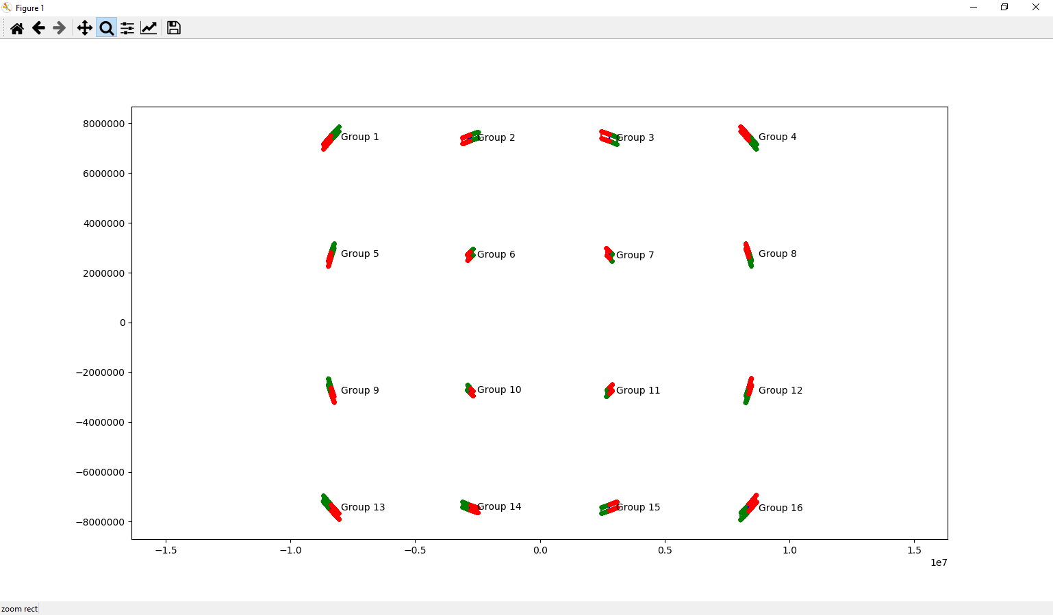

positive angles (red) <-------------- negative angles (green)

positive angles (red) <-------------- negative angles (green)

center
of
rotation

negative angles (green) --------------> positive angles (red)
negative angles (green) --------------> positive angles (red)

Group 8
motion of slit is counter clockwise from bottom right (negative angles) to top left (positive angles)

Open Pore Area (nm^2) vs Rotation Angle (degrees)
-3 | 0
-2.99 | 0
-2.98 | 0
-2.97 | 0
-2.96 | 0
-2.95 | 0
-2.94 | 0
-2.93 | 0
-2.92 | 0
-2.91 | 0
-2.9 | 0
-2.89 | 0
-2.88 | 0
-2.87 | 0
-2.86 | 0
-2.85 | 0
-2.84 | 0
-2.83 | 0
-2.82 | 0
-2.81 | 0
-2.8 | 0
-2.79 | 0
-2.78 | 0
-2.77 | 0
-2.76 | 0
-2.75 | 0
-2.74 | 0
-2.73 | 0
-2.72 | 0
-2.71 | 0
-2.7 | 0
-2.69 | 0
-2.68 | 0
-2.67 | 0
-2.66 | 0
-2.65 | 0
-2.64 | 0
-2.63 | 0
-2.62 | 0
-2.61 | 0
-2.6 | 0
-2.59 | 0
-2.58 | 0
-2.57 | 0
-2.56 | 0
-2.55 | 0
-2.54 | 0
-2.53 | 0
-2.52 | 0
-2.51 | 0
...
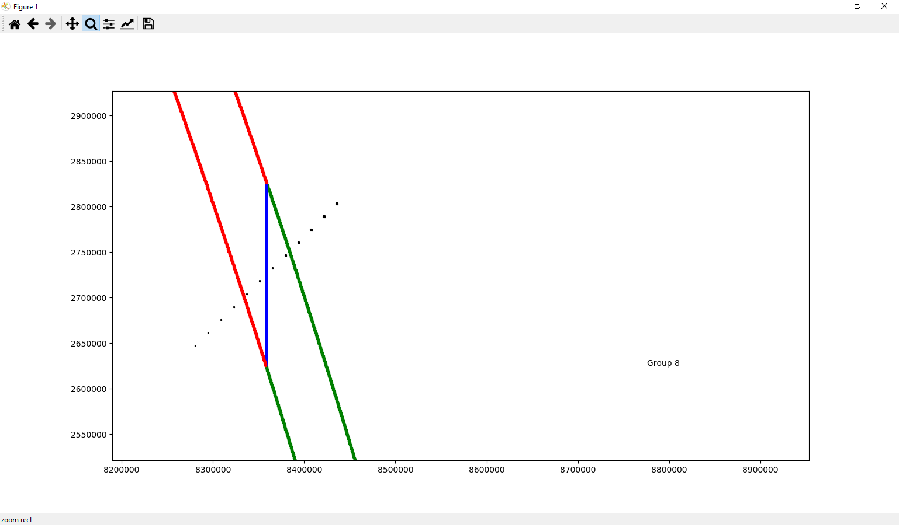

positive angles (red) <-------------- negative angles (green)

Number of Open Pores vs Rotation Angle (degrees)
-3 | 0
-2.99 | 0
-2.98 | 0
-2.97 | 0
-2.96 | 0
-2.95 | 0
-2.94 | 0
-2.93 | 0
-2.92 | 0
-2.91 | 0
-2.9 | 0
-2.89 | 0
-2.88 | 0
-2.87 | 0
-2.86 | 0
-2.85 | 0
-2.84 | 0
-2.83 | 0
-2.82 | 0
-2.81 | 0
-2.8 | 0
-2.79 | 0
-2.78 | 0
-2.77 | 0
-2.76 | 0
-2.75 | 0
-2.74 | 0
-2.73 | 0
-2.72 | 0
-2.71 | 0
-2.7 | 0
-2.69 | 0
-2.68 | 0
-2.67 | 0
-2.66 | 0
-2.65 | 0
-2.64 | 0
-2.63 | 0
-2.62 | 0
-2.61 | 0
-2.6 | 0
-2.59 | 0
-2.58 | 0
-2.57 | 0
-2.56 | 0
-2.55 | 0
-2.54 | 0
-2.53 | 0
-2.52 | 0
-2.51 | 0
...

Group 12
motion of slit is counter clockwise from bottom left (negative angles) to top right (positive angles)
note that sometimes two pores are opened simultaneously by the slit
Open Pore Area (nm^2) vs Rotation Angle (degrees)
-3 | 0
-2.99 | 0
-2.98 | 0
-2.97 | 0
-2.96 | 0
-2.95 | 0
-2.94 | 0
-2.93 | 0
-2.92 | 0
-2.91 | 0
-2.9 | 0
-2.89 | 0
-2.88 | 0
-2.87 | 0
-2.86 | 0
-2.85 | 0
-2.84 | 0
-2.83 | 0
-2.82 | 0
-2.81 | 0
-2.8 | 0
-2.79 | 0
-2.78 | 0
-2.77 | 0
-2.76 | 0
-2.75 | 0
-2.74 | 0
-2.73 | 0
-2.72 | 0
-2.71 | 0
-2.7 | 0
-2.69 | 0
-2.68 | 0
-2.67 | 0
-2.66 | 0
-2.65 | 0
-2.64 | 0
-2.63 | 0
-2.62 | 0
-2.61 | 0
-2.6 | 0
-2.59 | 0
-2.58 | 0
-2.57 | 0
-2.56 | 0
-2.55 | 0
-2.54 | 0
-2.53 | 0
-2.52 | 0
-2.51 | 0
...
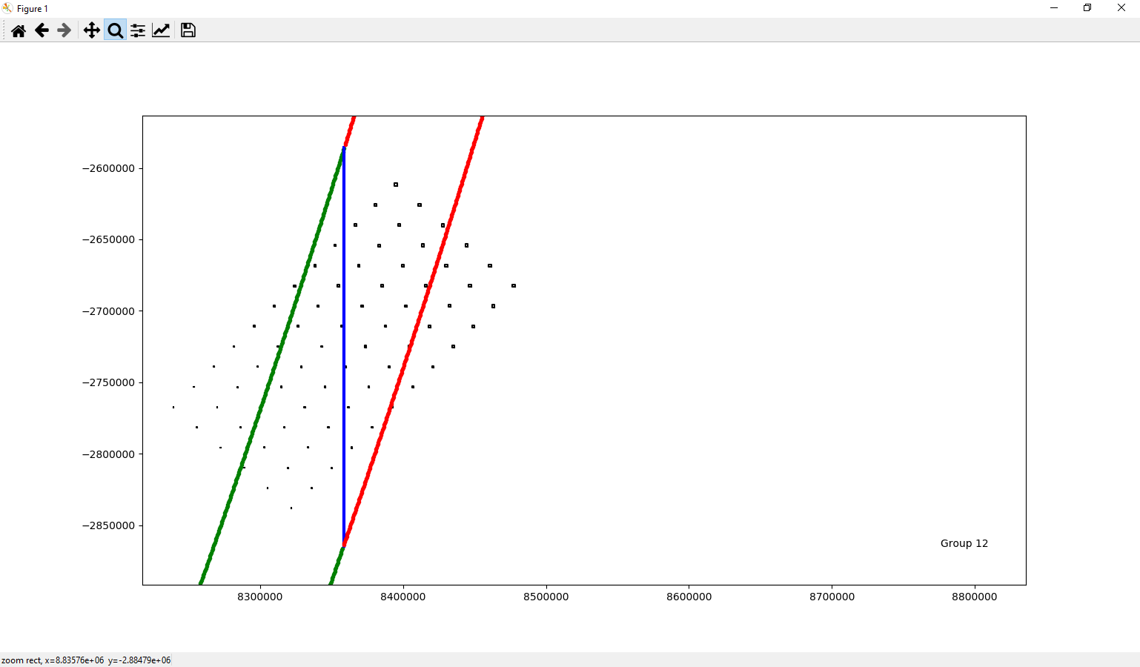

negative angles (green) --------------> positive angles (red)

Number of Open Pores vs Rotation Angle (degrees)
-3 | 0
-2.99 | 0
-2.98 | 0
-2.97 | 0
-2.96 | 0
-2.95 | 0
-2.94 | 0
-2.93 | 0
-2.92 | 0
-2.91 | 0
-2.9 | 0
-2.89 | 0
-2.88 | 0
-2.87 | 0
-2.86 | 0
-2.85 | 0
-2.84 | 0
-2.83 | 0
-2.82 | 0
-2.81 | 0
-2.8 | 0
-2.79 | 0
-2.78 | 0
-2.77 | 0
-2.76 | 0
-2.75 | 0
-2.74 | 0
-2.73 | 0
-2.72 | 0
-2.71 | 0
-2.7 | 0
-2.69 | 0
-2.68 | 0
-2.67 | 0
-2.66 | 0
-2.65 | 0
-2.64 | 0
-2.63 | 0
-2.62 | 0
-2.61 | 0
-2.6 | 0
-2.59 | 0
-2.58 | 0
-2.57 | 0
-2.56 | 0
-2.55 | 0
-2.54 | 0
-2.53 | 0
-2.52 | 0
-2.51 | 0
...

Group 13
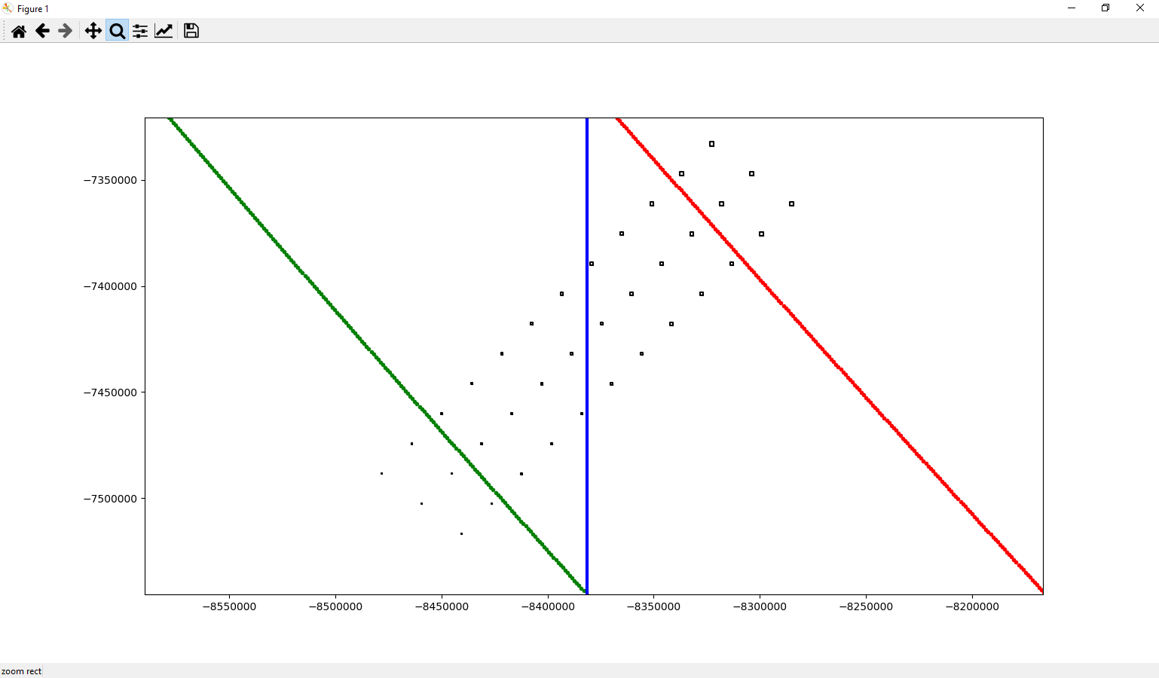
motion of slit is counter clockwise from top left (negative angles) to bottom right (positive angles)
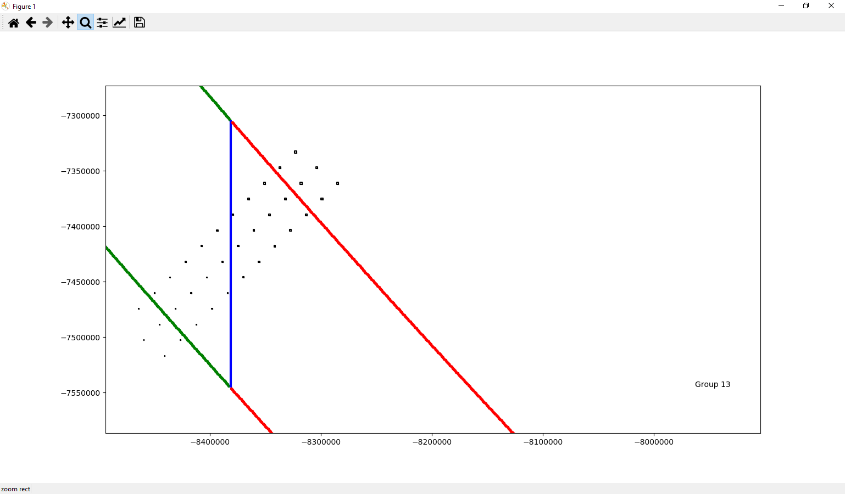
Open Pore Area (nm^2) vs Rotation Angle (degrees)
-3 | 0
-2.99 | 0
-2.98 | 0
-2.97 | 0
-2.96 | 0
-2.95 | 0
-2.94 | 0
-2.93 | 0
-2.92 | 0
-2.91 | 0
-2.9 | 0
-2.89 | 0
-2.88 | 0
-2.87 | 0
-2.86 | 0
-2.85 | 0
-2.84 | 0
-2.83 | 0
-2.82 | 0
-2.81 | 0
-2.8 | 0
-2.79 | 0
-2.78 | 0
-2.77 | 0
-2.76 | 0
-2.75 | 0
-2.74 | 0
-2.73 | 0
-2.72 | 0
-2.71 | 0
-2.7 | 0
-2.69 | 0
-2.68 | 0
-2.67 | 0
-2.66 | 0
-2.65 | 0
-2.64 | 0
-2.63 | 0
-2.62 | 0
-2.61 | 0
-2.6 | 0
-2.59 | 0
-2.58 | 0
-2.57 | 0
-2.56 | 0
-2.55 | 0
-2.54 | 0
-2.53 | 0
-2.52 | 0
-2.51 | 0
...

negative angles (green) --------------> positive angles (red)

Number of Open Pores vs Rotation Angle (degrees)
-3 | 0
-2.99 | 0
-2.98 | 0
-2.97 | 0
-2.96 | 0
-2.95 | 0
-2.94 | 0
-2.93 | 0
-2.92 | 0
-2.91 | 0
-2.9 | 0
-2.89 | 0
-2.88 | 0
-2.87 | 0
-2.86 | 0
-2.85 | 0
-2.84 | 0
-2.83 | 0
-2.82 | 0
-2.81 | 0
-2.8 | 0
-2.79 | 0
-2.78 | 0
-2.77 | 0
-2.76 | 0
-2.75 | 0
-2.74 | 0
-2.73 | 0
-2.72 | 0
-2.71 | 0
-2.7 | 0
-2.69 | 0
-2.68 | 0
-2.67 | 0
-2.66 | 0
-2.65 | 0
-2.64 | 0
-2.63 | 0
-2.62 | 0
-2.61 | 0
-2.6 | 0
-2.59 | 0
-2.58 | 0
-2.57 | 0
-2.56 | 0
-2.55 | 0
-2.54 | 0
-2.53 | 0
-2.52 | 0
-2.51 | 0
...

Group 15
motion of slit is counter clockwise from bottom left (negative angles) to top right (positive angles)

Open Pore Area (nm^2) vs Rotation Angle (degrees)
-3 | 0
-2.99 | 0
-2.98 | 0
-2.97 | 0
-2.96 | 0
-2.95 | 0
-2.94 | 0
-2.93 | 0
-2.92 | 0
-2.91 | 0
-2.9 | 0
-2.89 | 0
-2.88 | 0
-2.87 | 0
-2.86 | 0
-2.85 | 0
-2.84 | 0
-2.83 | 0
-2.82 | 0
-2.81 | 0
-2.8 | 0
-2.79 | 0
-2.78 | 0
-2.77 | 0
-2.76 | 0
-2.75 | 0
-2.74 | 0
-2.73 | 0
-2.72 | 0
-2.71 | 0
-2.7 | 0
-2.69 | 0
-2.68 | 0
-2.67 | 0
-2.66 | 0
-2.65 | 0
-2.64 | 0
-2.63 | 0
-2.62 | 0
-2.61 | 0
-2.6 | 0
-2.59 | 0
-2.58 | 0
-2.57 | 0
-2.56 | 0
-2.55 | 0
-2.54 | 0
-2.53 | 0
-2.52 | 0
-2.51 | 0
...
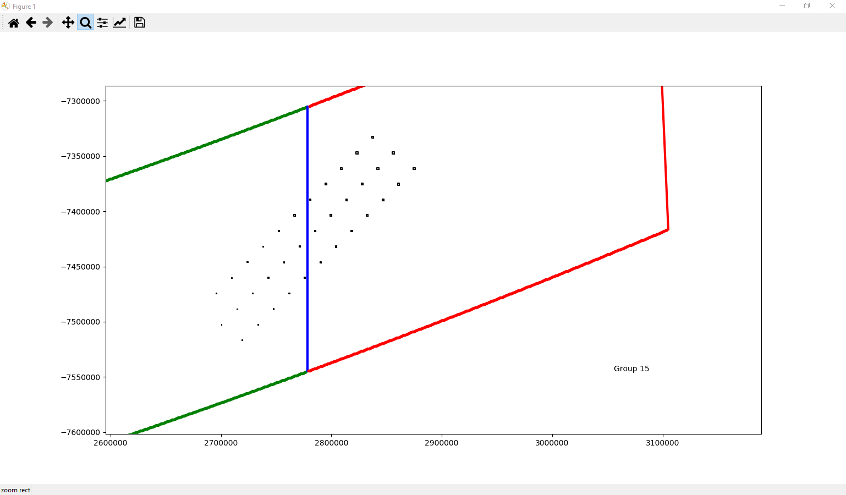

negative angles (green) --------------> positive angles (red)

Number of Open Pores vs Rotation Angle (degrees)
-3 | 0
-2.99 | 0
-2.98 | 0
-2.97 | 0
-2.96 | 0
-2.95 | 0
-2.94 | 0
-2.93 | 0
-2.92 | 0
-2.91 | 0
-2.9 | 0
-2.89 | 0
-2.88 | 0
-2.87 | 0
-2.86 | 0
-2.85 | 0
-2.84 | 0
-2.83 | 0
-2.82 | 0
-2.81 | 0
-2.8 | 0
-2.79 | 0
-2.78 | 0
-2.77 | 0
-2.76 | 0
-2.75 | 0
-2.74 | 0
-2.73 | 0
-2.72 | 0
-2.71 | 0
-2.7 | 0
-2.69 | 0
-2.68 | 0
-2.67 | 0
-2.66 | 0
-2.65 | 0
-2.64 | 0
-2.63 | 0
-2.62 | 0
-2.61 | 0
-2.6 | 0
-2.59 | 0
-2.58 | 0
-2.57 | 0
-2.56 | 0
-2.55 | 0
-2.54 | 0
-2.53 | 0
-2.52 | 0
-2.51 | 0
...

