CA
year | population densety/millon
1960 | 15.72
1970 | 19.97
1980 | 23.67 | Total Electricity Source Percentages
1981 | 24.29 | Year | Wind | Solar | Small hydro | Geothermal | Biomass | Large hydro | Coal | Nuclear | Natural gas | Unspecified | Renewable
1982 | 24.82 | 2009 | 3.10% | 0.30% | 1.70% | 4.60% | 2.30% | 9.10% | 8.10% | 13.10% | 42.00% | 15.70% | 12.00%
1983 | 25.36 | 2010 | 4.70% | 0.30% | 1.90% | 4.60% | 2.40% | 10.50% | 7.70% | 13.90% | 41.90% | 12.00% | 13.90%
1984 | 25.84 | 2011 | 5.00% | 0.40% | 2.10% | 4.50% | 2.10% | 13.00% | 8.20% | 15.20% | 35.30% | 14.20% | 14.10%
1985 | 26.44 | 2012 | 6.30% | 0.90% | 1.50% | 4.40% | 2.30% | 8.30% | 7.50% | 9.00% | 43.40% | 16.40% | 15.40%
1986 | 27.1 | 2013 | 8.60% | 1.80% | 1.30% | 4.50% | 2.70% | 7.80% | 7.80% | 8.80% | 44.30% | 12.50% | 18.80%
1987 | 27.78 | 2014 | 8.10% | 4.20% | 0.90% | 4.40% | 2.50% | 5.50% | 6.40% | 8.50% | 44.50% | 15.00% | 20.10%
1988 | 28.46 | 2015 | 8.20% | 6.00% | 0.90% | 4.40% | 2.60% | 5.40% | 6.00% | 9.20% | 44.00% | 13.50% | 21.90%
1989 | 29.22 | 2016 | 9.10% | 8.10% | 1.70% | 4.40% | 2.30% | 10.20% | 4.10% | 9.20% | 36.50% | 14.40% | 25.50%
1990 | 29.81 | 来源： "Total Electricity System Power". California Energy Commission. Retrieved 2017-07-16.
1991 | 30.47 | In-State Electricity Source Percentages
1992 | 30.98 | Year | Wind | Solar | Small hydro | Geothermal | Biomass | Large hydro | Coal | Nuclear | Natural gas | Renewable
1993 | 31.28 | 2009 | 3.00% | 0.40% | 2.00% | 6.20% | 2.90% | 12.10% | 1.80% | 15.20% | 56.30% | 14.50%
1994 | 31.48 | 2010 | 3.00% | 0.40% | 2.40% | 6.20% | 2.80% | 14.30% | 1.70% | 15.70% | 53.40% | 14.90%
1995 | 31.7 | 2011 | 3.80% | 0.50% | 3.10% | 6.30% | 2.90% | 18.20% | 1.60% | 18.20% | 45.40% | 16.60%
1996 | 32.02 | 2012 | 4.60% | 0.90% | 2.10% | 6.40% | 3.00% | 11.70% | 0.80% | 9.30% | 61.10% | 17.10%
1997 | 32.49 | 2013 | 6.40% | 2.20% | 1.70% | 6.30% | 3.20% | 10.40% | 0.50% | 9.00% | 60.50% | 19.60%
1998 | 32.99 | 2014 | 6.50% | 5.30% | 1.20% | 6.10% | 3.40% | 7.10% | 0.50% | 8.60% | 61.30% | 22.80%
1999 | 33.5 | 2015 | 6.20% | 7.70% | 1.20% | 6.10% | 3.20% | 5.90% | 0.30% | 9.50% | 59.90% | 24.50%
2000 | 33.87 | 2016 | 6.80% | 10.00% | 2.30% | 5.80% | 3.00% | 12.30% | 0.20% | 9.60% | 49.90% | 27.90%
2001 | 34.49 | In-State Electricity Production, in TWh
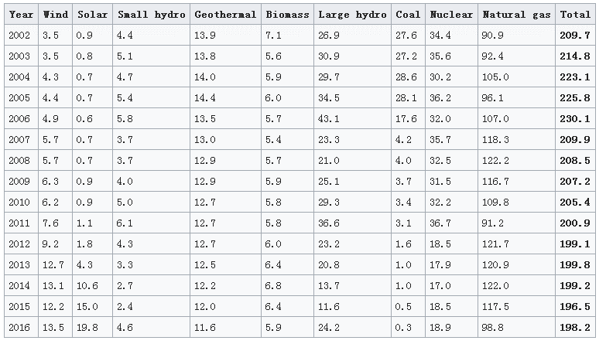
2002 | 34.49
2003 | 34.88
2004 | 35.25
2005 | 35.56
2006 | 35.98
2007 | 36.23
2008 | 36.58
2009 | 36.96
2010 | 37.33
2011 | 37.67
2012 | 38.02
2013 | 38.35
2014 | 38.7
2015 | 39.03
2016 | 39.3
2017 | 39.54

