Sheet1
 |  |  | Experiment Report

Name of Experiment： | qPCR機器評価_Mqdata_16W_RR430_191122-1 |  |  |  |  |  | Time spent：

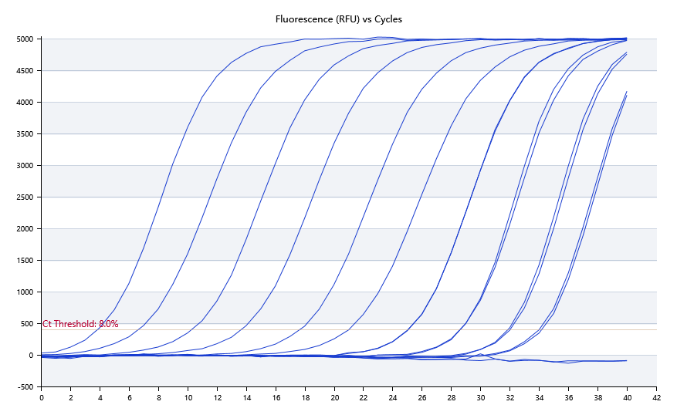

A | 1 | 2 | 3 | 4 | 5 | 6 | 7 | 8
SYBR Green：KRAS | 阴性 | 33.84 | 31.91 | 28.56 | 24.95 | 20.83 | 13.57 | 6.57
HEX：-
ROX：-
Cy5：-

B | 1 | 2 | 3 | 4 | 5 | 6 | 7 | 8
SYBR Green：KRAS | 阴性 | 34.02 | 31.74 | 28.58 | 24.96 | 17.54 | 10.24 | 3.75
HEX：-
ROX：-
Cy5：-

 | 95
Pre-denature temp. | 60
Pre-denature time | 95
Denature temp. | 10
Denature time | 60
Annealing temp. | 15
Annealing time | 72
Extension Temp. | 20
Extension time | 50
Hold temp. | 60
Hold time | 40
Number of cycles
 |  |  |  |  |  |  | 11/21/19
 |  |  |  |  |  | Date:

 |  |  |  |  |  | Operator

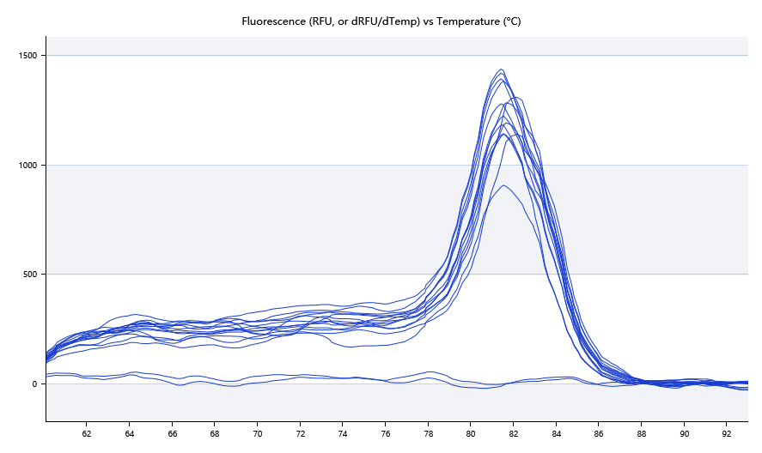

 | 64.14 | 81.45 | 81.34 | 81.33 | 81.53 | 81.5 | 81.75 | 82.01

 | 78.04 | 81.49 | 81.34 | 81.32 | 81.52 | 81.49 | 81.73 | 82.05

