Sheet1
 |  |  | Experiment Report

Name of Experiment： | qPCR機器評価_CSPdata_8W#4_RR430_200206-4 |  |  |  |  |  | Time spent：

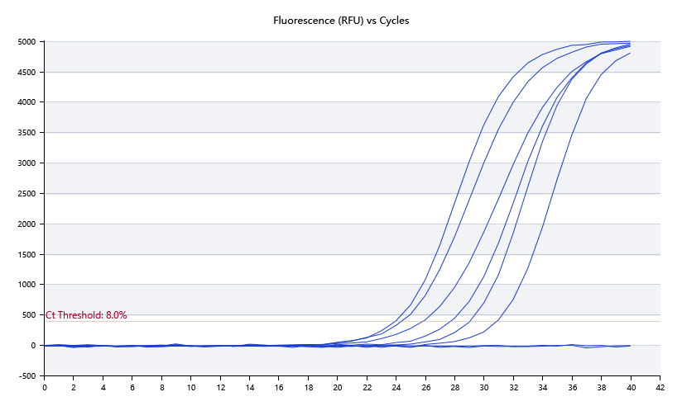

A | 1 | 2 | 3 | 4 | 5 | 6 | 7 | 8
FAM：ACTB | Neg | 28.99 | 23.9 | 25.79
HEX：
ROX：
Cy5：

B | 1 | 2 | 3 | 4 | 5 | 6 | 7 | 8
FAM：ACTB | Neg | 30.86 | 27.75 | 24.32
HEX：
ROX：
Cy5：

Pre-denature temp. | 95
Pre-denature time | 30
Denature temp. | 95
Denature time | 5
Annealing temp. | 60
Annealing time | 10
Extension Temp. | 0
Extension time | 0
Hold temp. | 60
Hold time | 10
Number of cycles | 40

 |  |  |  |  |  | Date: | 2/5/20

 |  |  |  |  |  | Operator

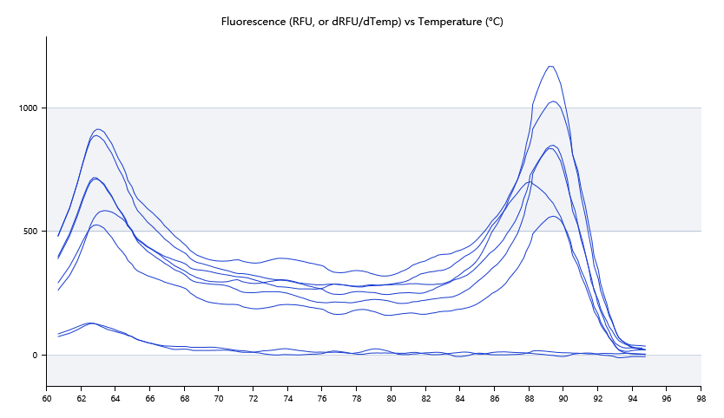

 | 62.6 | 89.22 | 89.25 | 87.99

 | 62.48 | 89.29 | 89.29 | 89.49

