Sheet1
 |  |  | Experiment Report

Name of Experiment： | qPCR機器評価_Mqdata_16W_RR430_191122-1 |  |  |  |  |  | Time spent：

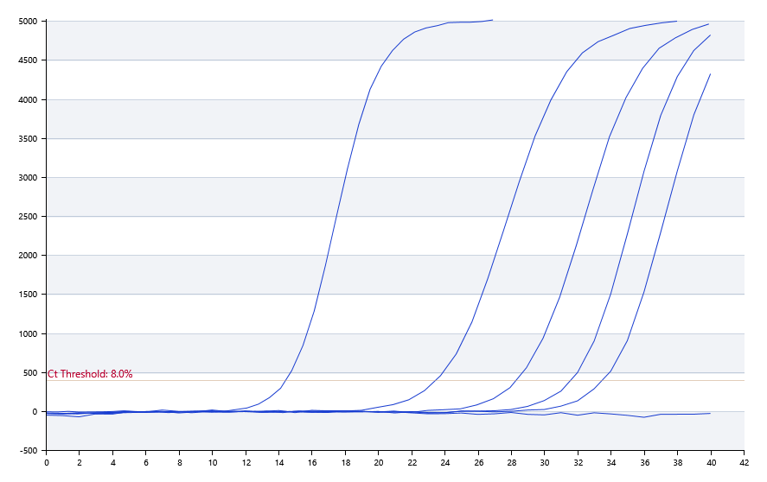

A | 1 | 2 | 3 | 4 | 5 | 6 | 7 | 8
SYBR Green：KRAS | 阴性 | 33.5 | 31.6 | 28.33 | 24.63 | 21.36 | 13.73 | 阴性
HEX：-
ROX：-
Cy5：-

B | 1 | 2 | 3 | 4 | 5 | 6 | 7 | 8
SYBR Green：KRAS | 阴性 | 33.72 | 31.3 | 28.35 | 24.8 | 17.8 | 阴性 | 阴性
HEX：-
ROX：-
Cy5：-

Pre-denature temp. | 95
Pre-denature time | 30
Denature temp. | 95
Denature time | 5
Annealing temp. | 60
Annealing time | 30
Extension Temp. | 0
Extension time | 0
Hold temp. | 50
Hold time | 60
Number of cycles | 40

 |  |  |  |  |  | Date: | 11/21/19

 |  |  |  |  |  | Operator

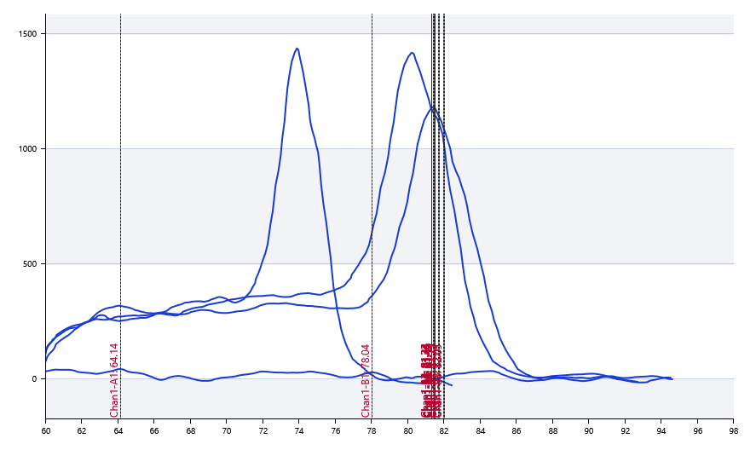

 | 64.14 | 81.45 | 81.34 | 81.33 | 81.53 | 81.5 | 81.75 | 82.01

 | 78.04 | 81.49 | 81.34 | 81.32 | 81.52 | 81.49 | 81.73 | 82.05

