Sheet1
 |  |  | Experiment Report

Name of Experiment： | Experiment_12-26-2020_122705 |  |  |  |  |  | Time spent：

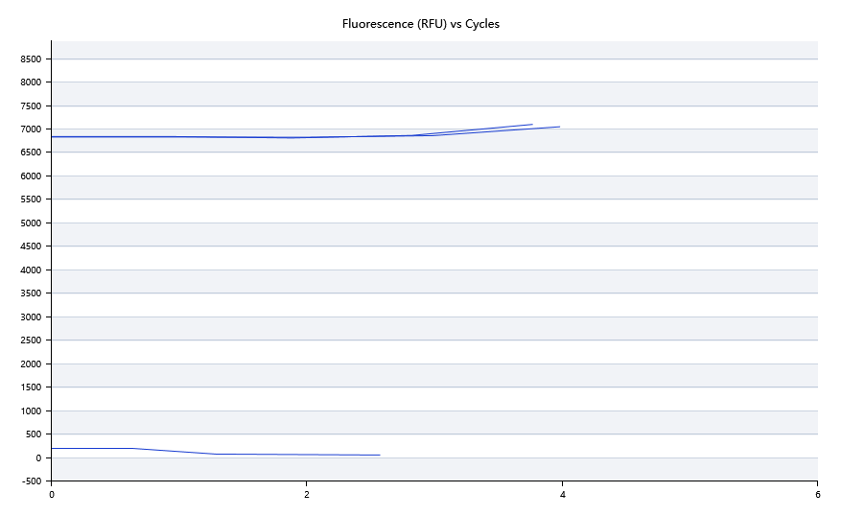

A | 1 | 2 | 3 | 4 | 5 | 6 | 7 | 8
FAM： | Neg | Neg | Neg | Neg
HEX：
ROX：
Cy5：

B | 1 | 2 | 3 | 4 | 5 | 6 | 7 | 8
FAM： | 20.510603055 | 21.073850832 | 19.057311064 | 21.618454233
HEX： | 18.816059305 | 22.791185393 | 21.123562054 | 17.027973732
ROX： | 17.030862808 | 17.030862808 | 17.030862808 | 17.030862808
Cy5： | 17.030862808 | 17.030862808 | 17.030862808 | 17.030862808

Pre-denature temp. | 84.8
Pre-denature time | 60
Denature temp. | 94.4
Denature time | 10
Annealing temp. | 57.9
Annealing time | 15
Extension Temp. | 0
Extension time | 0
Hold temp. | 54
Hold time | 60
Number of cycles | 4

 |  |  |  |  |  | Date: | 12/26/20

 |  |  |  |  |  | Operator

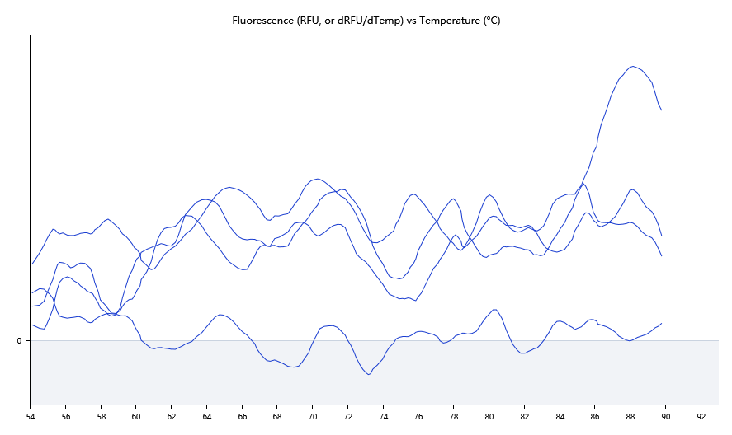

 |  |  |  | 88.12

