appledaily.tw
 | reactions |  | comments |  | shares |  | frequent of posts
count | 5061 | count | 5061 | count | 5061 | count | 5060
mean | 3151.130409 | mean | 126.28334321 | mean | 238.85319107 | mean | 0 days 12:32:28.770948
std | 8860.4040625 | std | 474.6699102 | std | 2028.8349871 | std | 4 days 04:52:57.114191
min | 1 | min | 0 | min | 0 | min | 0 days 00:00:00
25% | 558 | 25% | 24 | 25% | 6 | 25% | 0 days 00:30:00
50% | 1243 | 50% | 55 | 50% | 37 | 50% | 0 days 01:31:26
75% | 3049 | 75% | 120 | 75% | 129 | 75% | 0 days 05:28:11.750000
max | 327177 | max | 23483 | max | 77038 | max | 92 days 14:58:32

發文種類長條統計圖
photo | 1807
link | 1695
video | 1495
status | 64
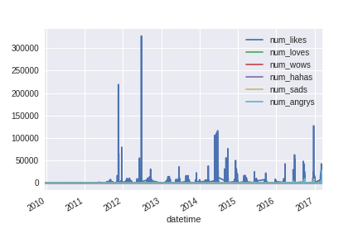
 | status_type
photo | 1807
link | 1695
video | 1495
status | 64

星期幾發文統計長條圖
index | weekday
Monday | 730
Tuesday | 756
Wednesday | 722
Thursday | 752
Friday | 766
Saturday | 697
Sunday | 638

單日幾時發文統計長條圖
index | hour
0 | 179
1 | 135
2 | 94
3 | 56
4 | 46
5 | 52
6 | 82
7 | 84
8 | 143
9 | 238
10 | 308
11 | 389
12 | 339
13 | 357
14 | 312
15 | 308
16 | 320
17 | 309
18 | 220
19 | 215
20 | 215
21 | 242
22 | 204
23 | 214

