Tabelle1
Usage of AI with snippets |  | Video Sources used as reference in coding

Prompt: | Snippet: | Lerp:
Make the stars star shaped and randomize their coloration |  | https://www.youtube.com/watch?v=rcz6qvx-igs
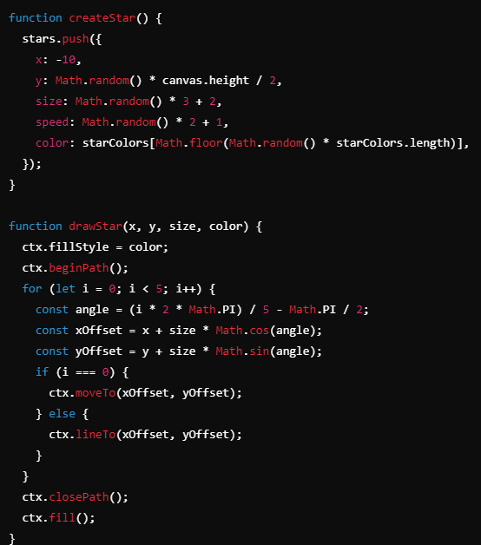
 |  | Particles
 |  | https://www.youtube.com/watch?v=JpGPwRvIP2E
 |  | https://www.youtube.com/watch?v=50teKYVaQgc

 |  | Twinkling:
 |  | https://www.youtube.com/watch?v=v6Y8ycFAvK4

 |  | Wind Swaying:
 |  | https://www.youtube.com/watch?app=desktop&v=ANDyf6VEYHE&t=419s

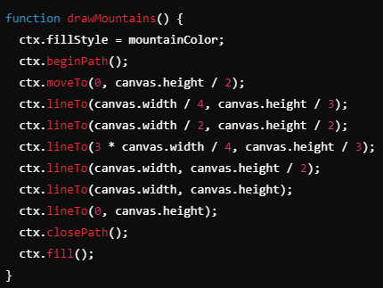
draw some background mountains

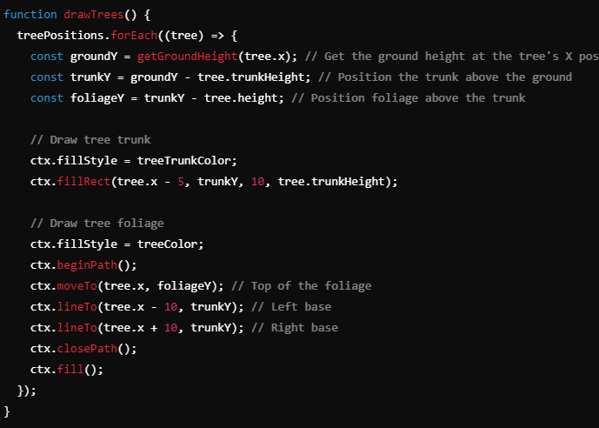
how to place floating trees onto the ground

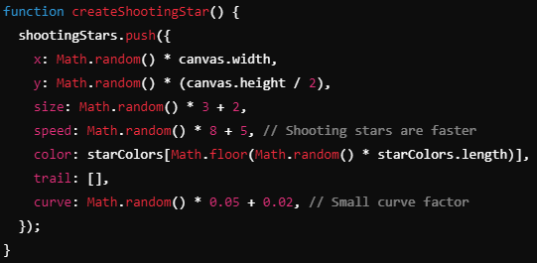
create a trail for the shooting stars

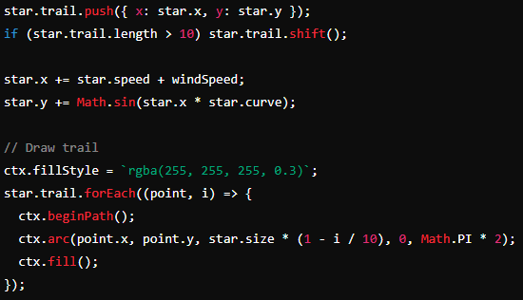

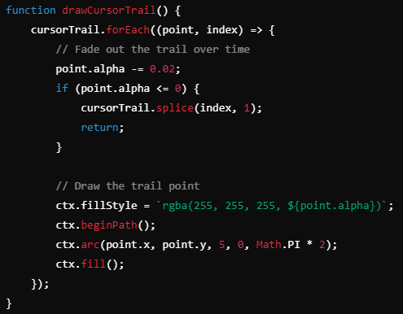
How to fade out particles over time

At the end I had ChatGPT go over and clean up a bit of the code

