Sheet2
p(Slip) | 1% |  |  |  | https://www.smashingscience.org/caie-igcse-physics.html
p(guess) | 25%

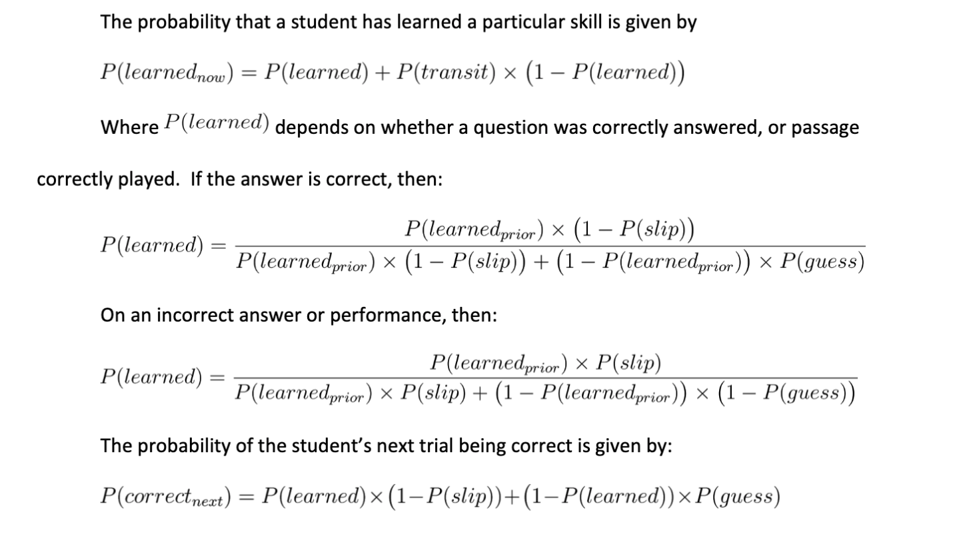
Student name: | Where quiz correct: | p(learned_now), where quiz correct:
p(learned_prior) | P(transit)
82.0% | 35% | 96.586%
 | 25% | 96%
 | 15% | 96%
p(learned_prior) | P(transit) | p(learned_now), where quiz incorrect:
20% | 35% | 35.216%
 | 25% | 25%
 | 15% | 15%

Denise | Test 1 | Test 2 | Test 3
General Physics 1
General Physics 2 | 82% | 96%
General Physics 3 |  |  | 72% | 93%

Sign up | Do test | Send email

