ID
 | BUS - 101 Make-Up #2 Fall 2020

 |  | Time Remaining: | 1:30:00

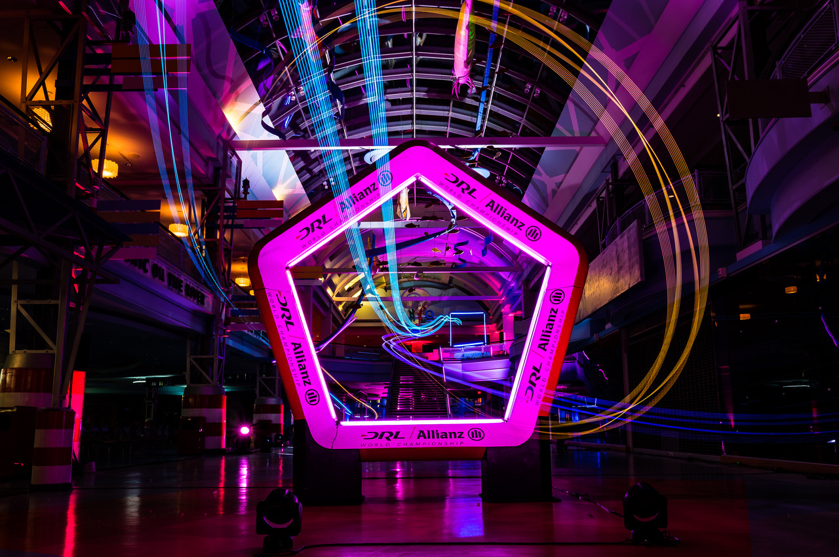

Last Minute Instructions. Please read them carefully!
1) | Remember: You won't be able to use cut-paste and don't use drag and drop
2) | Always use Paste Special Values to paste your answers!
3) | Read all the questions carefully and make sure you understand what they are asking!
4) | Watch the Time - you have 90 minutes to finish the exam.
5) | Do not upload your file's shortcut to LMS. (If the size of your file is 1-2 KB you are probably uploading shortcut call an assistant for help.)

1 |  |  |  | 1/4/21

