ID
 | BUS 101 - Final - 2020 Fall

 |  | Time Remaining: | 2:00:00

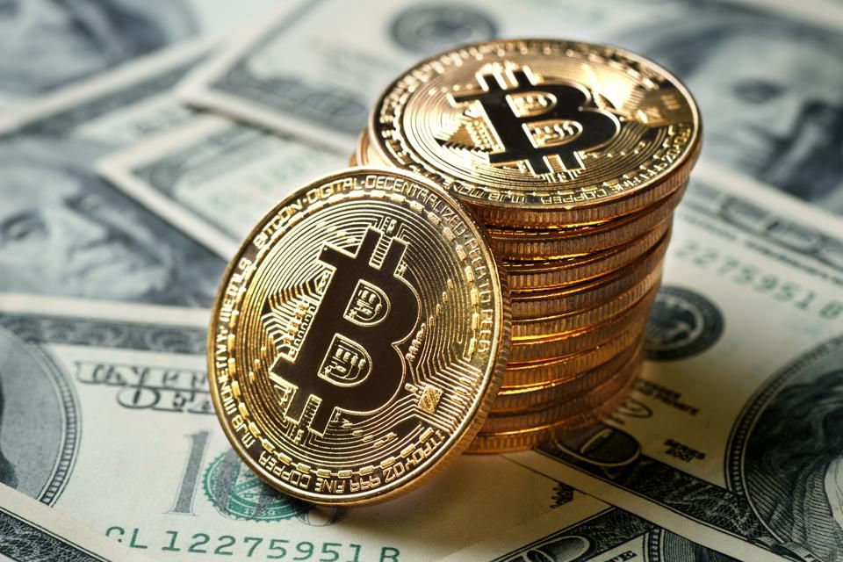
Last Minute Instructions. Please read them carefully!
1) | Remember: You won't be able to use cut-paste and don't use drag and drop
2) | Always use Paste Special Values to paste your answers!
3) | Read all the questions carefully and make sure you understand what they are asking!
4) | Watch the Time - you have 120 minutes to finish the exam.
5) | Do not upload your file's shortcut to LMS. (If the size of your file is 1-2 KB you are probably uploading shortcut call an assistant for help.)
6) | Improperly formatted values on answer cells will not be accepted. You are responsible of writing the answer properly. For example do not write the currency "325 TL" but just write the amount "325".
 |  |  |  | 44222.690394
1

You are allowed to ask question on a seperate Google Meets room.
https://meet.google.com/nui-bevf-aem

Statistics
Total Points 17 | After graduation, Doğukan, a CryptoCoin Enthusiast, started working in the research department of CryptoInvest. The research team is currently working on the cryptocurrencies which will be sold in the company. |  | Answers

 | Part 1 | Doğukan is asked to present some information about currencies to understand the market better. (Use ALL of the data)
1.00 | 1) | Report the mean value of the "Open Price"?
1.00 | 2) | What is the range of the "Market Cap".
1.00 | 3) | Report the value for the "Volume" which expresses how much the data varies away from the mean.
 | Part 2 | Now show Doğukan some statistics of the coin "Stellar".
1.50 | 1) | What percentage of the entries have "DuduFinance" as their "Top Exchange"?
1.50 | 2) | What is the most repeated value for "Close Price"?
1.50 | 3) | Report the highest trading volume for the year 2018.
$14,266.10 | 17,950,699,520.00
$2,269.89 | 2,249,260,032.00
$11,923.40 | 12,656,300,032.00
$1,932.62 | 1,201,760,000.00
$3,166.30 | 4,148,069,888.00
$14,036.60 | 13,454,300,160.00
$6,955.38 | 8,906,250,240.00
$3,591.09 | 1,943,209,984.00
$4,829.58 | 2,791,610,112.00
$15,477.20 | 23,840,899,072.00
$2,897.63 | 1,945,699,968.00
$473.03 | 181,199,008.00
$3,822.47 | 7,280,280,000.00
$11,656.20 | 11,801,700,352.00
$379.74 | 121,720,000.00
$1,044.40 | 344,945,984.00
$5,938.25 | 6,263,249,920.00
$8,599.92 | 7,909,819,904.00
$609.68 | 277,084,992.00
$6,634.76 | 4,200,880,128.00
$696.52 | 271,633,984.00
$13,625.00 | 16,846,600,192.00
$7,051.75 | 13,999,800,320.00
$15,427.40 | 12,153,900,032.00
$17,760.30 | 12,740,599,808.00
$12,897.70 | 12,136,299,520.00
$8,141.43 | 6,256,439,808.00
$830.95 | 155,095,008.00
$7,716.51 | 7,277,689,856.00
$10,207.50 | 8,660,880,384.00
$6,739.65 | 5,961,950,208.00
$8,934.34 | 10,678,800,384.00
$7,637.86 | 9,346,750,464.00
$3,373.82 | 2,021,190,016.00
$8,852.78 | 6,296,370,176.00
$1,596.92 | 1,340,320,000.00
$3,892.94 | 1,686,880,000.00
$10,198.60 | 6,783,119,872.00
$972.05 | 372,535,008.00
$7,323.24 | 5,123,809,792.00
$9,669.43 | 7,287,690,240.00
$9,488.32 | 9,062,540,288.00
$2,512.40 | 1,369,309,952.00
$5,754.44 | 2,859,040,000.00
$8,286.88 | 8,438,110,208.00
$8,241.71 | 4,342,060,032.00
$16,601.30 | 14,309,999,616.00
$3,681.58 | 1,374,210,048.00
$864.89 | 275,564,000.00
$430.01 | 87,562,200.00
...
 | Part 3 | Caner, the head research agent of CryptoInvest, wants to invest in the coin "Bitcoin". He would like to understand the relationship between the volume and the market cap of the coin. Plot a scatter diagram with the "Open Price" on the x-axis and "Volume" on the y-axis. Then, fit a linear trendline. (Do not forget to clear the filters from the previous question!)
1.25 | 1) | How much does the Volume change when the Open Price increases by 1%?
1.25 | 2) | What would be the Volume if the Open Price were $15,977?
1.25 | 3) | Report the Coefficient of Determination.
1.25 | 4) | What is the statistical relationship between the Open Price and the Volume?
 | Part 4 | Caner needs to dig deeper into the coin market to understand how it works. Answer the questions given below. (Use ALL of the data)
1.50 | 1) | How many "Litecoin" coins are there which were traded in 2017 and had an "Open Price" greater than $10?
1.50 | 2) | Which coin had the highest single-day percentage increase between the "Open Price" and "Close Price"? Report the symbol for that coin.
1.50 | 3) | What percentage of the total trading volume across all the exchanges are attributed to EOS in 2018? (Hint: Filter the time)

Forecasting
Total Points 15 | CompanyX wants to take a position by estimating the future by considering the sales between 2019 January and 2020 June; therefore, they hired Ali Kaan, a Forecasting Specialist. Answer the questions given below. |  |  |  |  |  |  | Answers

 | Part 1 | Before starting forecasting, Ali Kaan needs to understand past sales better.
0.50 | 1) | How many people are not expected to be potential customers in this market?
0.50 | 2) | Report the market penetration achieved on 2019 October.
0.75 | 3) | During which period does the total sales reach 145,256? (Report the time period i.e. 1, 2, …)
 | Part 2 | Ali Kaan wants you to use Exponential Trendline to estimate future sales based on the quarterly sales figures.
0.50 | 1) | Report the estimated sales for the given quarters by using the exponential trendline. (Report QUARTERLY SALES) |  |  |  |  | 2020 Q4
0.50 | 2) |  |  |  |  |  | 2021 Q1
1.00 | 3) | Report the percentage increase in sales between 2020 December and 2021 January.
1.00 | 4) | If the average price is 1495.99 TL, what would the total revenue generated between March 2020 and Dec. 2020, both months inclusive?
 | Part 3 | Having a technological device, you thought that "Gompertz Distribution" can be used to estimate market penetration. Answer the question by using Gompertz Distribution with "a = 1, b = 0.1, k = 4.5" parameters.
1.25 | 1) | What is the difference in market penetration estimates between the Exponential trendline and the Gompertz Model for November 2021? (Report a positive value)
1.25 | 2) | According to the Gompertz Model, how many additional products need to be sold to penetrate 88% of the market by April 2021?
 | Part 4 | Ali Kaan says that you need to optimize the Gompertz Model by minimizing the SSE by changing only the b and k values. Keep the optimized values during this part. (Use Market Penetration to calculate the SSE.)
1.00 | 1) | Report the parameters' new values. |  |  |  |  | b
1.00 | 2) |  |  |  |  |  | k
1.00 | 3) |  |  |  |  |  | SSE
1.50 | 4) | Report the year that CompanyX reaches 1,200,000 total sales according to the optimized Gompertz Distribution. (Report a year as a number like 2012)
$$S\left(t\right)={ae}^{{−ke}^{−bt}}$$
 | Part 5 | You want to analyse different cases by using the Gompertz formula. Keep the optimized values for Gompertz Distribution and answer the questions. (All questions are independent)
1.50 | 1) | The company aims to reach a total of 5,100,000 sales at the end of 2021 by changing only the adoption rate. Report the new adoption rate.
1.75 | 2) | Ali Kaan wants to evaluate the worst-case scenario for the Gompertz Model; if the market penetrations are 10% lower than expected starting from July 2020, at which period will the company penetrate 3,145,000 total sales? |  |  |  |  |  |  | GOMPERTZ FORECAST
 |  |  |  |  |  |  |  |  | SSE
 |  |  |  |  |  |  |  |  | a | b | k
 | TABLE A |  |  | TABLE B |  |  |  |  | 1 | 0.1 | 4.5
 | Total Population |  | 35,353,244.00 | Years | Months | Past Sales
 | Potential Penetration |  | 44%
 | Market Size |  |  | 2019 | January | 19,406
 |  |  |  |  | February | 33,486
 |  |  |  |  | March | 25,790
 |  |  |  |  | April | 29,535
 |  |  |  |  | May | 40,162
 |  |  |  |  | June | 32,169
 |  |  |  |  | July | 38,395
 |  |  |  |  | August | 33,620
 |  |  |  |  | September | 57,696
 |  |  |  |  | October | 64,573
 |  |  |  |  | November | 73,433
 |  |  |  |  | December | 72,679
 |  |  |  | 2020 | January | 69,936
 |  |  |  |  | February | 89,035
 |  |  |  |  | March | 92,595
 |  |  |  |  | April | 99,403
 |  |  |  |  | May | 111,804
 |  |  |  |  | June | 109,069
 |  |  |  |  | July
 |  |  |  |  | August
 |  |  |  |  | September
 |  |  |  |  | October
 |  |  |  |  | November
 |  |  |  |  | December

