1053
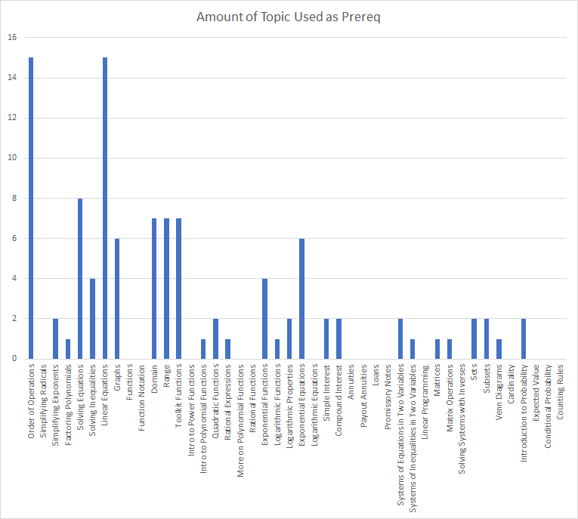
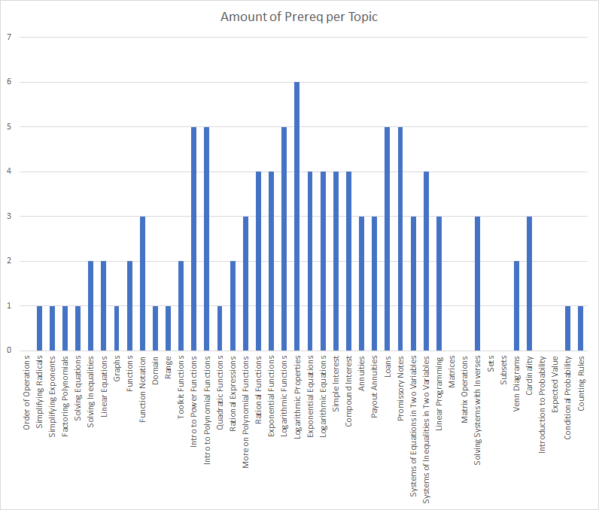
 | -> "is a prerequsite for" ↓ | Order of Operations | Simplifying Radicals | Simplifying Exponents | Factoring Polynomials | Solving Equations | Solving Inequalities | Linear Equations | Graphs | Functions | Function Notation | Domain | Range | Toolkit Functions | Intro to Power Functions | Intro to Polynomial Functions | Quadratic Functions | Rational Expressions | More on Polynomial Functions | Rational Functions | Exponential Functions | Logarithmic Functions | Logarithmic Properties | Exponential Equations | Logarithmic Equations | Simple Interest | Compound Interest | Annuities | Payout Annuities | Loans | Promissory Notes | Systems of Inequalities in Two Variables | Systems of Equations in Two Variables | Linear Programming | Matrices | Matrix Operations | Solving Systems with Inverses | Sets | Subsets | Venn Diagrams | Cardinality | Introduction to Probability | Expected Value | Conditional Probability | Counting Rules | Amount of Prereq per Topic
 |  | 32 | 33 | 34 | 35 | 36 | 36 | 37 | 38 | 39 | 40 | 41 | 42 | 43 | 44 | 45 | 46 | 47 | 48 | 49 | 50 | 51 | 52 | 53 | 54 | 55 | 56 | 57 | 58 | 59 | 60 | 61 | 62 | 63 | 64 | 65 | 66 | 67 | 68 | 69 | 70 | 71 | 72 | 73 | 74
32 | Order of Operations |  |  |  |  |  |  |  |  |  |  |  |  |  |  |  |  |  |  |  |  |  |  |  |  |  |  |  |  |  |  |  |  |  |  |  |  |  |  |  |  |  |  |  |  | 0
33 | Simplifying Radicals | 1 |  |  |  |  |  |  |  |  |  |  |  |  |  |  |  |  |  |  |  |  |  |  |  |  |  |  |  |  |  |  |  |  |  |  |  |  |  |  |  |  |  |  |  | 1
34 | Simplifying Exponents | 1 |  |  |  |  |  |  |  |  |  |  |  |  |  |  |  |  |  |  |  |  |  |  |  |  |  |  |  |  |  |  |  |  |  |  |  |  |  |  |  |  |  |  |  | 1
35 | Factoring Polynomials | 1 |  |  |  |  |  |  |  |  |  |  |  |  |  |  |  |  |  |  |  |  |  |  |  |  |  |  |  |  |  |  |  |  |  |  |  |  |  |  |  |  |  |  |  | 1
36 | Solving Equations | 1 |  |  |  |  |  |  |  |  |  |  |  |  |  |  |  |  |  |  |  |  |  |  |  |  |  |  |  |  |  |  |  |  |  |  |  |  |  |  |  |  |  |  |  | 1
36 | Solving Inequalities | 1 |  |  |  | 1 |  |  |  |  |  |  |  |  |  |  |  |  |  |  |  |  |  |  |  |  |  |  |  |  |  |  |  |  |  |  |  |  |  |  |  |  |  |  |  | 2
37 | Linear Equations | 1 |  |  |  | 1 |  |  |  |  |  |  |  |  |  |  |  |  |  |  |  |  |  |  |  |  |  |  |  |  |  |  |  |  |  |  |  |  |  |  |  |  |  |  |  | 2
38 | Graphs |  |  |  |  |  |  | 1 |  |  |  |  |  |  |  |  |  |  |  |  |  |  |  |  |  |  |  |  |  |  |  |  |  |  |  |  |  |  |  |  |  |  |  |  |  | 1
39 | Functions |  |  |  |  | 1 |  | 1 |  |  |  |  |  |  |  |  |  |  |  |  |  |  |  |  |  |  |  |  |  |  |  |  |  |  |  |  |  |  |  |  |  |  |  |  |  | 2
40 | Function Notation |  |  |  |  | 1 |  | 1 | 1 |  |  |  |  |  |  |  |  |  |  |  |  |  |  |  |  |  |  |  |  |  |  |  |  |  |  |  |  |  |  |  |  |  |  |  |  | 3
41 | Domain |  |  |  |  |  | 1 |  |  |  |  |  |  |  |  |  |  |  |  |  |  |  |  |  |  |  |  |  |  |  |  |  |  |  |  |  |  |  |  |  |  |  |  |  |  | 1
42 | Range |  |  |  |  |  | 1 |  |  |  |  |  |  |  |  |  |  |  |  |  |  |  |  |  |  |  |  |  |  |  |  |  |  |  |  |  |  |  |  |  |  |  |  |  |  | 1
43 | Toolkit Functions |  |  |  |  |  | 1 |  | 1 |  |  |  |  |  |  |  |  |  |  |  |  |  |  |  |  |  |  |  |  |  |  |  |  |  |  |  |  |  |  |  |  |  |  |  |  | 2
44 | Intro to Power Functions |  |  |  |  | 1 |  |  | 1 |  |  | 1 | 1 | 1 |  |  |  |  |  |  |  |  |  |  |  |  |  |  |  |  |  |  |  |  |  |  |  |  |  |  |  |  |  |  |  | 5
45 | Intro to Polynomial Functions |  |  |  |  | 1 |  |  | 1 |  |  | 1 | 1 | 1 |  |  |  |  |  |  |  |  |  |  |  |  |  |  |  |  |  |  |  |  |  |  |  |  |  |  |  |  |  |  |  | 5
46 | Quadratic Functions |  |  |  |  |  |  |  |  |  |  |  |  |  |  | 1 |  |  |  |  |  |  |  |  |  |  |  |  |  |  |  |  |  |  |  |  |  |  |  |  |  |  |  |  |  | 1
47 | Rational Expressions |  |  | 1 | 1 |  |  |  |  |  |  |  |  |  |  |  |  |  |  |  |  |  |  |  |  |  |  |  |  |  |  |  |  |  |  |  |  |  |  |  |  |  |  |  |  | 2
48 | More on Polynomial Functions |  |  |  |  |  |  |  |  |  |  | 1 | 1 | 1 |  |  |  |  |  |  |  |  |  |  |  |  |  |  |  |  |  |  |  |  |  |  |  |  |  |  |  |  |  |  |  | 3
49 | Rational Functions |  |  |  |  |  |  |  |  |  |  | 1 | 1 | 1 |  |  |  | 1 |  |  |  |  |  |  |  |  |  |  |  |  |  |  |  |  |  |  |  |  |  |  |  |  |  |  |  | 4
50 | Exponential Functions |  |  | 1 |  |  |  |  |  |  |  | 1 | 1 | 1 |  |  |  |  |  |  |  |  |  |  |  |  |  |  |  |  |  |  |  |  |  |  |  |  |  |  |  |  |  |  |  | 4
51 | Logarithmic Functions |  |  |  |  |  |  | 1 |  |  |  | 1 | 1 | 1 |  |  |  |  |  |  | 1 |  |  |  |  |  |  |  |  |  |  |  |  |  |  |  |  |  |  |  |  |  |  |  |  | 5
52 | Logarithmic Properties |  |  |  |  |  |  | 1 |  |  |  | 1 | 1 | 1 |  |  |  |  |  |  | 1 | 1 |  |  |  |  |  |  |  |  |  |  |  |  |  |  |  |  |  |  |  |  |  |  |  | 6
53 | Exponential Equations |  |  |  |  | 1 |  | 1 |  |  |  |  |  |  |  |  | 1 |  |  |  |  |  | 1 |  |  |  |  |  |  |  |  |  |  |  |  |  |  |  |  |  |  |  |  |  |  | 4
54 | Logarithmic Equations |  |  |  |  | 1 |  | 1 |  |  |  |  |  |  |  |  | 1 |  |  |  |  |  | 1 |  |  |  |  |  |  |  |  |  |  |  |  |  |  |  |  |  |  |  |  |  |  | 4
55 | Simple Interest | 1 |  |  |  |  |  | 1 |  |  |  |  |  |  |  |  |  |  |  |  | 1 |  |  | 1 |  |  |  |  |  |  |  |  |  |  |  |  |  |  |  |  |  |  |  |  |  | 4
56 | Compound Interest | 1 |  |  |  |  |  | 1 |  |  |  |  |  |  |  |  |  |  |  |  | 1 |  |  | 1 |  |  |  |  |  |  |  |  |  |  |  |  |  |  |  |  |  |  |  |  |  | 4
57 | Annuities | 1 |  |  |  |  |  | 1 |  |  |  |  |  |  |  |  |  |  |  |  |  |  |  | 1 |  |  |  |  |  |  |  |  |  |  |  |  |  |  |  |  |  |  |  |  |  | 3
58 | Payout Annuities | 1 |  |  |  |  |  | 1 |  |  |  |  |  |  |  |  |  |  |  |  |  |  |  | 1 |  |  |  |  |  |  |  |  |  |  |  |  |  |  |  |  |  |  |  |  |  | 3
59 | Loans | 1 |  |  |  |  |  | 1 |  |  |  |  |  |  |  |  |  |  |  |  |  |  |  | 1 |  | 1 | 1 |  |  |  |  |  |  |  |  |  |  |  |  |  |  |  |  |  |  | 5
60 | Promissory Notes | 1 |  |  |  |  |  | 1 |  |  |  |  |  |  |  |  |  |  |  |  |  |  |  | 1 |  | 1 | 1 |  |  |  |  |  |  |  |  |  |  |  |  |  |  |  |  |  |  | 5
61 | Systems of Equations in Two Variables | 1 |  |  |  |  |  | 1 | 1 |  |  |  |  |  |  |  |  |  |  |  |  |  |  |  |  |  |  |  |  |  |  |  |  |  |  |  |  |  |  |  |  |  |  |  |  | 3
62 | Systems of Inequalities in Two Variables | 1 |  |  |  |  | 1 | 1 | 1 |  |  |  |  |  |  |  |  |  |  |  |  |  |  |  |  |  |  |  |  |  |  |  |  |  |  |  |  |  |  |  |  |  |  |  |  | 4
63 | Linear Programming | 1 |  |  |  |  |  |  |  |  |  |  |  |  |  |  |  |  |  |  |  |  |  |  |  |  |  |  |  |  |  | 1 | 1 |  |  |  |  |  |  |  |  |  |  |  |  | 3
64 | Matrices |  |  |  |  |  |  |  |  |  |  |  |  |  |  |  |  |  |  |  |  |  |  |  |  |  |  |  |  |  |  |  |  |  |  |  |  |  |  |  |  |  |  |  |  | 0
65 | Matrix Operations |  |  |  |  |  |  |  |  |  |  |  |  |  |  |  |  |  |  |  |  |  |  |  |  |  |  |  |  |  |  |  |  |  |  |  |  |  |  |  |  |  |  |  |  | 0
66 | Solving Systems with Inverses |  |  |  |  |  |  |  |  |  |  |  |  |  |  |  |  |  |  |  |  |  |  |  |  |  |  |  |  |  |  | 1 |  |  | 1 | 1 |  |  |  |  |  |  |  |  |  | 3
67 | Sets |  |  |  |  |  |  |  |  |  |  |  |  |  |  |  |  |  |  |  |  |  |  |  |  |  |  |  |  |  |  |  |  |  |  |  |  |  |  |  |  |  |  |  |  | 0
68 | Subsets |  |  |  |  |  |  |  |  |  |  |  |  |  |  |  |  |  |  |  |  |  |  |  |  |  |  |  |  |  |  |  |  |  |  |  |  |  |  |  |  |  |  |  |  | 0
69 | Venn Diagrams |  |  |  |  |  |  |  |  |  |  |  |  |  |  |  |  |  |  |  |  |  |  |  |  |  |  |  |  |  |  |  |  |  |  |  |  | 1 | 1 |  |  |  |  |  |  | 2
70 | Cardinality |  |  |  |  |  |  |  |  |  |  |  |  |  |  |  |  |  |  |  |  |  |  |  |  |  |  |  |  |  |  |  |  |  |  |  |  | 1 | 1 | 1 |  |  |  |  |  | 3
71 | Introduction to Probability |  |  |  |  |  |  |  |  |  |  |  |  |  |  |  |  |  |  |  |  |  |  |  |  |  |  |  |  |  |  |  |  |  |  |  |  |  |  |  |  |  |  |  |  | 0
72 | Expected Value |  |  |  |  |  |  |  |  |  |  |  |  |  |  |  |  |  |  |  |  |  |  |  |  |  |  |  |  |  |  |  |  |  |  |  |  |  |  |  |  |  |  |  |  | 0
73 | Conditional Probability |  |  |  |  |  |  |  |  |  |  |  |  |  |  |  |  |  |  |  |  |  |  |  |  |  |  |  |  |  |  |  |  |  |  |  |  |  |  |  |  | 1 |  |  |  | 1
74 | Counting Rules |  |  |  |  |  |  |  |  |  |  |  |  |  |  |  |  |  |  |  |  |  |  |  |  |  |  |  |  |  |  |  |  |  |  |  |  |  |  |  |  | 1 |  |  |  | 1
 | Amount of Topic Used as Prereq | 15 | 0 | 2 | 1 | 8 | 4 | 15 | 6 | 0 | 0 | 7 | 7 | 7 | 0 | 1 | 2 | 1 | 0 | 0 | 4 | 1 | 2 | 6 | 0 | 2 | 2 | 0 | 0 | 0 | 0 | 2 | 1 | 0 | 1 | 1 | 0 | 2 | 2 | 1 | 0 | 2 | 0 | 0 | 0

1093
 |  | Order of Operations | Simplifying Radicals | Simplifying Exponents | Factoring Polynomials | Solving Equations | Solving Inequalities | Linear Equations | Graphs | Functions | Function Notation | Domain | Range | Toolkit Functions | Intro to Power Functions | Intro to Polynomial Functions | Quadratic Functions | Dividing Polynomials | Zeros of Polynomials | More on Polynomial Functions | Rational Functions | Graphs of Polynomials | Graphs of Rational Functions | Transformations of Functions | Composition of Functions | Inverse Functions | Exponential Functions | Logarithmic Functions | Logarithmic Properties | Exponential Equations | Logarithmic Equations | Modeling using Variation | Systems of Equations in Two Variables | Systems of Equations in Three Variables |  | Functions and their graphs | One to one functions | Inverse Functions | Angles and their measure | Trig. Functions: Unit Circle Approach | Properties of the Trig. Functions | Graphs of Sine and Cosine Functions | Graphs of Tangent, Cotangent, cosecant and secant functions | Phase Shift and Applications | Inverse sine, cosine, and tangent functions | Inverse Secant, cosecant and cotangent functions | Trigonometric Equations with a single trig functions | Trigonometric Equations | Trigonometric Identities | Sum and Difference Formulas | Double-angle Formula | Half Angle formula | Product-to-sum and sum-to-product formulas | Right angle definition of the Trigonometric functions | The law of Sines | The law of Cosines | Area of a Triangle | Polar Coordinates | The complex Plane | DeMoivere's Theorem | Exponential Functions | Logarithmic Functions | Properties of Logarithims | Logarithmic and Exponential Equations | Exponential Growth and Decay models | Newton’s law of Cooling | Logistic growth and decay
 |  | 1 | 2 | 34 | 3 | 4 | 4 | 5 | 6 | 9 | 10 | 11 | 12 | 13 | 14 | 15 | 16 | 17 | 18 | 19 | 20 | 21 | 22 | 24 | 25 | 26 | 28 | 29 | 30 | 53 | 54 | 31 | 7 | 8 |  | 115 | 116 | 117 | 118 | 119 | 120 | 121 | 122 | 123 | 124 | 125 | 126 | 127 | 128 | 129 | 130 | 131 | 132 | 133 | 134 | 135 | 136 | 137 | 139 | 140 | 141 | 142 | 143 | 144 | 0 | 0 | 0
115 | Functions and their graphs |  |  |  |  | 1 | 1 | 1 |  |  |  |  |  |  |  |  |  |  |  |  |  |  |  |  |  |  |  |  |  |  |  |  |  |  |  |  |  |  |  |  |  |  |  |  |  |  |  |  |  |  |  |  |  |  |  |  |  |  |  |  |  |  |  |  |  |  |  | 3
116 | One to one functions |  |  |  |  |  |  |  |  |  |  |  |  |  |  |  |  |  |  |  |  |  |  |  |  |  |  |  |  |  |  |  |  |  |  | 1 |  |  |  |  |  |  |  |  |  |  |  |  |  |  |  |  |  |  |  |  |  |  |  |  |  |  |  |  |  |  |  | 1
117 | Inverse Functions |  |  |  |  |  |  |  |  |  |  |  |  |  |  |  |  |  |  |  |  |  |  |  |  |  |  |  |  |  |  |  |  |  |  | 1 |  |  |  |  |  |  |  |  |  |  |  |  |  |  |  |  |  |  |  |  |  |  |  |  |  |  |  |  |  |  |  | 1
118 | Angles and their measure |  |  |  |  |  |  |  |  |  |  |  |  |  |  |  |  |  |  |  |  |  |  |  |  |  |  |  |  |  |  |  |  |  |  |  |  |  |  |  |  |  |  |  |  |  |  |  |  |  |  |  |  |  |  |  |  |  |  |  |  |  |  |  |  |  |  | 0
119 | Trig. Functions: Unit Circle Approach |  |  |  |  | 1 |  |  | 1 |  |  |  |  |  |  |  |  |  |  |  |  |  |  |  |  |  |  |  |  |  |  |  |  |  |  |  |  |  |  |  |  |  |  |  |  |  |  |  |  |  |  |  |  |  |  |  |  |  |  |  |  |  |  |  |  |  |  | 2
120 | Properties of the Trig. Functions |  |  |  |  |  |  |  |  |  |  |  |  |  |  |  |  |  |  |  |  |  |  |  |  |  |  |  |  |  |  |  |  |  |  | 1 |  |  |  |  |  |  |  |  |  |  |  |  |  |  |  |  |  |  |  |  |  |  |  |  |  |  |  |  |  |  |  | 1
121 | Graphs of Sine and Cosine Functions |  |  |  |  |  |  |  | 1 |  |  |  |  |  |  |  |  |  |  |  |  |  |  | 1 |  |  |  |  |  |  |  |  |  |  |  |  |  |  |  |  |  |  |  |  |  |  |  |  |  |  |  |  |  |  |  |  |  |  |  |  |  |  |  |  |  |  |  | 2
122 | Graphs of Tangent, Cotangent, cosecant and secant functions |  |  |  |  |  |  |  |  |  |  |  |  |  |  |  |  |  |  |  |  |  | 1 |  |  |  |  |  |  |  |  |  |  |  |  |  |  |  |  |  |  |  |  |  |  |  |  |  |  |  |  |  |  |  |  |  |  |  |  |  |  |  |  |  |  |  |  | 1
123 | Phase Shift and Applications |  |  |  |  |  |  |  |  |  |  |  |  |  |  |  |  |  |  |  |  |  |  |  |  |  |  |  |  |  |  |  |  |  |  |  |  |  |  |  |  |  |  |  |  |  |  |  |  |  |  |  |  |  |  |  |  |  |  |  |  |  |  |  |  |  |  | 0
124 | Inverse sine, cosine, and tangent functions |  |  |  |  | 1 |  |  |  |  |  |  |  |  |  |  |  |  |  |  |  |  |  |  |  |  |  |  |  |  |  |  |  |  |  |  |  | 1 |  | 1 | 1 | 1 | 1 |  |  |  |  |  |  |  |  |  |  |  |  |  |  |  |  |  |  |  |  |  |  |  |  | 6
125 | Inverse Secant, cosecant and cotangent functions |  |  |  |  |  |  |  |  |  |  |  |  |  |  |  |  |  |  |  |  |  |  |  |  |  |  |  |  |  |  |  |  |  |  |  |  | 1 |  |  | 1 |  | 1 |  |  |  |  |  |  |  |  |  |  |  |  |  |  |  |  |  |  |  |  |  |  |  |  | 3
126 | Trigonometric Equations with a single trig functions |  |  |  |  | 1 |  |  |  |  |  |  |  |  |  |  |  |  |  |  |  |  |  |  |  |  |  |  |  |  |  |  |  |  |  |  |  |  |  |  |  |  |  |  |  |  |  |  |  |  |  |  |  |  |  |  |  |  |  |  |  |  |  |  |  |  |  | 1
127 | Trigonometric Equations |  |  |  |  | 1 |  |  |  |  |  |  |  |  |  |  |  |  |  |  |  |  |  |  |  |  |  |  |  |  |  |  |  |  |  |  |  |  |  | 1 |  |  |  |  |  |  |  |  |  |  |  |  |  |  |  |  |  |  |  |  |  |  |  |  |  |  |  | 2
128 | Trigonometric Identities |  |  |  | 1 |  |  |  |  |  |  |  |  |  |  |  |  |  |  |  |  |  |  |  |  |  |  |  |  |  |  |  |  |  |  |  |  |  |  |  | 1 |  |  |  |  |  |  |  |  |  |  |  |  |  |  |  |  |  |  |  |  |  |  |  |  |  |  | 2
129 | Sum and Difference Formulas |  |  |  |  |  |  |  |  |  |  |  |  |  |  |  |  |  |  |  |  |  |  |  |  |  |  |  |  |  |  |  |  |  |  |  |  |  |  | 1 |  |  |  |  |  |  |  |  |  |  |  |  |  |  |  |  |  |  |  |  |  |  |  |  |  |  |  | 1
130 | Double-angle formulas |  |  |  |  |  |  |  |  |  |  |  |  |  |  |  |  |  |  |  |  |  |  |  |  |  |  |  |  |  |  |  |  |  |  |  |  |  | 1 |  | 1 |  |  |  |  |  |  |  |  |  |  |  |  |  |  |  |  |  |  |  |  |  |  |  |  |  |  | 2
131 | Half Angle formulas |  |  |  |  |  |  |  |  |  |  |  |  |  |  |  |  |  |  |  |  |  |  |  |  |  |  |  |  |  |  |  |  |  |  |  |  |  | 1 |  | 1 |  |  |  |  |  |  |  |  |  |  |  |  |  |  |  |  |  |  |  |  |  |  |  |  |  |  | 2
132 | Product-to-sum and sum-to-product formulas |  |  |  |  | 1 |  |  |  |  |  |  |  |  |  |  |  |  |  |  |  |  |  |  |  |  |  |  |  |  |  |  |  |  |  |  |  |  |  |  |  |  |  |  |  |  |  |  |  |  |  |  |  |  |  |  |  |  |  |  |  |  |  |  |  |  |  | 1
133 | Right angle definition of the Trigonometric functions |  |  |  |  |  |  |  |  |  |  |  |  |  |  |  |  |  |  |  |  |  |  |  |  |  |  |  |  |  |  |  |  |  |  |  |  |  |  |  |  |  |  |  |  |  |  | 1 |  |  |  |  |  |  |  |  |  |  |  |  |  |  |  |  |  |  |  | 1
134 | The law of Sines |  |  |  |  | 1 |  |  |  |  |  |  |  |  |  |  |  |  |  |  |  |  |  |  |  |  |  |  |  |  |  |  |  |  |  |  |  |  |  |  |  |  |  |  |  |  |  | 1 |  |  |  |  |  |  |  |  |  |  |  |  |  |  |  |  |  |  |  | 2
135 | The law of Cosines |  |  |  |  |  |  |  |  |  |  |  |  |  |  |  |  |  |  |  |  |  |  |  |  |  |  |  |  |  |  |  |  |  |  |  |  |  |  |  |  |  |  |  |  |  |  | 1 |  |  |  |  |  |  |  |  |  |  |  |  |  |  |  |  |  |  |  | 1
136 | Area of a Triangle |  |  |  |  |  |  |  |  |  |  |  |  |  |  |  |  |  |  |  |  |  |  |  |  |  |  |  |  |  |  |  |  |  |  |  |  |  |  |  |  |  |  |  |  |  |  |  |  |  |  |  |  |  |  |  |  |  |  |  |  |  |  |  |  |  |  | 0
137 | Polar Coordinates |  |  |  |  |  |  |  |  |  |  |  |  |  |  |  |  |  |  |  |  |  |  |  |  |  |  |  |  |  |  |  |  |  |  |  |  |  |  | 1 |  |  |  |  | 1 |  |  |  |  |  |  |  |  |  |  |  |  |  |  |  |  |  |  |  |  |  |  | 2
138 | Polar Equations and Graphs |  |  |  |  |  |  |  | 1 |  |  |  |  |  |  |  |  |  |  |  |  |  |  |  |  |  |  |  |  |  |  |  |  |  |  |  |  |  |  |  |  |  |  |  |  |  |  |  |  |  |  |  |  |  |  |  |  |  |  |  |  |  |  |  |  |  |  | 1
139 | The complex Plane |  |  |  |  |  |  |  |  |  |  |  |  |  |  |  |  |  |  |  |  |  |  |  |  |  |  |  |  |  |  |  |  |  |  |  |  |  |  | 1 |  |  |  |  |  |  |  |  |  |  |  |  |  |  |  |  |  |  |  |  |  |  |  |  |  |  |  | 1
140 | DeMoivere's Theorem |  |  |  |  |  |  |  |  |  |  |  |  |  |  |  |  |  |  |  |  |  |  |  |  |  |  |  |  |  |  |  |  |  |  |  |  |  |  | 1 |  |  |  |  |  |  |  |  |  |  |  |  |  |  |  |  |  |  |  |  |  |  |  |  |  |  |  | 1
141 | Exponential Functions |  |  |  |  | 1 |  |  | 1 |  |  |  |  |  |  |  |  |  |  |  |  |  |  | 1 |  |  | 1 |  |  | 1 |  |  |  |  |  |  |  |  |  |  |  |  |  |  |  |  |  |  |  |  |  |  |  |  |  |  |  |  |  |  |  |  |  |  |  |  |  | 5
142 | Logarithmic Functions |  |  |  |  | 1 |  |  | 1 |  |  |  |  |  |  |  |  |  |  |  |  |  |  | 1 |  |  |  | 1 | 1 |  | 1 |  |  |  |  |  |  |  |  |  |  |  |  |  |  |  |  |  |  |  |  |  |  |  |  |  |  |  |  |  |  |  |  |  |  |  |  | 6
143 | Properties of Logarithims |  |  |  |  | 1 |  |  | 1 |  |  |  |  |  |  |  |  |  |  |  |  |  |  | 1 |  |  |  | 1 | 1 |  | 1 |  |  |  |  |  |  |  |  |  |  |  |  |  |  |  |  |  |  |  |  |  |  |  |  |  |  |  |  |  |  |  |  |  |  |  |  | 6
144 | Logarithmic and Exponential Equations |  |  |  |  | 1 |  |  | 1 |  |  |  |  |  |  |  |  |  |  |  |  |  |  |  |  |  | 1 | 1 | 1 | 1 | 1 |  |  |  |  |  |  |  |  |  |  |  |  |  |  |  |  |  |  |  |  |  |  |  |  |  |  |  |  |  |  |  |  |  |  |  |  | 7
 | Exponential Growth and Decay models |  |  |  |  |  |  |  |  |  |  |  |  |  |  |  | 1 |  |  |  |  |  |  |  |  |  | 1 | 1 | 1 |  |  |  |  |  |  |  |  |  |  |  |  |  |  |  |  |  |  |  |  |  |  |  |  |  |  |  |  |  |  |  |  |  |  |  |  |  |  | 4
 | Newton’s law of Cooling |  |  |  |  |  |  |  |  |  |  |  |  |  |  |  | 1 |  |  |  |  |  |  |  |  |  |  |  |  |  |  |  |  |  |  |  |  |  |  |  |  |  |  |  |  |  |  |  |  |  |  |  |  |  |  |  |  |  |  |  |  |  |  |  |  |  |  | 1
 | Logistic growth and decay |  |  |  |  |  |  |  |  |  |  |  |  |  |  |  | 1 |  |  |  |  |  |  |  |  |  |  |  |  |  |  |  |  |  |  |  |  |  |  |  |  |  |  |  |  |  |  |  |  |  |  |  |  |  |  |  |  |  |  |  |  |  |  |  |  |  |  | 1
 |  | 0 | 0 | 0 | 1 | 11 | 1 | 1 | 7 | 0 | 0 | 0 | 0 | 0 | 0 | 0 | 3 | 0 | 0 | 0 | 0 | 0 | 1 | 4 | 0 | 0 | 3 | 4 | 4 | 2 | 3 | 0 | 0 | 0 | 0 | 3 | 0 | 2 | 2 | 6 | 5 | 1 | 2 | 0 | 1 | 0 | 0 | 3 | 0 | 0 | 0 |  | 0 | 0 | 0 | 0 | 0 | 0 | 0 | 0 | 0 | 0 | 0 | 0 | 0 | 0 | 0

Order of Operations | 0
Simplifying Radicals | 0
Simplifying Exponents | 0
Factoring Polynomials | 1
Solving Equations | 11
Solving Inequalities | 1
Linear Equations | 1
Graphs | 7
Functions | 0
Function Notation | 0
Domain | 0
Range | 0
Toolkit Functions | 0
Intro to Power Functions | 0
Intro to Polynomial Functions | 0
Quadratic Functions | 3
Dividing Polynomials | 0
Zeros of Polynomials | 0
More on Polynomial Functions | 0
Rational Functions | 0
Graphs of Polynomials | 0
Graphs of Rational Functions | 1
Transformations of Functions | 4
Composition of Functions | 0
Inverse Functions | 0
Exponential Functions | 3
Logarithmic Functions | 4
Logarithmic Properties | 4
Exponential Equations | 2
Logarithmic Equations | 3
Modeling using Variation | 0
Systems of Equations in Two Variables | 0
Systems of Equations in Three Variables | 0
 | 0
Functions and their graphs | 3
One to one functions | 0
Inverse Functions | 2
Angles and their measure | 2
Trig. Functions: Unit Circle Approach | 6
Properties of the Trig. Functions | 5
Graphs of Sine and Cosine Functions | 1
Graphs of Tangent, Cotangent, cosecant and secant functions | 2
Phase Shift and Applications | 0
Inverse sine, cosine, and tangent functions | 1
Inverse Secant, cosecant and cotangent functions | 0
Trigonometric Equations with a single trig functions | 0
Trigonometric Equations | 3
Trigonometric Identities | 0
Sum and Difference Formulas | 0
Double-angle Formula | 0
...

3013
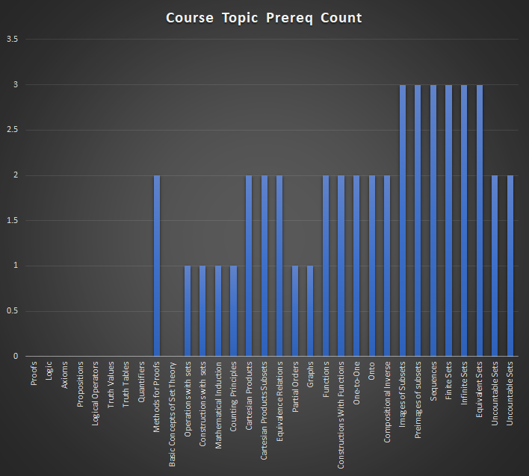
down is prereque for top |  | Proofs | Logic | Axioms | Propositions | Logical Operators | Truth Values | Truth Tables | Quantifiers | Methods for Proofs | Basic Concepts of Set Theory | Operations with sets | Constructions with sets | Mathematical Induction | Counting Principles | Cartesian Products | Cartesian Products Subsets | Equivalence Relations | Partial Orders | Graphs | Functions | Constructions With Functions | One-to-One | Onto | Compositional Inverse | Images of Subsets | Preimages of subsets | Sequences | Finite Sets | Infinite Sets | Equivalent Sets | Uncountable Sets | Count of Topic Used as Prereq
 |  | 257 | 258 | 259 | 260 | 261 | 262 | 263 | 264 | 265 | 266 | 267 | 268 | 269 | 270 | 271 | 272 | 273 | 274 | 275 | 276 | 277 | 278 | 279 | 280 | 281 | 282 | 283 | 284 | 285 | 286 | 287
MAT 1093
Functions and their graphs |  |  |  |  |  |  |  |  |  |  |  |  |  |  |  |  |  |  |  |  | 1 | 1 |  |  |  |  |  |  |  |  |  |  | 2
One to one functions |  |  |  |  |  |  |  |  |  |  |  |  |  |  |  |  |  |  |  |  |  |  |  |  |  |  |  |  |  |  |  |  | 0
Inverse Functions |  |  |  |  |  |  |  |  |  |  |  |  |  |  |  |  |  |  |  |  |  |  |  |  |  |  |  |  |  |  |  |  | 0
Angles and their measure |  |  |  |  |  |  |  |  |  |  |  |  |  |  |  |  |  |  |  |  |  |  |  |  |  |  |  |  |  |  |  |  | 0
Trig. Functions: Unit Circle Approach |  |  |  |  |  |  |  |  |  |  |  |  |  |  |  |  |  |  |  |  |  |  |  |  |  |  |  |  |  |  |  |  | 0
Properties of the Trig. Functions |  |  |  |  |  |  |  |  |  |  |  |  |  |  |  |  |  |  |  |  |  |  |  |  |  |  |  |  |  |  |  |  | 0
Graphs of Sine and Cosine Functions |  |  |  |  |  |  |  |  |  |  |  |  |  |  |  |  |  |  |  |  |  |  |  |  |  |  |  |  |  |  |  |  | 0
Graphs of Tangent, Cotangent, cosecant and secant functions |  |  |  |  |  |  |  |  |  |  |  |  |  |  |  |  |  |  |  |  |  |  |  |  |  |  |  |  |  |  |  |  | 0
Phase Shift and Applications |  |  |  |  |  |  |  |  |  |  |  |  |  |  |  |  |  |  |  |  |  |  |  |  |  |  |  |  |  |  |  |  | 0
Inverse sine, cosine, and tangent functions |  |  |  |  |  |  |  |  |  |  |  |  |  |  |  |  |  |  |  |  |  |  |  |  |  |  |  |  |  |  |  |  | 0
Inverse Secant, cosecant and cotangent functions |  |  |  |  |  |  |  |  |  |  |  |  |  |  |  |  |  |  |  |  |  |  |  |  |  |  |  |  |  |  |  |  | 0
Trigonometric Equations with a single trig functions |  |  |  |  |  |  |  |  |  |  |  |  |  |  |  |  |  |  |  |  |  |  |  |  |  |  |  |  |  |  |  |  | 0
Trigonometric Equations |  |  |  |  |  |  |  |  |  |  |  |  |  |  |  |  |  |  |  |  |  |  |  |  |  |  |  |  |  |  |  |  | 0
Trigonometric Identities |  |  |  |  |  |  |  |  |  |  |  |  |  |  |  |  |  |  |  |  |  |  |  |  |  |  |  |  |  |  |  |  | 0
Sum and Difference Formulas |  |  |  |  |  |  |  |  |  |  |  |  |  |  |  |  |  |  |  |  |  |  |  |  |  |  |  |  |  |  |  |  | 0
Double-angle formulas |  |  |  |  |  |  |  |  |  |  |  |  |  |  |  |  |  |  |  |  |  |  |  |  |  |  |  |  |  |  |  |  | 0
Half Angle formulas |  |  |  |  |  |  |  |  |  |  |  |  |  |  |  |  |  |  |  |  |  |  |  |  |  |  |  |  |  |  |  |  | 0
Product-to-sum and sum-to-product formulas |  |  |  |  |  |  |  |  |  |  |  |  |  |  |  |  |  |  |  |  |  |  |  |  |  |  |  |  |  |  |  |  | 0
Right angle definition of the Trigonometric functions |  |  |  |  |  |  |  |  |  |  |  |  |  |  |  |  |  |  |  |  |  |  |  |  |  |  |  |  |  |  |  |  | 0
The law of Sines |  |  |  |  |  |  |  |  |  |  |  |  |  |  |  |  |  |  |  |  |  |  |  |  |  |  |  |  |  |  |  |  | 0
The law of Cosines |  |  |  |  |  |  |  |  |  |  |  |  |  |  |  |  |  |  |  |  |  |  |  |  |  |  |  |  |  |  |  |  | 0
Area of a Triangle |  |  |  |  |  |  |  |  |  |  |  |  |  |  |  |  |  |  |  |  |  |  |  |  |  |  |  |  |  |  |  |  | 0
Polar Coordinates |  |  |  |  |  |  |  |  |  |  |  |  |  |  |  |  |  |  |  |  |  |  |  |  |  |  |  |  |  |  |  |  | 0
Polar Equations and Graphs |  |  |  |  |  |  |  |  |  |  |  |  |  |  |  |  |  |  |  |  |  |  |  |  |  |  |  |  |  |  |  |  | 0
The complex Plane |  |  |  |  |  |  |  |  |  |  |  |  |  |  |  |  |  |  |  |  |  |  |  |  |  |  |  |  |  |  |  |  | 0
DeMoivere's Theorem |  |  |  |  |  |  |  |  |  |  |  |  |  |  |  |  |  |  |  |  |  |  |  |  |  |  |  |  |  |  |  |  | 0
Exponential Functions |  |  |  |  |  |  |  |  |  |  |  |  |  |  |  |  |  |  |  |  |  |  |  |  |  |  |  |  |  |  |  |  | 0
Logarithmic Functions |  |  |  |  |  |  |  |  |  |  |  |  |  |  |  |  |  |  |  |  |  |  |  |  |  |  |  |  |  |  |  |  | 0
Properties of Logarithims |  |  |  |  |  |  |  |  |  |  |  |  |  |  |  |  |  |  |  |  |  |  |  |  |  |  |  |  |  |  |  |  | 0
Logarithmic and Exponential Equations |  |  |  |  |  |  |  |  |  |  |  |  |  |  |  |  |  |  |  |  |  |  |  |  |  |  |  |  |  |  |  |  | 0
Exponential Growth and Decay models |  |  |  |  |  |  |  |  |  |  |  |  |  |  |  |  |  |  |  |  |  |  |  |  |  |  |  |  |  |  |  |  | 0
Newton’s law of Cooling |  |  |  |  |  |  |  |  |  |  |  |  |  |  |  |  |  |  |  |  |  |  |  |  |  |  |  |  |  |  |  |  | 0
Logistic growth and decay |  |  |  |  |  |  |  |  |  |  |  |  |  |  |  |  |  |  |  |  |  |  |  |  |  |  |  |  |  |  |  |  | 0
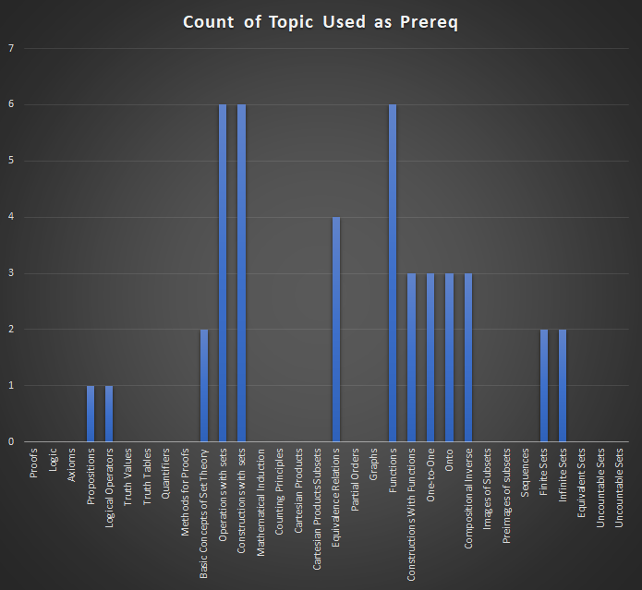
MAT 3013
Proofs | 257 |  |  |  |  |  |  |  |  |  |  |  |  |  |  |  |  |  |  |  |  |  |  |  |  |  |  |  |  |  |  |  | 0
Logic | 258 |  |  |  |  |  |  |  |  |  |  |  |  |  |  |  |  |  |  |  |  |  |  |  |  |  |  |  |  |  |  |  | 0
Axioms | 259 |  |  |  |  |  |  |  |  |  |  |  |  |  |  |  |  |  |  |  |  |  |  |  |  |  |  |  |  |  |  |  | 0
Propositions | 260 |  |  |  |  |  |  |  |  | 1 |  |  |  |  |  |  |  |  |  |  |  |  |  |  |  |  |  |  |  |  |  |  | 1
Logical Operators | 261 |  |  |  |  |  |  |  |  | 1 |  |  |  |  |  |  |  |  |  |  |  |  |  |  |  |  |  |  |  |  |  |  | 1
Truth Values | 262 |  |  |  |  |  |  |  |  |  |  |  |  |  |  |  |  |  |  |  |  |  |  |  |  |  |  |  |  |  |  |  | 0
Truth Tables | 263 |  |  |  |  |  |  |  |  |  |  |  |  |  |  |  |  |  |  |  |  |  |  |  |  |  |  |  |  |  |  |  | 0
Quantifiers | 264 |  |  |  |  |  |  |  |  |  |  |  |  |  |  |  |  |  |  |  |  |  |  |  |  |  |  |  |  |  |  |  | 0
Methods for Proofs | 265 |  |  |  |  |  |  |  |  |  |  |  |  |  |  |  |  |  |  |  |  |  |  |  |  |  |  |  |  |  |  |  | 0
Basic Concepts of Set Theory | 266 |  |  |  |  |  |  |  |  |  |  | 1 | 1 |  |  |  |  |  |  |  |  |  |  |  |  |  |  |  |  |  |  |  | 2
Operations with sets | 267 |  |  |  |  |  |  |  |  |  |  |  |  |  |  | 1 | 1 | 1 |  |  |  |  |  |  |  |  |  |  | 1 | 1 | 1 |  | 6
Constructions with sets | 268 |  |  |  |  |  |  |  |  |  |  |  |  |  |  | 1 | 1 | 1 |  |  |  |  |  |  |  |  |  |  | 1 | 1 | 1 |  | 6
Mathematical Induction | 269 |  |  |  |  |  |  |  |  |  |  |  |  |  |  |  |  |  |  |  |  |  |  |  |  |  |  |  |  |  |  |  | 0
Counting Principles | 270 |  |  |  |  |  |  |  |  |  |  |  |  |  |  |  |  |  |  |  |  |  |  |  |  |  |  |  |  |  |  |  | 0
Cartesian Products | 271 |  |  |  |  |  |  |  |  |  |  |  |  |  |  |  |  |  |  |  |  |  |  |  |  |  |  |  |  |  |  |  | 0
Cartesian Products Subsets | 272 |  |  |  |  |  |  |  |  |  |  |  |  |  |  |  |  |  |  |  |  |  |  |  |  |  |  |  |  |  |  |  | 0
Equivalence Relations | 273 |  |  |  |  |  |  |  |  |  |  |  |  |  |  |  |  |  | 1 | 1 | 1 | 1 |  |  |  |  |  |  |  |  |  |  | 4
Partial Orders | 274 |  |  |  |  |  |  |  |  |  |  |  |  |  |  |  |  |  |  |  |  |  |  |  |  |  |  |  |  |  |  |  | 0
Graphs | 275 |  |  |  |  |  |  |  |  |  |  |  |  |  |  |  |  |  |  |  |  |  |  |  |  |  |  |  |  |  |  |  | 0
Functions | 276 |  |  |  |  |  |  |  |  |  |  |  |  |  |  |  |  |  |  |  |  |  | 1 | 1 | 1 |  |  |  | 1 | 1 | 1 |  | 6
Constructions With Functions | 277 |  |  |  |  |  |  |  |  |  |  |  |  |  |  |  |  |  |  |  |  |  | 1 | 1 | 1 |  |  |  |  |  |  |  | 3
One-to-One | 278 |  |  |  |  |  |  |  |  |  |  |  |  |  |  |  |  |  |  |  |  |  |  |  |  | 1 | 1 | 1 |  |  |  |  | 3
Onto | 279 |  |  |  |  |  |  |  |  |  |  |  |  |  |  |  |  |  |  |  |  |  |  |  |  | 1 | 1 | 1 |  |  |  |  | 3
Compositional Inverse | 280 |  |  |  |  |  |  |  |  |  |  |  |  |  |  |  |  |  |  |  |  |  |  |  |  | 1 | 1 | 1 |  |  |  |  | 3
Images of Subsets | 281 |  |  |  |  |  |  |  |  |  |  |  |  |  |  |  |  |  |  |  |  |  |  |  |  |  |  |  |  |  |  |  | 0
Preimages of subsets | 282 |  |  |  |  |  |  |  |  |  |  |  |  |  |  |  |  |  |  |  |  |  |  |  |  |  |  |  |  |  |  |  | 0
Sequences | 283 |  |  |  |  |  |  |  |  |  |  |  |  |  |  |  |  |  |  |  |  |  |  |  |  |  |  |  |  |  |  |  | 0
Finite Sets | 284 |  |  |  |  |  |  |  |  |  |  |  |  |  |  |  |  |  |  |  |  |  |  |  |  |  |  |  |  |  |  | 1 | 1
Infinite Sets | 285 |  |  |  |  |  |  |  |  |  |  |  |  |  |  |  |  |  |  |  |  |  |  |  |  |  |  |  |  |  |  | 1 | 1
Equivalent Sets | 286 |  |  |  |  |  |  |  |  |  |  |  |  |  |  |  |  |  |  |  |  |  |  |  |  |  |  |  |  |  |  |  | 0
Uncountable Sets | 287 |  |  |  |  |  |  |  |  |  |  |  |  |  |  |  |  |  |  |  |  |  |  |  |  |  |  |  |  |  |  |  | 0
Unknown Course
Natural Numbers |  |  |  |  |  |  |  |  |  |  |  |  |  | 1 | 1 |  |  |  |  |  |  |  |  |  |  |  |  |  |  |  |  |  | 2
Course Topic Prereq Count |  | 0 | 0 | 0 | 0 | 0 | 0 | 0 | 0 | 2 | 0 | 1 | 1 | 1 | 1 | 2 | 2 | 2 | 1 | 1 | 2 | 2 | 2 | 2 | 2 | 3 | 3 | 3 | 3 | 3 | 3 | 2

1133
 |  | Applications of Linear Functions | Quadratic Functions and Applications | Limits | One-Sided Limits and Limits at Infinity | Rates of Change | Tangent Lines | The Derivative as a Function | Techniques for Finding Derivatives | Derivatives of Products and Quotients | The Chain Rule | Derivatives of Exponential Functions | Derivatives of Logarithmic Functions | Local Extrema | The Second Derivative | Optimization Applications | Implicit Differentiation | Related Rates | Elasticity of Demand | Antiderivatives | Integration by Substitution | Definite Integral | The Fundamental Theorem of Calculus | Applications of Integrals | Differential Equations | Multivariable Functions | Partial Derivatives | Count of Topic Used as Prereq
 |  | 379 | 380 | 381 | 382 | 383 | 384 | 385 | 386 | 387 | 388 | 389 | 390 | 391 | 392 | 393 | 394 | 395 | 396 | 397 | 398 | 399 | 400 | 401 | 402 | 403 | 404
MAT 1053
Order of Operations | 32 |  |  |  |  |  |  |  |  |  |  |  |  |  |  |  |  |  |  |  |  |  |  |  |  |  |  | 0
Simplifying Radicals | 33 |  |  |  |  |  |  |  |  |  |  |  |  | 1 |  |  |  |  |  |  |  |  |  |  |  |  |  | 1
Simplifying Exponents | 34 |  |  |  |  |  |  |  |  |  |  |  |  |  |  |  |  |  |  |  |  |  |  |  |  |  |  | 0
Factoring Polynomials | 35 |  |  |  |  |  |  |  |  |  |  |  |  |  |  |  |  |  |  |  |  |  |  |  |  |  |  | 0
Solving Equations | 36 |  |  |  |  |  |  |  |  |  |  |  |  |  |  |  |  |  |  |  |  |  |  |  |  |  |  | 0
Solving Inequalities | 36 |  |  |  |  |  |  |  |  |  |  |  |  |  |  |  |  |  |  |  |  |  |  |  |  |  |  | 0
Linear Equations | 37 |  |  |  |  | 1 |  |  |  |  |  |  |  |  |  |  |  |  |  |  |  |  |  |  |  |  |  | 1
Graphs | 38 |  |  |  |  | 1 |  |  |  |  |  |  |  |  |  |  |  |  |  |  |  | 1 |  |  |  | 1 |  | 3
Functions | 39 |  |  |  |  |  |  |  |  |  | 1 |  |  |  |  |  |  |  |  |  |  |  |  |  |  |  |  | 1
Function Notation | 40 |  |  |  |  | 1 |  |  |  |  | 1 |  |  |  |  |  |  |  |  |  |  |  |  |  |  |  |  | 2
Domain | 41 |  |  |  |  |  |  |  |  |  |  |  |  | 1 |  |  |  |  |  |  |  |  |  |  |  | 1 |  | 2
Range | 42 |  |  |  |  |  |  |  |  |  |  |  |  | 1 |  |  |  |  |  |  |  |  |  |  |  | 1 |  | 2
Toolkit Functions | 43 |  |  |  |  |  |  |  |  |  |  |  |  |  |  |  |  |  |  |  |  |  |  |  |  |  |  | 0
Intro to Power Functions | 44 |  |  |  |  |  |  |  |  |  |  |  |  |  |  |  |  |  |  |  |  |  |  |  |  |  |  | 0
Intro to Polynomial Functions | 45 |  |  |  |  |  |  |  |  |  |  |  |  |  |  |  |  |  |  |  |  |  |  |  |  |  |  | 0
Quadratic Functions | 46 |  |  |  |  |  |  |  |  |  |  |  |  |  |  |  |  |  |  |  |  |  |  |  |  |  |  | 0
Rational Expressions | 47 |  |  |  |  |  |  |  |  |  |  |  |  |  |  |  |  |  |  |  |  |  |  |  |  |  |  | 0
More on Polynomial Functions | 48 |  |  |  |  |  |  |  |  |  |  |  |  |  |  |  |  |  |  |  |  |  |  |  |  |  |  | 0
Rational Functions | 49 |  |  |  |  |  |  |  |  |  |  |  |  |  |  |  |  |  |  |  |  |  |  |  |  |  |  | 0
Exponential Functions | 50 |  |  |  |  |  |  |  |  |  |  | 1 |  |  |  |  |  |  |  |  |  |  |  |  |  |  |  | 1
Logarithmic Functions | 51 |  |  |  |  |  |  |  |  |  |  |  | 1 |  |  |  |  |  |  |  |  |  |  |  |  |  |  | 1
Logarithmic Properties | 52 |  |  |  |  |  |  |  |  |  |  |  |  |  |  |  |  |  |  |  |  |  |  |  |  |  |  | 0
Exponential Equations | 53 |  |  |  |  |  |  |  |  |  |  |  |  |  |  |  |  |  |  |  |  |  |  |  |  |  |  | 0
Logarithmic Equations | 54 |  |  |  |  |  |  |  |  |  |  |  |  |  |  |  |  |  |  |  |  |  |  |  |  |  |  | 0
Simple Interest | 55 |  |  |  |  |  |  |  |  |  |  |  |  |  |  |  |  |  |  |  |  |  |  |  |  |  |  | 0
Compound Interest | 56 |  |  |  |  |  |  |  |  |  |  |  |  |  |  |  |  |  |  |  |  |  |  |  |  |  |  | 0
Annuities | 57 |  |  |  |  |  |  |  |  |  |  |  |  |  |  |  |  |  |  |  |  |  |  |  |  |  |  | 0
Payout Annuities | 58 |  |  |  |  |  |  |  |  |  |  |  |  |  |  |  |  |  |  |  |  |  |  |  |  |  |  | 0
Loans | 59 |  |  |  |  |  |  |  |  |  |  |  |  |  |  |  |  |  |  |  |  |  |  |  |  |  |  | 0
Promissory Notes | 60 |  |  |  |  |  |  |  |  |  |  |  |  |  |  |  |  |  |  |  |  |  |  |  |  |  |  | 0
Systems of Equations in Two Variables | 61 |  |  |  |  |  |  |  |  |  |  |  |  |  |  |  |  |  |  |  |  |  |  |  |  |  |  | 0
Systems of Inequalities in Two Variables | 62 |  |  |  |  |  |  |  |  |  |  |  |  |  |  |  |  |  |  |  |  |  |  |  |  |  |  | 0
Linear Programming | 63 |  |  |  |  |  |  |  |  |  |  |  |  |  |  |  |  |  |  |  |  |  |  |  |  |  |  | 0
Matrices | 64 |  |  |  |  |  |  |  |  |  |  |  |  |  |  |  |  |  |  |  |  |  |  |  |  |  |  | 0
Matrix Operations | 65 |  |  |  |  |  |  |  |  |  |  |  |  |  |  |  |  |  |  |  |  |  |  |  |  |  |  | 0
Solving Systems with Inverses | 66 |  |  |  |  |  |  |  |  |  |  |  |  |  |  |  |  |  |  |  |  |  |  |  |  |  |  | 0
Sets | 67 |  |  |  |  |  |  |  |  |  |  |  |  |  |  |  |  |  |  |  |  |  |  |  |  |  |  | 0
Subsets | 68 |  |  |  |  |  |  |  |  |  |  |  |  |  |  |  |  |  |  |  |  |  |  |  |  |  |  | 0
Venn Diagrams | 69 |  |  |  |  |  |  |  |  |  |  |  |  |  |  |  |  |  |  |  |  |  |  |  |  |  |  | 0
Cardinality | 70 |  |  |  |  |  |  |  |  |  |  |  |  |  |  |  |  |  |  |  |  |  |  |  |  |  |  | 0
Introduction to Probability | 71 |  |  |  |  |  |  |  |  |  |  |  |  |  |  |  |  |  |  |  |  |  |  |  |  |  |  | 0
Expected Value | 72 |  |  |  |  |  |  |  |  |  |  |  |  |  |  |  |  |  |  |  |  |  |  |  |  |  |  | 0
Conditional Probability | 73 |  |  |  |  |  |  |  |  |  |  |  |  |  |  |  |  |  |  |  |  |  |  |  |  |  |  | 0
Counting Rules | 74 |  |  |  |  |  |  |  |  |  |  |  |  |  |  |  |  |  |  |  |  |  |  |  |  |  |  | 0
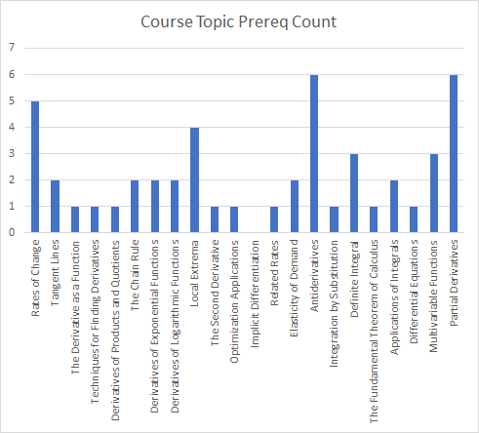
Count of Topic Used as Prereq
MAT 1133 | 0
Applications of Linear Functions | 379
Quadratic Functions and Applications | 380
Limits | 381 |  |  |  |  |  | 1
One-Sided Limits and Limits at Infinity | 382
Rates of Change | 383 |  |  |  |  |  | 1 |  |  |  |  |  |  |  |  |  |  |  |  |  |  |  |  |  |  |  |  | 1
Tangent Lines | 384 |  |  |  |  |  |  | 1 |  |  |  |  |  |  |  |  |  |  |  |  |  |  |  |  |  |  |  | 1
The Derivative as a Function | 385 |  |  |  |  |  |  |  | 1 |  |  | 1 | 1 | 1 |  |  |  |  |  |  |  |  |  |  |  |  |  | 4
Techniques for Finding Derivatives | 386 |  |  |  |  |  |  |  |  | 1 |  |  |  | 1 |  |  |  |  |  | 1 |  |  |  |  |  |  | 1 | 4
Derivatives of Products and Quotients | 387 |  |  |  |  |  |  |  |  |  |  |  |  | 1 |  |  |  |  |  | 1 |  |  |  |  |  |  | 1 | 3
The Chain Rule | 388 |  |  |  |  |  |  |  |  |  |  |  |  | 1 |  |  |  |  |  | 1 |  |  |  |  |  |  | 1 | 3
Derivatives of Exponential Functions | 389 |  |  |  |  |  |  |  |  |  |  |  |  | 1 |  |  |  |  |  | 1 |  |  |  |  |  |  | 1 | 3
Derivatives of Logarithmic Functions | 390 |  |  |  |  |  |  |  |  |  |  |  |  | 1 |  |  |  |  |  | 1 |  |  |  |  |  |  | 1 | 3
Local Extrema | 391 |  |  |  |  |  |  |  |  |  |  |  |  |  | 1 |  |  |  |  |  |  |  |  |  |  |  |  | 1
The Second Derivative | 392 |  |  |  |  |  |  |  |  |  |  |  |  |  |  | 1 |  |  |  |  |  |  |  |  |  |  |  | 1
Optimization Applications | 393 |  |  |  |  |  |  |  |  |  |  |  |  |  |  |  |  |  |  |  |  |  |  |  |  |  |  | 0
Implicit Differentiation | 394 |  |  |  |  |  |  |  |  |  |  |  |  |  |  |  |  | 1 |  |  |  |  |  |  |  |  |  | 1
Related Rates | 395 |  |  |  |  |  |  |  |  |  |  |  |  |  |  |  |  |  | 1 |  |  |  |  |  |  |  |  | 1
Elasticity of Demand | 396 |  |  |  |  |  |  |  |  |  |  |  |  |  |  |  |  |  |  |  |  |  |  | 1 |  |  |  | 1
Antiderivatives | 397 |  |  |  |  |  |  |  |  |  |  |  |  |  |  |  |  |  |  |  | 1 | 1 |  |  | 1 |  |  | 3
Integration by Substitution | 398 |  |  |  |  |  |  |  |  |  |  |  |  |  |  |  |  |  |  |  |  |  |  |  |  |  |  | 0
Definite Integral | 399 |  |  |  |  |  |  |  |  |  |  |  |  |  |  |  |  |  |  |  |  |  | 1 | 1 |  |  |  | 2
The Fundamental Theorem of Calculus | 400 |  |  |  |  |  |  |  |  |  |  |  |  |  |  |  |  |  |  |  |  |  |  |  |  |  |  | 0
Applications of Integrals | 401 |  |  |  |  |  |  |  |  |  |  |  |  |  |  |  |  |  |  |  |  |  |  |  |  |  |  | 0
Differential Equations | 402 |  |  |  |  |  |  |  |  |  |  |  |  |  |  |  |  |  |  |  |  |  |  |  |  |  |  | 0
Multivariable Functions | 403 |  |  |  |  |  |  |  |  |  |  |  |  |  |  |  |  |  |  |  |  |  |  |  |  |  |  | 0
Partial Derivatives | 404 |  |  |  |  |  |  |  |  |  |  |  |  |  |  |  |  |  |  |  |  |  |  |  |  |  |  | 0
Unknown Course | 0
Demand Curves | 0 |  |  |  |  |  |  |  |  |  |  |  |  |  |  |  |  |  | 1 |  |  |  |  |  |  |  |  | 1
Marginal Analysis | 0 |  |  |  |  |  |  |  |  |  |  |  |  |  |  |  |  |  |  |  |  |  |  |  |  |  | 1 | 1
Course Topic Prereq Count | 0 |  |  |  |  | 3 | 2 | 1 | 1 | 1 | 2 | 2 | 2 | 9 | 1 | 1 | 0 | 1 | 2 | 5 | 1 | 2 | 1 | 2 | 1 | 3 | 6

1193
 |  | MAT 1093 | Functions and their graphs | One to one functions | Inverse Functions | Angles and their measure | Trig. Functions: Unit Circle Approach | Properties of the Trig. Functions | Graphs of Sine and Cosine Functions | Graphs of Tangent, Cotangent, cosecant and secant functions | Phase Shift and Applications | Inverse sine, cosine, and tangent functions | Inverse Secant, cosecant and cotangent functions | Trigonometric Equations with a single trig functions | Trigonometric Equations | Trigonometric Identities | Sum and Difference Formulas | Double-angle formulas | Half Angle Formulas | Product-to-sum and sum-to-product formulas | Right angle definition of the Trigonometric functions | The law of Sines | The law of Cosines | Area of a Triangle | Polar Coordinates | The complex Plane | DeMoivere's Theorem | Logarithmic and Exponential Equations | MAT 1193 | Review of functions and change | Instantaneous Rate of Change | Limits | Derivative Formulas (Derivatives for powers and polynomials) | Derivative Formulas (Derivatives for trigonometric functions) | Applications | Accumulated Change & the Definite Integral | Antiderivatives | Definite Integral and the Fundamental Theorem of Calculus | Integration Applications | Substitution Method | Integration by Parts and further applications | Differential Equations (Mathematical Modeling) | Graphs of differential equations and separation of variables for solving differential equations | Exponential growth and decay & surge function
 |  |  | 115 | 116 | 117 | 118 | 119 | 120 | 121 | 122 | 123 | 124 | 125 | 126 | 127 | 128 | 129 | 130 | 131 | 132 | 133 | 134 | 135 | 136 | 137 | 139 | 140 | 144 |  | 405 | 406 | 407 | 408 | 409 | 410 | 411 | 412 | 413 | 414 | 415 | 416 | 417 | 418 | 419
Review of functions and change | 405 |  | 1 | 1 | 1 |  |  |  |  |  |  |  |  |  |  |  |  |  |  |  |  |  |  |  |  |  |  |  |  |  |  |  |  |  |  |  |  |  |  |  |  |  |  |  | 3
Instantaneous Rate of Change | 406 |  | 1 |  |  |  |  |  |  |  |  |  |  |  |  |  |  |  |  |  |  |  |  |  |  |  |  |  |  | 1 |  |  |  |  |  |  |  |  |  |  |  |  |  |  | 2
Limits | 407 |  | 1 |  |  |  |  |  |  |  |  |  |  |  |  |  |  |  |  |  |  |  |  |  |  |  |  | 1 |  | 1 |  |  |  |  |  |  |  |  |  |  |  |  |  |  | 3
Derivative Formulas (Derivatives for powers and polynomials) | 408 |  | 1 |  |  |  |  |  |  |  |  |  |  |  |  |  |  |  |  |  |  |  |  |  |  |  |  | 1 |  | 1 |  | 1 |  |  |  |  |  |  |  |  |  |  |  |  | 4
Derivative Formulas (Derivatives for trigonometric functions) | 409 |  | 1 |  |  |  | 1 | 1 |  |  |  |  |  | 1 | 1 | 1 |  |  |  |  |  |  |  |  |  |  |  |  |  | 1 |  | 1 | 1 |  |  |  |  |  |  |  |  |  |  |  | 9
Applications | 410 |  | 1 |  |  |  |  |  | 1 | 1 |  |  |  |  |  |  |  |  |  |  |  |  |  |  |  |  |  |  |  |  |  |  | 1 | 1 |  |  |  |  |  |  |  |  |  |  | 5
Accumulated Change & the Definite Integral | 411 |  | 1 |  |  |  |  |  |  |  |  |  |  |  |  |  |  |  |  |  |  |  |  |  |  |  |  |  |  | 1 | 1 |  |  |  |  |  |  |  |  |  |  |  |  |  | 3
Antiderivatives | 412 |  | 1 |  |  |  | 1 | 1 | 1 | 1 |  |  |  |  |  |  |  |  |  |  |  |  |  |  |  |  |  |  |  | 1 |  |  | 1 | 1 |  | 1 |  |  |  |  |  |  |  |  | 9
Definite Integral and the Fundamental Theorem of Calculus | 413 |  |  |  |  |  |  |  |  |  |  |  |  |  |  |  |  |  |  |  |  |  |  | 1 |  |  |  |  |  | 1 |  | 1 | 1 | 1 |  | 1 | 1 |  |  |  |  |  |  |  | 7
Integration Applications | 414 |  |  |  |  |  |  |  |  |  |  |  |  |  |  |  |  |  |  |  |  |  |  |  |  |  |  |  |  | 1 |  |  |  |  | 1 |  |  | 1 |  |  |  |  |  |  | 3
Substitution Method | 415 |  |  |  |  |  |  |  |  |  |  |  |  |  |  |  |  |  |  |  |  |  |  |  |  |  |  |  |  |  |  |  |  |  |  |  |  |  | 1 |  |  |  |  |  | 1
Integration by Parts and further applications | 416 |  |  |  |  |  |  |  |  |  |  |  |  |  |  |  |  |  |  |  |  |  |  |  |  |  |  |  |  |  |  |  |  |  |  |  |  |  | 1 | 1 |  |  |  |  | 2
Differential Equations (Mathematical Modeling) | 417 |  |  |  |  |  |  |  |  |  |  |  |  |  |  |  |  |  |  |  |  |  |  |  |  |  |  |  |  |  |  |  |  |  |  |  |  |  |  |  |  |  |  |  | 0
Graphs of differential equations and separation of variables for solving differential equations | 418 |  | 1 |  |  |  |  |  |  |  |  |  |  |  |  |  |  |  |  |  |  |  |  |  |  |  |  |  |  | 1 |  |  |  |  |  |  |  |  |  |  |  | 1 |  |  | 3
Exponential growth and decay & surge function | 419 |  | 1 |  |  |  |  |  |  |  |  |  |  |  |  |  |  |  |  |  |  |  |  |  |  |  |  | 1 |  | 1 |  |  |  |  |  |  |  |  |  |  |  | 1 | 1 |  | 5
 |  |  | 10 | 1 | 1 | 0 | 2 | 2 | 2 | 2 | 0 | 0 | 0 | 1 | 1 | 1 | 0 | 0 |  | 0 | 0 | 0 | 0 | 1 | 0 | 0 | 0 | 3 |  | 10 | 1 | 3 | 4 | 3 | 1 | 2 | 1 | 1 | 2 | 1 | 0 | 2 | 1 | 0

Functions and their graphs | 10
One to one functions | 1
Inverse Functions | 1
Angles and their measure | 0
Trig. Functions: Unit Circle Approach | 2
Properties of the Trig. Functions | 2
Graphs of Sine and Cosine Functions | 2
Graphs of Tangent, Cotangent, cosecant and secant functions | 2
Phase Shift and Applications | 0
Inverse sine, cosine, and tangent functions | 0
Inverse Secant, cosecant and cotangent functions | 0
Trigonometric Equations with a single trig functions | 1
Trigonometric Equations | 1
Trigonometric Identities | 1
Sum and Difference Formulas | 0
Double-angle formulas | 0
Half Angle Formulas
Product-to-sum and sum-to-product formulas | 0
Right angle definition of the Trigonometric functions | 0
The law of Sines | 0
The law of Cosines | 0
Area of a Triangle | 1
Polar Coordinates | 0
The complex Plane | 0
DeMoivere's Theorem | 0
Logarithmic and Exponential Equations | 3
MAT 1193
Review of functions and change | 10
Instantaneous Rate of Change | 1
Limits | 3
Derivative Formulas (Derivatives for powers and polynomials) | 4
Derivative Formulas (Derivatives for trigonometric functions) | 3
Applications | 1
Accumulated Change & the Definite Integral | 2
Antiderivatives | 1
Definite Integral and the Fundamental Theorem of Calculus | 1
Integration Applications | 2
Substitution Method | 1
Integration by Parts and further applications | 0
Differential Equations (Mathematical Modeling) | 2
Graphs of differential equations and separation of variables for solving differential equations | 1
Exponential growth and decay & surge function | 0

1023
 | -> "is a prerequsite for" ↓ | Algebraic Expressions | Exponents and Scientific Notation | Radical & Rational Exponent | Polynomials | Factoring Polynomials | Rational Expressions | Graph of equations | Linear and Rational Equations | Models and Applications | Complex Numbers | Quadratic Equations | Other Types of Equations | Linear and Absolute Value Inequalities | Basics of Functions | Basics of graphs | More on Functions and Their Graphs | Linear Functions and Slope | More on Slope | Transformation of Functions | Combinations of Functions/Composite Functions | Inverse Functions | Quadratic Functions | Polynomial Functions and Their Graphs | Dividing Polynomials | Remainder and Factor Theorem | Systems of Linear Equations in Two Variables | Systems of Inequalities | Exponential Functions | Logarithmic Functions | Properties of Logarithms | Exponential and Logarithmic Equations | Exponential Growth and Decay (Modeling Data)
 |  | 420 | 421 | 422 | 423 | 424 | 425 | 426 | 427 | 428 | 429 | 430 | 431 | 432 | 433 | 434 | 435 | 436 | 437 | 438 | 439 | 440 | 441 | 442 | 443 | 444 | 445 | 446 | 447 | 448 | 449 | 450 | 451
420 | Algebraic Expressions |  |  |  |  |  |  |  |  |  |  |  |  |  |  |  |  |  |  |  |  |  |  |  |  |  |  |  |  |  |  |  |  | 0
421 | Exponents and Scientific Notation |  |  |  |  |  |  |  |  |  |  |  |  |  |  |  |  |  |  |  |  |  |  |  |  |  |  |  |  |  |  |  |  | 0
422 | Radical & Rational Exponent |  | 1 |  |  |  |  |  |  |  |  |  |  |  |  |  |  |  |  |  |  |  |  |  |  |  |  |  |  |  |  |  |  | 1
423 | Polynomials | 1 |  |  |  |  |  |  |  |  |  |  |  |  |  |  |  |  |  |  |  |  |  |  |  |  |  |  |  |  |  |  |  | 1
424 | Factoring Polynomials |  |  |  | 1 |  |  |  |  |  |  |  |  |  |  |  |  |  |  |  |  |  |  |  |  |  |  |  |  |  |  |  |  | 1
425 | Rational Expressions | 1 |  |  |  |  |  |  |  |  |  |  |  |  |  |  |  |  |  |  |  |  |  |  |  |  |  |  |  |  |  |  |  | 1
426 | Graph of equations |  |  |  |  |  |  |  |  |  |  |  |  |  |  |  |  |  |  |  |  |  |  |  |  |  |  |  |  |  |  |  |  | 0
427 | Linear and Rational Equations | 1 |  |  |  |  |  |  |  |  |  |  |  |  |  |  |  |  |  |  |  |  |  |  |  |  |  |  |  |  |  |  |  | 1
428 | Models and Applications | 1 |  |  |  |  |  |  | 1 |  |  |  |  |  |  |  |  |  |  |  |  |  |  |  |  |  |  |  |  |  |  |  |  | 2
429 | Complex Numbers |  |  |  |  |  |  |  |  |  |  |  |  |  |  |  |  |  |  |  |  |  |  |  |  |  |  |  |  |  |  |  |  | 0
430 | Quadratic Equations | 1 |  |  |  |  |  |  |  |  |  |  |  |  |  |  |  |  |  |  |  |  |  |  |  |  |  |  |  |  |  |  |  | 1
431 | Other Types of Equations | 1 | 1 | 1 | 1 | 1 | 1 | 1 | 1 | 1 |  |  |  |  |  |  |  |  |  |  |  |  |  |  |  |  |  |  |  |  |  |  |  | 9
432 | Linear and Absolute Value Inequalities | 1 |  |  |  |  |  |  | 1 |  |  |  |  |  |  |  |  |  |  |  |  |  |  |  |  |  |  |  |  |  |  |  |  | 2
433 | Basics of Functions | 1 |  |  |  |  |  | 1 |  |  |  |  |  |  |  |  |  |  |  |  |  |  |  |  |  |  |  |  |  |  |  |  |  | 2
434 | Basics of graphs | 1 |  |  |  |  |  | 1 |  |  |  |  |  |  |  |  |  |  |  |  |  |  |  |  |  |  |  |  |  |  |  |  |  | 2
435 | More on Functions and Their Graphs | 1 |  |  |  |  |  | 1 |  |  |  |  |  |  |  |  |  |  |  |  |  |  |  |  |  |  |  |  |  |  |  |  |  | 2
436 | Linear Functions and Slope |  |  |  |  |  |  |  | 1 |  |  |  |  |  | 1 | 1 |  |  |  |  |  |  |  |  |  |  |  |  |  |  |  |  |  | 3
437 | More on Slope |  |  |  |  |  |  |  |  |  |  |  |  |  | 1 | 1 |  | 1 |  |  |  |  |  |  |  |  |  |  |  |  |  |  |  | 3
438 | Transformation of Functions |  |  |  |  |  |  | 1 |  |  |  |  |  |  |  | 1 |  |  |  |  |  |  |  |  |  |  |  |  |  |  |  |  |  | 2
439 | Combinations of Functions/Composite Functions | 1 |  |  |  |  |  | 1 |  |  |  |  |  |  |  | 1 |  |  |  |  |  |  |  |  |  |  |  |  |  |  |  |  |  | 3
440 | Inverse Functions |  |  |  |  |  |  |  |  |  |  |  |  |  | 1 | 1 |  |  |  |  |  |  |  |  |  |  |  |  |  |  |  |  |  | 2
441 | Quadratic Functions |  |  |  |  |  |  |  |  |  | 1 | 1 |  |  |  | 1 |  |  |  | 1 |  |  |  |  |  |  |  |  |  |  |  |  |  | 4
442 | Polynomial Functions and Their Graphs |  |  |  | 1 | 1 |  | 1 |  |  |  |  |  |  |  | 1 |  |  |  |  |  |  |  |  |  |  |  |  |  |  |  |  |  | 4
443 | Dividing Polynomials |  |  |  | 1 | 1 |  |  |  |  |  |  |  |  |  |  |  |  |  |  |  |  |  |  |  |  |  |  |  |  |  |  |  | 2
444 | Remainder and Factor Theorem |  |  |  | 1 | 1 |  |  |  |  |  |  |  |  |  |  |  |  |  |  |  |  |  |  |  |  |  |  |  |  |  |  |  | 2
445 | Systems of Linear Equations in Two Variables | 1 |  |  |  |  |  |  |  |  |  |  |  |  |  |  |  |  |  |  | 1 |  |  |  |  |  |  |  |  |  |  |  |  | 2
446 | Systems of Inequalities |  |  |  |  |  |  |  |  |  |  |  |  |  |  |  |  |  |  |  |  |  |  |  |  |  |  |  |  |  |  |  |  | 0
447 | Exponential Functions |  | 1 | 1 |  |  |  |  |  |  |  |  |  |  |  |  |  |  |  |  |  |  |  |  |  |  |  |  |  |  |  |  |  | 2
448 | Logarithmic Functions |  | 1 |  |  |  |  |  |  |  |  |  |  |  |  |  |  |  |  |  |  |  |  |  |  |  |  |  | 1 |  |  |  |  | 2
449 | Properties of Logarithms |  | 1 |  |  |  |  |  |  |  |  |  |  |  |  |  |  |  |  |  |  |  |  |  |  |  |  |  | 1 | 1 |  |  |  | 3
450 | Exponential and Logarithmic Equations |  | 1 | 1 |  |  |  |  |  |  |  |  |  |  |  |  |  |  |  |  |  |  |  |  |  |  |  |  | 1 | 1 |  |  |  | 4
451 | Exponential Growth and Decay (Modeling Data) |  | 1 | 1 |  |  |  |  |  |  |  |  |  |  |  |  |  |  |  |  |  |  |  |  |  |  |  |  | 1 | 1 | 1 | 1 |  | 6
 |  | 12 | 7 | 4 | 5 | 4 | 1 | 7 | 4 | 1 | 1 | 1 | 0 | 0 | 3 | 7 | 0 | 1 | 0 | 1 | 1 | 0 | 0 | 0 | 0 | 0 | 0 | 0 | 4 | 3 | 1 | 1 | 0

Algebraic Expressions | 12
Exponents and Scientific Notation | 7
Radical & Rational Exponent | 4
Polynomials | 5
Factoring Polynomials | 4
Rational Expressions | 1
Graph of equations | 7
Linear and Rational Equations | 4
Models and Applications | 1
Complex Numbers | 1
Quadratic Equations | 1
Other Types of Equations | 0
Linear and Absolute Value Inequalities | 0
Basics of Functions | 3
Basics of graphs | 7
More on Functions and Their Graphs | 0
Linear Functions and Slope | 1
More on Slope | 0
Transformation of Functions | 1
Combinations of Functions/Composite Functions | 1
Inverse Functions | 0
Quadratic Functions | 0
Polynomial Functions and Their Graphs | 0
Dividing Polynomials | 0
Remainder and Factor Theorem | 0
Systems of Linear Equations in Two Variables | 0
Systems of Inequalities | 0
Exponential Functions | 4
Logarithmic Functions | 3
Properties of Logarithms | 1
Exponential and Logarithmic Equations | 1
Exponential Growth and Decay (Modeling Data) | 0

3613 A
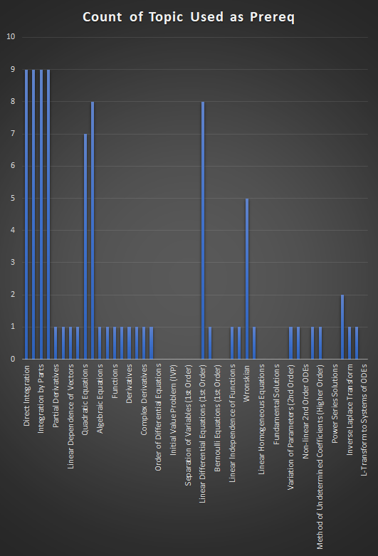
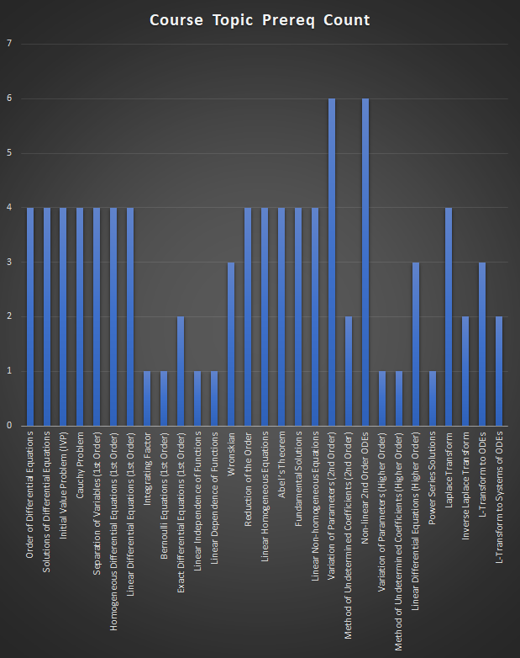
Mat 3613 | Direct Integration | Integration by Substitutions | Integration by Parts | Partial Fractions | Partial Derivatives | Linear Independence of Vectors | Linear Dependence of Vectors | Determinant | Quadratic Equations | Systems of Linear Equations | Algebraic Equations | Power Series Induction | Functions | Continuity | Derivatives | Improper Integrals | Complex Derivatives | Linear Equations | Order of Differential Equations | Solutions of Differential Equations | Initial Value Problem (IVP) | Cauchy Problem | Separation of Variables (1st Order) | Homogeneous Differential Equations (1st Order) | Linear Differential Equations (1st Order) | Integrating Factor | Bernoulli Equations (1st Order) | Exact Differential Equations (1st Order) | Linear Independence of Functions | Linear Dependence of Functions | Wronskian | Reduction of the Order | Linear Homogeneous Equations | Abel’s Theorem | Fundamental Solutions | Linear Non-homogeneous Equations | Variation of Parameters (2nd Order) | Method of Undetermined Coefficients (2nd Order) | Non-linear 2nd Order ODEs | Variation of Parameters (Higher Order) | Method of Undetermined Coefficients (Higher Order) | Linear Differential Equations (Higher Order) | Power Series Solutions | Laplace Transform | Inverse Laplace Transform | L-Transform to ODEs | L-Transform to Systems of ODEs | Course Topic Prereq Count
Order of Differential Equations | 1 | 1 | 1 | 1 |  |  |  |  |  |  |  |  |  |  |  |  |  |  |  |  |  |  |  |  |  |  |  |  |  |  |  |  |  |  |  |  |  |  |  |  |  |  |  |  |  |  |  | 4
Solutions of Differential Equations | 1 | 1 | 1 | 1 |  |  |  |  |  |  |  |  |  |  |  |  |  |  |  |  |  |  |  |  |  |  |  |  |  |  |  |  |  |  |  |  |  |  |  |  |  |  |  |  |  |  |  | 4
Initial Value Problem (IVP) | 1 | 1 | 1 | 1 |  |  |  |  |  |  |  |  |  |  |  |  |  |  |  |  |  |  |  |  |  |  |  |  |  |  |  |  |  |  |  |  |  |  |  |  |  |  |  |  |  |  |  | 4
Cauchy Problem | 1 | 1 | 1 | 1 |  |  |  |  |  |  |  |  |  |  |  |  |  |  |  |  |  |  |  |  |  |  |  |  |  |  |  |  |  |  |  |  |  |  |  |  |  |  |  |  |  |  |  | 4
Separation of Variables (1st Order) | 1 | 1 | 1 | 1 |  |  |  |  |  |  |  |  |  |  |  |  |  |  |  |  |  |  |  |  |  |  |  |  |  |  |  |  |  |  |  |  |  |  |  |  |  |  |  |  |  |  |  | 4
Homogeneous Differential Equations (1st Order) | 1 | 1 | 1 | 1 |  |  |  |  |  |  |  |  |  |  |  |  |  |  |  |  |  |  |  |  |  |  |  |  |  |  |  |  |  |  |  |  |  |  |  |  |  |  |  |  |  |  |  | 4
Linear Differential Equations (1st Order) | 1 | 1 | 1 | 1 |  |  |  |  |  |  |  |  |  |  |  |  |  |  |  |  |  |  |  |  |  |  |  |  |  |  |  |  |  |  |  |  |  |  |  |  |  |  |  |  |  |  |  | 4
Integrating Factor |  |  |  |  |  |  |  |  |  |  |  |  |  |  |  |  |  |  |  |  |  |  |  |  | 1 |  |  |  |  |  |  |  |  |  |  |  |  |  |  |  |  |  |  |  |  |  |  | 1
Bernoulli Equations (1st Order) |  |  |  |  |  |  |  |  |  |  |  |  |  |  |  |  |  |  |  |  |  |  |  |  | 1 |  |  |  |  |  |  |  |  |  |  |  |  |  |  |  |  |  |  |  |  |  |  | 1
Exact Differential Equations (1st Order) |  |  |  |  | 1 |  |  |  |  |  |  |  |  |  |  |  |  |  |  |  |  |  |  |  |  | 1 |  |  |  |  |  |  |  |  |  |  |  |  |  |  |  |  |  |  |  |  |  | 2
Linear Independence of Functions |  |  |  |  |  | 1 |  |  |  |  |  |  |  |  |  |  |  |  |  |  |  |  |  |  |  |  |  |  |  |  |  |  |  |  |  |  |  |  |  |  |  |  |  |  |  |  |  | 1
Linear Dependence of Functions |  |  |  |  |  |  | 1 |  |  |  |  |  |  |  |  |  |  |  |  |  |  |  |  |  |  |  |  |  |  |  |  |  |  |  |  |  |  |  |  |  |  |  |  |  |  |  |  | 1
Wronskian |  |  |  |  |  |  |  | 1 |  |  |  |  |  |  |  |  |  |  |  |  |  |  |  |  |  |  |  |  | 1 | 1 |  |  |  |  |  |  |  |  |  |  |  |  |  |  |  |  |  | 3
Reduction of the Order |  |  |  |  |  |  |  |  | 1 | 1 |  |  |  |  |  |  |  |  |  |  |  |  |  |  | 1 |  |  |  |  |  | 1 |  |  |  |  |  |  |  |  |  |  |  |  |  |  |  |  | 4
Linear Homogeneous Equations |  |  |  |  |  |  |  |  | 1 | 1 |  |  |  |  |  |  |  |  |  |  |  |  |  |  | 1 |  |  |  |  |  | 1 |  |  |  |  |  |  |  |  |  |  |  |  |  |  |  |  | 4
Abel’s Theorem |  |  |  |  |  |  |  |  | 1 | 1 |  |  |  |  |  |  |  |  |  |  |  |  |  |  | 1 |  |  |  |  |  | 1 |  |  |  |  |  |  |  |  |  |  |  |  |  |  |  |  | 4
Fundamental Solutions |  |  |  |  |  |  |  |  | 1 | 1 |  |  |  |  |  |  |  |  |  |  |  |  |  |  | 1 |  |  |  |  |  | 1 |  |  |  |  |  |  |  |  |  |  |  |  |  |  |  |  | 4
Linear Non-homogeneous Equations |  |  |  |  |  |  |  |  | 1 | 1 |  |  |  |  |  |  |  |  |  |  |  |  |  |  | 1 |  |  |  |  |  | 1 |  |  |  |  |  |  |  |  |  |  |  |  |  |  |  |  | 4
Variation of Parameters (2nd Order) | 1 | 1 | 1 | 1 |  |  |  |  | 1 | 1 |  |  |  |  |  |  |  |  |  |  |  |  |  |  |  |  |  |  |  |  |  |  |  |  |  |  |  |  |  |  |  |  |  |  |  |  |  | 6
Method of Undetermined Coefficients (2nd Order) |  |  |  |  |  |  |  |  | 1 | 1 |  |  |  |  |  |  |  |  |  |  |  |  |  |  |  |  |  |  |  |  |  |  |  |  |  |  |  |  |  |  |  |  |  |  |  |  |  | 2
Non-linear 2nd Order ODEs | 1 | 1 | 1 | 1 |  |  |  |  |  |  | 1 |  |  |  |  |  |  |  |  |  |  |  |  |  |  |  |  |  |  |  |  | 1 |  |  |  |  |  |  |  |  |  |  |  |  |  |  |  | 6
Variation of Parameters (Higher Order) |  |  |  |  |  |  |  |  |  |  |  |  |  |  |  |  |  |  |  |  |  |  |  |  |  |  |  |  |  |  |  |  |  |  |  |  | 1 |  |  |  |  |  |  |  |  |  |  | 1
Method of Undetermined Coefficients (Higher Order) |  |  |  |  |  |  |  |  |  |  |  |  |  |  |  |  |  |  |  |  |  |  |  |  |  |  |  |  |  |  |  |  |  |  |  |  |  | 1 |  |  |  |  |  |  |  |  |  | 1
Linear Differential Equations (Higher Order) |  |  |  |  |  |  |  |  |  |  |  |  |  |  |  |  |  |  |  |  |  |  |  |  | 1 |  |  |  |  |  |  |  |  |  |  |  |  |  |  | 1 | 1 |  |  |  |  |  |  | 3
Power Series Solutions |  |  |  |  |  |  |  |  |  |  |  | 1 |  |  |  |  |  |  |  |  |  |  |  |  |  |  |  |  |  |  |  |  |  |  |  |  |  |  |  |  |  |  |  |  |  |  |  | 1
Laplace Transform |  |  |  |  |  |  |  |  |  |  |  |  | 1 | 1 | 1 | 1 |  |  |  |  |  |  |  |  |  |  |  |  |  |  |  |  |  |  |  |  |  |  |  |  |  |  |  |  |  |  |  | 4
Inverse Laplace Transform |  |  |  |  |  |  |  |  |  |  |  |  |  |  |  |  | 1 |  |  |  |  |  |  |  |  |  |  |  |  |  |  |  |  |  |  |  |  |  |  |  |  |  |  | 1 |  |  |  | 2
L-Transform to ODEs |  |  |  |  |  |  |  |  |  |  |  |  |  |  |  |  |  | 1 |  |  |  |  |  |  |  |  |  |  |  |  |  |  |  |  |  |  |  |  |  |  |  |  |  | 1 | 1 |  |  | 3
L-Transform to Systems of ODEs |  |  |  |  |  |  |  |  |  | 1 |  |  |  |  |  |  |  |  |  |  |  |  |  |  |  |  |  |  |  |  |  |  |  |  |  |  |  |  |  |  |  |  |  |  |  | 1 |  | 2
Count of Topic Used as Prereq | 9 | 9 | 9 | 9 | 1 | 1 | 1 | 1 | 7 | 8 | 1 | 1 | 1 | 1 | 1 | 1 | 1 | 1 | 0 | 0 | 0 | 0 | 0 | 0 | 8 | 1 | 0 | 0 | 1 | 1 | 5 | 1 | 0 | 0 | 0 | 0 | 1 | 1 | 0 | 1 | 1 | 0 | 0 | 2 | 1 | 1 | 0

