Exp2Acc
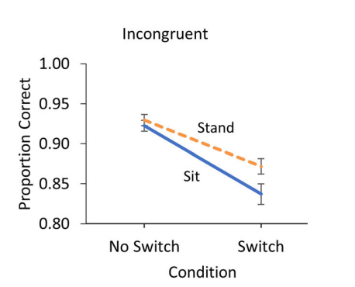
subj | sit_congruent_noswitch | sit_congruent_switch | sit_incongruent_noswitch | sit_incongruent_switch | stand_congruent_noswitch | stand_congruent_switch | stand_incongruent_noswitch | stand_incongruent_switch
1 | 1 | 1 | 0.957446809 | 0.951219512 | 0.98 | 1 | 0.931818182 | 0.893617021
2 | 0.976190476 | 0.977777778 | 0.980769231 | 0.795918367 | 0.98 | 0.981818182 | 0.906976744 | 0.8
3 | 0.977272727 | 0.979166667 | 0.98 | 0.934782609 | 0.980392157 | 0.931818182 | 0.953488372 | 0.9
4 | 0.892857143 | 0.88372093 | 0.815789474 | 0.549019608 | 0.980392157 | 1 | 0.952380952 | 0.952380952
5 | 1 | 0.98 | 0.925 | 0.933333333 | 0.977777778 | 0.979166667 | 0.959183673 | 0.956521739
6 | 1 | 0.95 | 0.956521739 | 0.867924528 | 1 | 1 | 0.886792453 | 0.837209302
7 | 0.962264151 | 0.9375 | 0.775 | 0.723404255 | 0.934782609 | 0.928571429 | 0.854166667 | 0.842105263
8 | 0.942307692 | 0.97826087 | 0.951219512 | 0.857142857 | 0.954545455 | 0.971428571 | 0.979591837 | 0.883333333
9 | 1 | 0.956521739 | 0.913043478 | 0.833333333 | 1 | 0.957446809 | 0.943396226 | 0.826086957
10 | 0.979591837 | 0.85106383 | 0.914893617 | 0.755555556 | 1 | 0.948717949 | 0.979166667 | 0.821428571
11 | 1 | 0.955555556 | 0.921568627 | 0.85106383 | 1 | 0.94 | 0.962264151 | 0.906976744
12 | 1 | 1 | 0.894736842 | 0.830188679 | 0.948275862 | 1 | 1 | 0.951219512
13 | 0.95 | 0.977272727 | 0.924528302 | 0.960784314 | 0.976744186 | 0.978723404 | 0.960784314 | 0.936170213
14 | 0.933333333 | 0.961538462 | 0.98 | 0.853658537 | 0.918367347 | 0.926829268 | 0.888888889 | 0.943396226
15 | 1 | 0.934782609 | 0.975609756 | 0.833333333 | 0.98 | 0.977272727 | 0.930232558 | 0.882352941
16 | 0.928571429 | 0.816326531 | 0.901960784 | 0.804347826 | 0.950819672 | 0.923076923 | 1 | 0.853658537
17 | 0.97826087 | 0.959183673 | 0.979591837 | 0.909090909 | 0.972222222 | 0.9 | 0.931034483 | 0.795454545
18 | 0.931818182 | 0.904761905 | 0.921568627 | 0.862745098 | 0.890909091 | 0.957446809 | 0.923076923 | 0.85106383
19 | 1 | 0.916666667 | 0.925925926 | 0.847826087 | 0.97826087 | 0.913043478 | 0.93877551 | 0.893617021
20 | 0.913043478 | 0.815789474 | 0.916666667 | 0.839285714 | 0.960784314 | 0.840909091 | 0.953488372 | 0.9
21 | 1 | 1 | 1 | 0.936170213 | 0.956521739 | 0.951219512 | 0.93877551 | 0.942307692
22 | 1 | 0.933333333 | 0.875 | 0.836734694 | 0.975609756 | 0.952380952 | 0.867924528 | 0.807692308
23 | 1 | 0.965517241 | 0.960784314 | 0.837837838 | 0.961538462 | 0.954545455 | 0.909090909 | 0.895833333
24 | 0.961538462 | 0.930232558 | 0.906976744 | 0.88 | 1 | 0.976744186 | 0.958333333 | 0.862745098
25 | 1 | 0.959183673 | 0.846153846 | 0.818181818 | 1 | 0.911111111 | 0.909090909 | 0.78
26 | 0.909090909 | 0.826086957 | 0.882352941 | 0.617021277 | 0.977272727 | 0.955555556 | 0.803921569 | 0.75
27 | 0.960784314 | 0.98 | 0.906976744 | 0.795454545 | 0.954545455 | 0.974358974 | 0.88 | 0.727272727
28 | 1 | 0.891304348 | 0.954545455 | 0.958333333 | 0.953488372 | 0.953488372 | 0.903846154 | 0.92
29 | 1 | 1 | 0.959183673 | 0.953488372 | 0.980392157 | 0.979591837 | 0.976744186 | 0.977777778
30 | 0.914893617 | 0.9 | 0.872340426 | 0.685185185 | 0.975 | 0.918367347 | 0.907407407 | 0.866666667

*proportion correct
 | 0.97 | 0.94 | 0.92 | 0.84 | 0.97 | 0.95 | 0.93 | 0.87
 | 0.03 | 0.05 | 0.05 | 0.10 | 0.03 | 0.04 | 0.04 | 0.06

