Sheet1
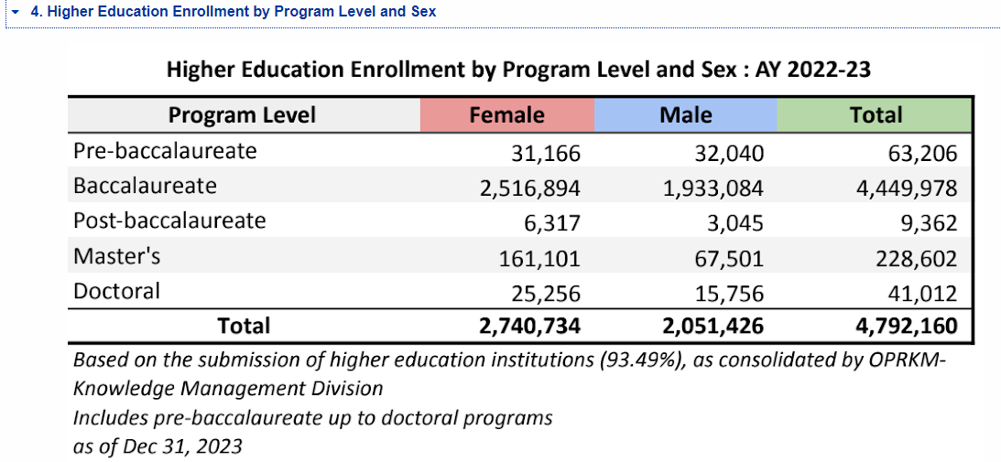
Number of Students enrolled in the philippines as of 2022-2023
 | PROGRAM LEVEL | FEMALE | MALE | TOTAL
 | PRE-BACCALAUREATE | 31,166 | 32,040 | 63,206
 | BACCALAUREATE | 2,516,894 | 1,933,084 | 4,449,978
 | POST-BACCALAUREATE | 6,317 | 3,045 | 9,362
 | MASTER'S | 161,101 | 67,501 | 228,602
 | DOCTORAL | 25,256 | 15,756 | 41,012
 | TOTAL | 2,740,734 | 2,051,426 | 4,792,160

Number of professors on higher education in the Philippines

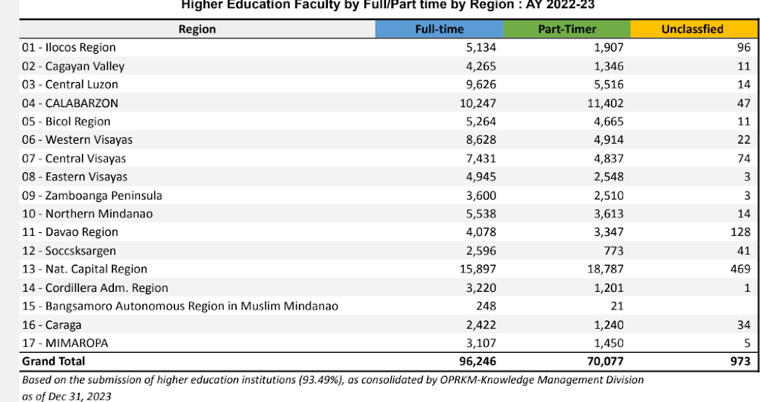
 | No. of Prof in the PH | Full-time | Part-timer | Unclassified | Total
 |  | 96246 | 70077 | 973 | 167296

Number of listed colleges and universities in the Philippines based on CHED AY 2023 - 2024
There are 2,405 listed institution on CHED as of 2024

Number of courses offered in the philippines
164 including masteral and doctorate based on finduniversity.ph

Number of units per sem in college philipplines based on Qoura forum and
12-15 units
18-24 units per sem based on research of Manla.ph

