PIVOT TABLES
Sum of Ratings and Average Discount
Row Labels | Count of Ratings | Average of Discount
Average | 13.0 | 0.4
Excellent | 32.0 | 0.4
Poor | 12.0 | 0.4
Grand Total | 57.0 | 0.4

Row Labels | Average of Ratings | Sum of Discount | Count of Review
High Discount | 3.6 | 30.0 | 30.0
Low Discount | 3.7 | 1.3 | 4.0
Medium Discount | 4.3 | 9.9 | 23.0
Grand Total | 3.9 | 41.2 | 57.0

Sum of Reviews
Row Labels | Average of Ratings
High Discount | 3.61
Low Discount | 3.72
Medium Discount | 4.28
Grand Total | 3.89

Total Average Ratings
Row Labels | Average of Current price | Average of old price
Average | 1482.38 | 2219.46
Excellent | 1330.32 | 2078.32
Poor | 1054.04 | 1594.97
Grand Total | 1181.37 | 1803.10

Row Labels | Sum of Current price | Sum of old price
High Discount | 46898 | 90616
Low Discount | 35265 | 38427
Medium Discount | 48969 | 71101
Grand Total | 131132 | 200144

Average of Ratings

Average Current Price vs Old Price

Sum of Current Price vs Old Price

DASHBOARD
JUMIA PRODUCTS DASHBOARD

HIGHEST RATED PRODUCT
LASA Aluminum Folding Truck Hand Cart - 68kg Max
MOST REVIEWED PRODUCT
120W Cordless Vacuum Cleaners Handheld Electric Vacuum Cleaner
TOTAL PRODUCTS
113
AVERAGE RATING
3.8
TOTAL REVIEWS
728
AVERAGE CURRENT PRICE
KSH 1,803.10
AVERAGE CURRENT PRICE
KSH 1,181.37

Total Average Ratings
 | Total
High Discount | 3.61
Low Discount | 3.72
Medium Discount | 4.28
Sum of Ratings and Average Discount
 | Count of Ratings | Average of Discount
Average | 13.0 | 0.4
Excellent | 32.0 | 0.4
Poor | 12.0 | 0.4
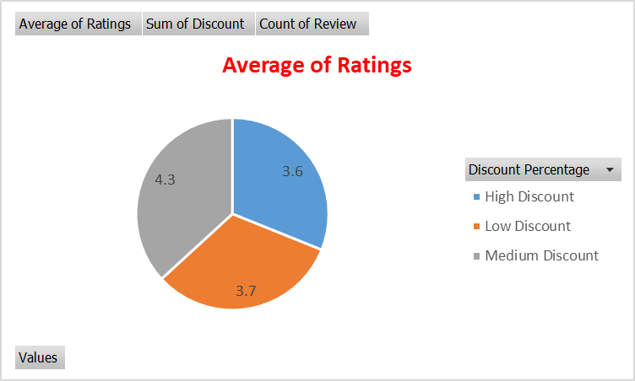

Average of Ratings
 | Average of Ratings | Sum of Discount | Count of Review
High Discount | 3.6 | 30.0 | 30.0
Low Discount | 3.7 | 1.3 | 4.0
Medium Discount | 4.3 | 9.9 | 23.0
Sum of Reviews
 | Average of Ratings | Sum of Discount | Count of Review
High Discount | 3.6 | 30.0 | 30.0
Low Discount | 3.7 | 1.3 | 4.0
Medium Discount | 4.3 | 9.9 | 23.0
Total Average Ratings
 | Total
High Discount | 3.61
Low Discount | 3.72
Medium Discount | 4.28

