cell damage assay
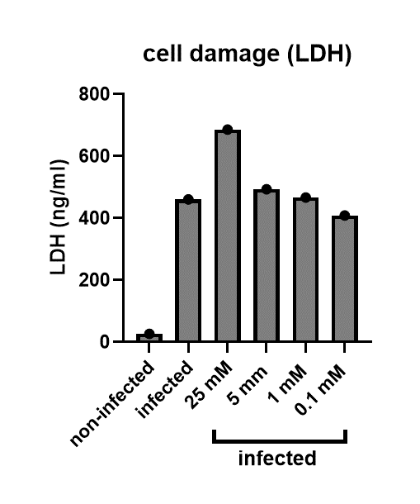
 | R1
non-infected | 26.9811321
Ca | 461.320755
25 mM + Ca | 686.037736
5 mm + Ca | 493.584906
1 mM + Ca | 466.981132
0.1 mM + Ca | 408.867925

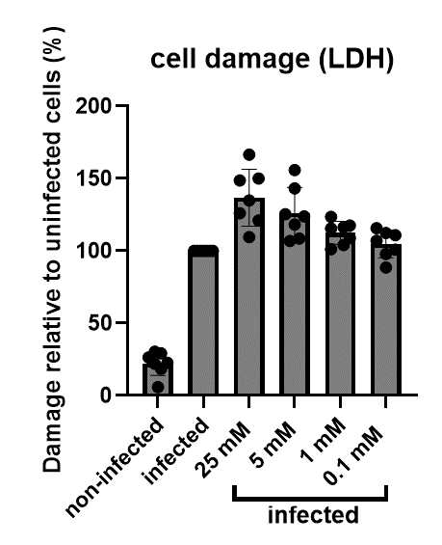
cells+ ca = 100%
 | R1 | R2 | R3 | R4 | R5 | R6 | R7
non-infected | 5.84867076 | 29.1698693 | 26.3716167 | 30.4285026 | 18.6065743 | 22.0177796 | 22.7206946
Ca | 100 | 100 | 100 | 100 | 100 | 100 | 100
25 mM + Ca | 148.711656 | 109.53113 | 126.042429 | 166.634569 | 150.113707 | 134.865659 | 121.051664
5 mm + Ca | 106.993865 | 123.981553 | 108.558888 | 155.89793 | 143.332644 | 118.303946 | 125.372311
1 mM + Ca | 101.226994 | 123.520369 | 104.133138 | 115.551276 | 117.634898 | 108.921075 | 116.363302
0.1 mM + Ca | 88.6298569 | 110.876249 | 97.8785662 | 115.792008 | 107.008476 | 100.965575 | 112.336827

Growth curve
Time (h) | C. albicans SC 5314 |  |  |  | control
 | R1 | R2 | R3 | R4 | R1 | R2 | R3 | R4
0 | 0 | 0 | 0 | 0 | 0 | 0 | 0 | 0
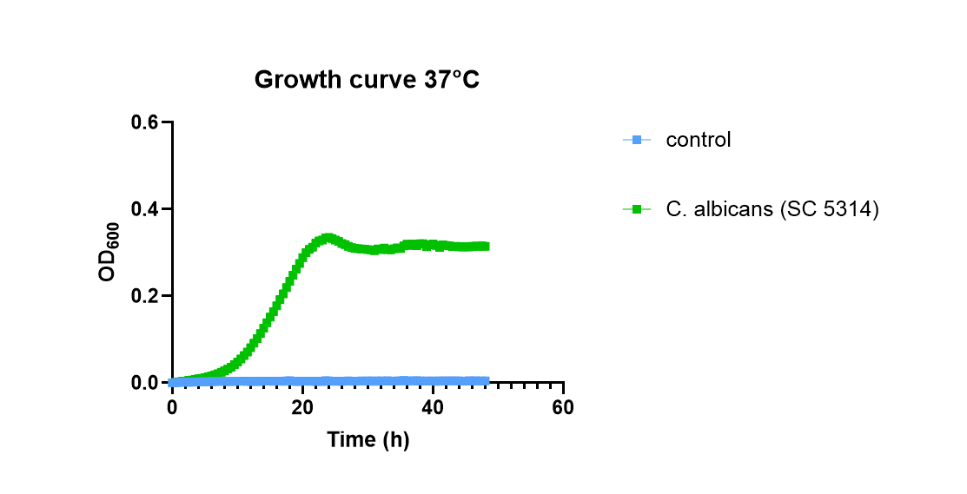
0.5 | 0.0015 | 0.002 | 0.0025 | 0.002 | 0.002 | 0.002 | 0.004 | 0.0015
1 | 0.003 | 0.003 | 0.003 | 0.003 | 0.003 | 0.004 | 0.005 | 0.003
1.5 | 0.0045 | 0.0035 | 0.004 | 0.004 | 0.0045 | 0.0045 | 0.006 | 0.004
2 | 0.006 | 0.004 | 0.004 | 0.004 | 0.005 | 0.005 | 0.007 | 0.004
2.5 | 0.008 | 0.0055 | 0.0055 | 0.006 | 0.0065 | 0.006 | 0.0065 | 0.005
3 | 0.009 | 0.006 | 0.006 | 0.007 | 0.008 | 0.007 | 0.007 | 0.006
3.5 | 0.0105 | 0.0075 | 0.0075 | 0.0085 | 0.009 | 0.007 | 0.009 | 0.007
4 | 0.012 | 0.009 | 0.009 | 0.01 | 0.009 | 0.008 | 0.009 | 0.007
4.5 | 0.0125 | 0.0095 | 0.0095 | 0.011 | 0.009 | 0.008 | 0.0085 | 0.007
5 | 0.014 | 0.012 | 0.011 | 0.013 | 0.009 | 0.008 | 0.008 | 0.007
5.5 | 0.0145 | 0.0135 | 0.013 | 0.0155 | 0.009 | 0.008 | 0.01 | 0.007
6 | 0.016 | 0.016 | 0.015 | 0.018 | 0.01 | 0.008 | 0.01 | 0.007
6.5 | 0.017 | 0.019 | 0.018 | 0.021 | 0.01 | 0.008 | 0.01 | 0.007
7 | 0.018 | 0.023 | 0.021 | 0.024 | 0.01 | 0.008 | 0.01 | 0.007
7.5 | 0.019 | 0.0275 | 0.024 | 0.028 | 0.01 | 0.009 | 0.01 | 0.008
8 | 0.02 | 0.033 | 0.028 | 0.032 | 0.01 | 0.009 | 0.01 | 0.008
8.5 | 0.0205 | 0.0395 | 0.0315 | 0.0375 | 0.01 | 0.009 | 0.01 | 0.008
9 | 0.021 | 0.047 | 0.036 | 0.041 | 0.01 | 0.009 | 0.011 | 0.008
9.5 | 0.0225 | 0.056 | 0.042 | 0.049 | 0.01 | 0.009 | 0.0105 | 0.008
10 | 0.023 | 0.067 | 0.048 | 0.055 | 0.01 | 0.009 | 0.01 | 0.008
10.5 | 0.024 | 0.078 | 0.056 | 0.0635 | 0.011 | 0.009 | 0.011 | 0.008
11 | 0.025 | 0.092 | 0.064 | 0.072 | 0.011 | 0.009 | 0.011 | 0.008
11.5 | 0.0255 | 0.1075 | 0.0725 | 0.0805 | 0.011 | 0.009 | 0.011 | 0.008
12 | 0.026 | 0.124 | 0.084 | 0.091 | 0.011 | 0.009 | 0.011 | 0.008
12.5 | 0.027 | 0.144 | 0.094 | 0.102 | 0.011 | 0.01 | 0.011 | 0.008
13 | 0.027 | 0.163 | 0.106 | 0.113 | 0.011 | 0.01 | 0.011 | 0.008
13.5 | 0.028 | 0.184 | 0.118 | 0.1245 | 0.011 | 0.01 | 0.011 | 0.008
14 | 0.029 | 0.205 | 0.133 | 0.139 | 0.011 | 0.01 | 0.011 | 0.008
14.5 | 0.0295 | 0.227 | 0.1465 | 0.153 | 0.011 | 0.01 | 0.011 | 0.008
15 | 0.03 | 0.25 | 0.16 | 0.167 | 0.011 | 0.01 | 0.011 | 0.008
15.5 | 0.03 | 0.2725 | 0.175 | 0.1805 | 0.011 | 0.01 | 0.011 | 0.008
16 | 0.031 | 0.296 | 0.19 | 0.195 | 0.011 | 0.01 | 0.011 | 0.008
16.5 | 0.0315 | 0.317 | 0.21 | 0.211 | 0.011 | 0.01 | 0.0115 | 0.008
17 | 0.032 | 0.344 | 0.221 | 0.225 | 0.011 | 0.01 | 0.011 | 0.008
17.5 | 0.0325 | 0.3685 | 0.2385 | 0.2405 | 0.011 | 0.01 | 0.0115 | 0.008
18 | 0.033 | 0.395 | 0.254 | 0.255 | 0.011 | 0.01 | 0.011 | 0.008
18.5 | 0.0335 | 0.418 | 0.2715 | 0.2705 | 0.011 | 0.01 | 0.0115 | 0.008
19 | 0.034 | 0.444 | 0.285 | 0.286 | 0.011 | 0.01 | 0.011 | 0.008
19.5 | 0.0345 | 0.464 | 0.302 | 0.3005 | 0.011 | 0.01 | 0.011 | 0.008
20 | 0.035 | 0.482 | 0.322 | 0.317 | 0.011 | 0.01 | 0.011 | 0.008
20.5 | 0.0355 | 0.495 | 0.338 | 0.3325 | 0.0115 | 0.01 | 0.011 | 0.008
21 | 0.036 | 0.502 | 0.348 | 0.346 | 0.011 | 0.01 | 0.011 | 0.008
21.5 | 0.0365 | 0.4965 | 0.3625 | 0.3565 | 0.011 | 0.01 | 0.011 | 0.008
22 | 0.037 | 0.49 | 0.385 | 0.377 | 0.012 | 0.01 | 0.011 | 0.008
22.5 | 0.038 | 0.483 | 0.3965 | 0.392 | 0.0115 | 0.01 | 0.011 | 0.008
23 | 0.038 | 0.476 | 0.399 | 0.404 | 0.011 | 0.01 | 0.011 | 0.008
23.5 | 0.039 | 0.47 | 0.411 | 0.418 | 0.012 | 0.01 | 0.011 | 0.008
24 | 0.04 | 0.465 | 0.409 | 0.428 | 0.012 | 0.01 | 0.011 | 0.008
24.5 | 0.0395 | 0.461 | 0.3975 | 0.4325 | 0.0115 | 0.01 | 0.011 | 0.008
25 | 0.04 | 0.459 | 0.385 | 0.433 | 0.011 | 0.01 | 0.011 | 0.008
25.5 | 0.041 | 0.4555 | 0.382 | 0.4275 | 0.0115 | 0.01 | 0.011 | 0.008
26 | 0.041 | 0.454 | 0.373 | 0.418 | 0.011 | 0.01 | 0.011 | 0.008
26.5 | 0.0425 | 0.4525 | 0.371 | 0.409 | 0.011 | 0.01 | 0.011 | 0.008
27 | 0.043 | 0.451 | 0.366 | 0.399 | 0.011 | 0.01 | 0.011 | 0.008
27.5 | 0.0435 | 0.4495 | 0.363 | 0.392 | 0.011 | 0.01 | 0.011 | 0.008
28 | 0.044 | 0.449 | 0.361 | 0.387 | 0.011 | 0.01 | 0.011 | 0.007
28.5 | 0.045 | 0.449 | 0.3595 | 0.3845 | 0.011 | 0.01 | 0.011 | 0.0075
29 | 0.045 | 0.449 | 0.359 | 0.382 | 0.011 | 0.01 | 0.011 | 0.008
29.5 | 0.046 | 0.4495 | 0.357 | 0.3805 | 0.011 | 0.01 | 0.011 | 0.0075
30 | 0.046 | 0.449 | 0.356 | 0.379 | 0.011 | 0.01 | 0.011 | 0.007
30.5 | 0.0475 | 0.45 | 0.3535 | 0.3745 | 0.0115 | 0.01 | 0.011 | 0.007
31 | 0.048 | 0.449 | 0.352 | 0.37 | 0.011 | 0.01 | 0.011 | 0.007
31.5 | 0.0485 | 0.4525 | 0.3565 | 0.377 | 0.012 | 0.01 | 0.011 | 0.007
32 | 0.049 | 0.449 | 0.356 | 0.376 | 0.012 | 0.01 | 0.011 | 0.007
32.5 | 0.0495 | 0.464 | 0.355 | 0.375 | 0.012 | 0.01 | 0.011 | 0.007
33 | 0.05 | 0.45 | 0.355 | 0.375 | 0.012 | 0.01 | 0.011 | 0.007
33.5 | 0.051 | 0.4505 | 0.3535 | 0.3715 | 0.0115 | 0.01 | 0.011 | 0.007
34 | 0.051 | 0.457 | 0.355 | 0.374 | 0.012 | 0.01 | 0.011 | 0.007
34.5 | 0.0515 | 0.464 | 0.356 | 0.374 | 0.012 | 0.01 | 0.011 | 0.007
35 | 0.052 | 0.459 | 0.355 | 0.374 | 0.012 | 0.01 | 0.011 | 0.007
35.5 | 0.0525 | 0.48 | 0.3555 | 0.375 | 0.012 | 0.01 | 0.011 | 0.007
36 | 0.053 | 0.494 | 0.357 | 0.375 | 0.012 | 0.01 | 0.011 | 0.007
36.5 | 0.054 | 0.482 | 0.3565 | 0.375 | 0.012 | 0.01 | 0.011 | 0.007
37 | 0.054 | 0.495 | 0.357 | 0.375 | 0.012 | 0.01 | 0.011 | 0.007
37.5 | 0.055 | 0.4755 | 0.358 | 0.376 | 0.012 | 0.01 | 0.011 | 0.007
38 | 0.055 | 0.494 | 0.358 | 0.376 | 0.012 | 0.01 | 0.011 | 0.007
38.5 | 0.056 | 0.492 | 0.3585 | 0.376 | 0.012 | 0.01 | 0.011 | 0.007
39 | 0.056 | 0.464 | 0.359 | 0.376 | 0.012 | 0.01 | 0.011 | 0.007
39.5 | 0.0565 | 0.48 | 0.3595 | 0.377 | 0.012 | 0.01 | 0.011 | 0.007
40 | 0.057 | 0.487 | 0.361 | 0.377 | 0.012 | 0.01 | 0.011 | 0.007
40.5 | 0.0575 | 0.473 | 0.36 | 0.3775 | 0.012 | 0.01 | 0.011 | 0.007
41 | 0.058 | 0.454 | 0.36 | 0.378 | 0.012 | 0.01 | 0.011 | 0.007
41.5 | 0.0585 | 0.4715 | 0.363 | 0.3795 | 0.012 | 0.01 | 0.011 | 0.007
42 | 0.059 | 0.467 | 0.362 | 0.379 | 0.012 | 0.01 | 0.011 | 0.007
42.5 | 0.059 | 0.4625 | 0.362 | 0.3795 | 0.012 | 0.01 | 0.011 | 0.007
43 | 0.06 | 0.457 | 0.362 | 0.379 | 0.012 | 0.01 | 0.011 | 0.007
43.5 | 0.06 | 0.458 | 0.362 | 0.3795 | 0.012 | 0.01 | 0.011 | 0.007
44 | 0.06 | 0.454 | 0.362 | 0.38 | 0.012 | 0.01 | 0.011 | 0.007
44.5 | 0.0615 | 0.4535 | 0.3605 | 0.3775 | 0.012 | 0.01 | 0.0115 | 0.007
45 | 0.061 | 0.452 | 0.362 | 0.381 | 0.012 | 0.01 | 0.011 | 0.007
45.5 | 0.0615 | 0.4505 | 0.362 | 0.379 | 0.0115 | 0.01 | 0.0115 | 0.007
46 | 0.062 | 0.452 | 0.364 | 0.382 | 0.012 | 0.01 | 0.011 | 0.007
46.5 | 0.0625 | 0.453 | 0.3635 | 0.3825 | 0.012 | 0.01 | 0.011 | 0.007
47 | 0.063 | 0.452 | 0.363 | 0.382 | 0.012 | 0.01 | 0.011 | 0.007
47.5 | 0.063 | 0.454 | 0.3635 | 0.382 | 0.012 | 0.01 | 0.011 | 0.007
48 | 0.063 | 0.452 | 0.362 | 0.382 | 0.012 | 0.01 | 0.011 | 0.007

