Instructions
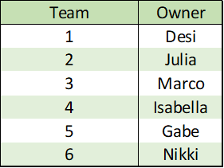
League Info
Into the 'League Info' table, enter the number of teams in your league.

On the chart to the right, there are two types of rosters listed. Currently, these are the only two roster types supported by this program. Enter into the chart which "type" of roster your league uses. If your league uses a different roster setup, please contact me and I can work on optimizing this program for your league.

Once this is done, click the "Submit Info" button. A table will appear where you can enter the names of the team owners in your league. Fill in the table.

Schedule
On the 'League Info' sheet, fill in the table with each team's weekly schedule. Do not type in the owners, their names will show up automatically when entered in the table above it. Only type in their weekly opponent. The schedule should look like the picture on the right.

Once completed, click the "Make Tables" button to continue.

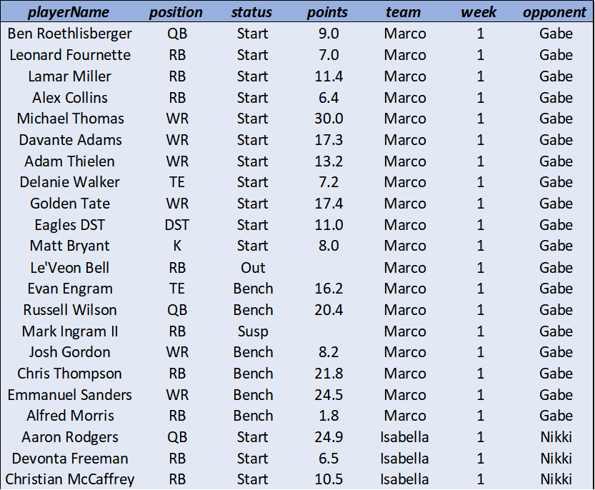
Stats Sheet
The three buttons just change the color of the stats table. They do not delete the contents of the table. They will know how long your table is based on the "Number of weeks entered" you type in right above them.

In the large table you just created, type out each player's name, position, status, points, team, week, and opponend. Make sure the flex player is in the correct spot (as indicated by the team Type) relative to other players on the team for a given week. Do not include players in the IR slot. The positions must be typed in as seen in the table on the right. The "Status" of a player can either be "Start", "Bench", "Out", "Bye" or "Susp" (suspended). Any other status designation may result in an error. "Out" only refers to a player who does not play in a game (players who are injured during the game are not considered "Out") that are not suspended or on a bye. When calculating "Most Out", this does account for all players who were out, suspended, or on a bye. For these players, do not record a points value. Your table should look like the one on the right.

Awards
The "Points Table" button calculates the scores for each team during each week. The "Standings Table" button calculates the result of each team's match and each team's cumulative record. Type "Clear" into the top-left-most cell for each table if you want them to be cleared when you use the "Clear Tables" button. If you leave those cells blank, they will not erase when you use the "Clear Tables" button.

In order to view the awards for a week, you must first "calculate" that week. In the 'Calculate Week' table, enter the week you want to begin calculating from to the week you want to calculate until. If you only want to calculate one week, make that week both the starting and ending week. The "Calculate Week" button will calculate the awards in the table to the right. The "Clear Tables" button also clears these values. If you want to clear the above tables but not the table on the right, make the starting and ending week high numbers (50+) before using the clear button. SAVE THE SPREADSHEET BEFORE EVERY CALCULATION!! Calculating weeks could take a while.

To view the awards for a certain week, type "Week 1", "Week 2", etc. in the top cell of the Awards char. The week's results must have already been calculated on the table to it's right. It should look like this chart on the right.

