Summery
D a I l y S t o c k b o t S u m m e r y

Activty
Activity

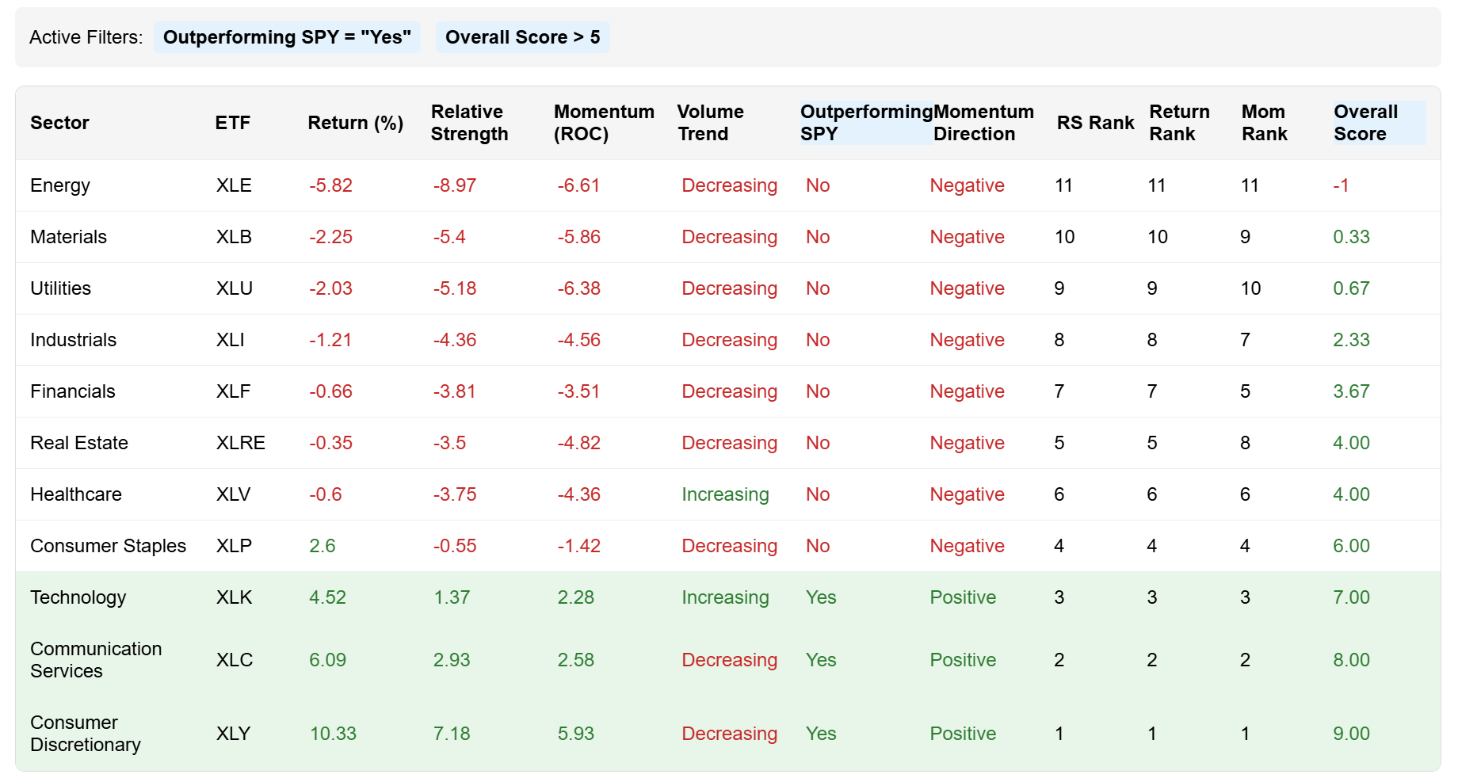
Sector ETFs
 |  |  |  |  |  | YES |  |  |  |  | > 5 | > 6 | > 7 | > 8 |  |  | TA Score | Status | Daily P&L | Daily P&L %
Sector | ETF | Return (%) | Relative Strength | Momentum (ROC) | Volume Trend | Outperforming SPY | Momentum Direction | Relative Strength Rank | Return Rank | Momentum Rank | Overall Score |  |  |  | Palenter | PLTR | 80 | Pending | -- | --
Energy | XLE | -5.82 | -8.97 | -6.61 | Decreasing | No | Negative | 11 | 11 | 11 | -1 |  |  |  | Tesla | TSLA | 72 | IN TRADE | 200.00 | 2.3%
Materials | XLB | -2.25 | -5.4 | -5.86 | Decreasing | No | Negative | 10 | 10 | 9 | 0.333333 |  |  |  | Roku | Roku | 65 | Completed | -124.00 | -1.2%
Utilities | XLU | -2.03 | -5.18 | -6.38 | Decreasing | No | Negative | 9 | 9 | 10 | 0.666667
Industrials | XLI | -1.21 | -4.36 | -4.56 | Decreasing | No | Negative | 8 | 8 | 7 | 2.333333 |  |  |  |  |  |  | Totals | 76.00 | 1.1%
Financials | XLF | -0.66 | -3.81 | -3.51 | Decreasing | No | Negative | 7 | 7 | 5 | 3.666667
Real_Estate | XLRE | -0.35 | -3.5 | -4.82 | Decreasing | No | Negative | 5 | 5 | 8 | 4
Healthcare | XLV | -0.6 | -3.75 | -4.36 | Increasing | No | Negative | 6 | 6 | 6 | 4
Consumer Staples | XLP | 2.6 | -0.55 | -1.42 | Decreasing | No | Negative | 4 | 4 | 4 | 6
Technology | XLK | 4.52 | 1.37 | 2.28 | Increasing | Yes | Positive | 3 | 3 | 3 | 7
Communication Services | XLC | 6.09 | 2.93 | 2.58 | Decreasing | Yes | Positive | 2 | 2 | 2 | 8
Consumer Discretionary | XLY | 10.33 | 7.18 | 5.93 | Decreasing | Yes | Positive | 1 | 1 | 1 | 9

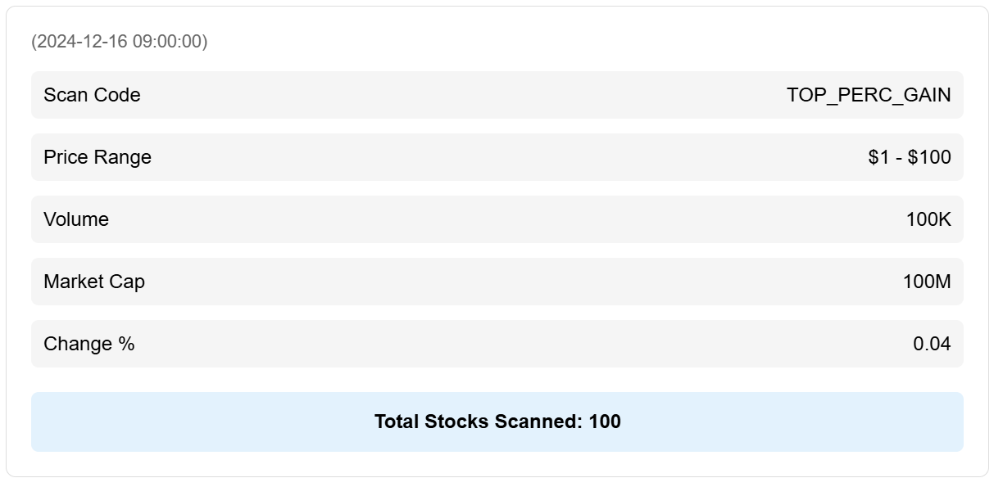
Stock Scanned
(2024-12-16 09:00:00)
Scan Code |  | TOP_PERC_GAIN
Price Range |  | $1 - $100
Volume |  | 100K
Market Cap |  | 100M
Change % |  | 0.04
Total Stocks Scanned |  | 100

Stocks Validated

Valdiated Fundamentals
rank | symbol | Fundamentals Passed |  | Sector1 Valid | Sector2 Valid | Market Cap > 300M | Vol 10DayMA > 300K | Close > $1
1 | TSLA | TRUE |  | TRUE | TRUE | TRUE | TRUE | TRUE
2 | AAPL | TRUE |  | TRUE | TRUE | TRUE | TRUE | TRUE
3 | MSFT | FALSE |  | TRUE | FALSE | TRUE | TRUE | FALSE

Valdiated TA
rank | symbol | TA Passed |  | Sector1 Valid | Above 200MA | Above 150MA | Breaks Above 50MA | 50MA Slope > 0 | Gap Up > 4% | Volume > 50K | Volume Above 10MA | Volume Dev > 80%
1 | TSLA | FALSE |  | TRUE | TRUE | TRUE | FALSE | TRUE | TRUE | TRUE | FALSE | FALSE
2 | AAPL | FALSE |  | TRUE | TRUE | TRUE | FALSE | TRUE | FALSE | TRUE | FALSE | FALSE
3 | MSFT | FALSE |  | TRUE | TRUE | TRUE | FALSE | TRUE | FALSE | TRUE | FALSE | FALSE

Stock Scores

Daily TA Scores

