Coding Decoding
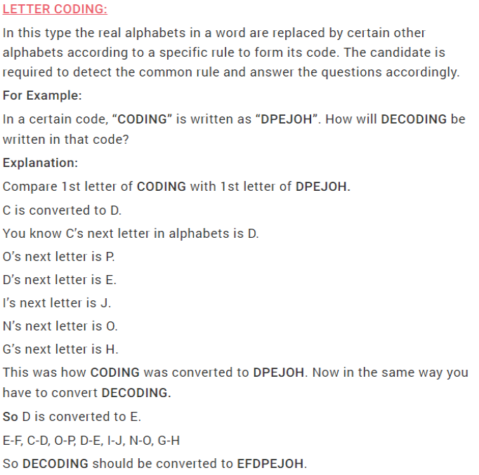
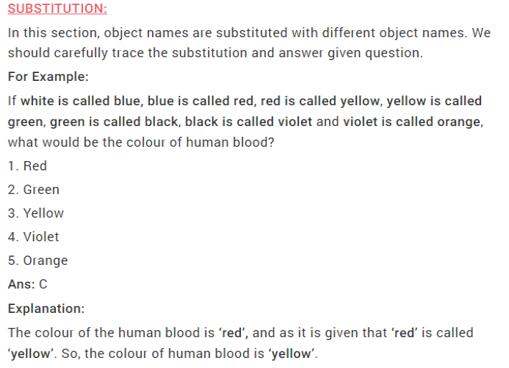
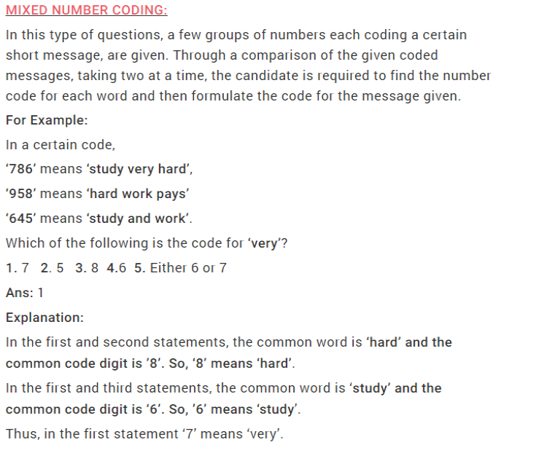
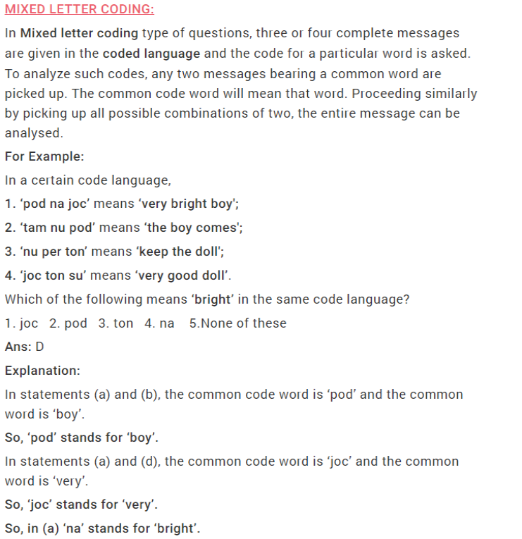
Various types on which Coding and Decoding are classified are (as per Bank Exams):
1. Letter Coding
2. Substitution
3. Mixed Letter Coding
4. Mixed Number Coding

