Information
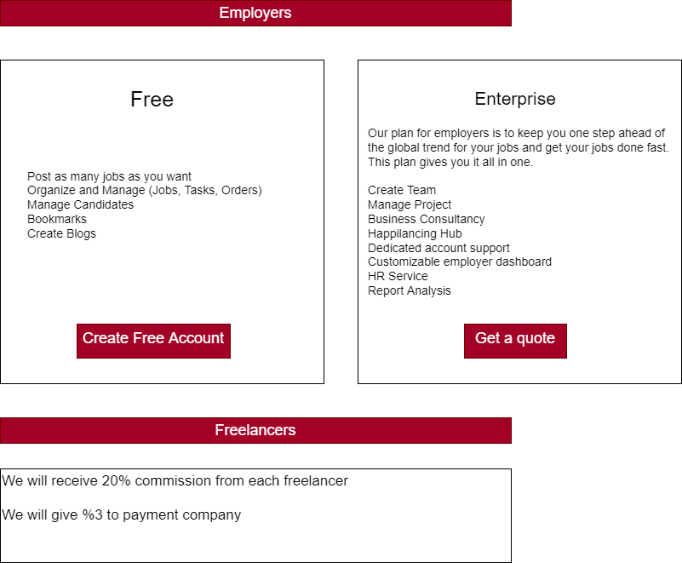
Market Place | Freelancer Commission | Employer Commission | Website
Mostaqel | 20% TO FIRST 500$ | 2.75 % FROM Employer | https://mostaql.com/
 | 15% FROM 500$ TO 5.000%
 | 7% UP TO 5.000$
Khamsat | 20% FROM FREELANCER | 5% OR 1$ To cover the costs of payment gateways | khamsat https://khamsat.com/
UPWORK | 20% TO FIRST 500$ | 0% FROM Employer | https://www.upwork.com/
 | 10% FROM 500$ TO 5.000%
 | 5% UP TO 5.000$
Fiverr | 20% for each service provided | 0% FROM Employer | https://www.fiverr.com
JamTalent | 0% FROM FREELANCER | Buying membership plan | https://jamtalent.net/

