US05
User Story
[FSCMS] search list of members Story New 1 Medium -- (API) Nien
Task | Detail | DEV | UNIT TEST | TESTING | Research
Show all member as default | Show all user if don't have condition (default) | 2 hours | 2 hours
 | Search theo Ldap | 2 hours | 2 hours
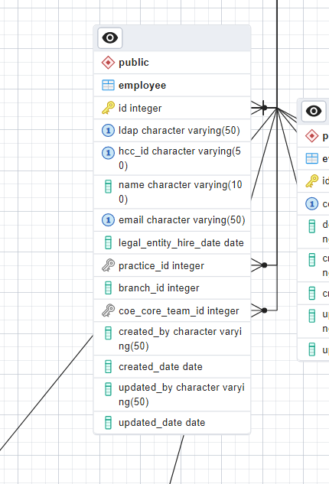
 | Search theo Hcc_id | 2 hours | 2 hours
 | Search theo name | 2 hours | 2 hours |  |  | As a user, I want to be able to view and search information of members data in the system so that I can see an overview of all members and can filter base on my criteria Function detail: - Show all member as default - If user select more than one condition to search => Result must be return by combine all condition
 | Search theo email | 2 hours | 2 hours
 | Search theo practice | 2 hours | 2 hours
 | Search theo coe_core_team_id | 2 hours | 2 hours
If user select more than one condition to search => Result must be return by combine all condition | Search on Params when user fill input | 2 hours | 2 hours

 | Create Api

 |  |  | name | descreption
 |  |  | phu | data

