List
Number | Photo | First Name | Last Name | Birth Date | Death Date | State | Presidency Start | Presidency End | Party
1 | 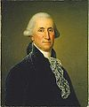 | George | Washington | 2/22/1732 | 12/14/1799 | Virginia | 4/30/1789 | 3/4/1797 | Unaffiliated
2 | 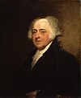 | John | Adams | 10/30/1735 | 7/4/1826 | Massachusetts | 3/4/1797 | 3/4/1801 | Federalist
3 |  | Thomas | Jefferson | 4/13/1743 | 7/4/1826 | Virginia | 3/4/1801 | 3/4/1809 | Democratic-Republican
4 | 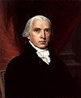 | James | Madison | 3/16/1751 | 6/28/1836 | Virginia | 3/4/1809 | 3/4/1817 | Democratic-Republican
5 | 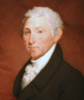 | James | Monroe | 4/28/1758 | 7/4/1831 | Virginia | 3/4/1817 | 3/4/1825 | Democratic-Republican
6 | 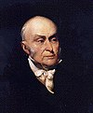 | John Quincy | Adams | 7/11/1767 | 2/28/1848 | Massachusetts | 3/4/1825 | 3/4/1829 | Democratic-Republican
7 | 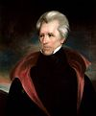 | Andrew | Jackson | 3/15/1767 | 6/8/1845 | South Carolina | 3/4/1829 | 3/4/1837 | Democratic
8 | 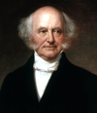 | Martin | Van Buren | 12/5/1782 | 7/24/1862 | New York | 3/4/1837 | 3/4/1841 | Democratic
9 | 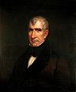 | William | Harrison | 2/9/1773 | 4/4/1841 | Virginia | 3/4/1841 | 4/4/1841 | Whig
10 | 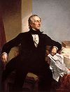 | John | Tyler | 3/29/1790 | 1/18/1862 | Virginia | 4/4/1841 | 3/4/1845 | Whig
11 | 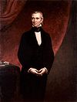 | James | Polk | 11/2/1795 | 6/15/1849 | North Carolina | 3/4/1845 | 3/4/1849 | Democratic
12 | 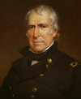 | Zachary | Taylor | 11/24/1784 | 7/9/1850 | Virginia | 3/4/1849 | 7/9/1850 | Whig
13 | 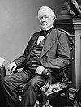 | Millard | Fillmore | 1/7/1800 | 3/8/1874 | New York | 7/9/1850 | 3/4/1853 | Whig
14 | 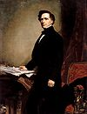 | Franklin | Pierce | 11/23/1804 | 10/8/1869 | New Hampshire | 3/4/1853 | 3/4/1857 | Democratic
15 | 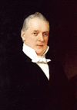 | James | Buchanan | 4/23/1791 | 6/1/1868 | Pennsylvania | 3/4/1857 | 3/4/1861 | Democratic
16 |  | Abraham | Lincoln | 2/12/1809 | 4/15/1865 | Kentucky | 3/4/1861 | 4/15/1865 | Republican
17 | 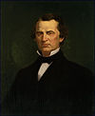 | Andrew | Johnson | 12/29/1808 | 7/31/1875 | North Carolina | 4/15/1865 | 3/4/1869 | Democratic
18 | 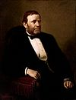 | Ulysses | Grant | 4/27/1822 | 7/23/1885 | Ohio | 3/4/1869 | 3/4/1877 | Republican
19 | 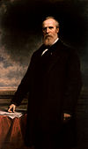 | Rutherford | Hayes | 10/4/1822 | 1/17/1893 | Ohio | 3/4/1877 | 3/4/1881 | Republican
20 | 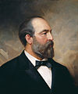 | James | Garfield | 11/19/1831 | 9/19/1881 | Ohio | 3/4/1881 | 9/19/1881 | Republican
21 | 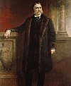 | Chester Alan | Arthur | 10/5/1829 | 11/18/1886 | Vermont | 9/19/1881 | 3/4/1885 | Republican
22 | 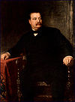 | Grover | Cleveland | 3/18/1837 | 1908-06-24 | New Jersey | 3/4/1885 | 3/4/1889 | Democratic
23 | 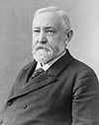 | Benjamin | Harrison | 8/20/1833 | 1901-03-13 | Ohio | 3/4/1889 | 3/4/1893 | Republican
24 | 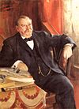 | Grover | Cleveland | 3/18/1837 | 1908-06-24 | New Jersey | 3/4/1893 | 3/4/1897 | Democratic
25 | 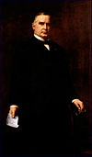 | William | McKinley | 1/29/1843 | 1901-09-14 | Ohio | 3/4/1897 | 1901-09-14 | Republican
26 | 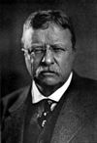 | Theodore | Roosevelt | 10/27/1858 | 1919-01-06 | New York | 1901-09-14 | 1909-03-04 | Republican
27 | 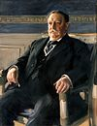 | William | Taft | 9/15/1857 | 1930-03-08 | Ohio | 1909-03-04 | 1913-03-04 | Republican
28 | 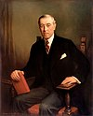 | Woodrow | Wilson | 12/28/1856 | 1924-02-03 | Virginia | 1913-03-04 | 1921-03-04 | Democratic
29 |  | Warren | Harding | 11/2/1865 | 1923-08-02 | Ohio | 1921-03-04 | 1923-08-02 | Republican
30 | 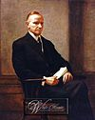 | Calvin | Coolidge | 7/4/1872 | 1933-01-05 | Vermont | 1923-08-02 | 1929-03-04 | Republican
31 | 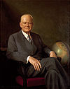 | Herbert | Hoover | 8/10/1874 | 1964-10-20 | Iowa | 1929-03-04 | 1933-03-04 | Republican
32 | 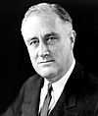 | Franklin | Roosevelt | 1/30/1882 | 1945-04-12 | New York | 1933-03-04 | 1945-04-12 | Democratic
33 | 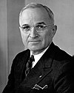 | Harry | Truman | 5/8/1884 | 1972-12-26 | Missouri | 1945-04-12 | 1953-01-20 | Democratic
34 | 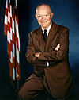 | Dwight | Eisenhower | 10/14/1890 | 1969-03-28 | Texas | 1953-01-20 | 1961-01-20 | Republican
35 | 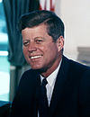 | John | Kennedy | 1917-05-29 | 1963-11-22 | Massachusetts | 1961-01-20 | 1963-11-22 | Democratic
36 |  | Lyndon | Johnson | 1908-08-27 | 1973-01-22 | Texas | 1963-11-22 | 1969-01-20 | Democratic
37 | 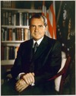 | Richard | Nixon | 1913-01-09 | 1994-04-22 | California | 1969-01-20 | 1974-08-09 | Republican
38 | 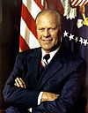 | Gerald | Ford | 1913-07-14 | 2006-12-26 | Nebraska | 1974-08-09 | 1977-01-20 | Republican
39 | 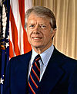 | James | Carter | 1924-10-01 |  | Georgia | 1977-01-20 | 1981-01-20 | Democratic
40 |  | Ronald | Reagan | 1911-02-06 | 2004-06-05 | Illinois | 1981-01-20 | 1989-01-20 | Republican
41 | 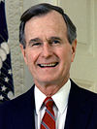 | George Herbert Walker | Bush | 1924-06-12 |  | Massachusetts | 1989-01-20 | 1993-01-20 | Republican
42 | 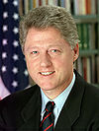 | Bill | Clinton | 1946-08-19 |  | Arkansas | 1993-01-20 | 2001-01-20 | Democratic
43 | 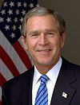 | George Walker | Bush | 1946-07-06 |  | Connecticut | 2001-01-20 | 2009-01-20 | Republican
44 | 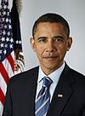 | Barack | Obama | 1961-08-04 |  | Hawaii | 2009-01-20 | 2017-01-20 | Democratic
45 |  | Donald | Trump | 1946-06-14 |  | New York | 2017-01-20 |  | Republican

