Placards
LOCKOUT/TAGOUT PROCEDURE
[EN] Date: 2026-08-29 · Scan for digital placard
EQUIPMENT: 302-MX-1 (Shaffer Masa Mixer - Line 302 Tortilla) |  |  |  |  |  | Mixers
KEEP OUT! HAZARDOUS VOLTAGE AND MOVING PARTS
PHOTO_UPGRADE 2026-05-13: Moved from canonical 302-MX-1-EQ/IP to machine-specific dated captures from 2026-04-20 (iso_05 chosen for highest resolution among 8 variants).
PURPOSE |  |  |  |  | LOCKOUT APPLICATION PROCESS
This procedure establishes the minimum requirements for lockout of energy-isolating devices. It ensures equipment is stopped, isolated from all potentially hazardous energy sources, and locked out before any servicing or maintenance activities are performed. |  |  |  |  | 1. Communicate to all AFFECTED employees 2. Shut down the equipment using normal stopping procedures 3. Isolate energy sources 4. Apply lockout devices, locks, and tags 5. Release all stored energy 6. Verify equipment is de-energized by attempting to start up 7. After test, place controls in a neutral position

COLOR CODES
E = Electrical | G = Gas |  | H = Hydraulic | P = Pneumatic |  | M = Mechanical |  | T = Thermal
W = Water | S = Steam |  | V = Valve | CG = Compressed Gas |  | CP = Control Panel |  | GR = Gravity
EQUIPMENT IDENTIFICATION AND ENERGY ISOLATION PROCEDURE
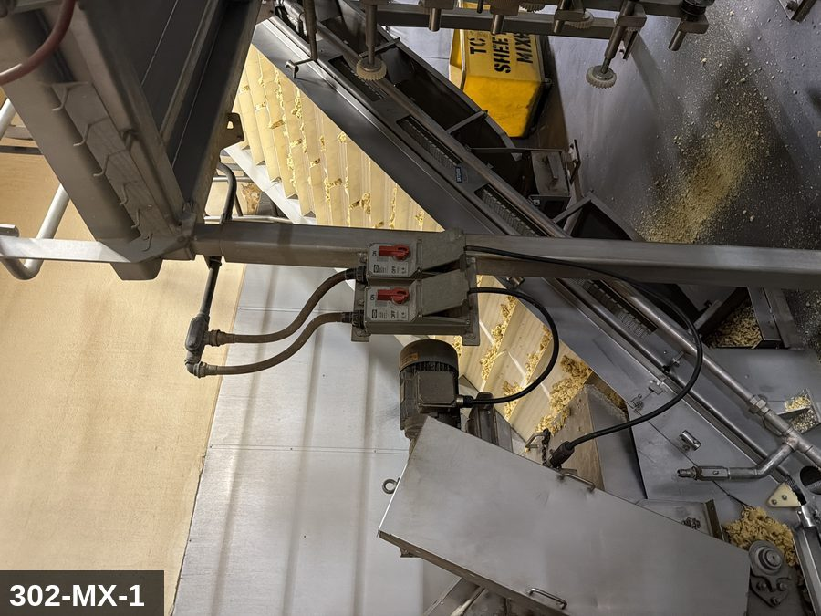 |  |  |  | 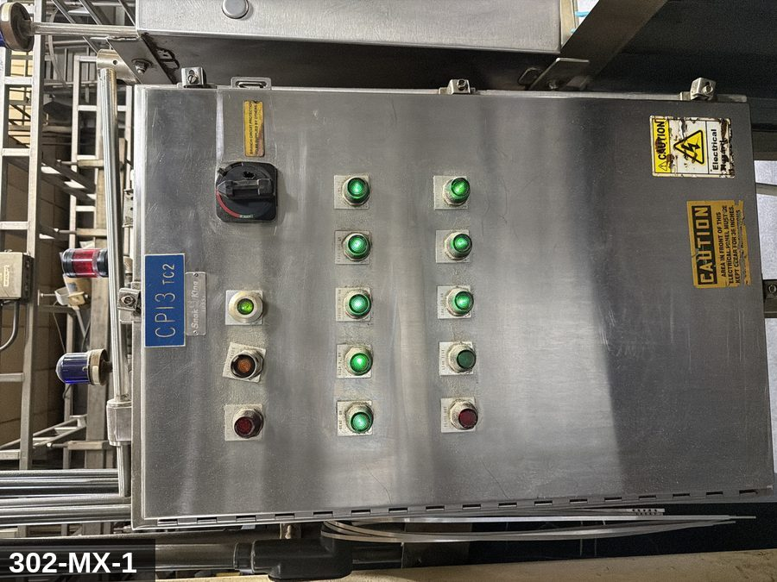

PHOTO OF EQUIPMENT |  |  |  | PHOTO OF ISOLATION / DISCONNECT
Energy Tag & Description | Isolation Procedure & Lockout Devices |  |  |  | Method of Verification
N — None SHUTDOWN Operating controls (normal stop) | Notify all affected production and sanitation employees, then bring the machine to a normal, controlled stop using its operating controls.

E — Electrical ISOLATE Main electrical disconnect | ELECTRICAL - Open the machine's main electrical disconnect to the OFF position. [VERIFY ON SITE: disconnect ID & location]

H — Hydraulic ISOLATE Hydraulic isolation valve | HYDRAULIC - Close the hydraulic supply/isolation valve and confirm the pump is de-energized. [VERIFY ON SITE: valve location]

P — Pneumatic ISOLATE Air-supply isolation valve | PNEUMATIC - Close the lockable air-supply isolation valve to the machine. [VERIFY ON SITE: valve location]

M — Mechanical ISOLATE Drive brake / rotating parts | MECHANICAL - Confirm all drives are commanded off and engage any drive brake / anti-rotation pin provided. [VERIFY ON SITE: brake/pin location]

E — Electrical RELEASE STORED ENERGY Main electrical disconnect | ELECTRICAL - Allow VFD/servo DC-bus capacitors to discharge before contact (minimum 5 minutes, or per nameplate). [VERIFY ON SITE: drive discharge time]

H — Hydraulic RELEASE STORED ENERGY Hydraulic isolation valve | HYDRAULIC - Relieve hydraulic pressure to 0 AND block any gravity-loaded member (ram, bowl, carriage) before work. [VERIFY ON SITE: blocking method]

P — Pneumatic RELEASE STORED ENERGY Air-supply isolation valve | PNEUMATIC - Bleed trapped air downstream of the isolation valve to 0 psi; account for spring-return and vacuum-held actuators.

M — Mechanical RELEASE STORED ENERGY Drive brake / rotating parts | MECHANICAL - Allow all rotating or coasting parts (motors, fans, flywheels, blades, rollers) to come to a complete stop.

N — None LOCKOUT All isolation devices listed above | Apply an assigned lock AND a durable tag at EACH isolating device listed above. Each authorized worker applies their own lock (group lockout where required).

E — Electrical VERIFY ZERO ENERGY Main electrical disconnect | ELECTRICAL - With a calibrated meter, verify 0 V on the load side of the disconnect, phase-to-phase and phase-to-ground (test the meter on a known live source first and after). |  |  |  | ELECTRICAL - With a calibrated meter, verify 0 V on the load side of the disconnect, phase-to-phase and phase-to-ground (test the meter on a known live source first and after).

H — Hydraulic VERIFY ZERO ENERGY Hydraulic isolation valve | HYDRAULIC - Confirm the hydraulic gauge reads 0 and the gravity-loaded member is physically blocked. |  |  |  | HYDRAULIC - Confirm the hydraulic gauge reads 0 and the gravity-loaded member is physically blocked.

P — Pneumatic VERIFY ZERO ENERGY Air-supply isolation valve | PNEUMATIC - Confirm the downstream air gauge reads 0 psi. |  |  |  | PNEUMATIC - Confirm the downstream air gauge reads 0 psi.

N — None VERIFY ZERO ENERGY Tryout at operating controls | Attempt to start the machine from its normal controls to confirm no response, then return all controls to OFF / neutral. |  |  |  | Attempt to start the machine from its normal controls to confirm no response, then return all controls to OFF / neutral.

LOCKOUT REMOVAL PROCESS
1. Notify all AFFECTED employees that lockout is being removed 2. Inspect the work area to ensure tools and items have been removed 3. Verify that all employees are clear of the equipment 4. Verify that controls are in the neutral or off position |  |  |  | 5. Remove lockout devices, locks, and tags 6. Re-energize the equipment 7. Notify all AFFECTED employees that the equipment is back in service

Spanish translation on reverse — print double-sided.
Signature |  | Date |  | Dept |  |  | See PM Store in PT Folder

PROCEDIMIENTO DE BLOQUEO/ETIQUETADO
[ES] Fecha: 2026-08-29 · Escanee para placa digital
BORRADOR — NO REVISADO · traducción sin revisar
EQUIPO: 302-MX-1 (Shaffer Masa Mixer - Line 302 Tortilla) |  |  |  |  |  | Mixers
¡MANTÉNGASE ALEJADO! VOLTAJE PELIGROSO Y PIEZAS EN MOVIMIENTO
PHOTO_UPGRADE 2026-05-13: Moved from canonical 302-MX-1-EQ/IP to machine-specific dated captures from 2026-04-20 (iso_05 chosen for highest resolution among 8 variants).
PROPÓSITO |  |  |  |  | PROCESO DE APLICACIÓN DE BLOQUEO
Este procedimiento establece los requisitos mínimos para el bloqueo de los dispositivos de aislamiento de energía. Garantiza que el equipo se detenga, se aísle de todas las fuentes de energía potencialmente peligrosas y se bloquee antes de realizar actividades de servicio o mantenimiento. |  |  |  |  | 1. Comunicar a todos los empleados AFECTADOS 2. Apagar el equipo usando procedimientos normales de parada 3. Aislar las fuentes de energía 4. Aplicar dispositivos de bloqueo, candados y etiquetas 5. Liberar toda la energía almacenada 6. Verificar que el equipo esté desenergizado intentando arrancarlo 7. Después de la prueba, colocar los controles en posición neutral

CÓDIGOS DE COLOR
E = Eléctrico | G = Gas |  | H = Hidráulico | P = Neumático |  | M = Mecánico |  | T = Térmico
W = Agua | S = Vapor |  | V = Válvula | CG = Gas Comprimido |  | CP = Panel Control |  | GR = Gravedad
IDENTIFICACIÓN DEL EQUIPO Y PROCEDIMIENTO DE AISLAMIENTO DE ENERGÍA

FOTO DEL EQUIPO |  |  |  | FOTO DE AISLAMIENTO / DESCONEXIÓN
Etiqueta y Descripción | Procedimiento de Aislamiento y Dispositivos |  |  |  | Método de Verificación
N — Ninguno APAGADO Controles de operacion (paro normal) | Notifique a todos los empleados afectados de produccion y sanidad; luego detenga la maquina de forma normal y controlada con sus controles de operacion.

E — Eléctrico AISLAR Desconectador electrico principal | ELECTRICO - Abra el desconectador electrico principal a la posicion OFF (apagado). [VERIFY ON SITE: identificacion y ubicacion del desconectador]

H — Hidráulico AISLAR Valvula de aislamiento hidraulico | HIDRAULICO - Cierre la valvula de suministro/aislamiento hidraulico y confirme que la bomba este sin energia. [VERIFY ON SITE: ubicacion de la valvula]

P — Neumático AISLAR Valvula de aislamiento de aire | NEUMATICO - Cierre la valvula de aislamiento del suministro de aire (con candado). [VERIFY ON SITE: ubicacion de la valvula]

M — Mecánico AISLAR Freno / piezas giratorias | MECANICO - Confirme que todos los accionamientos esten apagados y active el freno / seguro contra rotacion si existe. [VERIFY ON SITE: ubicacion del freno/seguro]

E — Eléctrico LIBERAR ENERGIA ALMACENADA Desconectador electrico principal | ELECTRICO - Permita que los capacitores del bus de CD del VFD/servo se descarguen antes del contacto (minimo 5 minutos o segun placa). [VERIFY ON SITE: tiempo de descarga del variador]

H — Hidráulico LIBERAR ENERGIA ALMACENADA Valvula de aislamiento hidraulico | HIDRAULICO - Alivie la presion hidraulica a 0 Y bloquee cualquier elemento cargado por gravedad (ariete, tazon, carro) antes de trabajar. [VERIFY ON SITE: metodo de bloqueo]

P — Neumático LIBERAR ENERGIA ALMACENADA Valvula de aislamiento de aire | NEUMATICO - Purgue el aire atrapado aguas abajo de la valvula a 0 psi; considere actuadores de retorno por resorte y de vacio.

M — Mecánico LIBERAR ENERGIA ALMACENADA Freno / piezas giratorias | MECANICO - Permita que todas las piezas giratorias o en inercia (motores, ventiladores, volantes, cuchillas, rodillos) se detengan por completo.

N — Ninguno BLOQUEO Todos los dispositivos de aislamiento anteriores | Coloque un candado asignado Y una etiqueta duradera en CADA dispositivo de aislamiento anterior. Cada trabajador autorizado coloca su propio candado (bloqueo grupal cuando se requiera).

E — Eléctrico VERIFICAR ENERGIA CERO Desconectador electrico principal | ELECTRICO - Con un multimetro calibrado, verifique 0 V en el lado de carga del desconectador, fase a fase y fase a tierra (pruebe el multimetro en una fuente viva conocida antes y despues). |  |  |  | ELECTRICO - Con un multimetro calibrado, verifique 0 V en el lado de carga del desconectador, fase a fase y fase a tierra (pruebe el multimetro en una fuente viva conocida antes y despues).

H — Hidráulico VERIFICAR ENERGIA CERO Valvula de aislamiento hidraulico | HIDRAULICO - Confirme que el manometro hidraulico marque 0 y que el elemento por gravedad este bloqueado fisicamente. |  |  |  | HIDRAULICO - Confirme que el manometro hidraulico marque 0 y que el elemento por gravedad este bloqueado fisicamente.

P — Neumático VERIFICAR ENERGIA CERO Valvula de aislamiento de aire | NEUMATICO - Confirme que el manometro de aire aguas abajo marque 0 psi. |  |  |  | NEUMATICO - Confirme que el manometro de aire aguas abajo marque 0 psi.

N — Ninguno VERIFICAR ENERGIA CERO Prueba de arranque en los controles | Intente arrancar la maquina desde sus controles normales para confirmar que no responde; luego regrese todos los controles a OFF / neutral. |  |  |  | Intente arrancar la maquina desde sus controles normales para confirmar que no responde; luego regrese todos los controles a OFF / neutral.

PROCESO DE REMOCIÓN DE BLOQUEO
1. Notificar a todos los empleados AFECTADOS que se está retirando el bloqueo 2. Inspeccionar el área de trabajo para asegurar que se hayan retirado herramientas y objetos 3. Verificar que todos los empleados estén lejos del equipo 4. Verificar que los controles estén en posición neutral o apagada |  |  |  | 5. Retirar los dispositivos de bloqueo, candados y etiquetas 6. Volver a energizar el equipo 7. Notificar a los empleados AFECTADOS que el equipo está de vuelta en servicio

Traducción al inglés al reverso — imprimir a doble cara.
Firma |  | Fecha |  | Depto |  |  | Ver PM Store en carpeta PT

LOCKOUT/TAGOUT PROCEDURE
[EN] Date: 2026-08-29 · Scan for digital placard
EQUIPMENT: 321-MX-01 (Shaffer Masa Mixer - Line 321 Pop Chip) |  |  |  |  |  | Mixers
KEEP OUT! HAZARDOUS VOLTAGE AND MOVING PARTS
PHOTO_FIX 2026-05-13: EQ repointed from 302-MX-1-EQ (Line 302 borrow) to machine-specific 321-MX-01_equip_2026-04-20. IP using canonical Shaffer Masa Mixer disconnect (same model as 302).
PURPOSE |  |  |  |  | LOCKOUT APPLICATION PROCESS
This procedure establishes the minimum requirements for lockout of energy-isolating devices. It ensures equipment is stopped, isolated from all potentially hazardous energy sources, and locked out before any servicing or maintenance activities are performed. |  |  |  |  | 1. Communicate to all AFFECTED employees 2. Shut down the equipment using normal stopping procedures 3. Isolate energy sources 4. Apply lockout devices, locks, and tags 5. Release all stored energy 6. Verify equipment is de-energized by attempting to start up 7. After test, place controls in a neutral position

COLOR CODES
E = Electrical | G = Gas |  | H = Hydraulic | P = Pneumatic |  | M = Mechanical |  | T = Thermal
W = Water | S = Steam |  | V = Valve | CG = Compressed Gas |  | CP = Control Panel |  | GR = Gravity
EQUIPMENT IDENTIFICATION AND ENERGY ISOLATION PROCEDURE
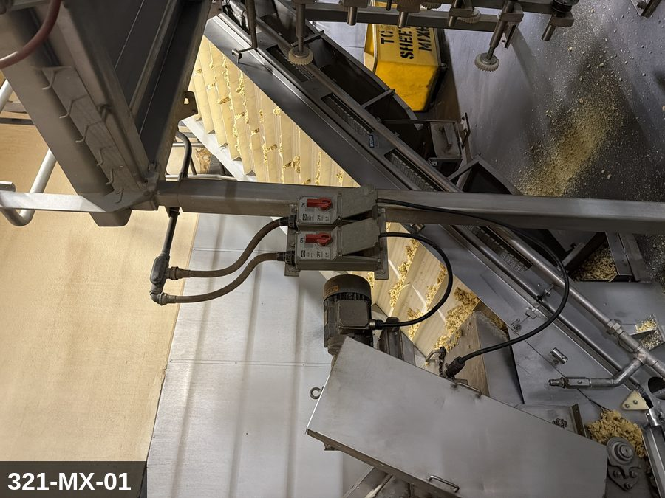 |  |  |  | 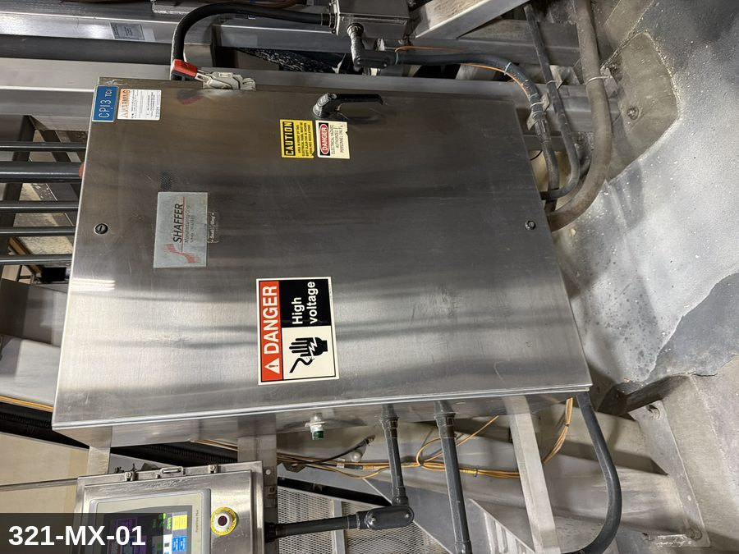

PHOTO OF EQUIPMENT |  |  |  | PHOTO OF ISOLATION / DISCONNECT
Energy Tag & Description | Isolation Procedure & Lockout Devices |  |  |  | Method of Verification
N — None SHUTDOWN Operating controls (normal stop) | Notify all affected production and sanitation employees, then bring the machine to a normal, controlled stop using its operating controls.

E — Electrical ISOLATE Main electrical disconnect | ELECTRICAL - Open the machine's main electrical disconnect to the OFF position. [VERIFY ON SITE: disconnect ID & location]

H — Hydraulic ISOLATE Hydraulic isolation valve | HYDRAULIC - Close the hydraulic supply/isolation valve and confirm the pump is de-energized. [VERIFY ON SITE: valve location]

P — Pneumatic ISOLATE Air-supply isolation valve | PNEUMATIC - Close the lockable air-supply isolation valve to the machine. [VERIFY ON SITE: valve location]

M — Mechanical ISOLATE Drive brake / rotating parts | MECHANICAL - Confirm all drives are commanded off and engage any drive brake / anti-rotation pin provided. [VERIFY ON SITE: brake/pin location]

E — Electrical RELEASE STORED ENERGY Main electrical disconnect | ELECTRICAL - Allow VFD/servo DC-bus capacitors to discharge before contact (minimum 5 minutes, or per nameplate). [VERIFY ON SITE: drive discharge time]

H — Hydraulic RELEASE STORED ENERGY Hydraulic isolation valve | HYDRAULIC - Relieve hydraulic pressure to 0 AND block any gravity-loaded member (ram, bowl, carriage) before work. [VERIFY ON SITE: blocking method]

P — Pneumatic RELEASE STORED ENERGY Air-supply isolation valve | PNEUMATIC - Bleed trapped air downstream of the isolation valve to 0 psi; account for spring-return and vacuum-held actuators.

M — Mechanical RELEASE STORED ENERGY Drive brake / rotating parts | MECHANICAL - Allow all rotating or coasting parts (motors, fans, flywheels, blades, rollers) to come to a complete stop.

N — None LOCKOUT All isolation devices listed above | Apply an assigned lock AND a durable tag at EACH isolating device listed above. Each authorized worker applies their own lock (group lockout where required).

E — Electrical VERIFY ZERO ENERGY Main electrical disconnect | ELECTRICAL - With a calibrated meter, verify 0 V on the load side of the disconnect, phase-to-phase and phase-to-ground (test the meter on a known live source first and after). |  |  |  | ELECTRICAL - With a calibrated meter, verify 0 V on the load side of the disconnect, phase-to-phase and phase-to-ground (test the meter on a known live source first and after).

H — Hydraulic VERIFY ZERO ENERGY Hydraulic isolation valve | HYDRAULIC - Confirm the hydraulic gauge reads 0 and the gravity-loaded member is physically blocked. |  |  |  | HYDRAULIC - Confirm the hydraulic gauge reads 0 and the gravity-loaded member is physically blocked.

P — Pneumatic VERIFY ZERO ENERGY Air-supply isolation valve | PNEUMATIC - Confirm the downstream air gauge reads 0 psi. |  |  |  | PNEUMATIC - Confirm the downstream air gauge reads 0 psi.

N — None VERIFY ZERO ENERGY Tryout at operating controls | Attempt to start the machine from its normal controls to confirm no response, then return all controls to OFF / neutral. |  |  |  | Attempt to start the machine from its normal controls to confirm no response, then return all controls to OFF / neutral.

LOCKOUT REMOVAL PROCESS
1. Notify all AFFECTED employees that lockout is being removed 2. Inspect the work area to ensure tools and items have been removed 3. Verify that all employees are clear of the equipment 4. Verify that controls are in the neutral or off position |  |  |  | 5. Remove lockout devices, locks, and tags 6. Re-energize the equipment 7. Notify all AFFECTED employees that the equipment is back in service

Spanish translation on reverse — print double-sided.
Signature |  | Date |  | Dept |  |  | See PM Store in PT Folder

PROCEDIMIENTO DE BLOQUEO/ETIQUETADO
[ES] Fecha: 2026-08-29 · Escanee para placa digital
BORRADOR — NO REVISADO · traducción sin revisar
EQUIPO: 321-MX-01 (Shaffer Masa Mixer - Line 321 Pop Chip) |  |  |  |  |  | Mixers
¡MANTÉNGASE ALEJADO! VOLTAJE PELIGROSO Y PIEZAS EN MOVIMIENTO
PHOTO_FIX 2026-05-13: EQ repointed from 302-MX-1-EQ (Line 302 borrow) to machine-specific 321-MX-01_equip_2026-04-20. IP using canonical Shaffer Masa Mixer disconnect (same model as 302).
PROPÓSITO |  |  |  |  | PROCESO DE APLICACIÓN DE BLOQUEO
Este procedimiento establece los requisitos mínimos para el bloqueo de los dispositivos de aislamiento de energía. Garantiza que el equipo se detenga, se aísle de todas las fuentes de energía potencialmente peligrosas y se bloquee antes de realizar actividades de servicio o mantenimiento. |  |  |  |  | 1. Comunicar a todos los empleados AFECTADOS 2. Apagar el equipo usando procedimientos normales de parada 3. Aislar las fuentes de energía 4. Aplicar dispositivos de bloqueo, candados y etiquetas 5. Liberar toda la energía almacenada 6. Verificar que el equipo esté desenergizado intentando arrancarlo 7. Después de la prueba, colocar los controles en posición neutral

CÓDIGOS DE COLOR
E = Eléctrico | G = Gas |  | H = Hidráulico | P = Neumático |  | M = Mecánico |  | T = Térmico
W = Agua | S = Vapor |  | V = Válvula | CG = Gas Comprimido |  | CP = Panel Control |  | GR = Gravedad
IDENTIFICACIÓN DEL EQUIPO Y PROCEDIMIENTO DE AISLAMIENTO DE ENERGÍA

FOTO DEL EQUIPO |  |  |  | FOTO DE AISLAMIENTO / DESCONEXIÓN
Etiqueta y Descripción | Procedimiento de Aislamiento y Dispositivos |  |  |  | Método de Verificación
N — Ninguno APAGADO Controles de operacion (paro normal) | Notifique a todos los empleados afectados de produccion y sanidad; luego detenga la maquina de forma normal y controlada con sus controles de operacion.

E — Eléctrico AISLAR Desconectador electrico principal | ELECTRICO - Abra el desconectador electrico principal a la posicion OFF (apagado). [VERIFY ON SITE: identificacion y ubicacion del desconectador]

H — Hidráulico AISLAR Valvula de aislamiento hidraulico | HIDRAULICO - Cierre la valvula de suministro/aislamiento hidraulico y confirme que la bomba este sin energia. [VERIFY ON SITE: ubicacion de la valvula]

P — Neumático AISLAR Valvula de aislamiento de aire | NEUMATICO - Cierre la valvula de aislamiento del suministro de aire (con candado). [VERIFY ON SITE: ubicacion de la valvula]

M — Mecánico AISLAR Freno / piezas giratorias | MECANICO - Confirme que todos los accionamientos esten apagados y active el freno / seguro contra rotacion si existe. [VERIFY ON SITE: ubicacion del freno/seguro]

E — Eléctrico LIBERAR ENERGIA ALMACENADA Desconectador electrico principal | ELECTRICO - Permita que los capacitores del bus de CD del VFD/servo se descarguen antes del contacto (minimo 5 minutos o segun placa). [VERIFY ON SITE: tiempo de descarga del variador]

H — Hidráulico LIBERAR ENERGIA ALMACENADA Valvula de aislamiento hidraulico | HIDRAULICO - Alivie la presion hidraulica a 0 Y bloquee cualquier elemento cargado por gravedad (ariete, tazon, carro) antes de trabajar. [VERIFY ON SITE: metodo de bloqueo]

P — Neumático LIBERAR ENERGIA ALMACENADA Valvula de aislamiento de aire | NEUMATICO - Purgue el aire atrapado aguas abajo de la valvula a 0 psi; considere actuadores de retorno por resorte y de vacio.

M — Mecánico LIBERAR ENERGIA ALMACENADA Freno / piezas giratorias | MECANICO - Permita que todas las piezas giratorias o en inercia (motores, ventiladores, volantes, cuchillas, rodillos) se detengan por completo.

N — Ninguno BLOQUEO Todos los dispositivos de aislamiento anteriores | Coloque un candado asignado Y una etiqueta duradera en CADA dispositivo de aislamiento anterior. Cada trabajador autorizado coloca su propio candado (bloqueo grupal cuando se requiera).

E — Eléctrico VERIFICAR ENERGIA CERO Desconectador electrico principal | ELECTRICO - Con un multimetro calibrado, verifique 0 V en el lado de carga del desconectador, fase a fase y fase a tierra (pruebe el multimetro en una fuente viva conocida antes y despues). |  |  |  | ELECTRICO - Con un multimetro calibrado, verifique 0 V en el lado de carga del desconectador, fase a fase y fase a tierra (pruebe el multimetro en una fuente viva conocida antes y despues).

H — Hidráulico VERIFICAR ENERGIA CERO Valvula de aislamiento hidraulico | HIDRAULICO - Confirme que el manometro hidraulico marque 0 y que el elemento por gravedad este bloqueado fisicamente. |  |  |  | HIDRAULICO - Confirme que el manometro hidraulico marque 0 y que el elemento por gravedad este bloqueado fisicamente.

P — Neumático VERIFICAR ENERGIA CERO Valvula de aislamiento de aire | NEUMATICO - Confirme que el manometro de aire aguas abajo marque 0 psi. |  |  |  | NEUMATICO - Confirme que el manometro de aire aguas abajo marque 0 psi.

N — Ninguno VERIFICAR ENERGIA CERO Prueba de arranque en los controles | Intente arrancar la maquina desde sus controles normales para confirmar que no responde; luego regrese todos los controles a OFF / neutral. |  |  |  | Intente arrancar la maquina desde sus controles normales para confirmar que no responde; luego regrese todos los controles a OFF / neutral.

PROCESO DE REMOCIÓN DE BLOQUEO
1. Notificar a todos los empleados AFECTADOS que se está retirando el bloqueo 2. Inspeccionar el área de trabajo para asegurar que se hayan retirado herramientas y objetos 3. Verificar que todos los empleados estén lejos del equipo 4. Verificar que los controles estén en posición neutral o apagada |  |  |  | 5. Retirar los dispositivos de bloqueo, candados y etiquetas 6. Volver a energizar el equipo 7. Notificar a los empleados AFECTADOS que el equipo está de vuelta en servicio

Traducción al inglés al reverso — imprimir a doble cara.
Firma |  | Fecha |  | Depto |  |  | Ver PM Store en carpeta PT

