Placards
LOCKOUT/TAGOUT PROCEDURE
[EN] Date: 2026-08-29 · Scan for digital placard
EQUIPMENT: SKPC-830 (Tumbler Salter & Blower - Popcorn) |  |  |  |  |  | Popcorn
KEEP OUT! HAZARDOUS VOLTAGE AND MOVING PARTS
This equipment must be locked out and tagged out before servicing or maintenance. Follow the procedure below to isolate all energy sources.
PURPOSE |  |  |  |  | LOCKOUT APPLICATION PROCESS
This procedure establishes the minimum requirements for lockout of energy-isolating devices. It ensures equipment is stopped, isolated from all potentially hazardous energy sources, and locked out before any servicing or maintenance activities are performed. |  |  |  |  | 1. Communicate to all AFFECTED employees 2. Shut down the equipment using normal stopping procedures 3. Isolate energy sources 4. Apply lockout devices, locks, and tags 5. Release all stored energy 6. Verify equipment is de-energized by attempting to start up 7. After test, place controls in a neutral position

COLOR CODES
E = Electrical | G = Gas |  | H = Hydraulic | P = Pneumatic |  | M = Mechanical |  | T = Thermal
W = Water | S = Steam |  | V = Valve | CG = Compressed Gas |  | CP = Control Panel |  | GR = Gravity
EQUIPMENT IDENTIFICATION AND ENERGY ISOLATION PROCEDURE
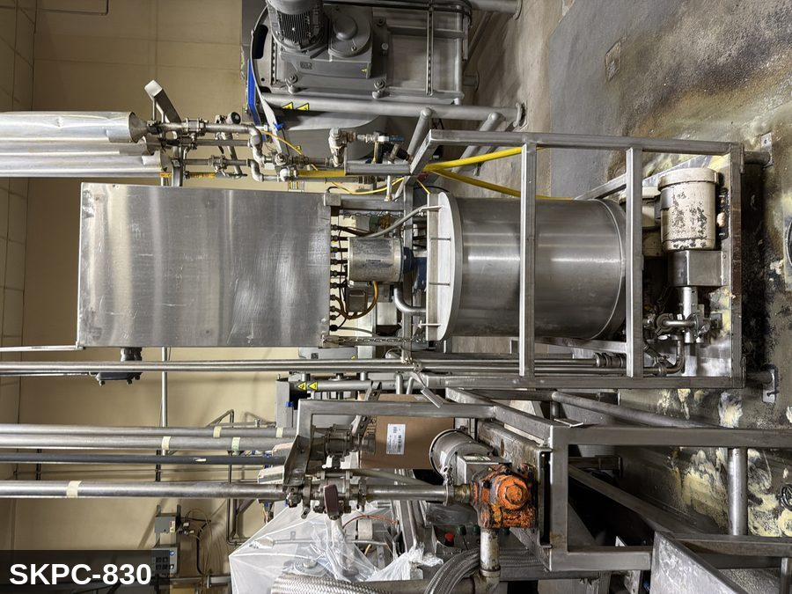 |  |  |  | 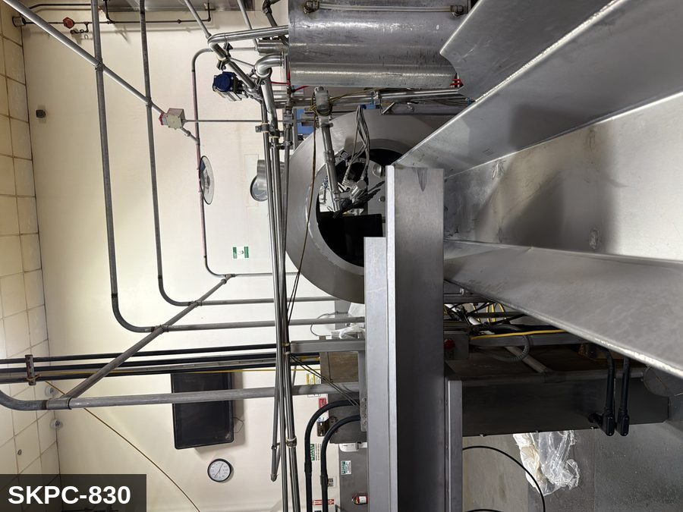

PHOTO OF EQUIPMENT |  |  |  | PHOTO OF ISOLATION / DISCONNECT
Energy Tag & Description | Isolation Procedure & Lockout Devices |  |  |  | Method of Verification
P — Pneumatic ISOLATE ENERGY TAG & DESCRIPTION — P: PNEUMATIC (P) — 80-100 PSI to seasoning-spray nozzle bank. Stored energy in nozzles and supply manifold. | ISOLATION PROCEDURE — PNEUMATIC: 1. After electrical isolation, locate the pneumatic supply isolation valve serving Tumbler Salter & Blower (SKPC-830) — typically wall-mounted at the equipment FRL. 2. Close the air supply valve fully. 3. Apply a ball-valve lockout device and a personal padlock in the CLOSED position. 4. Apply a lockout tag. 5. Bleed residual pressure from the system using the dedicated bleed port or by manually cycling the directional control valve. 6. Confirm all cylinders have moved to their de-energized rest position. 7. Per ASME B20.1, any vertically-acting cylinder supporting a load requires an independent mechanical drop-stop in addition to pneumatic isolation. |  |  |  | METHOD OF VERIFICATION — PNEUMATIC: 1. Verify the air supply isolation valve is closed and locked. 2. Confirm all pressure gauges downstream of the lockout valve read 0 PSI. 3. Attempt to cycle each pneumatic actuator from the control panel — confirm no movement. 4. Physically operate the manual override on the directional control valve — confirm no movement. 5. Physically verify all padlocks are secure and tags legible.

M — Mechanical ISOLATE ENERGY TAG & DESCRIPTION — M: MECHANICAL (M) — Rotating drum with internal helical flights; drive ring and idler-roller pinch points. Confined space when servicing drum interior — full §3314 + §5157 confined-space program required for any internal entry. | ISOLATION PROCEDURE — MECHANICAL: 1. After electrical isolation per the E procedure, manually verify all rotating/reciprocating components of Tumbler Salter & Blower (SKPC-830) have completely stopped. 2. Identify residual stored mechanical energy: chain tension, eccentric flywheel/cam momentum, spring-loaded covers and doors. 3. Block, chock, or pin any component that could move under its own weight or stored energy. 4. Where applicable install drive-shaft pins or transmission locks; release belt/chain tension before reaching past the guarding. 5. Apply a lockout tag at the point of mechanical work identifying the worker and the hazard. Cal/OSHA §3314 construes 'minor servicing' narrowly — default to full LOTO including mechanical blocking; do NOT rely solely on the electrical disconnect. |  |  |  | METHOD OF VERIFICATION — MECHANICAL: 1. Visually confirm all rotating and reciprocating components have completely stopped — full coast-down completed. 2. For high-speed servo equipment (case packers, palletizers): wait the manufacturer-specified coast-down before reaching past the guarding. 3. Attempt to manually rotate drive shafts at the input side or jog the system — confirm no movement or kickback. 4. Physically inspect blocks, chocks, or pins for engagement. 5. Confirm belt/chain tension has been released where applicable.

E — Electrical ISOLATE ENERGY TAG & DESCRIPTION — E: ELECTRICAL (E) — 208V/480V to drum-rotation drive motor, gearbox, seasoning-oil pump motor, controls. | ISOLATION PROCEDURE & LOCKOUT DEVICES — ELECTRICAL: 1. Notify all affected employees that LOTO is being performed on Tumbler Salter & Blower (SKPC-830). 2. Complete the current cycle and press STOP, then E-STOP. 3. Locate the main electrical disconnect serving this equipment (labeled to the equipment). 4. Open the disconnect to the OFF position. 5. Apply a lockout device through the disconnect handle. Each authorized worker applies their own personal padlock (group-lock hasp if more than one worker) per Cal/OSHA §3314(k). 6. Apply a lockout tag with date, time, name, and reason. 7. If the equipment uses servo drives or VFDs, allow 5 minutes for DC-bus capacitors to discharge before opening any drive enclosure. |  |  |  | METHOD OF VERIFICATION — ELECTRICAL: 1. Use a calibrated voltage tester following the test-before-touch protocol per OSHA 1910.333: test the meter on a known live source, test the disconnect line/load terminals, then re-test the meter on the known live source. 2. Verify zero voltage at the motor or servo terminals downstream of the disconnect. 3. For servo drives / VFDs: confirm DC-bus capacitors have discharged (5-minute minimum) before opening drive enclosure. 4. Attempt to start the equipment from the control panel and HMI — confirm no response. 5. Physically verify all padlocks are secure and lockout tags are legible.

LOCKOUT REMOVAL PROCESS
1. Notify all AFFECTED employees that lockout is being removed 2. Inspect the work area to ensure tools and items have been removed 3. Verify that all employees are clear of the equipment 4. Verify that controls are in the neutral or off position |  |  |  | 5. Remove lockout devices, locks, and tags 6. Re-energize the equipment 7. Notify all AFFECTED employees that the equipment is back in service

Spanish translation on reverse — print double-sided.
Signature |  | Date |  | Dept |  |  | See PM Store in PT Folder

PROCEDIMIENTO DE BLOQUEO/ETIQUETADO
[ES] Fecha: 2026-08-29 · Escanee para placa digital
BORRADOR — NO REVISADO · traducción sin revisar
EQUIPO: SKPC-830 (Tumbler Salter & Blower - Popcorn) |  |  |  |  |  | Popcorn
¡MANTÉNGASE ALEJADO! VOLTAJE PELIGROSO Y PIEZAS EN MOVIMIENTO
Este equipo debe bloquearse y etiquetarse antes de darle servicio o mantenimiento. Siga el procedimiento a continuación para aislar todas las fuentes de energía.
PROPÓSITO |  |  |  |  | PROCESO DE APLICACIÓN DE BLOQUEO
Este procedimiento establece los requisitos mínimos para el bloqueo de los dispositivos de aislamiento de energía. Garantiza que el equipo se detenga, se aísle de todas las fuentes de energía potencialmente peligrosas y se bloquee antes de realizar actividades de servicio o mantenimiento. |  |  |  |  | 1. Comunicar a todos los empleados AFECTADOS 2. Apagar el equipo usando procedimientos normales de parada 3. Aislar las fuentes de energía 4. Aplicar dispositivos de bloqueo, candados y etiquetas 5. Liberar toda la energía almacenada 6. Verificar que el equipo esté desenergizado intentando arrancarlo 7. Después de la prueba, colocar los controles en posición neutral

CÓDIGOS DE COLOR
E = Eléctrico | G = Gas |  | H = Hidráulico | P = Neumático |  | M = Mecánico |  | T = Térmico
W = Agua | S = Vapor |  | V = Válvula | CG = Gas Comprimido |  | CP = Panel Control |  | GR = Gravedad
IDENTIFICACIÓN DEL EQUIPO Y PROCEDIMIENTO DE AISLAMIENTO DE ENERGÍA

FOTO DEL EQUIPO |  |  |  | FOTO DE AISLAMIENTO / DESCONEXIÓN
Etiqueta y Descripción | Procedimiento de Aislamiento y Dispositivos |  |  |  | Método de Verificación
P — Neumático AISLAR ETIQUETA DE ENERGÍA Y DESCRIPCIÓN — P: NEUMÁTICO (P) — 80-100 PSI al banco de boquillas de rociado de sazonador. Energía almacenada en las boquillas y en el colector de suministro. | PROCEDIMIENTO DE AISLAMIENTO — NEUMÁTICO: 1. Después del aislamiento eléctrico, localice la válvula de aislamiento del suministro neumático que sirve a Tumbler Salter & Blower (SKPC-830) — típicamente montada en pared en el FRL del equipo. 2. Cierre la válvula de suministro de aire por completo. 3. Aplique un dispositivo de bloqueo de válvula de bola y un candado personal en la posición CERRADA. 4. Aplique etiqueta de bloqueo. 5. Purgue la presión residual del sistema usando el puerto de purga dedicado o ciclando manualmente la válvula direccional de control. 6. Confirme que todos los cilindros se han movido a su posición de reposo desenergizado. 7. Per ASME B20.1, cualquier cilindro de acción vertical que soporta una carga requiere un tope mecánico anti-caída independiente además del aislamiento neumático. |  |  |  | MÉTODO DE VERIFICACIÓN — NEUMÁTICO: 1. Verifique que la válvula de aislamiento de suministro de aire está cerrada y bloqueada. 2. Confirme que todos los manómetros aguas abajo de la válvula de bloqueo marcan 0 PSI. 3. Intente ciclar cada actuador neumático desde el panel de control — confirme que no hay movimiento. 4. Opere físicamente la anulación manual en la válvula direccional de control — confirme que no hay movimiento. 5. Verifique físicamente que todos los candados estén seguros y las etiquetas sean legibles.

M — Mecánico AISLAR ETIQUETA DE ENERGÍA Y DESCRIPCIÓN — M: MECÁNICO (M) — Tambor rotatorio con paletas helicoidales internas; anillo de impulsión y puntos de pellizco con los rodillos guía. Espacio confinado al dar servicio al interior del tambor — se requiere programa completo §3314 + §5157 de espacio confinado para cualquier entrada interna. | PROCEDIMIENTO DE AISLAMIENTO — MECÁNICO: 1. Después del aislamiento eléctrico per el procedimiento E, verifique manualmente que todos los componentes rotativos/reciprocantes de Tumbler Salter & Blower (SKPC-830) hayan parado completamente. 2. Identifique energía mecánica almacenada residual: tensión de cadena, inercia excéntrica de volante/leva, cubiertas y puertas accionadas por resorte. 3. Bloquee, calce o pase pasadores a cualquier componente que pudiera moverse por su propio peso o energía almacenada. 4. Donde aplique, instale pasadores en el eje de impulsión o bloqueos de transmisión; libere la tensión de banda/cadena antes de alcanzar más allá del guardado. 5. Aplique etiqueta de bloqueo en el punto de trabajo mecánico identificando al trabajador y al peligro. Cal/OSHA §3314 interpreta la excepción de "servicio menor" en forma estrecha — por defecto LOTO completo incluyendo bloqueo mecánico; NO confíe únicamente en el desconectador eléctrico. |  |  |  | MÉTODO DE VERIFICACIÓN — MECÁNICO: 1. Confirme visualmente que todos los componentes rotativos y reciprocantes han parado por completo — desaceleración completa concluida. 2. Para equipo servo de alta velocidad (empacadoras de cajas, paletizadores): espere la desaceleración especificada por el fabricante antes de alcanzar más allá del guardado. 3. Intente girar manualmente los ejes de impulsión en el lado de entrada o impulsar el sistema — confirme que no hay movimiento ni retroceso. 4. Inspeccione físicamente los bloques, calzas o pasadores en su acoplamiento. 5. Confirme que la tensión de banda/cadena ha sido liberada donde aplique.

E — Eléctrico AISLAR ETIQUETA DE ENERGÍA Y DESCRIPCIÓN — E: ELÉCTRICO (E) — 208V/480V al motor de rotación del tambor, caja reductora, motor de la bomba de aceite sazonador, controles. | PROCEDIMIENTO DE AISLAMIENTO Y DISPOSITIVOS DE BLOQUEO — ELÉCTRICO: 1. Notifique a todos los empleados afectados que se está realizando LOTO en Tumbler Salter & Blower (SKPC-830). 2. Complete el ciclo actual y presione PARO, luego PARO DE EMERGENCIA. 3. Localice el desconectador eléctrico principal que sirve este equipo (etiquetado al equipo). 4. Abra el desconectador a la posición OFF. 5. Aplique un dispositivo de bloqueo a través de la manija del desconectador. Cada trabajador autorizado aplica su propio candado personal (broche de candado grupal si hay más de un trabajador) per Cal/OSHA §3314(k). 6. Aplique etiqueta de bloqueo con fecha, hora, nombre y razón. 7. Si el equipo usa servo-drives o VFDs, permita 5 minutos para que los capacitores del bus DC se descarguen antes de abrir cualquier gabinete de drive. |  |  |  | MÉTODO DE VERIFICACIÓN — ELÉCTRICO: 1. Use un comprobador de voltaje calibrado siguiendo el protocolo "probar antes de tocar" per OSHA 1910.333: pruebe el medidor en una fuente viva conocida, pruebe los terminales de línea/carga del desconectador, luego re-pruebe el medidor en la fuente viva conocida. 2. Verifique cero voltaje en los terminales del motor o servo aguas abajo del desconectador. 3. Para servo-drives / VFDs: confirme que los capacitores del bus DC se han descargado (5 minutos mínimo) antes de abrir el gabinete del drive. 4. Intente arrancar el equipo desde el panel de control y HMI — confirme que no hay respuesta. 5. Verifique físicamente que todos los candados estén seguros y las etiquetas de bloqueo sean legibles.

PROCESO DE REMOCIÓN DE BLOQUEO
1. Notificar a todos los empleados AFECTADOS que se está retirando el bloqueo 2. Inspeccionar el área de trabajo para asegurar que se hayan retirado herramientas y objetos 3. Verificar que todos los empleados estén lejos del equipo 4. Verificar que los controles estén en posición neutral o apagada |  |  |  | 5. Retirar los dispositivos de bloqueo, candados y etiquetas 6. Volver a energizar el equipo 7. Notificar a los empleados AFECTADOS que el equipo está de vuelta en servicio

Traducción al inglés al reverso — imprimir a doble cara.
Firma |  | Fecha |  | Depto |  |  | Ver PM Store en carpeta PT

LOCKOUT/TAGOUT PROCEDURE
[EN] Date: 2026-08-29 · Scan for digital placard
EQUIPMENT: SKPC-840 (Mix Kettle - Popcorn) |  |  |  |  |  | Popcorn
KEEP OUT! HAZARDOUS VOLTAGE AND MOVING PARTS
COMBINED LOTO GROUP 2026-04-27: ONE combined LOTO covers: SKPC-840, SKPC-850.
PURPOSE |  |  |  |  | LOCKOUT APPLICATION PROCESS
This procedure establishes the minimum requirements for lockout of energy-isolating devices. It ensures equipment is stopped, isolated from all potentially hazardous energy sources, and locked out before any servicing or maintenance activities are performed. |  |  |  |  | 1. Communicate to all AFFECTED employees 2. Shut down the equipment using normal stopping procedures 3. Isolate energy sources 4. Apply lockout devices, locks, and tags 5. Release all stored energy 6. Verify equipment is de-energized by attempting to start up 7. After test, place controls in a neutral position

COLOR CODES
E = Electrical | G = Gas |  | H = Hydraulic | P = Pneumatic |  | M = Mechanical |  | T = Thermal
W = Water | S = Steam |  | V = Valve | CG = Compressed Gas |  | CP = Control Panel |  | GR = Gravity
EQUIPMENT IDENTIFICATION AND ENERGY ISOLATION PROCEDURE
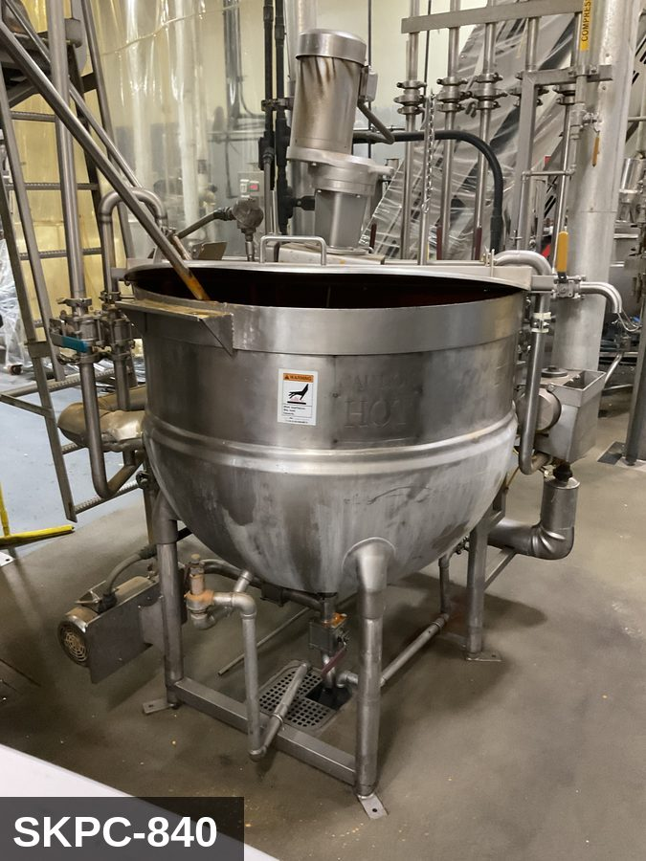 |  |  |  | 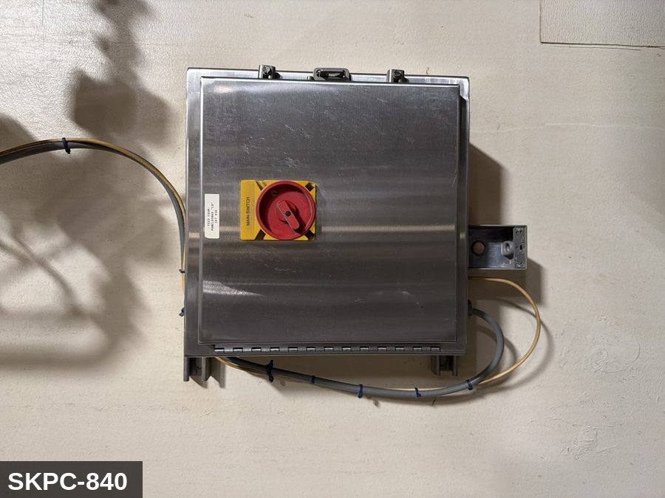

PHOTO OF EQUIPMENT |  |  |  | PHOTO OF ISOLATION / DISCONNECT
Energy Tag & Description | Isolation Procedure & Lockout Devices |  |  |  | Method of Verification
E — Electrical ISOLATE ENERGY TAG & DESCRIPTION — E: ELECTRICAL (E) — 208V/480V to agitator motor (if fitted), discharge pump (if integrated), level sensors, controls. | ISOLATION PROCEDURE & LOCKOUT DEVICES — ELECTRICAL: 1. Notify all affected employees that LOTO is being performed on Mix Kettle (SKPC-840). 2. Complete the current cycle and press STOP, then E-STOP. 3. Locate the main electrical disconnect serving this equipment (labeled to the equipment). 4. Open the disconnect to the OFF position. 5. Apply a lockout device through the disconnect handle. Each authorized worker applies their own personal padlock (group-lock hasp if more than one worker) per Cal/OSHA §3314(k). 6. Apply a lockout tag with date, time, name, and reason. 7. If the equipment uses servo drives or VFDs, allow 5 minutes for DC-bus capacitors to discharge before opening any drive enclosure. |  |  |  | METHOD OF VERIFICATION — ELECTRICAL: 1. Use a calibrated voltage tester following the test-before-touch protocol per OSHA 1910.333: test the meter on a known live source, test the disconnect line/load terminals, then re-test the meter on the known live source. 2. Verify zero voltage at the motor or servo terminals downstream of the disconnect. 3. For servo drives / VFDs: confirm DC-bus capacitors have discharged (5-minute minimum) before opening drive enclosure. 4. Attempt to start the equipment from the control panel and HMI — confirm no response. 5. Physically verify all padlocks are secure and lockout tags are legible.

M — Mechanical ISOLATE ENERGY TAG & DESCRIPTION — M: MECHANICAL (M) — Agitator paddle (if fitted) with pinch points at the shaft seal. Tilt-pour or bottom-discharge mechanism. Hot jacket surfaces (jacketed steam or hot water) — thermal burn hazard. | ISOLATION PROCEDURE — MECHANICAL: 1. After electrical isolation per the E procedure, manually verify all rotating/reciprocating components of Mix Kettle (SKPC-840) have completely stopped. 2. Identify residual stored mechanical energy: chain tension, eccentric flywheel/cam momentum, spring-loaded covers and doors. 3. Block, chock, or pin any component that could move under its own weight or stored energy. 4. Where applicable install drive-shaft pins or transmission locks; release belt/chain tension before reaching past the guarding. 5. Apply a lockout tag at the point of mechanical work identifying the worker and the hazard. Cal/OSHA §3314 construes 'minor servicing' narrowly — default to full LOTO including mechanical blocking; do NOT rely solely on the electrical disconnect. |  |  |  | METHOD OF VERIFICATION — MECHANICAL: 1. Visually confirm all rotating and reciprocating components have completely stopped — full coast-down completed. 2. For high-speed servo equipment (case packers, palletizers): wait the manufacturer-specified coast-down before reaching past the guarding. 3. Attempt to manually rotate drive shafts at the input side or jog the system — confirm no movement or kickback. 4. Physically inspect blocks, chocks, or pins for engagement. 5. Confirm belt/chain tension has been released where applicable.

LOCKOUT REMOVAL PROCESS
1. Notify all AFFECTED employees that lockout is being removed 2. Inspect the work area to ensure tools and items have been removed 3. Verify that all employees are clear of the equipment 4. Verify that controls are in the neutral or off position |  |  |  | 5. Remove lockout devices, locks, and tags 6. Re-energize the equipment 7. Notify all AFFECTED employees that the equipment is back in service

Spanish translation on reverse — print double-sided.
Signature |  | Date |  | Dept |  |  | See PM Store in PT Folder

PROCEDIMIENTO DE BLOQUEO/ETIQUETADO
[ES] Fecha: 2026-08-29 · Escanee para placa digital
BORRADOR — NO REVISADO · traducción sin revisar
EQUIPO: SKPC-840 (Mix Kettle - Popcorn) |  |  |  |  |  | Popcorn
¡MANTÉNGASE ALEJADO! VOLTAJE PELIGROSO Y PIEZAS EN MOVIMIENTO
COMBINED LOTO GROUP 2026-04-27: ONE combined LOTO covers: SKPC-840, SKPC-850.
PROPÓSITO |  |  |  |  | PROCESO DE APLICACIÓN DE BLOQUEO
Este procedimiento establece los requisitos mínimos para el bloqueo de los dispositivos de aislamiento de energía. Garantiza que el equipo se detenga, se aísle de todas las fuentes de energía potencialmente peligrosas y se bloquee antes de realizar actividades de servicio o mantenimiento. |  |  |  |  | 1. Comunicar a todos los empleados AFECTADOS 2. Apagar el equipo usando procedimientos normales de parada 3. Aislar las fuentes de energía 4. Aplicar dispositivos de bloqueo, candados y etiquetas 5. Liberar toda la energía almacenada 6. Verificar que el equipo esté desenergizado intentando arrancarlo 7. Después de la prueba, colocar los controles en posición neutral

CÓDIGOS DE COLOR
E = Eléctrico | G = Gas |  | H = Hidráulico | P = Neumático |  | M = Mecánico |  | T = Térmico
W = Agua | S = Vapor |  | V = Válvula | CG = Gas Comprimido |  | CP = Panel Control |  | GR = Gravedad
IDENTIFICACIÓN DEL EQUIPO Y PROCEDIMIENTO DE AISLAMIENTO DE ENERGÍA

FOTO DEL EQUIPO |  |  |  | FOTO DE AISLAMIENTO / DESCONEXIÓN
Etiqueta y Descripción | Procedimiento de Aislamiento y Dispositivos |  |  |  | Método de Verificación
E — Eléctrico AISLAR ETIQUETA DE ENERGÍA Y DESCRIPCIÓN — E: ELÉCTRICO (E) — 208V/480V al motor del agitador (si está equipado), bomba de descarga (si está integrada), sensores de nivel, controles. | PROCEDIMIENTO DE AISLAMIENTO Y DISPOSITIVOS DE BLOQUEO — ELÉCTRICO: 1. Notifique a todos los empleados afectados que se está realizando LOTO en Mix Kettle (SKPC-840). 2. Complete el ciclo actual y presione PARO, luego PARO DE EMERGENCIA. 3. Localice el desconectador eléctrico principal que sirve este equipo (etiquetado al equipo). 4. Abra el desconectador a la posición OFF. 5. Aplique un dispositivo de bloqueo a través de la manija del desconectador. Cada trabajador autorizado aplica su propio candado personal (broche de candado grupal si hay más de un trabajador) per Cal/OSHA §3314(k). 6. Aplique etiqueta de bloqueo con fecha, hora, nombre y razón. 7. Si el equipo usa servo-drives o VFDs, permita 5 minutos para que los capacitores del bus DC se descarguen antes de abrir cualquier gabinete de drive. |  |  |  | MÉTODO DE VERIFICACIÓN — ELÉCTRICO: 1. Use un comprobador de voltaje calibrado siguiendo el protocolo "probar antes de tocar" per OSHA 1910.333: pruebe el medidor en una fuente viva conocida, pruebe los terminales de línea/carga del desconectador, luego re-pruebe el medidor en la fuente viva conocida. 2. Verifique cero voltaje en los terminales del motor o servo aguas abajo del desconectador. 3. Para servo-drives / VFDs: confirme que los capacitores del bus DC se han descargado (5 minutos mínimo) antes de abrir el gabinete del drive. 4. Intente arrancar el equipo desde el panel de control y HMI — confirme que no hay respuesta. 5. Verifique físicamente que todos los candados estén seguros y las etiquetas de bloqueo sean legibles.

M — Mecánico AISLAR ETIQUETA DE ENERGÍA Y DESCRIPCIÓN — M: MECÁNICO (M) — Paleta agitadora (si está equipada) con puntos de pellizco en el sello del eje. Mecanismo de inclinación para verter o descarga inferior. Superficies calientes de la chaqueta (vapor o agua caliente) — peligro de quemadura térmica. | PROCEDIMIENTO DE AISLAMIENTO — MECÁNICO: 1. Después del aislamiento eléctrico per el procedimiento E, verifique manualmente que todos los componentes rotativos/reciprocantes de Mix Kettle (SKPC-840) hayan parado completamente. 2. Identifique energía mecánica almacenada residual: tensión de cadena, inercia excéntrica de volante/leva, cubiertas y puertas accionadas por resorte. 3. Bloquee, calce o pase pasadores a cualquier componente que pudiera moverse por su propio peso o energía almacenada. 4. Donde aplique, instale pasadores en el eje de impulsión o bloqueos de transmisión; libere la tensión de banda/cadena antes de alcanzar más allá del guardado. 5. Aplique etiqueta de bloqueo en el punto de trabajo mecánico identificando al trabajador y al peligro. Cal/OSHA §3314 interpreta la excepción de "servicio menor" en forma estrecha — por defecto LOTO completo incluyendo bloqueo mecánico; NO confíe únicamente en el desconectador eléctrico. |  |  |  | MÉTODO DE VERIFICACIÓN — MECÁNICO: 1. Confirme visualmente que todos los componentes rotativos y reciprocantes han parado por completo — desaceleración completa concluida. 2. Para equipo servo de alta velocidad (empacadoras de cajas, paletizadores): espere la desaceleración especificada por el fabricante antes de alcanzar más allá del guardado. 3. Intente girar manualmente los ejes de impulsión en el lado de entrada o impulsar el sistema — confirme que no hay movimiento ni retroceso. 4. Inspeccione físicamente los bloques, calzas o pasadores en su acoplamiento. 5. Confirme que la tensión de banda/cadena ha sido liberada donde aplique.

PROCESO DE REMOCIÓN DE BLOQUEO
1. Notificar a todos los empleados AFECTADOS que se está retirando el bloqueo 2. Inspeccionar el área de trabajo para asegurar que se hayan retirado herramientas y objetos 3. Verificar que todos los empleados estén lejos del equipo 4. Verificar que los controles estén en posición neutral o apagada |  |  |  | 5. Retirar los dispositivos de bloqueo, candados y etiquetas 6. Volver a energizar el equipo 7. Notificar a los empleados AFECTADOS que el equipo está de vuelta en servicio

Traducción al inglés al reverso — imprimir a doble cara.
Firma |  | Fecha |  | Depto |  |  | Ver PM Store en carpeta PT

LOCKOUT/TAGOUT PROCEDURE
[EN] Date: 2026-08-29 · Scan for digital placard
EQUIPMENT: SKPC-850 (Mix Kettle Pump - Popcorn) |  |  |  |  |  | Popcorn
KEEP OUT! HAZARDOUS VOLTAGE AND MOVING PARTS
COMBINED LOTO GROUP 2026-04-27: ONE combined LOTO covers: SKPC-840, SKPC-850.
PURPOSE |  |  |  |  | LOCKOUT APPLICATION PROCESS
This procedure establishes the minimum requirements for lockout of energy-isolating devices. It ensures equipment is stopped, isolated from all potentially hazardous energy sources, and locked out before any servicing or maintenance activities are performed. |  |  |  |  | 1. Communicate to all AFFECTED employees 2. Shut down the equipment using normal stopping procedures 3. Isolate energy sources 4. Apply lockout devices, locks, and tags 5. Release all stored energy 6. Verify equipment is de-energized by attempting to start up 7. After test, place controls in a neutral position

COLOR CODES
E = Electrical | G = Gas |  | H = Hydraulic | P = Pneumatic |  | M = Mechanical |  | T = Thermal
W = Water | S = Steam |  | V = Valve | CG = Compressed Gas |  | CP = Control Panel |  | GR = Gravity
EQUIPMENT IDENTIFICATION AND ENERGY ISOLATION PROCEDURE
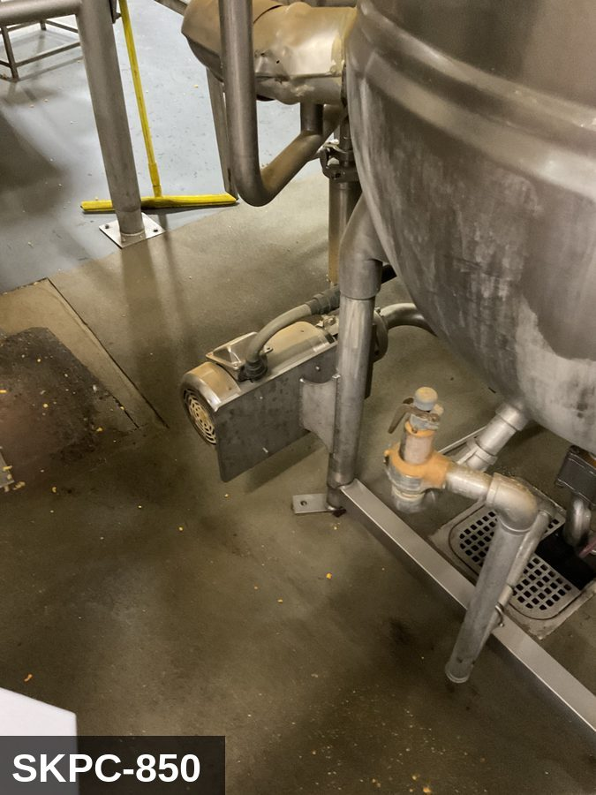 |  |  |  | 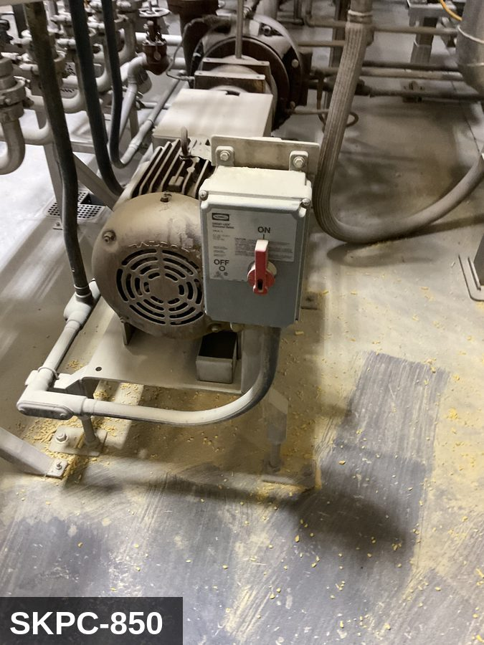

PHOTO OF EQUIPMENT |  |  |  | PHOTO OF ISOLATION / DISCONNECT
Energy Tag & Description | Isolation Procedure & Lockout Devices |  |  |  | Method of Verification
E — Electrical ISOLATE ENERGY TAG & DESCRIPTION — E: ELECTRICAL (E) — 208V/480V to transfer-pump motor, line heaters, level sensors, controls. | ISOLATION PROCEDURE & LOCKOUT DEVICES — ELECTRICAL: 1. Notify all affected employees that LOTO is being performed on Mix Kettle Pump (SKPC-850). 2. Complete the current cycle and press STOP, then E-STOP. 3. Locate the main electrical disconnect serving this equipment (labeled to the equipment). 4. Open the disconnect to the OFF position. 5. Apply a lockout device through the disconnect handle. Each authorized worker applies their own personal padlock (group-lock hasp if more than one worker) per Cal/OSHA §3314(k). 6. Apply a lockout tag with date, time, name, and reason. 7. If the equipment uses servo drives or VFDs, allow 5 minutes for DC-bus capacitors to discharge before opening any drive enclosure. |  |  |  | METHOD OF VERIFICATION — ELECTRICAL: 1. Use a calibrated voltage tester following the test-before-touch protocol per OSHA 1910.333: test the meter on a known live source, test the disconnect line/load terminals, then re-test the meter on the known live source. 2. Verify zero voltage at the motor or servo terminals downstream of the disconnect. 3. For servo drives / VFDs: confirm DC-bus capacitors have discharged (5-minute minimum) before opening drive enclosure. 4. Attempt to start the equipment from the control panel and HMI — confirm no response. 5. Physically verify all padlocks are secure and lockout tags are legible.

M — Mechanical ISOLATE ENERGY TAG & DESCRIPTION — M: MECHANICAL (M) — Pump impeller, drive coupling. Hot oil hazard — surface and line temperature can exceed 350°F. | ISOLATION PROCEDURE — MECHANICAL: 1. After electrical isolation per the E procedure, manually verify all rotating/reciprocating components of Mix Kettle Pump (SKPC-850) have completely stopped. 2. Identify residual stored mechanical energy: chain tension, eccentric flywheel/cam momentum, spring-loaded covers and doors. 3. Block, chock, or pin any component that could move under its own weight or stored energy. 4. Where applicable install drive-shaft pins or transmission locks; release belt/chain tension before reaching past the guarding. 5. Apply a lockout tag at the point of mechanical work identifying the worker and the hazard. Cal/OSHA §3314 construes 'minor servicing' narrowly — default to full LOTO including mechanical blocking; do NOT rely solely on the electrical disconnect. |  |  |  | METHOD OF VERIFICATION — MECHANICAL: 1. Visually confirm all rotating and reciprocating components have completely stopped — full coast-down completed. 2. For high-speed servo equipment (case packers, palletizers): wait the manufacturer-specified coast-down before reaching past the guarding. 3. Attempt to manually rotate drive shafts at the input side or jog the system — confirm no movement or kickback. 4. Physically inspect blocks, chocks, or pins for engagement. 5. Confirm belt/chain tension has been released where applicable.

LOCKOUT REMOVAL PROCESS
1. Notify all AFFECTED employees that lockout is being removed 2. Inspect the work area to ensure tools and items have been removed 3. Verify that all employees are clear of the equipment 4. Verify that controls are in the neutral or off position |  |  |  | 5. Remove lockout devices, locks, and tags 6. Re-energize the equipment 7. Notify all AFFECTED employees that the equipment is back in service

Spanish translation on reverse — print double-sided.
Signature |  | Date |  | Dept |  |  | See PM Store in PT Folder

PROCEDIMIENTO DE BLOQUEO/ETIQUETADO
[ES] Fecha: 2026-08-29 · Escanee para placa digital
BORRADOR — NO REVISADO · traducción sin revisar
EQUIPO: SKPC-850 (Mix Kettle Pump - Popcorn) |  |  |  |  |  | Popcorn
¡MANTÉNGASE ALEJADO! VOLTAJE PELIGROSO Y PIEZAS EN MOVIMIENTO
COMBINED LOTO GROUP 2026-04-27: ONE combined LOTO covers: SKPC-840, SKPC-850.
PROPÓSITO |  |  |  |  | PROCESO DE APLICACIÓN DE BLOQUEO
Este procedimiento establece los requisitos mínimos para el bloqueo de los dispositivos de aislamiento de energía. Garantiza que el equipo se detenga, se aísle de todas las fuentes de energía potencialmente peligrosas y se bloquee antes de realizar actividades de servicio o mantenimiento. |  |  |  |  | 1. Comunicar a todos los empleados AFECTADOS 2. Apagar el equipo usando procedimientos normales de parada 3. Aislar las fuentes de energía 4. Aplicar dispositivos de bloqueo, candados y etiquetas 5. Liberar toda la energía almacenada 6. Verificar que el equipo esté desenergizado intentando arrancarlo 7. Después de la prueba, colocar los controles en posición neutral

CÓDIGOS DE COLOR
E = Eléctrico | G = Gas |  | H = Hidráulico | P = Neumático |  | M = Mecánico |  | T = Térmico
W = Agua | S = Vapor |  | V = Válvula | CG = Gas Comprimido |  | CP = Panel Control |  | GR = Gravedad
IDENTIFICACIÓN DEL EQUIPO Y PROCEDIMIENTO DE AISLAMIENTO DE ENERGÍA

FOTO DEL EQUIPO |  |  |  | FOTO DE AISLAMIENTO / DESCONEXIÓN
Etiqueta y Descripción | Procedimiento de Aislamiento y Dispositivos |  |  |  | Método de Verificación
E — Eléctrico AISLAR ETIQUETA DE ENERGÍA Y DESCRIPCIÓN — E: ELÉCTRICO (E) — 208V/480V al motor de la bomba de transferencia, calentadores de línea, sensores de nivel, controles. | PROCEDIMIENTO DE AISLAMIENTO Y DISPOSITIVOS DE BLOQUEO — ELÉCTRICO: 1. Notifique a todos los empleados afectados que se está realizando LOTO en Mix Kettle Pump (SKPC-850). 2. Complete el ciclo actual y presione PARO, luego PARO DE EMERGENCIA. 3. Localice el desconectador eléctrico principal que sirve este equipo (etiquetado al equipo). 4. Abra el desconectador a la posición OFF. 5. Aplique un dispositivo de bloqueo a través de la manija del desconectador. Cada trabajador autorizado aplica su propio candado personal (broche de candado grupal si hay más de un trabajador) per Cal/OSHA §3314(k). 6. Aplique etiqueta de bloqueo con fecha, hora, nombre y razón. 7. Si el equipo usa servo-drives o VFDs, permita 5 minutos para que los capacitores del bus DC se descarguen antes de abrir cualquier gabinete de drive. |  |  |  | MÉTODO DE VERIFICACIÓN — ELÉCTRICO: 1. Use un comprobador de voltaje calibrado siguiendo el protocolo "probar antes de tocar" per OSHA 1910.333: pruebe el medidor en una fuente viva conocida, pruebe los terminales de línea/carga del desconectador, luego re-pruebe el medidor en la fuente viva conocida. 2. Verifique cero voltaje en los terminales del motor o servo aguas abajo del desconectador. 3. Para servo-drives / VFDs: confirme que los capacitores del bus DC se han descargado (5 minutos mínimo) antes de abrir el gabinete del drive. 4. Intente arrancar el equipo desde el panel de control y HMI — confirme que no hay respuesta. 5. Verifique físicamente que todos los candados estén seguros y las etiquetas de bloqueo sean legibles.

M — Mecánico AISLAR ETIQUETA DE ENERGÍA Y DESCRIPCIÓN — M: MECÁNICO (M) — Impulsor de bomba, acoplamiento de impulsión. Peligro de aceite caliente — la temperatura de superficie y de línea puede exceder 350°F. | PROCEDIMIENTO DE AISLAMIENTO — MECÁNICO: 1. Después del aislamiento eléctrico per el procedimiento E, verifique manualmente que todos los componentes rotativos/reciprocantes de Mix Kettle Pump (SKPC-850) hayan parado completamente. 2. Identifique energía mecánica almacenada residual: tensión de cadena, inercia excéntrica de volante/leva, cubiertas y puertas accionadas por resorte. 3. Bloquee, calce o pase pasadores a cualquier componente que pudiera moverse por su propio peso o energía almacenada. 4. Donde aplique, instale pasadores en el eje de impulsión o bloqueos de transmisión; libere la tensión de banda/cadena antes de alcanzar más allá del guardado. 5. Aplique etiqueta de bloqueo en el punto de trabajo mecánico identificando al trabajador y al peligro. Cal/OSHA §3314 interpreta la excepción de "servicio menor" en forma estrecha — por defecto LOTO completo incluyendo bloqueo mecánico; NO confíe únicamente en el desconectador eléctrico. |  |  |  | MÉTODO DE VERIFICACIÓN — MECÁNICO: 1. Confirme visualmente que todos los componentes rotativos y reciprocantes han parado por completo — desaceleración completa concluida. 2. Para equipo servo de alta velocidad (empacadoras de cajas, paletizadores): espere la desaceleración especificada por el fabricante antes de alcanzar más allá del guardado. 3. Intente girar manualmente los ejes de impulsión en el lado de entrada o impulsar el sistema — confirme que no hay movimiento ni retroceso. 4. Inspeccione físicamente los bloques, calzas o pasadores en su acoplamiento. 5. Confirme que la tensión de banda/cadena ha sido liberada donde aplique.

PROCESO DE REMOCIÓN DE BLOQUEO
1. Notificar a todos los empleados AFECTADOS que se está retirando el bloqueo 2. Inspeccionar el área de trabajo para asegurar que se hayan retirado herramientas y objetos 3. Verificar que todos los empleados estén lejos del equipo 4. Verificar que los controles estén en posición neutral o apagada |  |  |  | 5. Retirar los dispositivos de bloqueo, candados y etiquetas 6. Volver a energizar el equipo 7. Notificar a los empleados AFECTADOS que el equipo está de vuelta en servicio

Traducción al inglés al reverso — imprimir a doble cara.
Firma |  | Fecha |  | Depto |  |  | Ver PM Store en carpeta PT

LOCKOUT/TAGOUT PROCEDURE
[EN] Date: 2026-08-29 · Scan for digital placard
EQUIPMENT: SKPC-860 (Use Kettle - Popcorn) |  |  |  |  |  | Popcorn
KEEP OUT! HAZARDOUS VOLTAGE AND MOVING PARTS
COMBINED LOTO GROUP 2026-04-27: ONE combined LOTO covers: SKPC-860, SKPC-870.
PURPOSE |  |  |  |  | LOCKOUT APPLICATION PROCESS
This procedure establishes the minimum requirements for lockout of energy-isolating devices. It ensures equipment is stopped, isolated from all potentially hazardous energy sources, and locked out before any servicing or maintenance activities are performed. |  |  |  |  | 1. Communicate to all AFFECTED employees 2. Shut down the equipment using normal stopping procedures 3. Isolate energy sources 4. Apply lockout devices, locks, and tags 5. Release all stored energy 6. Verify equipment is de-energized by attempting to start up 7. After test, place controls in a neutral position

COLOR CODES
E = Electrical | G = Gas |  | H = Hydraulic | P = Pneumatic |  | M = Mechanical |  | T = Thermal
W = Water | S = Steam |  | V = Valve | CG = Compressed Gas |  | CP = Control Panel |  | GR = Gravity
EQUIPMENT IDENTIFICATION AND ENERGY ISOLATION PROCEDURE
 |  |  |  | 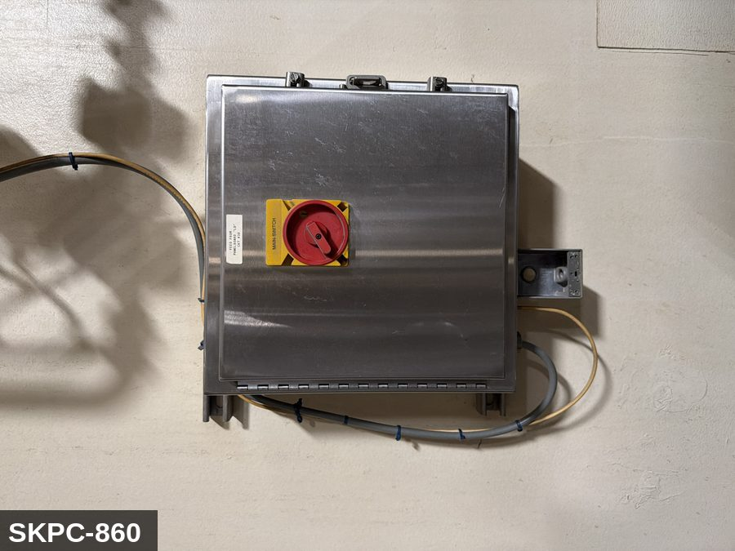

PHOTO OF EQUIPMENT |  |  |  | PHOTO OF ISOLATION / DISCONNECT
Energy Tag & Description | Isolation Procedure & Lockout Devices |  |  |  | Method of Verification
E — Electrical ISOLATE ENERGY TAG & DESCRIPTION — E: ELECTRICAL (E) — 208V/480V to agitator motor (if fitted), discharge pump (if integrated), level sensors, controls. | ISOLATION PROCEDURE & LOCKOUT DEVICES — ELECTRICAL: 1. Notify all affected employees that LOTO is being performed on Use Kettle (SKPC-860). 2. Complete the current cycle and press STOP, then E-STOP. 3. Locate the main electrical disconnect serving this equipment (labeled to the equipment). 4. Open the disconnect to the OFF position. 5. Apply a lockout device through the disconnect handle. Each authorized worker applies their own personal padlock (group-lock hasp if more than one worker) per Cal/OSHA §3314(k). 6. Apply a lockout tag with date, time, name, and reason. 7. If the equipment uses servo drives or VFDs, allow 5 minutes for DC-bus capacitors to discharge before opening any drive enclosure. |  |  |  | METHOD OF VERIFICATION — ELECTRICAL: 1. Use a calibrated voltage tester following the test-before-touch protocol per OSHA 1910.333: test the meter on a known live source, test the disconnect line/load terminals, then re-test the meter on the known live source. 2. Verify zero voltage at the motor or servo terminals downstream of the disconnect. 3. For servo drives / VFDs: confirm DC-bus capacitors have discharged (5-minute minimum) before opening drive enclosure. 4. Attempt to start the equipment from the control panel and HMI — confirm no response. 5. Physically verify all padlocks are secure and lockout tags are legible.

M — Mechanical ISOLATE ENERGY TAG & DESCRIPTION — M: MECHANICAL (M) — Agitator paddle (if fitted) with pinch points at the shaft seal. Tilt-pour or bottom-discharge mechanism. Hot jacket surfaces (jacketed steam or hot water) — thermal burn hazard. | ISOLATION PROCEDURE — MECHANICAL: 1. After electrical isolation per the E procedure, manually verify all rotating/reciprocating components of Use Kettle (SKPC-860) have completely stopped. 2. Identify residual stored mechanical energy: chain tension, eccentric flywheel/cam momentum, spring-loaded covers and doors. 3. Block, chock, or pin any component that could move under its own weight or stored energy. 4. Where applicable install drive-shaft pins or transmission locks; release belt/chain tension before reaching past the guarding. 5. Apply a lockout tag at the point of mechanical work identifying the worker and the hazard. Cal/OSHA §3314 construes 'minor servicing' narrowly — default to full LOTO including mechanical blocking; do NOT rely solely on the electrical disconnect. |  |  |  | METHOD OF VERIFICATION — MECHANICAL: 1. Visually confirm all rotating and reciprocating components have completely stopped — full coast-down completed. 2. For high-speed servo equipment (case packers, palletizers): wait the manufacturer-specified coast-down before reaching past the guarding. 3. Attempt to manually rotate drive shafts at the input side or jog the system — confirm no movement or kickback. 4. Physically inspect blocks, chocks, or pins for engagement. 5. Confirm belt/chain tension has been released where applicable.

LOCKOUT REMOVAL PROCESS
1. Notify all AFFECTED employees that lockout is being removed 2. Inspect the work area to ensure tools and items have been removed 3. Verify that all employees are clear of the equipment 4. Verify that controls are in the neutral or off position |  |  |  | 5. Remove lockout devices, locks, and tags 6. Re-energize the equipment 7. Notify all AFFECTED employees that the equipment is back in service

Spanish translation on reverse — print double-sided.
Signature |  | Date |  | Dept |  |  | See PM Store in PT Folder

PROCEDIMIENTO DE BLOQUEO/ETIQUETADO
[ES] Fecha: 2026-08-29 · Escanee para placa digital
BORRADOR — NO REVISADO · traducción sin revisar
EQUIPO: SKPC-860 (Use Kettle - Popcorn) |  |  |  |  |  | Popcorn
¡MANTÉNGASE ALEJADO! VOLTAJE PELIGROSO Y PIEZAS EN MOVIMIENTO
COMBINED LOTO GROUP 2026-04-27: ONE combined LOTO covers: SKPC-860, SKPC-870.
PROPÓSITO |  |  |  |  | PROCESO DE APLICACIÓN DE BLOQUEO
Este procedimiento establece los requisitos mínimos para el bloqueo de los dispositivos de aislamiento de energía. Garantiza que el equipo se detenga, se aísle de todas las fuentes de energía potencialmente peligrosas y se bloquee antes de realizar actividades de servicio o mantenimiento. |  |  |  |  | 1. Comunicar a todos los empleados AFECTADOS 2. Apagar el equipo usando procedimientos normales de parada 3. Aislar las fuentes de energía 4. Aplicar dispositivos de bloqueo, candados y etiquetas 5. Liberar toda la energía almacenada 6. Verificar que el equipo esté desenergizado intentando arrancarlo 7. Después de la prueba, colocar los controles en posición neutral

CÓDIGOS DE COLOR
E = Eléctrico | G = Gas |  | H = Hidráulico | P = Neumático |  | M = Mecánico |  | T = Térmico
W = Agua | S = Vapor |  | V = Válvula | CG = Gas Comprimido |  | CP = Panel Control |  | GR = Gravedad
IDENTIFICACIÓN DEL EQUIPO Y PROCEDIMIENTO DE AISLAMIENTO DE ENERGÍA

FOTO DEL EQUIPO |  |  |  | FOTO DE AISLAMIENTO / DESCONEXIÓN
Etiqueta y Descripción | Procedimiento de Aislamiento y Dispositivos |  |  |  | Método de Verificación
E — Eléctrico AISLAR ETIQUETA DE ENERGÍA Y DESCRIPCIÓN — E: ELÉCTRICO (E) — 208V/480V al motor del agitador (si está equipado), bomba de descarga (si está integrada), sensores de nivel, controles. | PROCEDIMIENTO DE AISLAMIENTO Y DISPOSITIVOS DE BLOQUEO — ELÉCTRICO: 1. Notifique a todos los empleados afectados que se está realizando LOTO en Use Kettle (SKPC-860). 2. Complete el ciclo actual y presione PARO, luego PARO DE EMERGENCIA. 3. Localice el desconectador eléctrico principal que sirve este equipo (etiquetado al equipo). 4. Abra el desconectador a la posición OFF. 5. Aplique un dispositivo de bloqueo a través de la manija del desconectador. Cada trabajador autorizado aplica su propio candado personal (broche de candado grupal si hay más de un trabajador) per Cal/OSHA §3314(k). 6. Aplique etiqueta de bloqueo con fecha, hora, nombre y razón. 7. Si el equipo usa servo-drives o VFDs, permita 5 minutos para que los capacitores del bus DC se descarguen antes de abrir cualquier gabinete de drive. |  |  |  | MÉTODO DE VERIFICACIÓN — ELÉCTRICO: 1. Use un comprobador de voltaje calibrado siguiendo el protocolo "probar antes de tocar" per OSHA 1910.333: pruebe el medidor en una fuente viva conocida, pruebe los terminales de línea/carga del desconectador, luego re-pruebe el medidor en la fuente viva conocida. 2. Verifique cero voltaje en los terminales del motor o servo aguas abajo del desconectador. 3. Para servo-drives / VFDs: confirme que los capacitores del bus DC se han descargado (5 minutos mínimo) antes de abrir el gabinete del drive. 4. Intente arrancar el equipo desde el panel de control y HMI — confirme que no hay respuesta. 5. Verifique físicamente que todos los candados estén seguros y las etiquetas de bloqueo sean legibles.

M — Mecánico AISLAR ETIQUETA DE ENERGÍA Y DESCRIPCIÓN — M: MECÁNICO (M) — Paleta agitadora (si está equipada) con puntos de pellizco en el sello del eje. Mecanismo de inclinación para verter o descarga inferior. Superficies calientes de la chaqueta (vapor o agua caliente) — peligro de quemadura térmica. | PROCEDIMIENTO DE AISLAMIENTO — MECÁNICO: 1. Después del aislamiento eléctrico per el procedimiento E, verifique manualmente que todos los componentes rotativos/reciprocantes de Use Kettle (SKPC-860) hayan parado completamente. 2. Identifique energía mecánica almacenada residual: tensión de cadena, inercia excéntrica de volante/leva, cubiertas y puertas accionadas por resorte. 3. Bloquee, calce o pase pasadores a cualquier componente que pudiera moverse por su propio peso o energía almacenada. 4. Donde aplique, instale pasadores en el eje de impulsión o bloqueos de transmisión; libere la tensión de banda/cadena antes de alcanzar más allá del guardado. 5. Aplique etiqueta de bloqueo en el punto de trabajo mecánico identificando al trabajador y al peligro. Cal/OSHA §3314 interpreta la excepción de "servicio menor" en forma estrecha — por defecto LOTO completo incluyendo bloqueo mecánico; NO confíe únicamente en el desconectador eléctrico. |  |  |  | MÉTODO DE VERIFICACIÓN — MECÁNICO: 1. Confirme visualmente que todos los componentes rotativos y reciprocantes han parado por completo — desaceleración completa concluida. 2. Para equipo servo de alta velocidad (empacadoras de cajas, paletizadores): espere la desaceleración especificada por el fabricante antes de alcanzar más allá del guardado. 3. Intente girar manualmente los ejes de impulsión en el lado de entrada o impulsar el sistema — confirme que no hay movimiento ni retroceso. 4. Inspeccione físicamente los bloques, calzas o pasadores en su acoplamiento. 5. Confirme que la tensión de banda/cadena ha sido liberada donde aplique.

PROCESO DE REMOCIÓN DE BLOQUEO
1. Notificar a todos los empleados AFECTADOS que se está retirando el bloqueo 2. Inspeccionar el área de trabajo para asegurar que se hayan retirado herramientas y objetos 3. Verificar que todos los empleados estén lejos del equipo 4. Verificar que los controles estén en posición neutral o apagada |  |  |  | 5. Retirar los dispositivos de bloqueo, candados y etiquetas 6. Volver a energizar el equipo 7. Notificar a los empleados AFECTADOS que el equipo está de vuelta en servicio

Traducción al inglés al reverso — imprimir a doble cara.
Firma |  | Fecha |  | Depto |  |  | Ver PM Store en carpeta PT

LOCKOUT/TAGOUT PROCEDURE
[EN] Date: 2026-08-29 · Scan for digital placard
EQUIPMENT: SKPC-870 (Use Kettle Pump - Popcorn) |  |  |  |  |  | Popcorn
KEEP OUT! HAZARDOUS VOLTAGE AND MOVING PARTS
COMBINED LOTO GROUP 2026-04-27: ONE combined LOTO covers: SKPC-860, SKPC-870.
PURPOSE |  |  |  |  | LOCKOUT APPLICATION PROCESS
This procedure establishes the minimum requirements for lockout of energy-isolating devices. It ensures equipment is stopped, isolated from all potentially hazardous energy sources, and locked out before any servicing or maintenance activities are performed. |  |  |  |  | 1. Communicate to all AFFECTED employees 2. Shut down the equipment using normal stopping procedures 3. Isolate energy sources 4. Apply lockout devices, locks, and tags 5. Release all stored energy 6. Verify equipment is de-energized by attempting to start up 7. After test, place controls in a neutral position

COLOR CODES
E = Electrical | G = Gas |  | H = Hydraulic | P = Pneumatic |  | M = Mechanical |  | T = Thermal
W = Water | S = Steam |  | V = Valve | CG = Compressed Gas |  | CP = Control Panel |  | GR = Gravity
EQUIPMENT IDENTIFICATION AND ENERGY ISOLATION PROCEDURE
 |  |  |  | 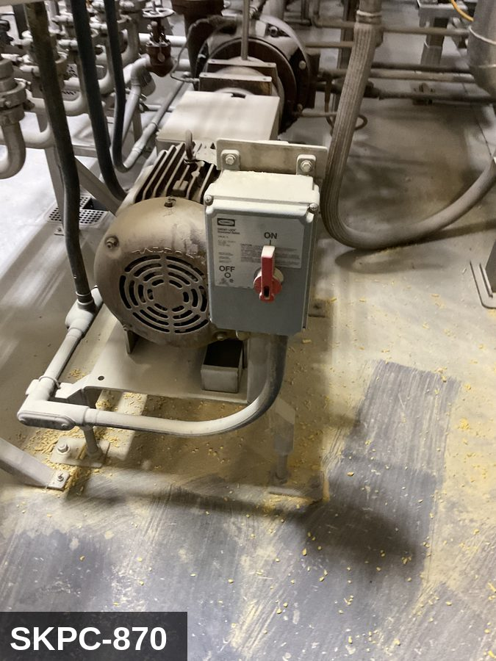

PHOTO OF EQUIPMENT |  |  |  | PHOTO OF ISOLATION / DISCONNECT
Energy Tag & Description | Isolation Procedure & Lockout Devices |  |  |  | Method of Verification
M — Mechanical ISOLATE ENERGY TAG & DESCRIPTION — M: MECHANICAL (M) — Pump impeller, drive coupling. Hot oil hazard — surface and line temperature can exceed 350°F. | ISOLATION PROCEDURE — MECHANICAL: 1. After electrical isolation per the E procedure, manually verify all rotating/reciprocating components of Use Kettle Pump (SKPC-870) have completely stopped. 2. Identify residual stored mechanical energy: chain tension, eccentric flywheel/cam momentum, spring-loaded covers and doors. 3. Block, chock, or pin any component that could move under its own weight or stored energy. 4. Where applicable install drive-shaft pins or transmission locks; release belt/chain tension before reaching past the guarding. 5. Apply a lockout tag at the point of mechanical work identifying the worker and the hazard. Cal/OSHA §3314 construes 'minor servicing' narrowly — default to full LOTO including mechanical blocking; do NOT rely solely on the electrical disconnect. |  |  |  | METHOD OF VERIFICATION — MECHANICAL: 1. Visually confirm all rotating and reciprocating components have completely stopped — full coast-down completed. 2. For high-speed servo equipment (case packers, palletizers): wait the manufacturer-specified coast-down before reaching past the guarding. 3. Attempt to manually rotate drive shafts at the input side or jog the system — confirm no movement or kickback. 4. Physically inspect blocks, chocks, or pins for engagement. 5. Confirm belt/chain tension has been released where applicable.

E — Electrical ISOLATE ENERGY TAG & DESCRIPTION — E: ELECTRICAL (E) — 208V/480V to transfer-pump motor, line heaters, level sensors, controls. | ISOLATION PROCEDURE & LOCKOUT DEVICES — ELECTRICAL: 1. Notify all affected employees that LOTO is being performed on Use Kettle Pump (SKPC-870). 2. Complete the current cycle and press STOP, then E-STOP. 3. Locate the main electrical disconnect serving this equipment (labeled to the equipment). 4. Open the disconnect to the OFF position. 5. Apply a lockout device through the disconnect handle. Each authorized worker applies their own personal padlock (group-lock hasp if more than one worker) per Cal/OSHA §3314(k). 6. Apply a lockout tag with date, time, name, and reason. 7. If the equipment uses servo drives or VFDs, allow 5 minutes for DC-bus capacitors to discharge before opening any drive enclosure. |  |  |  | METHOD OF VERIFICATION — ELECTRICAL: 1. Use a calibrated voltage tester following the test-before-touch protocol per OSHA 1910.333: test the meter on a known live source, test the disconnect line/load terminals, then re-test the meter on the known live source. 2. Verify zero voltage at the motor or servo terminals downstream of the disconnect. 3. For servo drives / VFDs: confirm DC-bus capacitors have discharged (5-minute minimum) before opening drive enclosure. 4. Attempt to start the equipment from the control panel and HMI — confirm no response. 5. Physically verify all padlocks are secure and lockout tags are legible.

LOCKOUT REMOVAL PROCESS
1. Notify all AFFECTED employees that lockout is being removed 2. Inspect the work area to ensure tools and items have been removed 3. Verify that all employees are clear of the equipment 4. Verify that controls are in the neutral or off position |  |  |  | 5. Remove lockout devices, locks, and tags 6. Re-energize the equipment 7. Notify all AFFECTED employees that the equipment is back in service

Spanish translation on reverse — print double-sided.
Signature |  | Date |  | Dept |  |  | See PM Store in PT Folder

PROCEDIMIENTO DE BLOQUEO/ETIQUETADO
[ES] Fecha: 2026-08-29 · Escanee para placa digital
BORRADOR — NO REVISADO · traducción sin revisar
EQUIPO: SKPC-870 (Use Kettle Pump - Popcorn) |  |  |  |  |  | Popcorn
¡MANTÉNGASE ALEJADO! VOLTAJE PELIGROSO Y PIEZAS EN MOVIMIENTO
COMBINED LOTO GROUP 2026-04-27: ONE combined LOTO covers: SKPC-860, SKPC-870.
PROPÓSITO |  |  |  |  | PROCESO DE APLICACIÓN DE BLOQUEO
Este procedimiento establece los requisitos mínimos para el bloqueo de los dispositivos de aislamiento de energía. Garantiza que el equipo se detenga, se aísle de todas las fuentes de energía potencialmente peligrosas y se bloquee antes de realizar actividades de servicio o mantenimiento. |  |  |  |  | 1. Comunicar a todos los empleados AFECTADOS 2. Apagar el equipo usando procedimientos normales de parada 3. Aislar las fuentes de energía 4. Aplicar dispositivos de bloqueo, candados y etiquetas 5. Liberar toda la energía almacenada 6. Verificar que el equipo esté desenergizado intentando arrancarlo 7. Después de la prueba, colocar los controles en posición neutral

CÓDIGOS DE COLOR
E = Eléctrico | G = Gas |  | H = Hidráulico | P = Neumático |  | M = Mecánico |  | T = Térmico
W = Agua | S = Vapor |  | V = Válvula | CG = Gas Comprimido |  | CP = Panel Control |  | GR = Gravedad
IDENTIFICACIÓN DEL EQUIPO Y PROCEDIMIENTO DE AISLAMIENTO DE ENERGÍA

FOTO DEL EQUIPO |  |  |  | FOTO DE AISLAMIENTO / DESCONEXIÓN
Etiqueta y Descripción | Procedimiento de Aislamiento y Dispositivos |  |  |  | Método de Verificación
M — Mecánico AISLAR ETIQUETA DE ENERGÍA Y DESCRIPCIÓN — M: MECÁNICO (M) — Impulsor de bomba, acoplamiento de impulsión. Peligro de aceite caliente — la temperatura de superficie y de línea puede exceder 350°F. | PROCEDIMIENTO DE AISLAMIENTO — MECÁNICO: 1. Después del aislamiento eléctrico per el procedimiento E, verifique manualmente que todos los componentes rotativos/reciprocantes de Use Kettle Pump (SKPC-870) hayan parado completamente. 2. Identifique energía mecánica almacenada residual: tensión de cadena, inercia excéntrica de volante/leva, cubiertas y puertas accionadas por resorte. 3. Bloquee, calce o pase pasadores a cualquier componente que pudiera moverse por su propio peso o energía almacenada. 4. Donde aplique, instale pasadores en el eje de impulsión o bloqueos de transmisión; libere la tensión de banda/cadena antes de alcanzar más allá del guardado. 5. Aplique etiqueta de bloqueo en el punto de trabajo mecánico identificando al trabajador y al peligro. Cal/OSHA §3314 interpreta la excepción de "servicio menor" en forma estrecha — por defecto LOTO completo incluyendo bloqueo mecánico; NO confíe únicamente en el desconectador eléctrico. |  |  |  | MÉTODO DE VERIFICACIÓN — MECÁNICO: 1. Confirme visualmente que todos los componentes rotativos y reciprocantes han parado por completo — desaceleración completa concluida. 2. Para equipo servo de alta velocidad (empacadoras de cajas, paletizadores): espere la desaceleración especificada por el fabricante antes de alcanzar más allá del guardado. 3. Intente girar manualmente los ejes de impulsión en el lado de entrada o impulsar el sistema — confirme que no hay movimiento ni retroceso. 4. Inspeccione físicamente los bloques, calzas o pasadores en su acoplamiento. 5. Confirme que la tensión de banda/cadena ha sido liberada donde aplique.

E — Eléctrico AISLAR ETIQUETA DE ENERGÍA Y DESCRIPCIÓN — E: ELÉCTRICO (E) — 208V/480V al motor de la bomba de transferencia, calentadores de línea, sensores de nivel, controles. | PROCEDIMIENTO DE AISLAMIENTO Y DISPOSITIVOS DE BLOQUEO — ELÉCTRICO: 1. Notifique a todos los empleados afectados que se está realizando LOTO en Use Kettle Pump (SKPC-870). 2. Complete el ciclo actual y presione PARO, luego PARO DE EMERGENCIA. 3. Localice el desconectador eléctrico principal que sirve este equipo (etiquetado al equipo). 4. Abra el desconectador a la posición OFF. 5. Aplique un dispositivo de bloqueo a través de la manija del desconectador. Cada trabajador autorizado aplica su propio candado personal (broche de candado grupal si hay más de un trabajador) per Cal/OSHA §3314(k). 6. Aplique etiqueta de bloqueo con fecha, hora, nombre y razón. 7. Si el equipo usa servo-drives o VFDs, permita 5 minutos para que los capacitores del bus DC se descarguen antes de abrir cualquier gabinete de drive. |  |  |  | MÉTODO DE VERIFICACIÓN — ELÉCTRICO: 1. Use un comprobador de voltaje calibrado siguiendo el protocolo "probar antes de tocar" per OSHA 1910.333: pruebe el medidor en una fuente viva conocida, pruebe los terminales de línea/carga del desconectador, luego re-pruebe el medidor en la fuente viva conocida. 2. Verifique cero voltaje en los terminales del motor o servo aguas abajo del desconectador. 3. Para servo-drives / VFDs: confirme que los capacitores del bus DC se han descargado (5 minutos mínimo) antes de abrir el gabinete del drive. 4. Intente arrancar el equipo desde el panel de control y HMI — confirme que no hay respuesta. 5. Verifique físicamente que todos los candados estén seguros y las etiquetas de bloqueo sean legibles.

PROCESO DE REMOCIÓN DE BLOQUEO
1. Notificar a todos los empleados AFECTADOS que se está retirando el bloqueo 2. Inspeccionar el área de trabajo para asegurar que se hayan retirado herramientas y objetos 3. Verificar que todos los empleados estén lejos del equipo 4. Verificar que los controles estén en posición neutral o apagada |  |  |  | 5. Retirar los dispositivos de bloqueo, candados y etiquetas 6. Volver a energizar el equipo 7. Notificar a los empleados AFECTADOS que el equipo está de vuelta en servicio

Traducción al inglés al reverso — imprimir a doble cara.
Firma |  | Fecha |  | Depto |  |  | Ver PM Store en carpeta PT

LOCKOUT/TAGOUT PROCEDURE
[EN] Date: 2026-08-29 · Scan for digital placard
EQUIPMENT: SKPC-880 (Bucket Elevator to Hopper - Popcorn) |  |  |  |  |  | Popcorn
KEEP OUT! HAZARDOUS VOLTAGE AND MOVING PARTS
This equipment must be locked out and tagged out before servicing or maintenance. Follow the procedure below to isolate all energy sources.
PURPOSE |  |  |  |  | LOCKOUT APPLICATION PROCESS
This procedure establishes the minimum requirements for lockout of energy-isolating devices. It ensures equipment is stopped, isolated from all potentially hazardous energy sources, and locked out before any servicing or maintenance activities are performed. |  |  |  |  | 1. Communicate to all AFFECTED employees 2. Shut down the equipment using normal stopping procedures 3. Isolate energy sources 4. Apply lockout devices, locks, and tags 5. Release all stored energy 6. Verify equipment is de-energized by attempting to start up 7. After test, place controls in a neutral position

COLOR CODES
E = Electrical | G = Gas |  | H = Hydraulic | P = Pneumatic |  | M = Mechanical |  | T = Thermal
W = Water | S = Steam |  | V = Valve | CG = Compressed Gas |  | CP = Control Panel |  | GR = Gravity
EQUIPMENT IDENTIFICATION AND ENERGY ISOLATION PROCEDURE
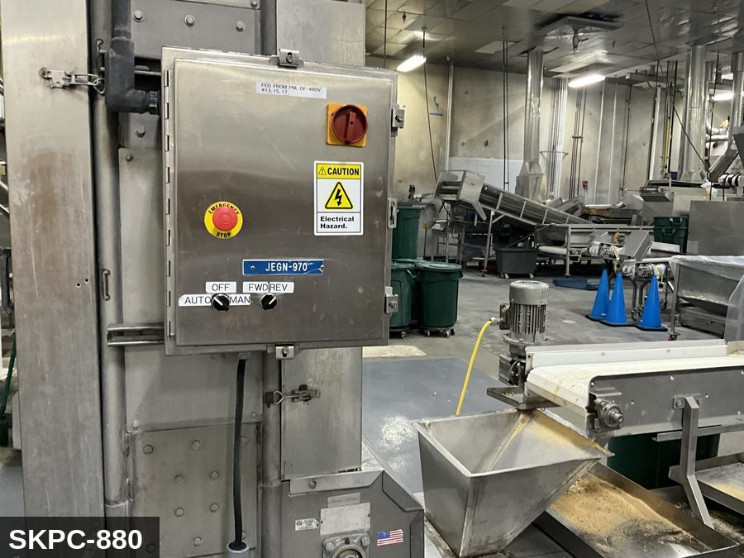 |  |  |  | 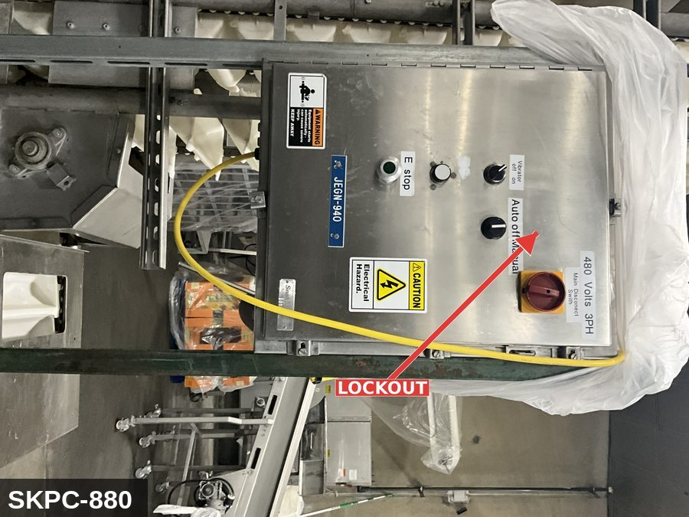

PHOTO OF EQUIPMENT |  |  |  | PHOTO OF ISOLATION / DISCONNECT
Energy Tag & Description | Isolation Procedure & Lockout Devices |  |  |  | Method of Verification
CG — Compressed Gas ISOLATE ENERGY TAG & DESCRIPTION — CG: CONTROL GRAVITY (CG) — Loaded buckets in the up-leg will descend if drive/brake releases. Anti-runback dog OR a positively-engaged chain pin is required before working inside the casing. | ISOLATION PROCEDURE — CONTROL GRAVITY: 1. After electrical and mechanical isolation, identify all elevated or stacked masses on Bucket Elevator to Hopper (SKPC-880) that can descend under gravity. 2. Engage the anti-runback dog OR install a positively-keyed chain pin so loaded buckets in the up-leg cannot descend under product weight. 3. NEVER rely on hydraulic cylinders, pneumatic cylinders, electric brakes, or drive belts to hold an elevated load while LOTO is in place — these are NOT load-holding devices for service work. 4. Verify the drop-stop / strut is rated for the actual load. 5. Apply a lockout tag to the drop-stop / strut identifying the worker. |  |  |  | METHOD OF VERIFICATION — CONTROL GRAVITY: 1. Physically confirm the elevated mass is either fully lowered to its mechanical bottom hard stop OR a rated mechanical drop-stop / safety strut is engaged. 2. Verify the drop-stop is rated for the actual load (stamped capacity ≥ equipment weight). 3. Visually inspect the drop-stop engagement — no gap between the support and the elevated mass. 4. Tap-test or shake-test the support to confirm it is bearing load. 5. Confirm the drop-stop has its own lockout tag attached so it cannot be removed by anyone other than the authorized worker.

M — Mechanical ISOLATE ENERGY TAG & DESCRIPTION — M: MECHANICAL (M) — Endless chain or belt with buckets; head and tail pulleys/sprockets; severe entanglement hazard. Brake-failure runback can drive the chain in reverse under product load. | ISOLATION PROCEDURE — MECHANICAL: 1. After electrical isolation per the E procedure, manually verify all rotating/reciprocating components of Bucket Elevator to Hopper (SKPC-880) have completely stopped. 2. Identify residual stored mechanical energy: chain tension, eccentric flywheel/cam momentum, spring-loaded covers and doors. 3. Block, chock, or pin any component that could move under its own weight or stored energy. 4. Where applicable install drive-shaft pins or transmission locks; release belt/chain tension before reaching past the guarding. 5. Apply a lockout tag at the point of mechanical work identifying the worker and the hazard. Cal/OSHA §3314 construes 'minor servicing' narrowly — default to full LOTO including mechanical blocking; do NOT rely solely on the electrical disconnect. |  |  |  | METHOD OF VERIFICATION — MECHANICAL: 1. Visually confirm all rotating and reciprocating components have completely stopped — full coast-down completed. 2. For high-speed servo equipment (case packers, palletizers): wait the manufacturer-specified coast-down before reaching past the guarding. 3. Attempt to manually rotate drive shafts at the input side or jog the system — confirm no movement or kickback. 4. Physically inspect blocks, chocks, or pins for engagement. 5. Confirm belt/chain tension has been released where applicable.

E — Electrical ISOLATE ENERGY TAG & DESCRIPTION — E: ELECTRICAL (E) — 208V/480V to drive motor, gearbox, VFD, anti-runback brake control, controls. | ISOLATION PROCEDURE & LOCKOUT DEVICES — ELECTRICAL: 1. Notify all affected employees that LOTO is being performed on Bucket Elevator to Hopper (SKPC-880). 2. Complete the current cycle and press STOP, then E-STOP. 3. Locate the main electrical disconnect serving this equipment (labeled to the equipment). 4. Open the disconnect to the OFF position. 5. Apply a lockout device through the disconnect handle. Each authorized worker applies their own personal padlock (group-lock hasp if more than one worker) per Cal/OSHA §3314(k). 6. Apply a lockout tag with date, time, name, and reason. 7. If the equipment uses servo drives or VFDs, allow 5 minutes for DC-bus capacitors to discharge before opening any drive enclosure. |  |  |  | METHOD OF VERIFICATION — ELECTRICAL: 1. Use a calibrated voltage tester following the test-before-touch protocol per OSHA 1910.333: test the meter on a known live source, test the disconnect line/load terminals, then re-test the meter on the known live source. 2. Verify zero voltage at the motor or servo terminals downstream of the disconnect. 3. For servo drives / VFDs: confirm DC-bus capacitors have discharged (5-minute minimum) before opening drive enclosure. 4. Attempt to start the equipment from the control panel and HMI — confirm no response. 5. Physically verify all padlocks are secure and lockout tags are legible.
...
COLOR CODES
E = Electrical | G = Gas |  | H = Hydraulic | P = Pneumatic |  | M = Mechanical |  | T = Thermal
W = Water | S = Steam |  | V = Valve | CG = Compressed Gas |  | CP = Control Panel |  | GR = Gravity
EQUIPMENT IDENTIFICATION AND ENERGY ISOLATION PROCEDURE
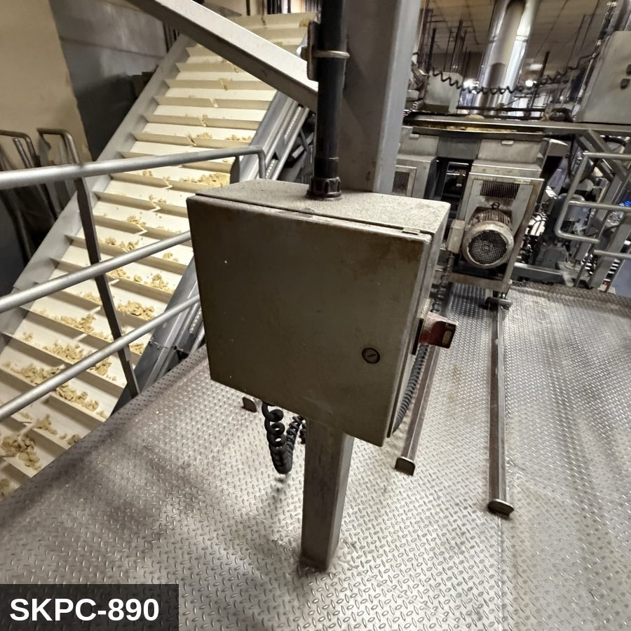 |  |  |  | 


