Selenium
 | Amazon

Steps | 1. Goto https://www.amazon.com/
 | 2. In search type & enter "oneplus"
 | 3. Verify title has oneplus
 | 4. Click on the first result link
 | 5. Print the title
 | 6. Go back to the previous page
 | 7. Verify that in search box "oneplus" is present
 | 8. Clear and search for samsung and enter
 | 9. Select Price high to low in the sort by dropdown
 | 10. Close the browser

 | WebTable - Sorting
1 | Goto https://devlabs-860f0.web.app/advanced-web-tables
 | Sort if the Dessert column is working properly

Hints
1 | Get all the values from all the dessert column
2 | store in a list
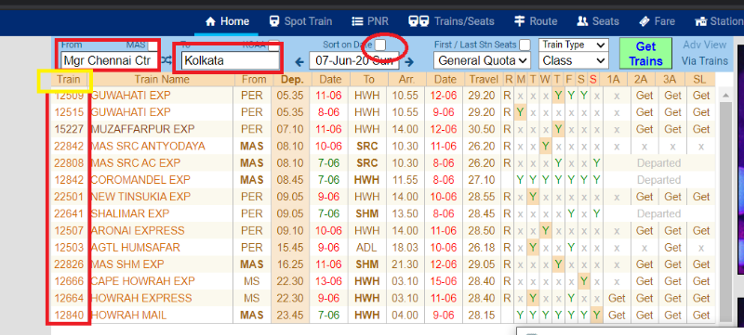
3 | sort the list
4 | click on the dessert (values will be sorted)
5 | repeat step 1 & 2
6 | compare both the list

Steps
 | 1. Goto https://erail.in/ | Hint
 | 2. Type MAS and TAB in the from input | 1 | Store all the train numbers in a list and sort
 | 3. Type Kolkata and TAB in the to input | 2 | After clicking on the train name header
 | 4. Click on the sort date checkbox (uncheck) | 3 | GET all the train numbers, that is sorted now
 | 5. Get all the train numbers from the table | 4 | store the sorted values in list
 | 6. Click on Train - table header | 5 | compare both the list using list1 == list 2
 | 7. Confirm that train numbers are sorted properly. | 6 | by this way we can confirm sorting functionality is working fine

 |  |  | Refer the image

Java
Java | Program
 |  |  | Exception handling
What is an interface? | 1 | Write a program to illustrate about inheritance concept in java
What is an sbstract class? |  | Take any simple example
What is the difference between abstract class & Interface
What do you mean by abstract method
What are different types of Inheritance supported by Java?

Selenium | MindMap

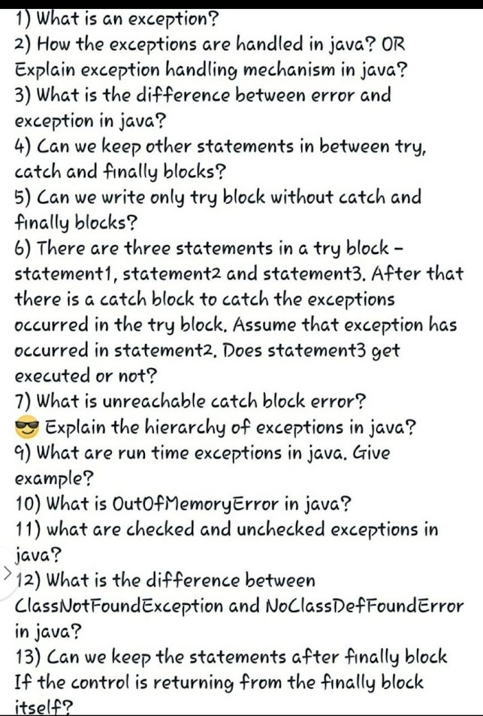
Name few interfaces used in Selenium |  | Draw mind map about Selenium classes
What is Webdriver
What is RemoteWebdriver?

