Physio_Sept2021
Calf strengthening

Heel raises on the weights machine
Single leg, bent knee, 4x8 with a 10 rep max (increase the weight as you can, you should be working at a weight that would only allow you to do 10reps before you fatigue!)
2x/week

Calf capacity

Single leg standing calf raise (what we started on Monday)
Same as video, performing with a bent knee, then straighten your knee as you lift your heel
Lift heel as high as you can, putting your weight over your 1st and 2nd toe
4x until fatigue, 2x/week

https://youtu.be/LEc9_DqtAuE

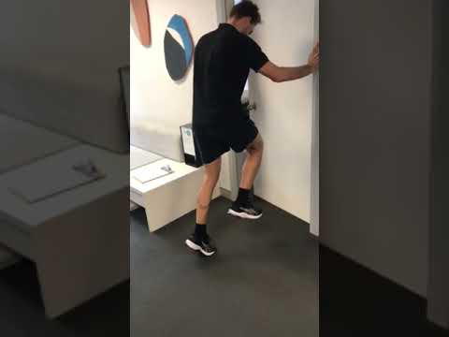 | Single leg soleus raise
 | youtu.be

PLYOMETRICS

For power and propulsion, working on tendon stiffness and using your leg like a spring!
Once a week

Double leg hopping

Focus is on stiff ankles and knees and trying to jump as high as you can each jump
5 forward double leg hops = 1
Perform 2x6 reps
Similar to the video, same technique but try and jump higher, that's the real focus!

https://youtu.be/KrNHZfsxKrA

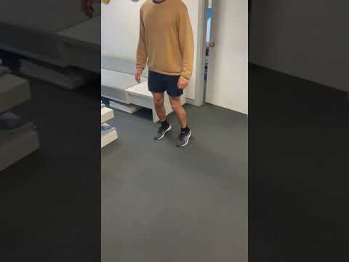 | Low amp jumps
 | youtu.be

Wall running

Focus is on not letting your heel slam down to the ground
Same as video- can perform slowly to start
3x6 (each side- so 12 all up each set)

https://youtu.be/dkUyEMX5K3E
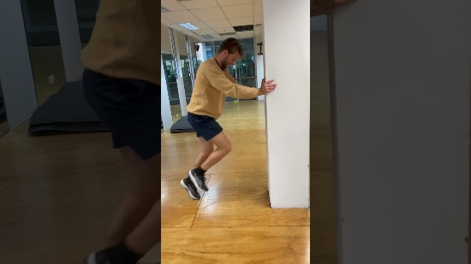 | Wall running
 | youtu.be

You can perform some of these exercises on the same days as each other, to make it easier to complete! (So you can do the strengthening, with the plyometrics, or the calf capacity with the plyometrics!) I will include an example of a weekly schedule below, but keep in mind this is just for the above exercises and doesn't include any running!

Monday- Calf strengthening
Tuesday-
Wednesday- Calf capacity
Thursday-
Friday- Calf strengthening + plyometrics
Saturday-
Sunday- Calf capacity

