Sheet1
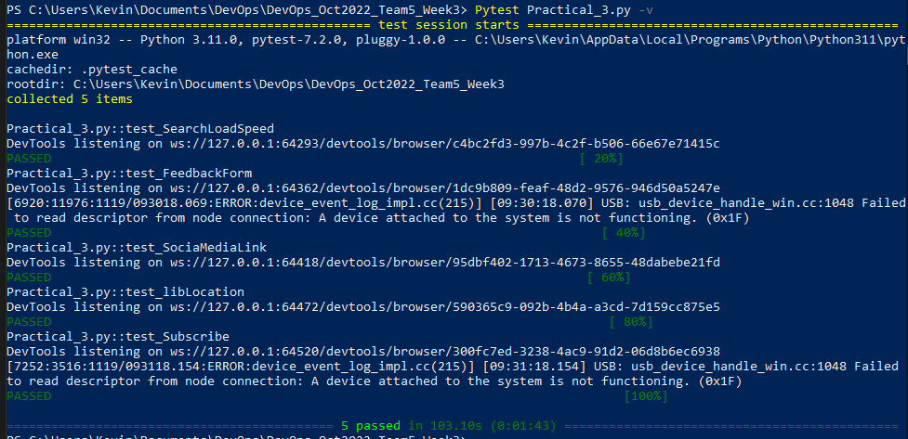
 | Test Case ID | Test Case | Description | Steps | Expected Result | Pass/Fail | Testable
Elgin | 1 | Search function loading speed | Testing loading speed of searching a book in search form | 1. Select search text box 2. Type "C# for dummies" 3. Click Go 4. Wait 10 seconds | Test Fail loading speed more than 10 sec | Pass | Yes
Kevin | 2 | Find Library location | Change default library location & find the location of selected library | 1. Change library to Sengkang Public Library 2. Click "Go to the library" 3. See page change | Test passes, page display's location of Sengkang Public Library | Pass | Yes
Tricia | 3 | Subscribe to eNewsletter | Subcribe to NLB's eNewsletter to receive emails and eNewsletters | 1. Select Subscribe Now 2. Enter email into the Forum 3. Click Submit Now button | Test passes, Successfully subscribes to the newsletter | Pass | Yes
Jun Jie | 4 | Submit Feedback | Submit a Feedback Form | 1. Click on Contact Us 2. Click on the Hyperlink "Online" 3. Redirect to Feedback Form Page 4. Fill in Comments/Suggestions Text Box 5. Fill in Name text box 6. Fill in Email text box 7. Submit Feedback Form 8. On Thanks page, click 5 star rating 9. Type "Great" into Feedback experience box 10. Submit Feedback Experience Form | Test Pass, Popup will appear with text "Thank you for submitting your feedback!" | Pass | Yes
Samuel | 8 | Redirecting to social media links | Check if the redirection of social media link is working | 1. Click on the instagram icon, facebook icon, linkedin icon, youtube icon, twitter icon 2. redirected to a new page | based on what icon you have clicked it will redirect you to the specific page | Pass | Yes
 | 11 | Confirm Registration with Singpass | Test if the registration works for singpass | 1. Click on the person icon at the top right of the website. 2. Click on Apply now! 3. Use Singpass 4. Create an account with singpass | Registration successful |  | No
 | 12 | Page efficiency | Testing the efficiency to drill down from main page all the way down |  |  |  | No

