Usecase_Diagram
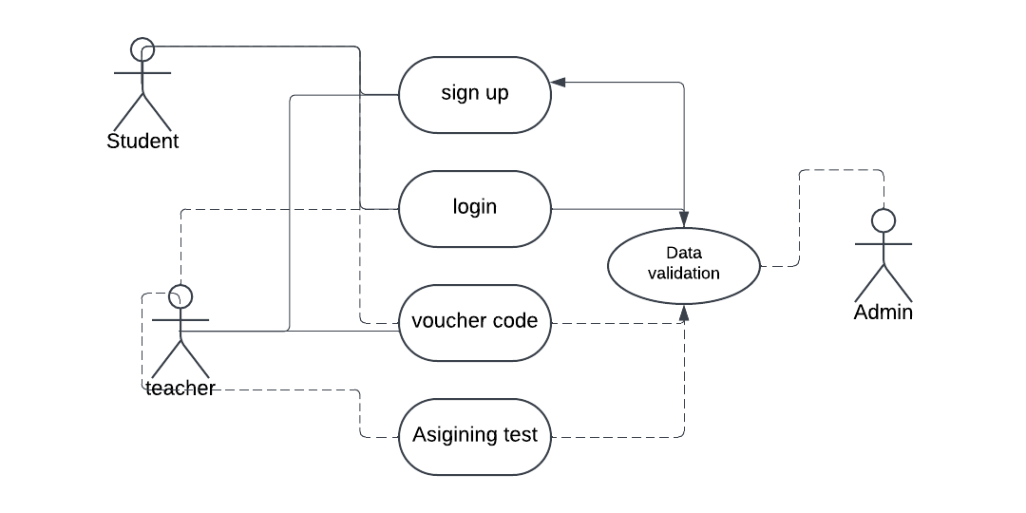
Use case diagram

