dashboard
SALES DASHBOARD
Sales Rep.
 | Total
Sunil | 345
Suresh | 381
Naresh | 396
Mitesh | 424
Ramesh | 552
Nilesh | 678
Top 5 Commodities
 | Total
Beverages | 605
Condiments | 358
Confections | 453
Dairy Products | 367
Seafood | 389

Total Qty Sold
 | Total
Beverages | 605
Condiments | 358
Confections | 453
Dairy Products | 367
Seafood | 389
Sales By City
 | Total
Ahmedabad | 1235
Anand | 311
Baroda | 552
Surat | 678

Sales trend
 | Total
Jan | 124
Feb | 237
Mar | 162
Apr | 157
May | 253
Jun | 187
Jul | 220
Aug | 174
Sep | 229
Oct | 452
Nov | 225
Dec | 356

pivot tables
Salesmen |  | City wise |  | commodity
Row Labels | Sum of Qty. | Row Labels | Sum of Qty. | Row Labels | Sum of Qty. | TOP 5
Sunil | 345 | Ahmedabad | 1235 | Beverages | 605 | Row Labels | Sum of Qty.
Suresh | 381 | Anand | 311 | Condiments | 358 | Beverages | 605
Naresh | 396 | Baroda | 552 | Confections | 453 | Condiments | 358
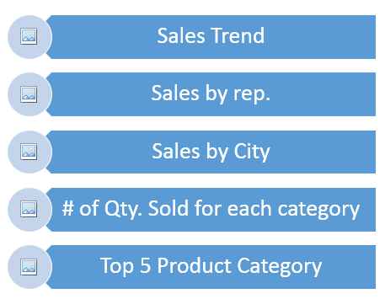
Mitesh | 424 | Surat | 678 | Dairy Products | 367 | Confections | 453
Ramesh | 552 | Grand Total | 2776 | Seafood | 389 | Dairy Products | 367
Nilesh | 678 |  |  | Grand Total | 2172 | Seafood | 389
Grand Total | 2776 |  |  |  |  | Grand Total | 2172

Monthly

Row Labels | Sum of Qty.
Jan | 124
Feb | 237
Mar | 162
Apr | 157
May | 253
Jun | 187
Jul | 220
Aug | 174
Sep | 229
Oct | 452
Nov | 225
Dec | 356
Grand Total | 2776

