Sheet1
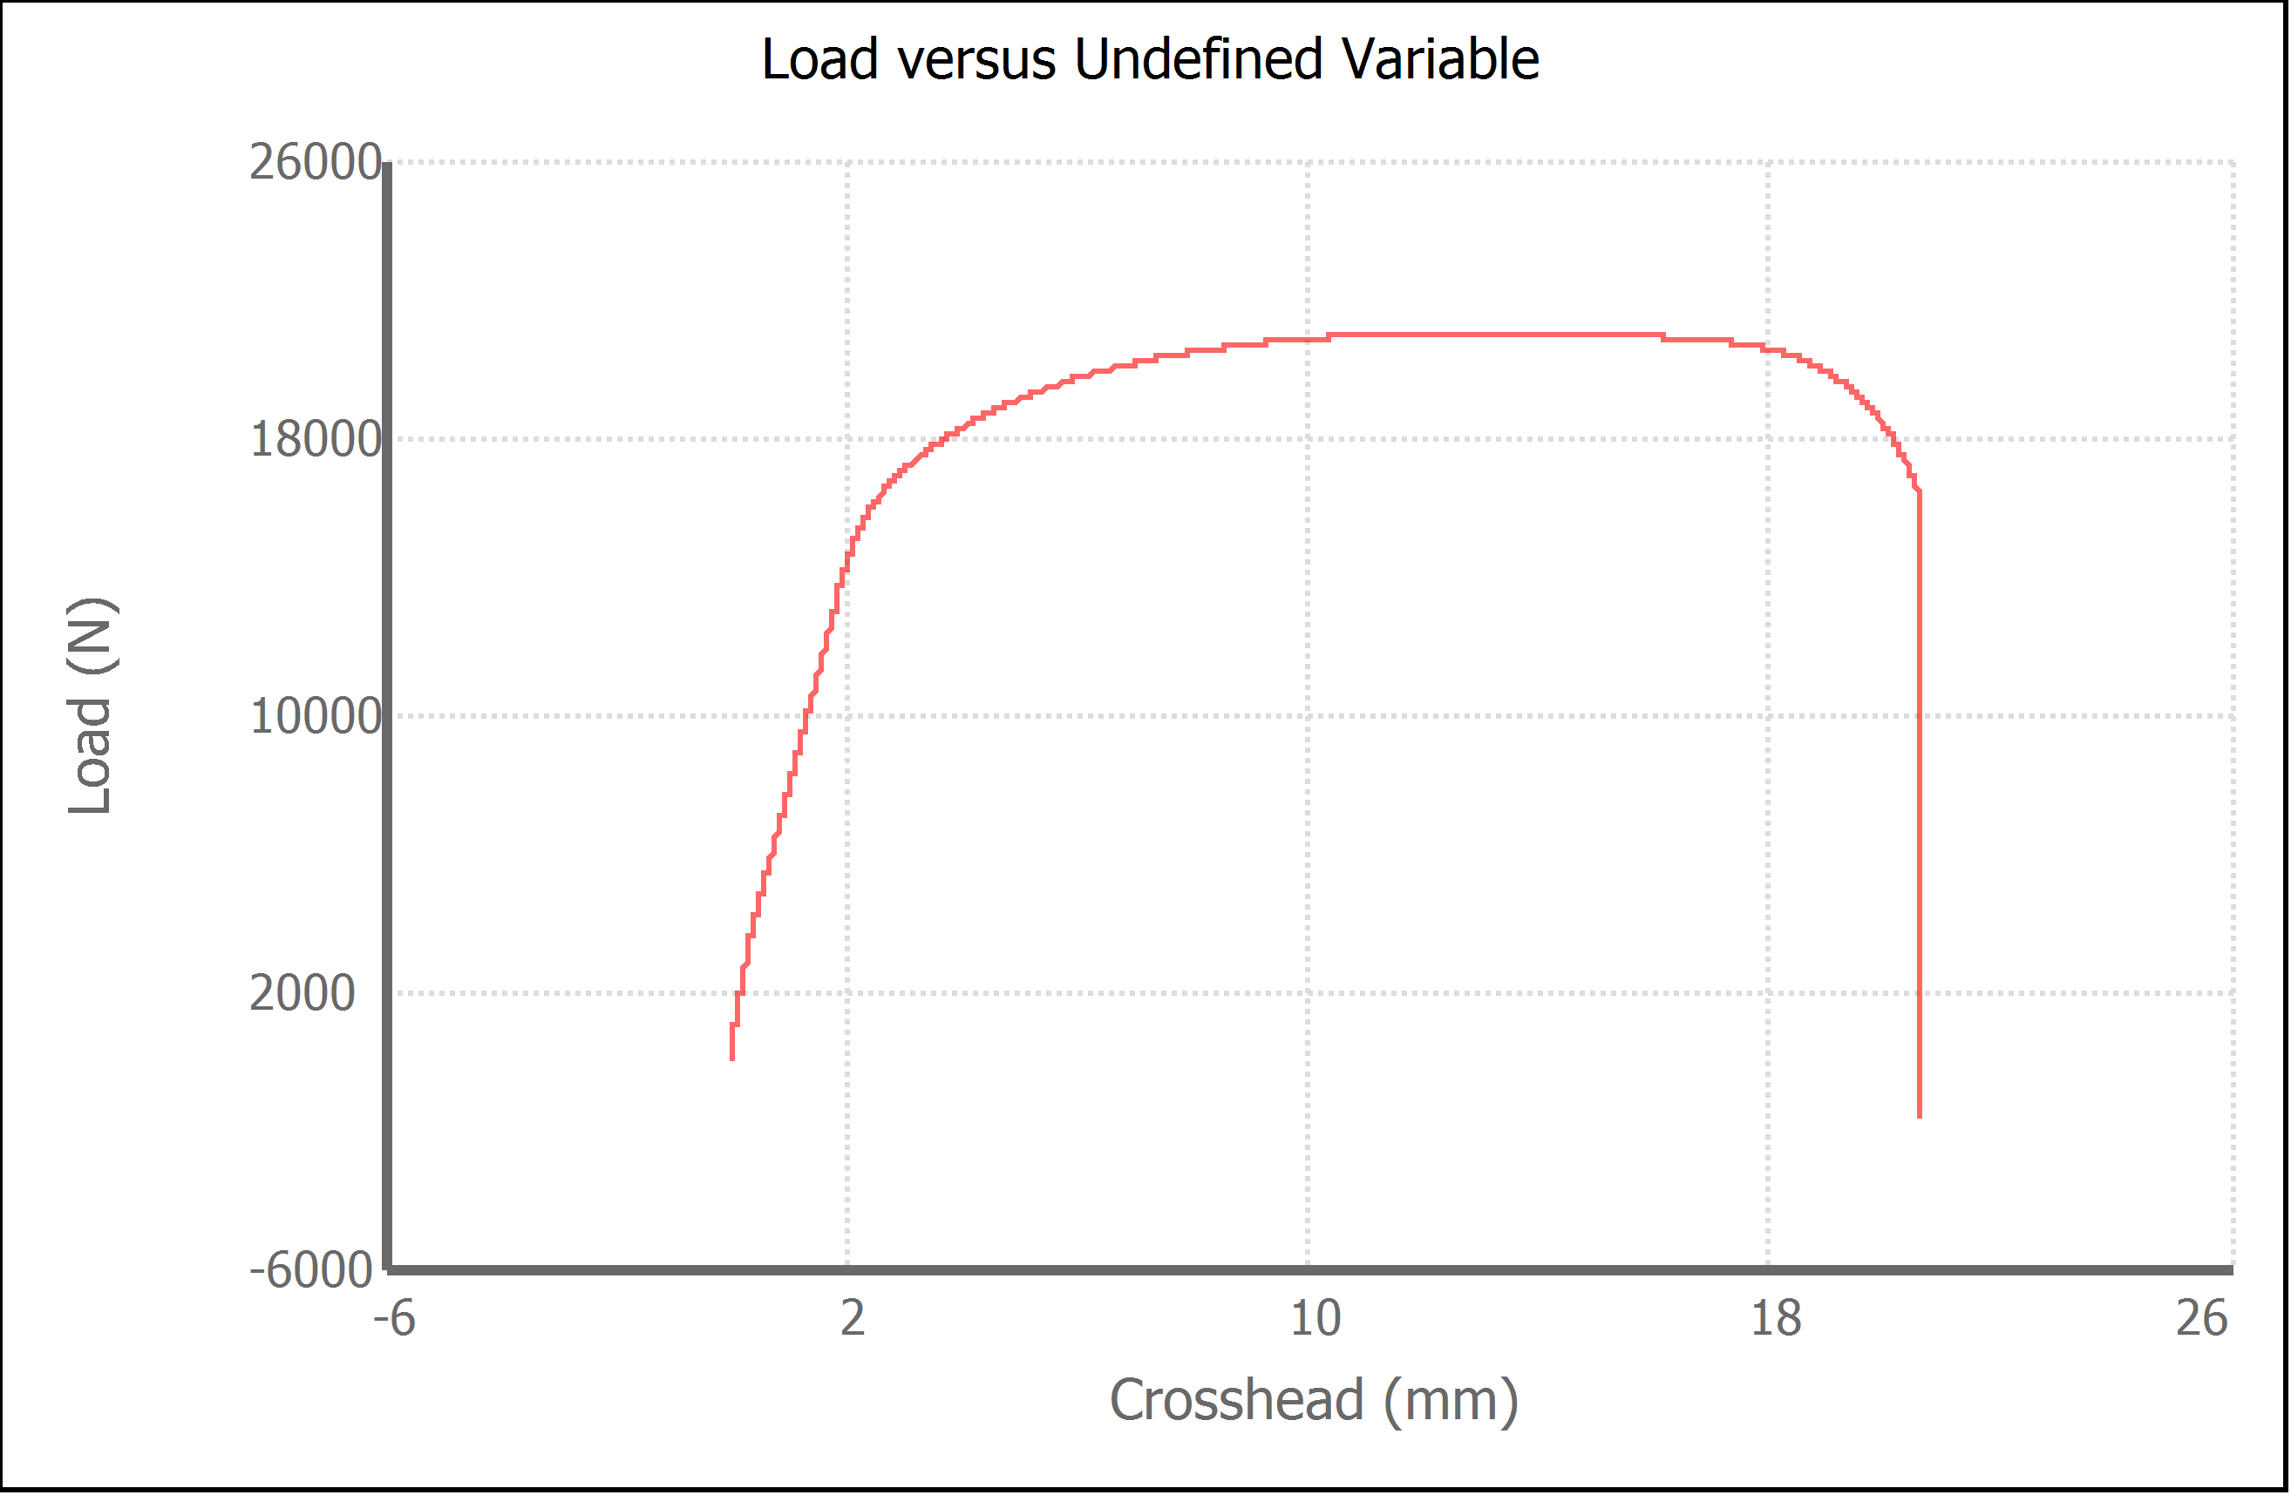
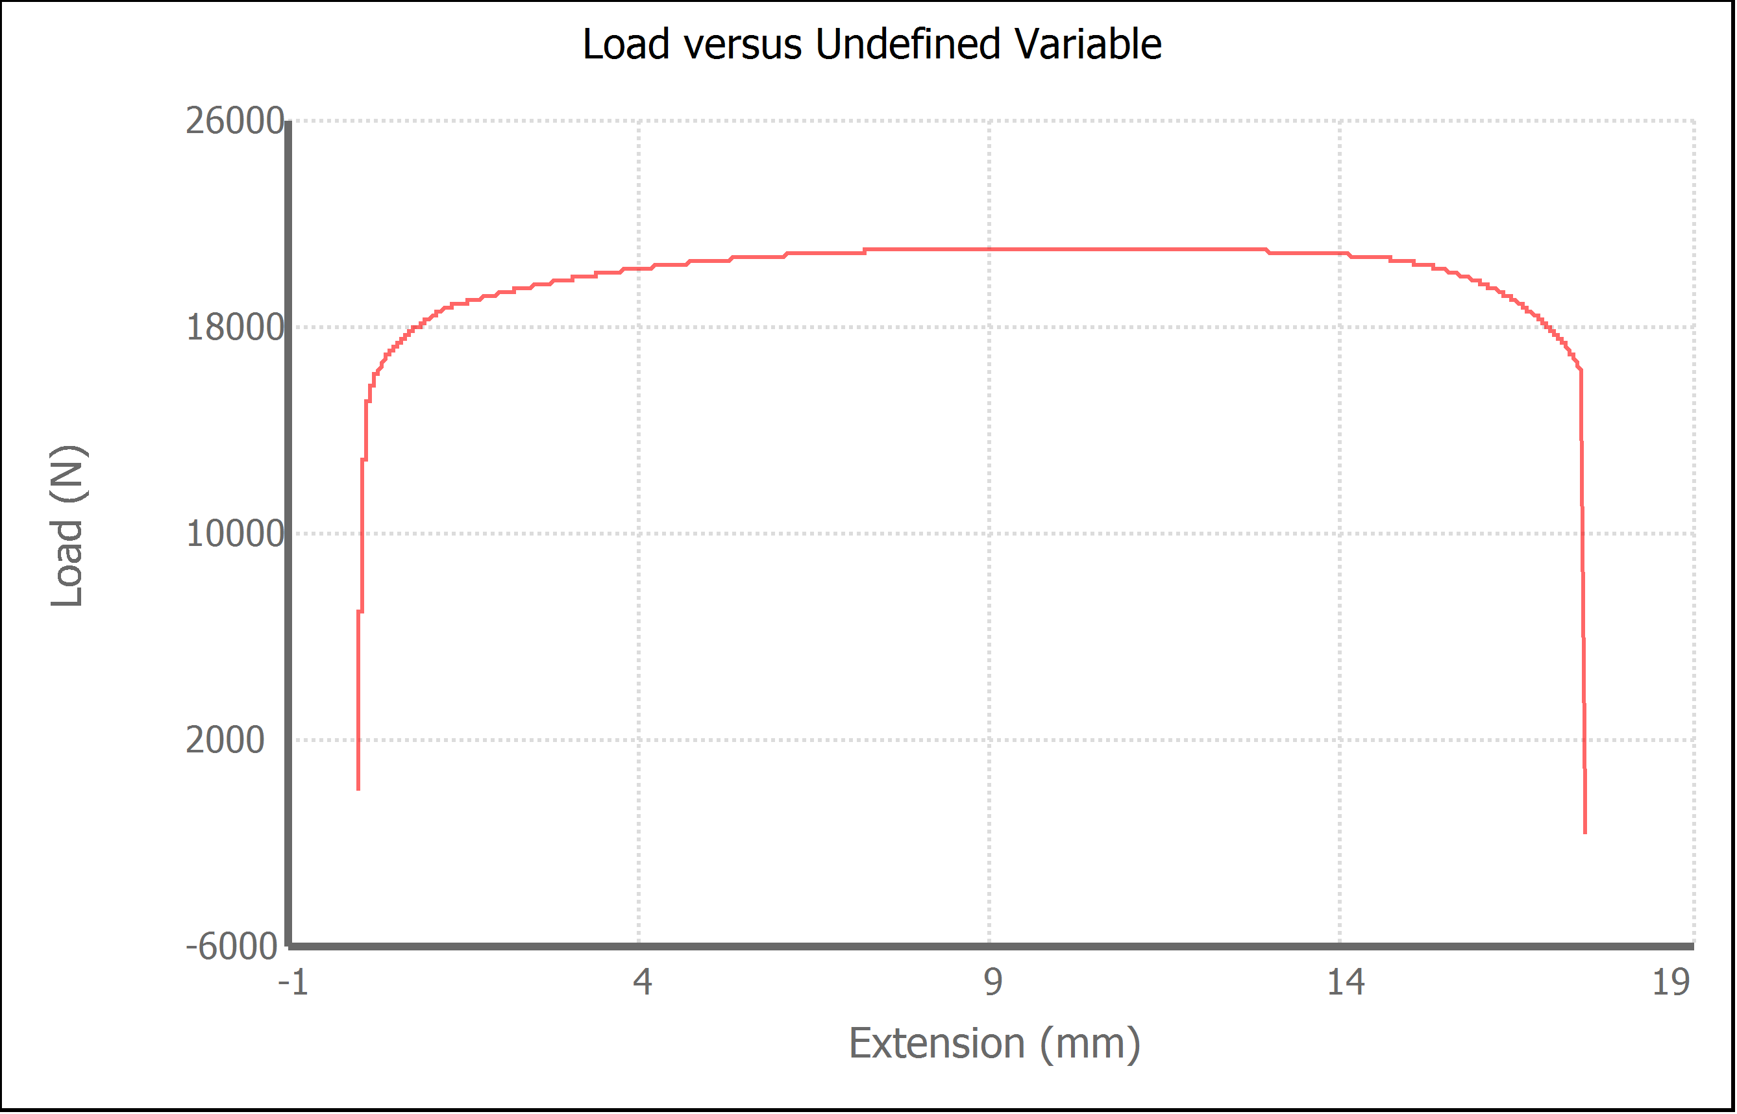
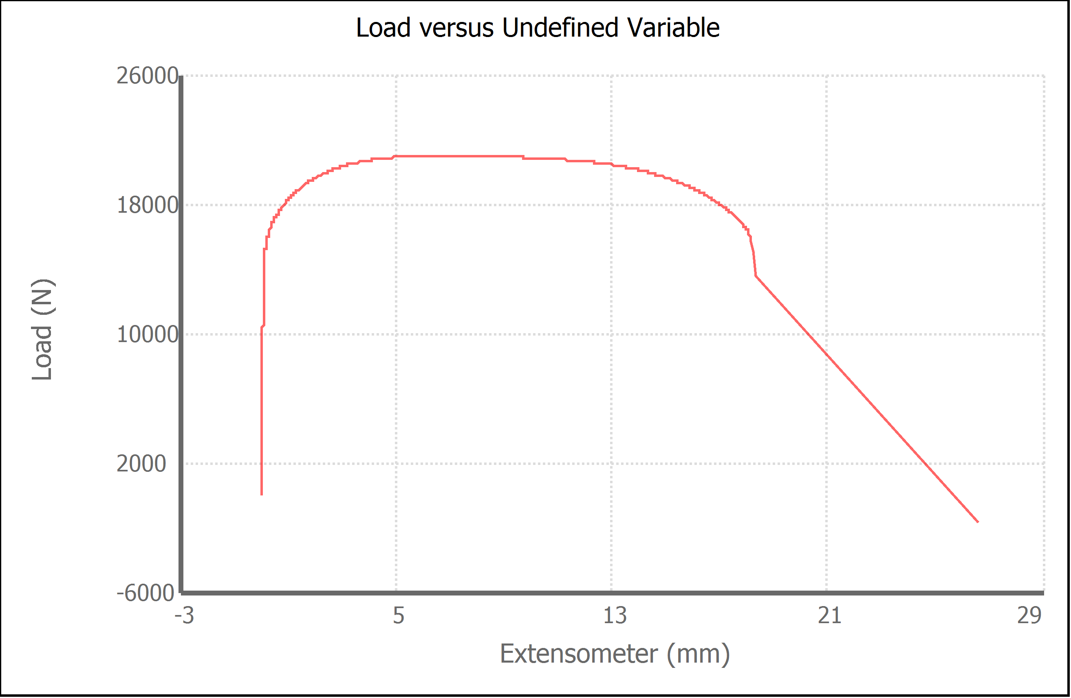
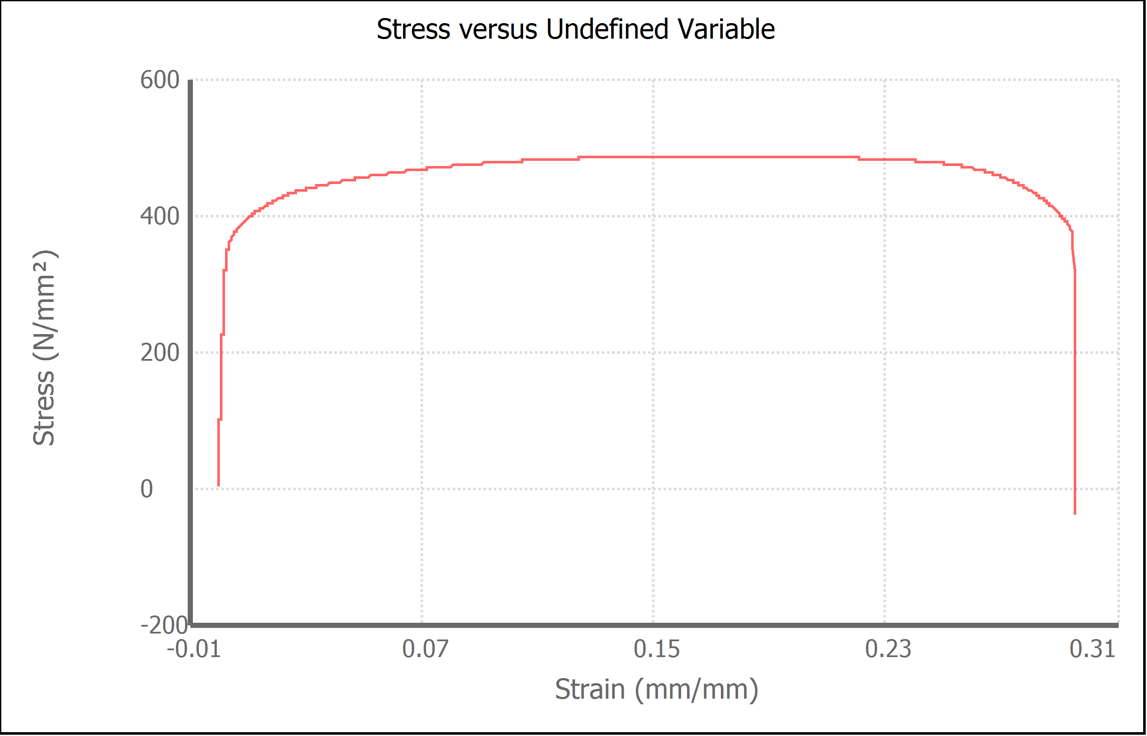
Variable | Width (mm) | Final Width (mm) | Thickness (mm) | Final Thickness (mm) | Initial Marked Gage Length (mm) | Area (mm²) | Final Area (mm²) | Maximum Force (N) | Maximum Stress (N/mm²) | Elongation at Fracture (%) | Elongation after Break (%) | Modulus of Elasticity (N/mm²) | Yield Strength (Offset = 0.2%) (N/mm²) | Ultimate Tensile Strength (N/mm²) | Reduction of Area (%) | Final Marked Gage Length (mm)
Value | 13.500 | 11.000 | 3.200 | 2.700 | 50.000 | 43.2000 | 29.7000 | 21002.250 | 486.2 | 29.451 | 32.000 | 157118.737 | 362.853 | 486.163 | 31.2500 | 66.000

Sheet3
