Sheet1
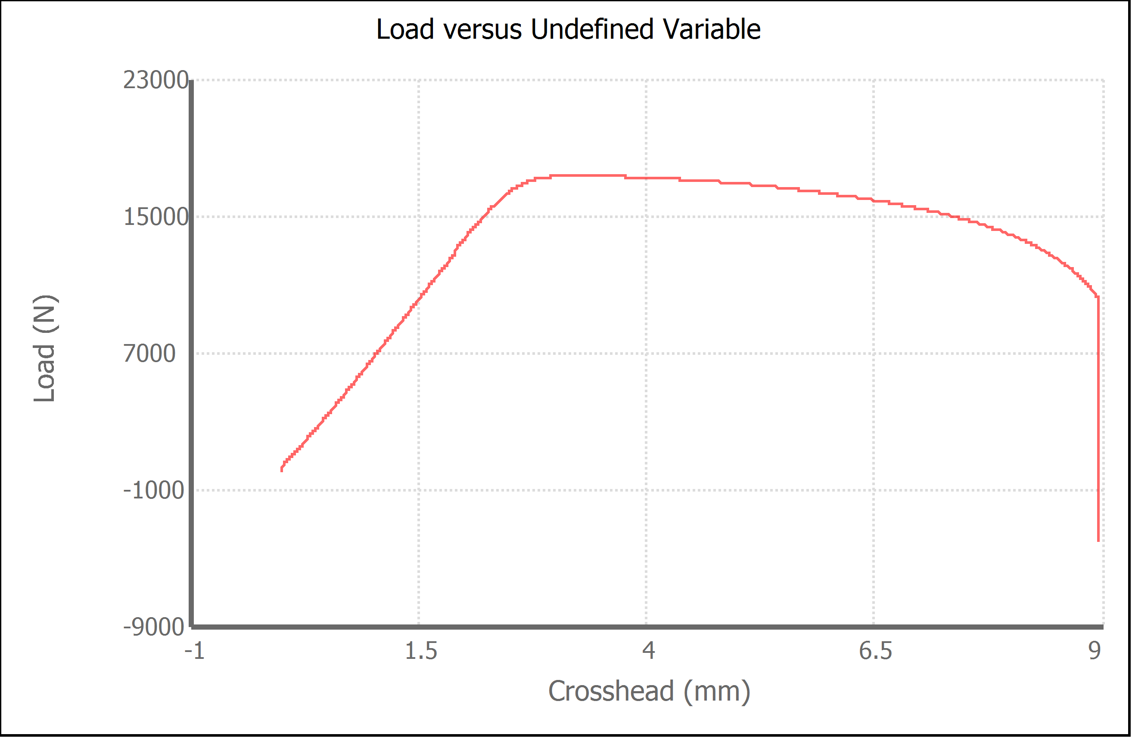
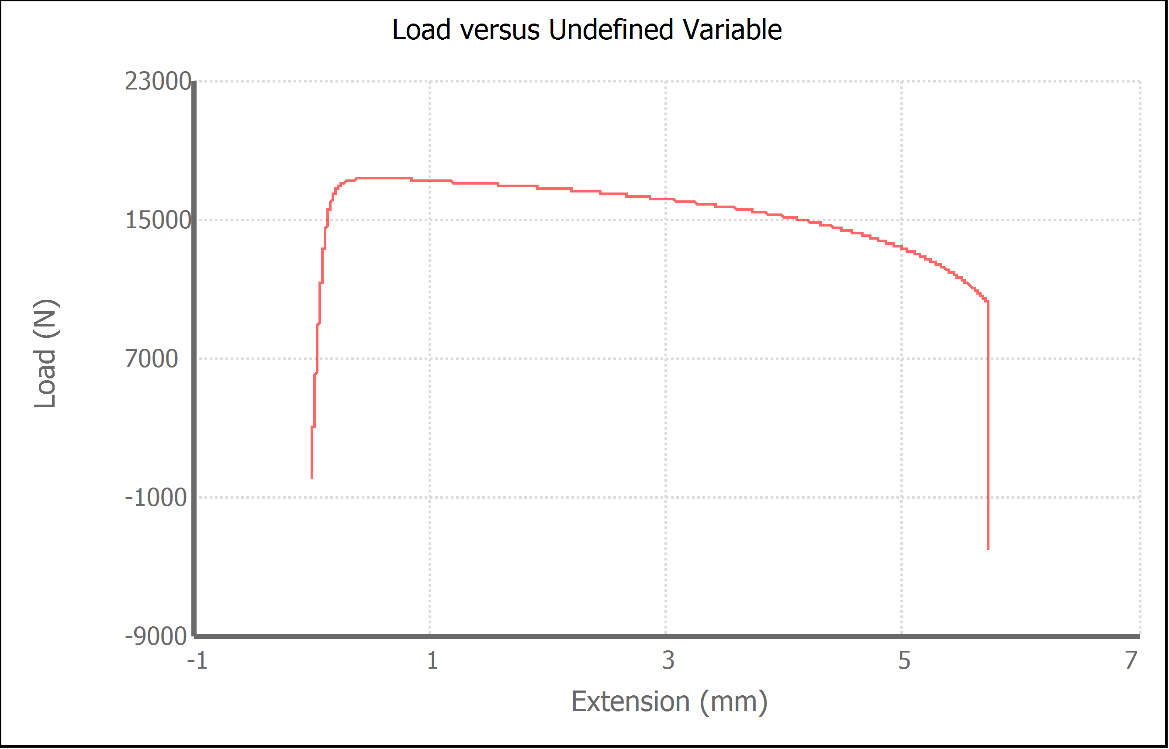
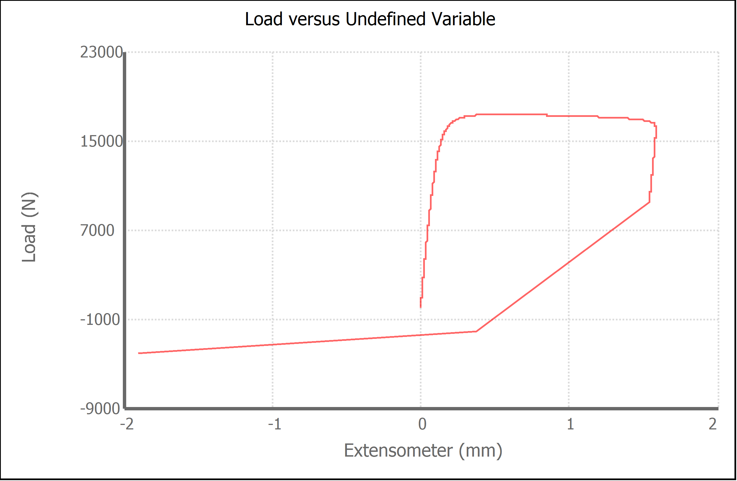
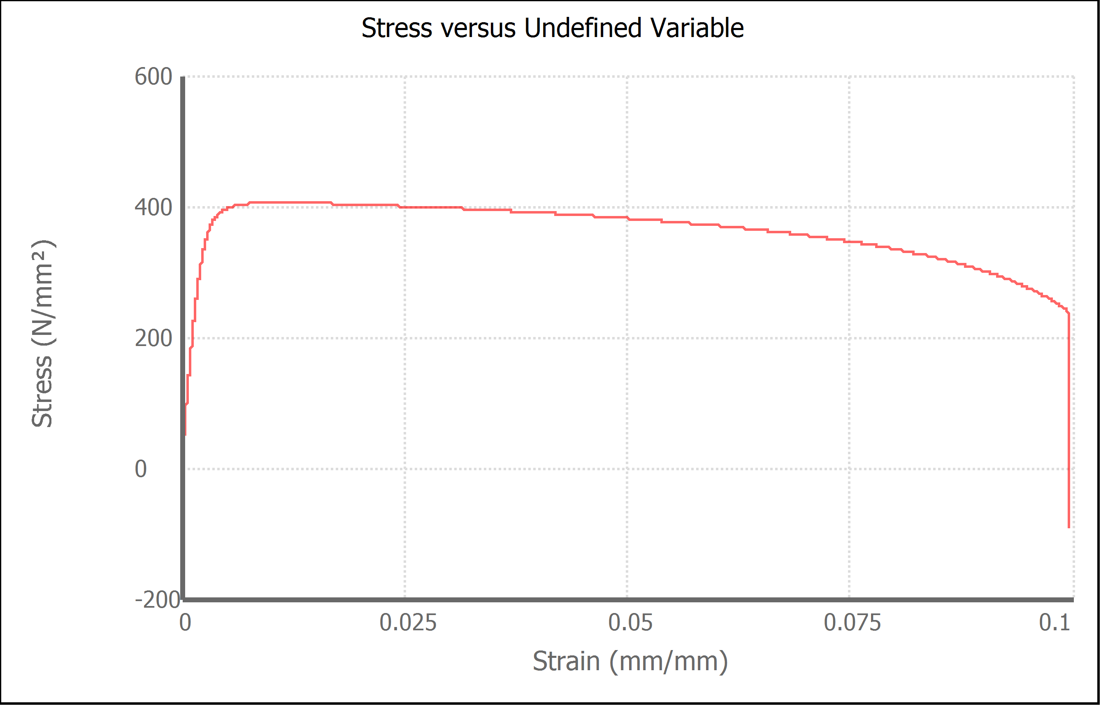
Variable | Width (mm) | Final Width (mm) | Thickness (mm) | Final Thickness (mm) | Initial Marked Gage Length (mm) | Area (mm²) | Final Area (mm²) | Maximum Force (N) | Maximum Stress (N/mm²) | Elongation at Fracture (%) | Elongation after Break (%) | Modulus of Elasticity (N/mm²) | Yield Strength (Offset = 0.2%) (N/mm²) | Ultimate Tensile Strength (N/mm²) | Reduction of Area (%) | Final Marked Gage Length (mm)
Value | 13.530 | 10.510 | 3.160 | 2.420 | 50.000 | 42.7548 | 25.4342 | 17331.830 | 405.4 | 9.921 | 12.620 | 179194.303 | 388.508 | 405.377 | 40.5115 | 56.310

Sheet3
