Final
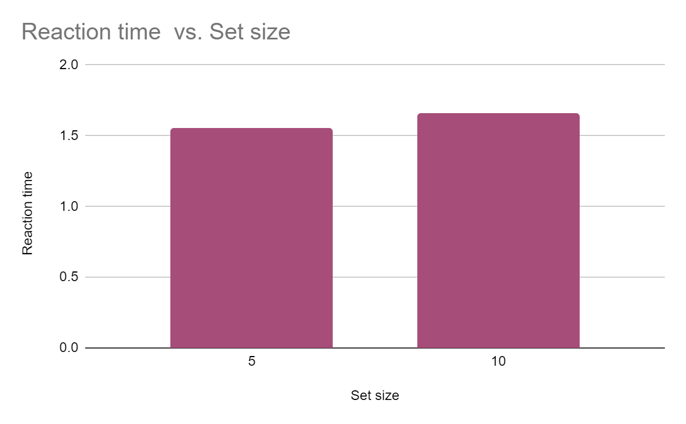
 | 5 | 10
P1 | 1.3125645845 | 1.3761939674
P2 | 1.3347286372 | 1.361956892 | X1 | 5 | 1.5442126698 | Y1
P3 | 1.7985644157 | 1.8453098759 | X2 | 10 | 1.6523188562 | Y2
P4 | 1.6670346314 | 1.7394079485
P5 | 1.6081710802 | 1.9387255969 | Slope = (Y2-Y1)/(X2-X1) |  |  | 0.021621237273
Total avg | 1.5442126698 | 1.6523188562

