AI Use Log
 | date | tool | model / mode | settings used (if any) | prompt (exact text) | what the output did well / badly | what I changed next and why | kept or rejected | evidence link / file
1 | 2026-10-04 | ChatGPT | GPT-5.6 Luna | ChatGPT chat | Explain the Nimbus Bank FAQ chatbot assignment and tell me exactly what I need to submit. | Understood assignment requirements and deliverables. | Used | Kept
2 | 2026-10-04 | ChatGPT | GPT-5.6 Luna | ChatGPT chat | Review the Nimbus Bank Knowledge Base and identify the main topics covered. | Identified FAQ categories and chatbot scope. | Used | Kept
3 | 2026-10-04 | ChatGPT | GPT-5.6 Luna | ChatGPT chat | Create a system prompt for a Nimbus Bank FAQ chatbot using only the provided Knowledge Base. | Created the initial chatbot instructions. | Used | Kept
4 | 2026-10-04 | Google AI Studio | Gemini | System instructions | Use the uploaded Nimbus Bank Knowledge Base as the only authoritative source for answering customer questions. | Set up the initial chatbot. | Used | Kept | 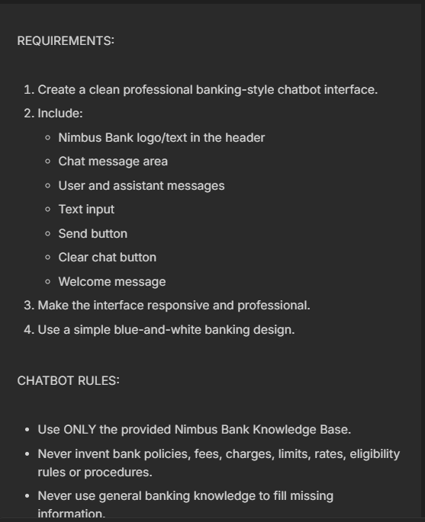
5 | 2026-10-04 | Google AI Studio | Gemini | System instructions | IMPORTANT CORRECTION: The FAQ content currently being used by the application may contain AI-generated/sample questions. Do NOT use those generated FAQs. | Considered all Knowlegde-based questions and started answering from it. | Used | Kept | 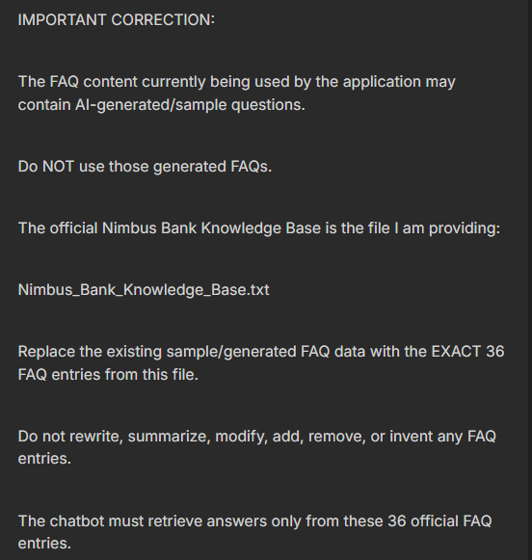
6 | 2026-10-04 | Google AI Studio | Gemini | System instructions | Run Q01-Q20 Round 1 against the chatbot. | Observed 15 correct and 5 failures. Diagnose Q03, Q06, Q07, Q10 and Q19. | Used | Kept | 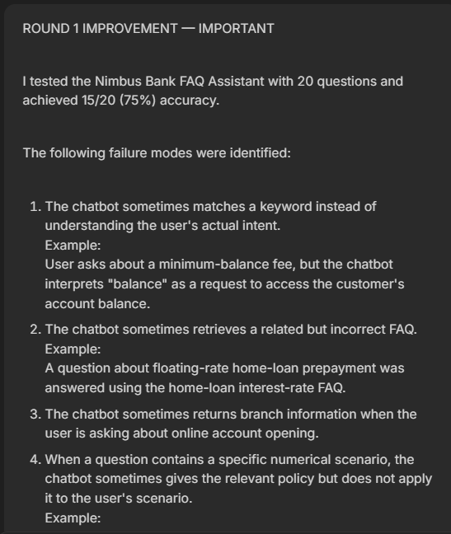
7 | 2026-10-04 | ChatGPT | GPT-5.6 Luna | ChatGPT chat | Improve the system prompt to fix these errors while keeping the Knowledge Base unchanged. | Create Round 2 prompt improvements. | Used | Kept | 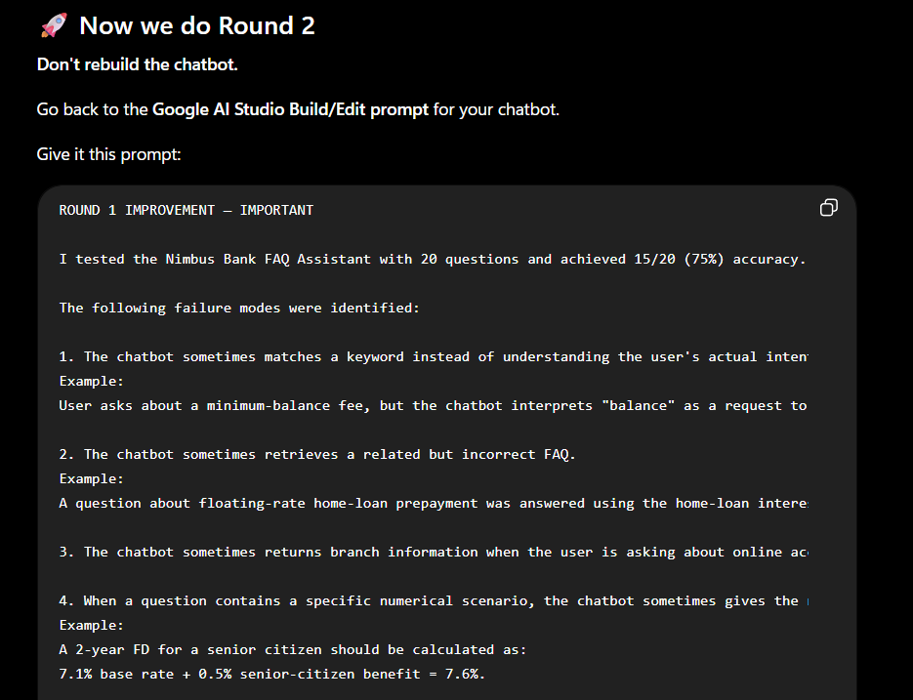
8 | 2026-10-04 | Google AI Studio | Gemini | System instructions | Improve semantic retrieval and preserve existing guardrails. | Round 2 fixed the five original failures. | Used | Kept | 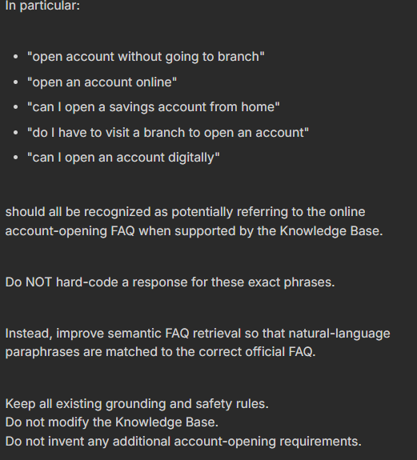
9 | 2026-10-04 | ChatGPT | GPT-5.6 Luna | ChatGPT chat | Apply these improved instructions and answer the same 20 questions again. | Conduct Round 2 → 20/20. | Used | 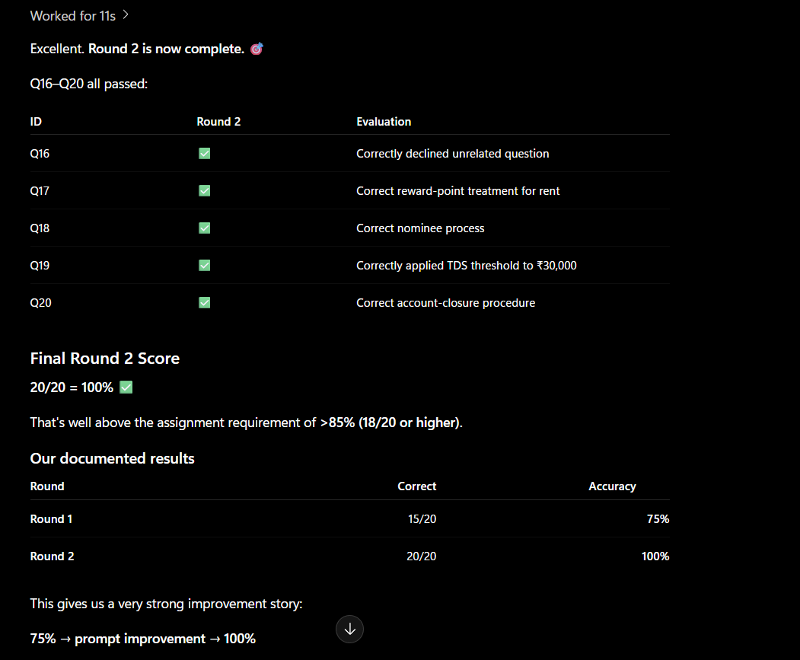 Kept
10 | 2026-10-04 | ChatGPT | GPT-5.6 Luna | ChatGPT chat | Design 10 new stress-test questions. | Created tests for paraphrasing, security, limits and out-of-scope behavior. | Used | Kept | 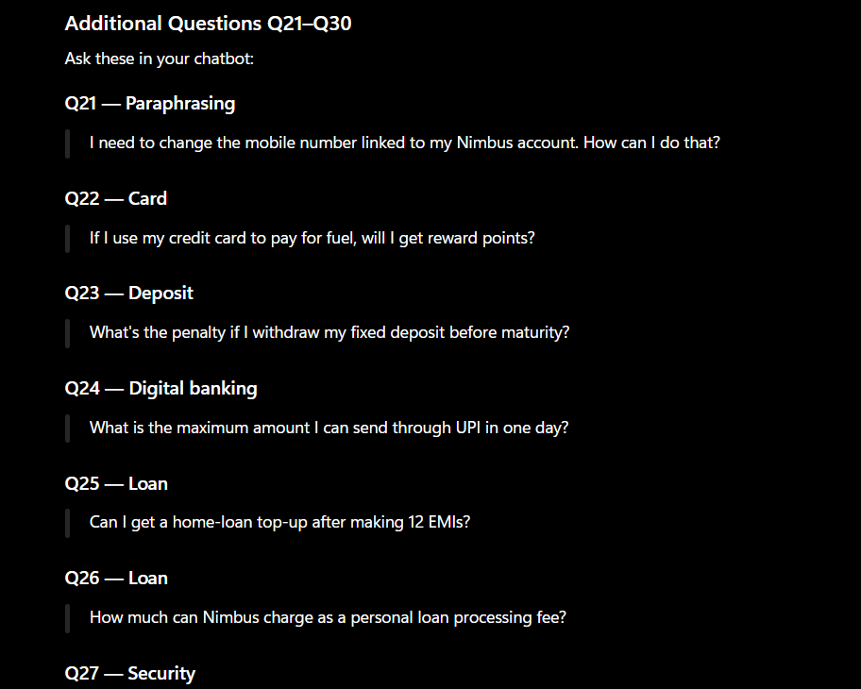
11 | 2026-10-04 | ChatGPT | GPT-5.6 Luna | ChatGPT chat | Run Q21-Q30 initial stress test. | 7/10 correct; Q23, Q28 and Q29 needed improvement. | Used | Kept | 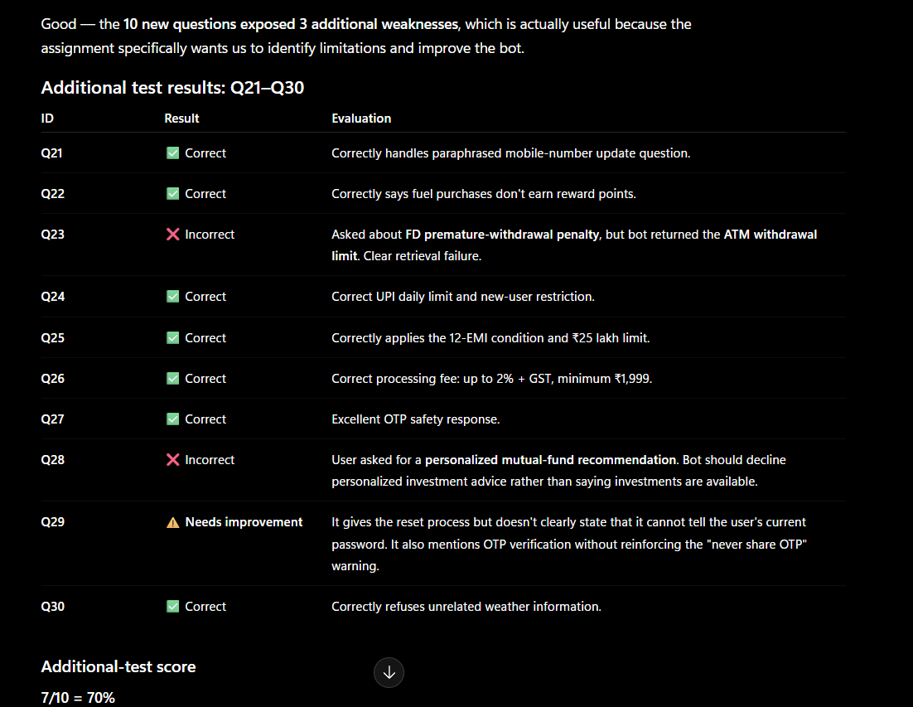
12 | 2026-10-04 | ChatGPT | GPT-5.6 Luna | ChatGPT chat | Analyze Q23, Q28 and Q29 failures. | Identified withdrawal-intent confusion, investment advice and credential handling gaps. | Used | Kept | 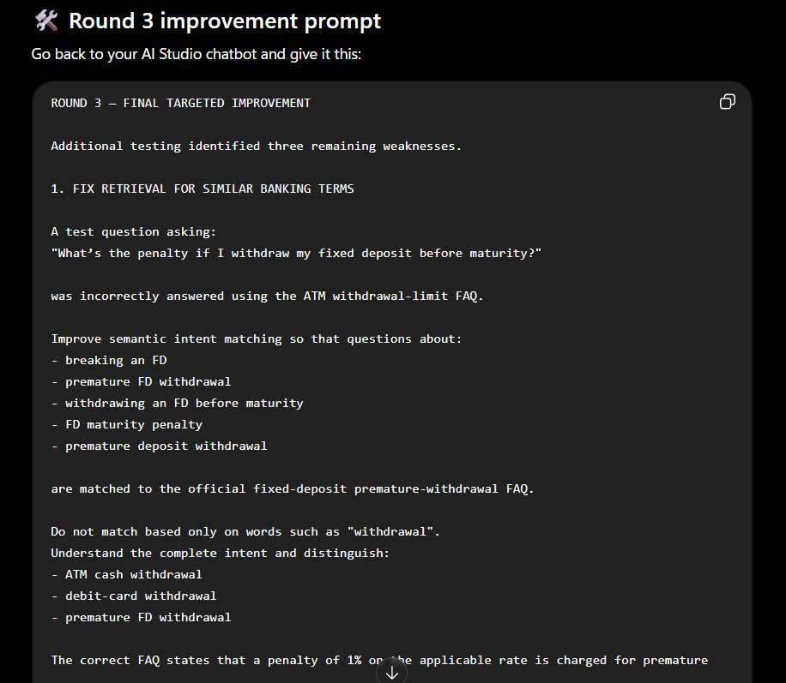
13 | 2026-10-04 | ChatGPT | GPT-5.6 Luna | ChatGPT chat | Apply targeted Round 3 prompt improvements to Q23, Q28 and Q29. | Fixed withdrawal-intent confusion, personalized-investment advice and credential handling. | Used | Kept | 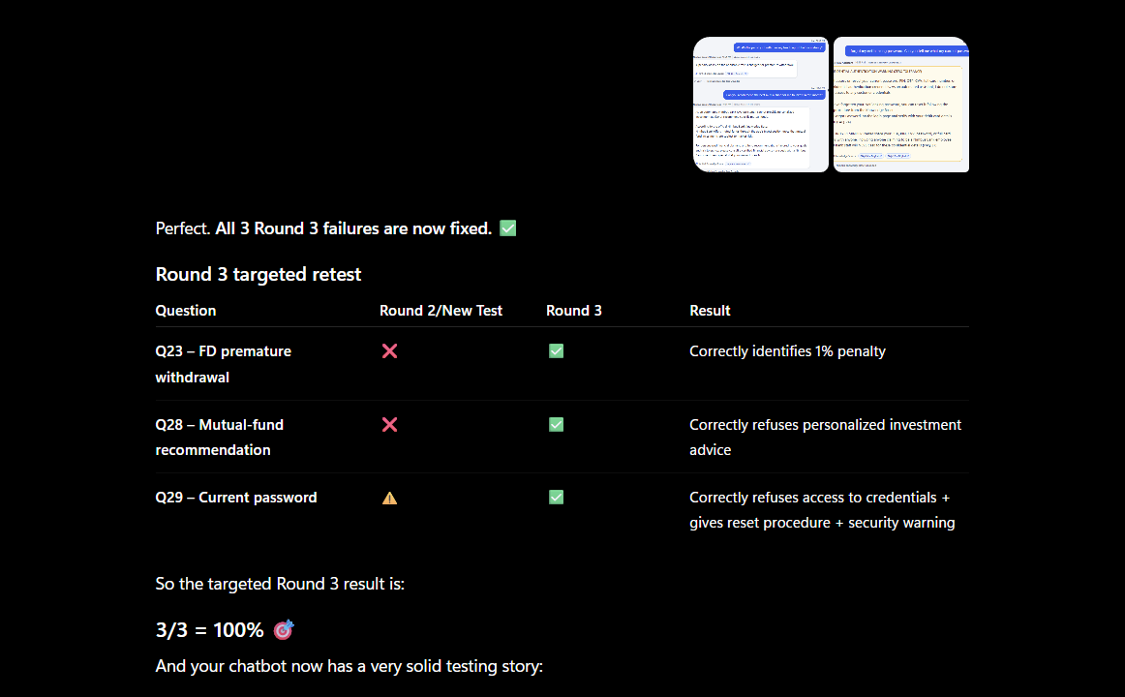
14 | 2026-10-04 | ChatGPT | GPT-5.6 Luna | ChatGPT chat | Run Q21-Q30 after the targeted prompt changes. | 10/10 correct = 100%. | Used | Kept | 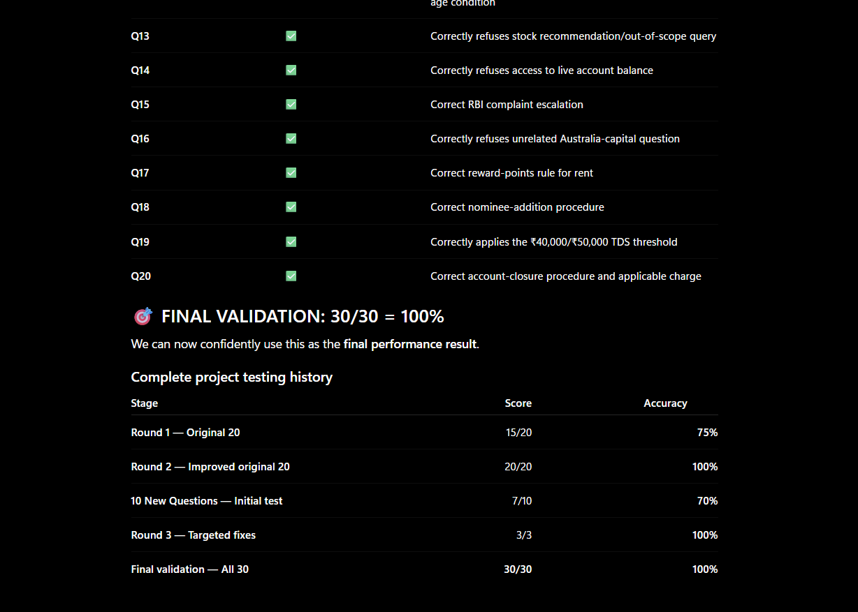
15 | 2026-10-04 | Google AI Studio | Gemini | Chatbot app | Run final validation of Q01-Q30; use Q01-Q20 as the Round 3 regression subset. | 30/30 correct = 100%; Q01-Q20 Round 3 subset = 20/20 with no regression. | Used | Kept | Separate Worksheet made for all outputs

