CLOTHING TYPE
SALES ACCORDING TO CLOTHING TYPE

Row Labels | Sum of sales
Dresses | 5933781
Hoodies | 5724538
Jackets | 5761989
Jeans | 5500614
Pants | 5791253
Shirts | 5736544
Shoes | 5355351
Skirts | 5801758
Sweaters | 5787607
Tops | 5524012
T-shirts | 5695386
Grand Total | 62612833

CATEGORY
CATEGORY WISE REVENUE

Row Labels | Sum of sales
Kids | 21104267
Men | 20526392
Women | 20982174
Grand Total | 62612833

CITY
CITY WISE SALES

Row Labels | Sum of sales
Thane | 1241923
Pune | 1520235
Kolhapur | 1551561
Ahmedabad | 1559456
Aurangabad | 1316227
Grand Total | 7189402

STATE
STATE WISE SALES
Row Labels | Sum of sales
Delhi | 7978289
Gujarat | 7626302
Karnataka | 7586869
Maharashtra | 7724214
STATE WISE SALES
Rajasthan | 7969779
Tamil Nadu | 7714058
Uttar Pradesh | 7907535
West Bengal | 8105787
Grand Total | 62612833

MONTHLY
MONTHLY SALES
Row Labels | Sum of sales
January | 5761931
February | 5444087
March | 5652839
April | 5661436
May | 5612938
June | 5425085
July | 5530078
August | 5796433
September | 5431190
October | 5930474
November | 5782246
December | 584096
Grand Total | 62612833

DASHBOARD
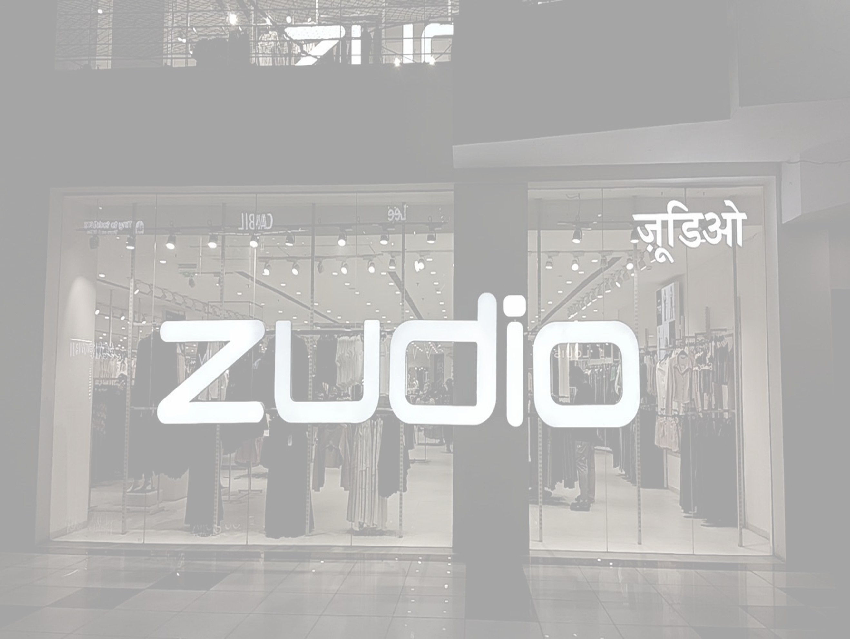

ZUDIO

-RETAIL SALES ANALYSIS DASHBOARD-



TOTAL REVENUE
62612833
TOTAL PROFIT
17481280.8
TOTAL QUANTITY
35699
TOTAL ORDER
7900
TOTAL CUSTOMER 7871

CITY WISE SALES
 | Total
Thane | 1241923
Pune | 1520235
Kolhapur | 1551561
Ahmedabad | 1559456
Aurangabad | 1316227
SALES ACCORDING TO CLOTHING TYPE
 | Total
Dresses | 5933781
Hoodies | 5724538
Jackets | 5761989
Jeans | 5500614
Pants | 5791253
Shirts | 5736544
Shoes | 5355351
Skirts | 5801758
Sweaters | 5787607
Tops | 5524012
T-shirts | 5695386

MONTHLY SALES
 | Total
January | 5761931
February | 5444087
March | 5652839
April | 5661436
May | 5612938
June | 5425085
July | 5530078
August | 5796433
September | 5431190
October | 5930474
November | 5782246
December | 584096
CATEGORY WISE REVENUE
 | Total
Kids | 21104267
Men | 20526392
Women | 20982174

STATE WISE SALES
 | Total
Delhi | 7978289
Gujarat | 7626302
Karnataka | 7586869
Maharashtra | 7724214
Rajasthan | 7969779
Tamil Nadu | 7714058
Uttar Pradesh | 7907535
West Bengal | 8105787

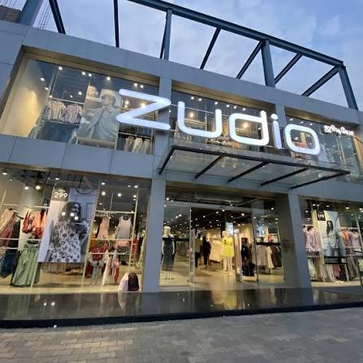
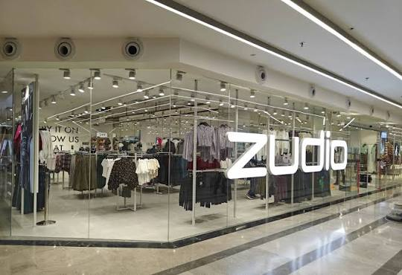

ZUDIO STORE

