Sorting and Filtering Screensho
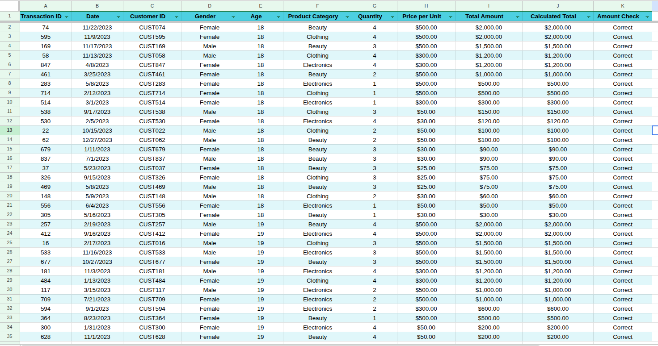
HIGHEST TOTAL AMOUNT:
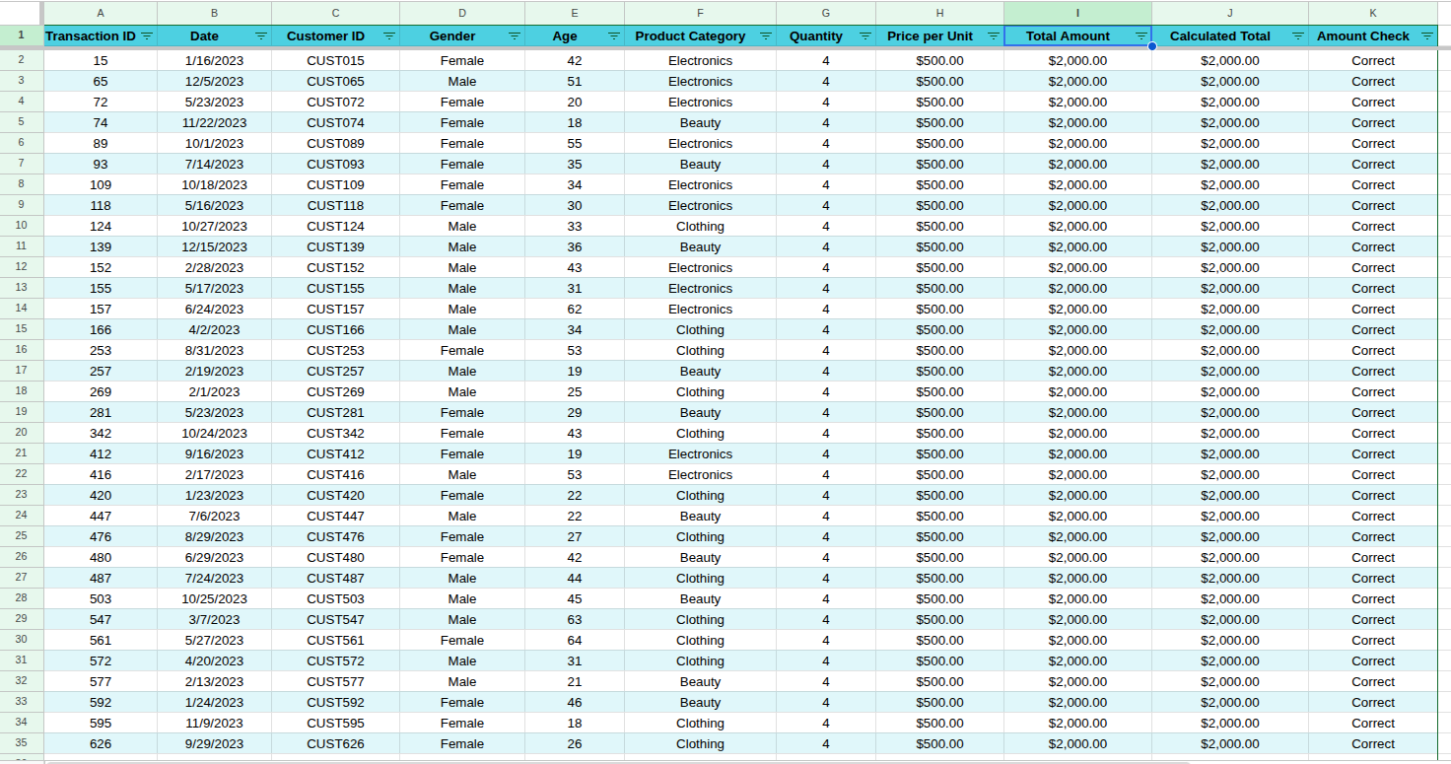

LOWEST TOTAL AMOUNT:
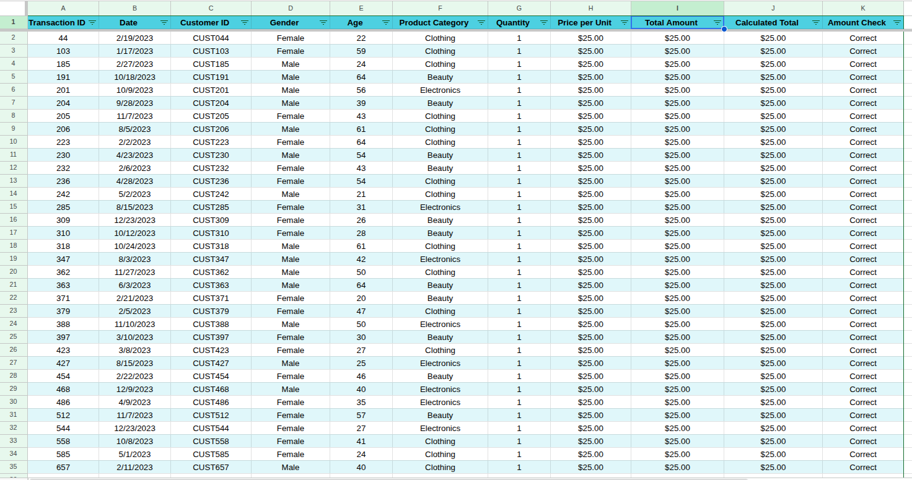

PRODUCT CATEGORY = CLOTHING
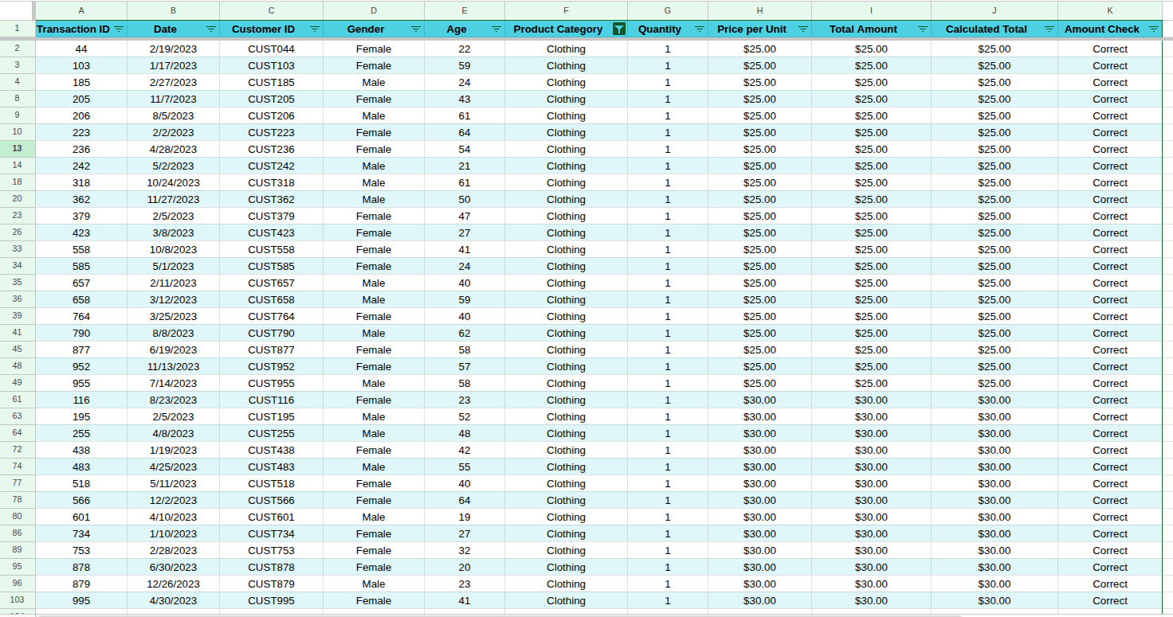

GENDER = FEMALE
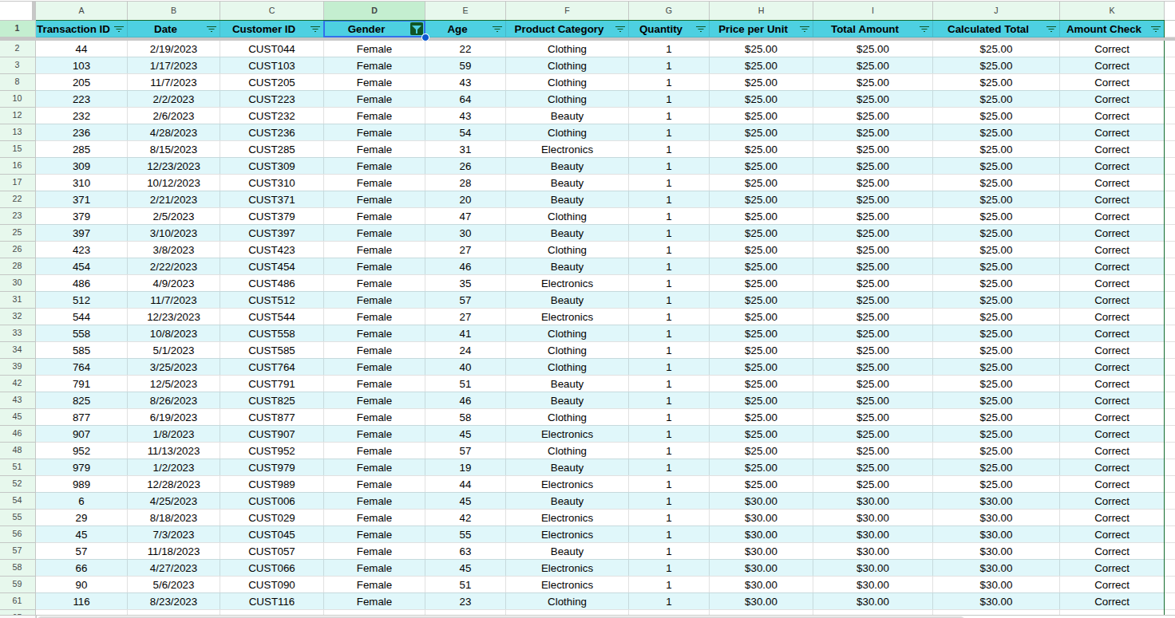

QUANTITY > 2
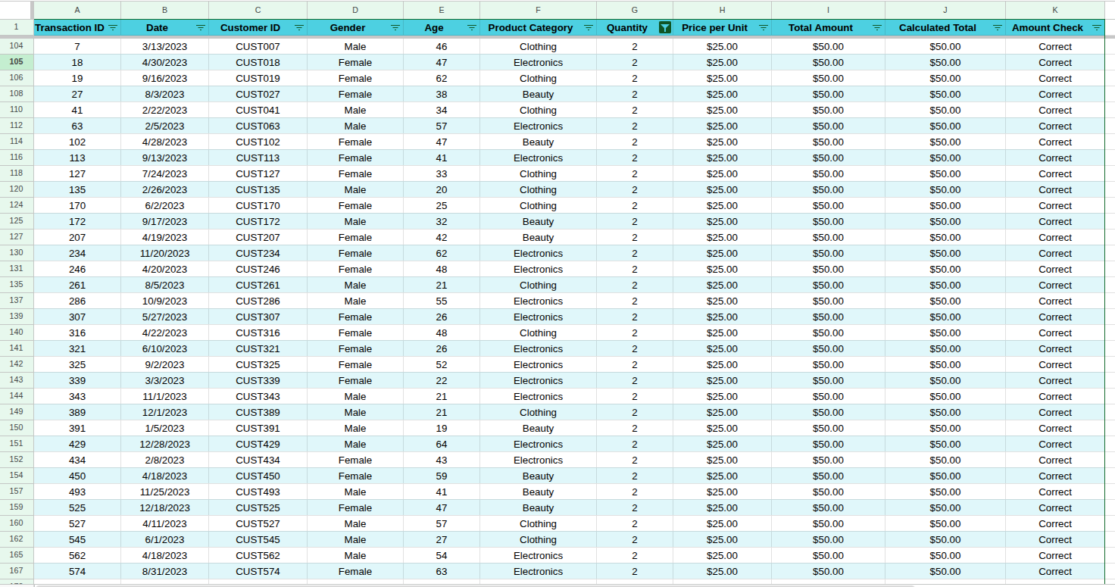

SORTED BY TOTAL AMOUNT (HIGHEST TO LOWEST)

SORTED BY AGE (YOUNGEST TO OLDEST)

Charts
Total Sale By Product Category
 | Total Sale
Beauty | 143515
Clothing | 155580
Electonics | 156905
Total Quantity Sold By Product Category
 | Total Quantity Sold
Beauty | 771
Clothing | 894
Electronics | 849

Total Sales by Gender
 | Total Sales
Male | 223160
Female | 232840
Total Sales By Age Group
 | Total Sales
Young Adult | 84550
Adult | 144345
Senior Adult | 193880
Older Customer | 33225

