Lab 9
Rationale:
This lab explores the IRI dataset that we access using the Temple plugin for Excel. Instructions on uing the plugin are found in separate videos which show i) how to load the plugin, using Microsoft Remote Desktop Access and Massey RemoteApp; and ii) how to load IRI Widgets data and use the Temple plugin. I strongly encourage you to watch these videos prior to attempting the lab.
In this lab you will generate the SKU list, similar to what we used in lab 3. You will use this data to create scatterplots to investigate the patterns in the data, and make any adjustments required, and then generate two regressions.
Task 1 uses a spurious relationship to demonstrate how correlation and regression work (and to check you are paying attention to the dangers of applying methods without understanding how this could be misleading).
Task 2 explores one relationship in the IRI data: store penetration (Distribution Num %) on sales, using Scatterplot.
Task 3 uses the Analysis Toolpak to generate regression output for a single IV (regressing sales Dollars on store Distribution)
Task 4 uses the Toolpak to generate multiple regression output for three IVs
Task 5 looks at the classic price-quantity relationship central to classical economics, using the IRI dataset.
Rationale:
This lab explores the IRI dataset that we access using the Temple plugin for Excel. Instructions on uing the plugin are found in separate videos which show i) how to access the plugin, using Massey's Virtual Machine found at remote.massey.ac.nz ; and ii) how to load IRI Widgets data and use the Temple plugin. I strongly encourage you to watch these videos prior to attempting the lab.
In this lab you will generate the SKU list, similar to what we used in lab 3 (but with different data). You will use this data to create scatterplots to investigate the patterns in the data, and make any adjustments required, and then generate two regressions.
Task 1 uses data from a previous iteration of this class to explore the relationship between marks in Test 1 and Test 2, to show how correlation and regression work.
Task 2 explores one relationship in the IRI data: store penetration (Distribution Num %) on sales, using Scatterplot.
Task 3 uses the Analysis Toolpak to generate regression output for a single IV (regressing sales Dollars on store Distribution)
Task 4 uses the Toolpak to generate multiple regression output for three IVs
Task 5 looks at the classic price-quantity relationship central to classical economics, using the IRI cross-sectional dataset (ie, many products at one point in time: the 52 weeks to 19 April 2026, combined).
115.109 Topic 9 Lab Worksheet: Regression |  |  |  |  |  | Your Name: | Savnit Prasad
Due date: 19 October |  |  | Version: 1.3 (29 Sept 2026) |  |  | Student ID: | 26019118

Task 1 step 1: For the following data, complete the manual calculation of the regression components, starting with the variable means
Data: | Test 1 mark | Test 2 mark |  | Complete Regression Components: |  |  |  | Predicted Y | Residual
 | X | Y |  | X - x̅ | Y - y̅ | (X - x̅) (Y - y̅) | (X - x̅) (X - x̅) | ŷ | y - ŷ
 | 9.8 | 8.0 |  | 2.3 | -0.4 | -0.9605 | 5.1076 | 9.27 | -1.27
 | 8.5 | 10.0 |  | 0.9 | 1.6 | 1.46475 | 0.8649 | 8.77 | 1.23
 | 8.8 | 9.0 |  | 1.3 | 0.6 | 0.7245 | 1.5876 | 8.90 | 0.10
 | 7.5 | 10.0 |  | -0.1 | 1.6 | -0.11025 | 0.0049 | 8.40 | 1.60
 | 5.4 | 8.0 |  | -2.2 | -0.4 | 0.91375 | 4.6225 | 7.62 | 0.38
 | 4.0 | 8.0 |  | -3.6 | -0.4 | 1.51725 | 12.7449 | 7.08 | 0.92
 | 9.5 | 9.0 |  | 1.9 | 0.6 | 1.10975 | 3.7249 | 9.15 | -0.15
 | 6.8 | 7.0 |  | -0.7 | -1.4 | 1.0545 | 0.5476 | 8.15 | -1.15
 | 6.8 | 8.5 |  | -0.7 | 0.1 | -0.0555 | 0.5476 | 8.15 | 0.35
 | 7.5 | 9.5 |  | -0.1 | 1.1 | -0.07525 | 0.0049 | 8.40 | 1.10
 | 8.0 | 7.5 |  | 0.4 | -0.9 | -0.39775 | 0.1849 | 8.59 | -1.09
 | 9.0 | 10.0 |  | 1.4 | 1.6 | 2.25225 | 2.0449 | 8.96 | 1.04
 | 8.8 | 8.0 |  | 1.3 | -0.4 | -0.5355 | 1.5876 | 8.90 | -0.898
 | 8.5 | 9.0 |  | 0.9 | 0.6 | 0.53475 | 0.8649 | 8.77 | 0.23
 | 2.0 | 5.0 |  | -5.6 | -3.4 | 19.0773 | 31.0249 | 6.33 | -1.33
 | 4.5 | 7.5 |  | -3.1 | -0.9 | 2.83975 | 9.4249 | 7.27 | 0.23
 | 8.0 | 8.0 |  | 0.4 | -0.4 | -0.18275 | 0.1849 | 8.59 | -0.59
 | 9.3 | 7.5 |  | 1.8 | -0.9 | -1.628 | 3.0976 | 9.09 | -1.59
 | 10.0 | 10.0 |  | 2.4 | 1.6 | 3.82725 | 5.9049 | 9.34 | 0.66
 | 8.5 | 9.0 |  | 0.9 | 0.6 | 0.53475 | 0.8649 | 8.77 | 0.23
Mean: | 7.6 | 8.4 |  |  | Sum: | 31.905 | 84.9418 |  | -1.15E-14
 | (x̅) | (y̅) |  |  |  | slope coefficient b: | 0.3756
 |  |  |  |  |  | intercept a: | 5.5816
 |  |  |  |  |  | Write complete Regression equation: | ŷ = 5.58 + 0.38X

Task 1 step 2: Now use Excel formulae to calculate the following:
 |  | Estimate type |  |  | Excel formula | parameters hints
 | Correlation | Pearson coefficient (r) |  | 0.64 | =pearson() | array 1 = Ys; array 2 = Xs (separate with comma - can be other way around - doesn't matter)
 | Regression | slope coefficient (b) |  | 0.3756 | =@linest() | Ys, Xs | order of Ys and Xs matters; 'const' and 'stats' are not needed here
 |  | Intercept (a) |  | 5.5816 | =intercept() | Ys, Xs | order of Ys and Xs matters
 |  | R squared (R2) |  | 0.4043 | =rsq() | Ys, Xs
 |  | R squared (R2) |  | 0.4043 | =r * r |  | {alternative method}

 | In the Excel help file for the LINEST function, you will find the following:

 | Microsoft have chosen different notation to most texts, where the slope coefficient is conventionally termed b (sometimes b1), and the intercept is a (sometimes b0)
 | Microsoft have chosen the symbol m for the slope, and b for the intercept. At least the formula is correct!

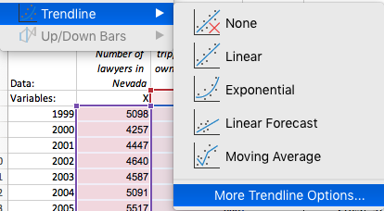
Task 1 step 3: Construct a scatterplot of Y on X: |  |  | Select cells B6:C26and Insert >> Scatterplot
 | Hopefully the scatterplot will have Test 1 on the X (horizontal) axis and Test 2 on the Y (vertical)
 | Adjust both axes to 0-10 (double-click on an axis >> axis options >> axis bounds >> adjust minimum and maximum if necessary; repeat for other axis)
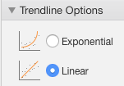
 | Then add the trendline: Chart Design >> Add Chart Element >> Trendline >> More Trendline Options >> Linear and
 | Paste chart below and interpret result.
Test 2 mark vs Test 1 mark

<<Data Interpretation>>
There’s a moderate positive correlation (r = 0.64), meaning students who score higher on Test 1 usually also score higher on Test 2. The regression line is ŷ = 5.58 + 0.38X, so each extra mark on Test 1 only increases the predicted Test 2 mark by about 0.38. The R² value is 0.40, which shows that Test 1 accounts for roughly 40% of the variation in Test 2 results.

If you have trouble finding the data, having successfully loaded the plugin:
click on the plugin (IRI Temple) and then Data Source >> Open Drfx button >> navigate to Data (E:) >> Temple Plugin >> database.drfx and Open.
Open the Database folder within and then Widgets
If you have trouble finding the data, having successfully loaded the plugin:
click on the plugin (IRI Temple) and then Data Source >> Open Drfx button >> navigate to Dataset (T:) >> Temple Plugin >> database.drfx and Open.
Open the Database folder within and then Widgets
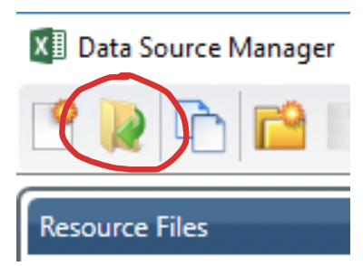
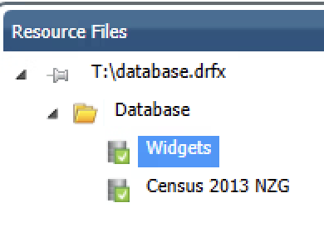
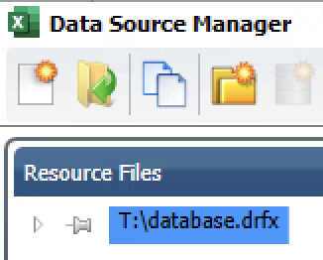
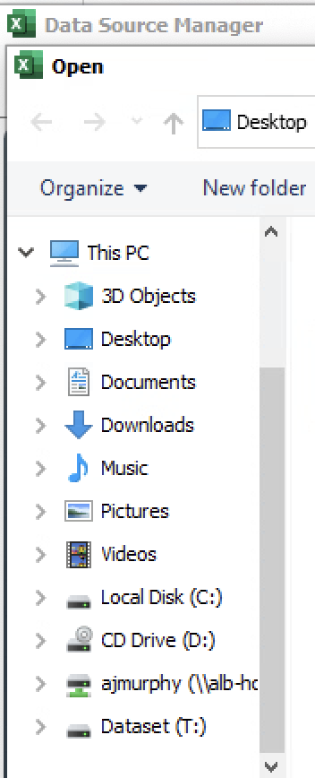
 |  |  |  |  |  |  |  |  |  |  |  | Create a new table in cell B2 of the Virtual Machine version of Excel, with the following selected:
 |  |  |  |  |  |  |  |  |  |  |  | Market: | New Zealand Grocery
 |  |  |  |  |  |  |  |  |  |  |  | Product: | All 162 product SKUs (click on Items in the Filter Values box to narrow down to just the 162 products available, then click the box next to Description to select them all, and shift them over to the Selected box]
 |  |  |  |  |  |  |  |  |  |  |  | Measure: | Dollars, Units, Dist Num%, Price $/Unit, Highest Weekly Price, Lowest Weekly Price, Promoted Price, Non Promoted Price, Percentage Discount
Task 2 Step 1: | Use the IRI Temple plugin to extract data as per the IRI SKUs tab (see hints video in Topic 9) |  |  |  |  |  |  |  |  |  |  | Time: | MAT to 19/04/26 (the moving annual total: the previous 52 weeks combined)
 | Make sure the DistNum% variable is formatted with two decimal places. Paste the resulting table into the IRI SKUs tab of this file, and remove the 129 products with sales units of 1 or less (leaves 33 products).
 | How? Sort the whole data range (A3:J164) by column D, largest to smallest |  |  |  |  |  |  |  |  |  |  |  |  |  |  | Market: | Select all NZ (type 'n' into Search box), tick New Zealand Grocery | Products: | Choose Items in Filter Values box, then the select all tick in the Highlighted box
Task 2 Step 2: | Generate a Scatterplot with the remaining 33 SKUs (ignoring the Total Widgets row, if you have this), with Dist Num % on the X axis and Dollars on the Y |  |  |  |  |  |  |  |  |  |  |  |  |  |  |  | then the Select button to move into the Selected box
 | Add trendline and equation (with R-square statistic): Chart Design > Add Chart Element > Trendline > More Trendline options, setting the Intercept to be 0
 | Identify any extremely large Dollar values, and in a second copy of the chart, remove it/them. (Easiest way: sort largest to smallest by sales Dollars, and exclude the top row of extremely large values
 | Paste chart below

Dollars vs Dist Num% (33 SKUs)
 | Dollars
99.02 | 15851018
96.54 | 8338713
98.63 | 6836847
97.17 | 5888420
99.14 | 3813094
95.50 | 2341834
95.82 | 2320096
62.20 | 1556968
79.51 | 1519555
92.32 | 1497859
88.89 | 1323874
52.24 | 1219486
62.47 | 1078261
78.23 | 1068455
54.06 | 986298
71.09 | 939356
70.03 | 549367
41.76 | 475814
50.71 | 271971
21.71 | 251482
43.52 | 230811
20.83 | 203875
21.45 | 173482
19.53 | 161832
30.32 | 140462
12.76 | 131743
23.16 | 117067
4.32 | 13014
0.56 | 9112
4.42 | 8130
0.27 | 1421
0.23 | 1313
0.32 | 590
Dollars vs Dist Num% (excl. Better Rolls 1.2kg)
 | Dollars
96.54 | 8338713
98.63 | 6836847
97.17 | 5888420
99.14 | 3813094
95.50 | 2341834
95.82 | 2320096
62.20 | 1556968
79.51 | 1519555
92.32 | 1497859
88.89 | 1323874
52.24 | 1219486
62.47 | 1078261
78.23 | 1068455
54.06 | 986298
71.09 | 939356
70.03 | 549367
41.76 | 475814
50.71 | 271971
21.71 | 251482
43.52 | 230811
20.83 | 203875
21.45 | 173482
19.53 | 161832
30.32 | 140462
12.76 | 131743
23.16 | 117067
4.32 | 13014
0.56 | 9112
4.42 | 8130
0.27 | 1421
0.23 | 1313
0.32 | 590

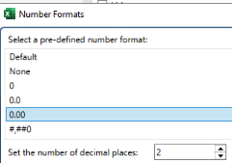
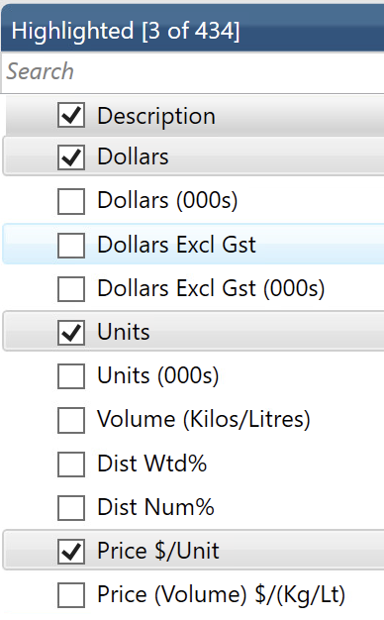
 |  |  |  |  |  |  |  |  |  |  |  |  |  | Measures: | Select Dollars, Units, Dist Num%, Price $/Unit (Dist Num% needs format set to 2 d.p)
 |  |  |  |  |  |  |  |  |  |  |  |  |  |  | Highest Weekly Price, Lowest Weekly Price, Promoted Price, Non Promoted Price, Percentage Discount

 |  |  |  |  |  |  |  |  |  |  |  |  |  |  |  |  |  |  |  | Time: | In the 'Filter Values' box: tick the 'MATfolder', and in the Highlighted box tick the box next to MAT To 19/04/26

Add in Analysis Toolpak: Mac: Tools > Excel Add-ins > Analysis Toolpak
PC: File > Options > Add-Ins > Manage Excel Add-Ins > Go… > Analysis Toolpak
(This may need to be done each time you start Excel, at least on lab computers.)
Once active, go to Data toolbar menu > Data Analysis button on far right of Data toolbar.
Add in Analysis Toolpak: Mac: Tools > Excel Add-ins > Analysis Toolpak
PC: File > Options > Add-Ins > Manage Excel Add-Ins > Go… > Analysis Toolpak
(This may need to be done each time you start Excel, at least on lab computers.)
Once active, go to Data toolbar menu > Data Analysis button on far right of Data toolbar.
Task 3: Use Data Analysis Toolpak function Regression to regress Dollars (DV) on Dist Num % (IV)
 | In regression speak, the "Y" variable (Dollars) is the "Dependent Variable" (DV)
 | The "X" variable (Dist Num %) is the "Independent Variable" (IV)
 | Run Regression in the IRI SKUs file, setting up as follows:
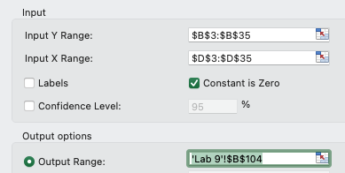
 | Copy and paste results below (or set B104 of this sheet as the output range)
<<Results Interpretation>> The results show a strong and significant positive relationship, with F = 32.76 compared to the critical F = 4.15, and the Significance F of 0.0000024 is well below 0.05, so store distribution genuinely predicts sales Dollars. When the intercept is set to zero, the R² value is 0.506, meaning DistNum% by itself explains about 51% of the variation in sales across the 33 SKUs. The slope is 41,789, which indicates that each extra 1 percentage point of distribution adds roughly $41.8k in annual sales, and the 95% confidence interval (from $26.9k to $56.7k) supports this estimate. This lines up with the trendline from Task 2, which was y = 41789x, showing the same pattern.
This is what the range will look like if you initiate the Regression function from this sheet, and point to the data ranges in the SKUs sheet..
 | SUMMARY OUTPUT

 | Regression Statistics
 | Multiple R | 0.71125390927
0.506 | R Square | 0.50588212345
0.490 | Adjusted R Square | 0.49044093981
 | Standard Error | 2614996.8871
 | Observations | 33

 | ANOVA
 |  | df | SS | MS | F | Significance F |  |  |  | Critical Values
 | Regression | 1 | 2.2403253713E+14 | 2.2403253713E+14 | 32.761874684 | 2.4182841162E-06 |  |  |  | 4.1491 | F
 | Residual | 32 | 2.1882267902E+14 | 6.8382087194E+12 |  |  |  |  |  | 2.0369 | t
 | Total | 33 | 442855216146307

 |  | Coefficients | Standard Error | t Stat | P-value | Lower 95% | Upper 95% | Lower 95.0% | Upper 95.0%
 | Intercept | #N/A | #N/A | #N/A | #N/A | #N/A | #N/A | #N/A | #N/A | (these should all be #N/A)
DistNum% | X Variable 1 | 41788.951113 | 7300.9117388 | 5.7237989731 | 2.4182841162E-06 | 26917.480554 | 56660.421671 | 26917.480554 | 56660.421671

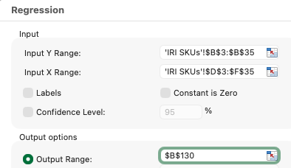
Task 4: Repeat the Regression function, this time including three Ivs: DistNum% (again), Price $/unit, and Percentage Discount
 | To add more IVs, they need to be contiguous (next to each other). The easiest way to achieve this is to move % Discount (if you haven't already done so)
 | Select column J of the IRI SKUs sheet (Percentage Discount) and Cut; right-click column F and Insert Cut Cells.
 | Rerun Regression, expanding the Input X Range to column F as follows (leaving constant blank this time):
 | Copy and paste results below (you can set B130 of this sheet as the output range)

<<Results Interpretation>>
The regression shows that only DistNum% actually matters for predicting sales Dollars, because it’s the one significant predictor (63,003; P = 0.0003), while Price $/unit (P = 0.37) and % Discount (P = 0.83) are not significant since their 95% confidence intervals include zero. Even though the overall model is significant (F = 6.49, Significance F = 0.0017), adding those two extra variables barely improves the R², lifting it only from 0.384 to 0.402, which is basically no meaningful increase in explanatory power. So the clear takeaway is that distribution is what drives sales Dollars.
This is what the range will look like if you initiate the Regression function from this sheet, and point to the data ranges in the IRI SKUs sheet, and output in this sheet
 | SUMMARY OUTPUT

 | Regression Statistics
 | Multiple R | 0.63380991875
0.402 | R Square | 0.40171501311
0.340 | Adjusted R Square | 0.33982346274
 | Standard Error | 2633692.1906
 | Observations | 33

 | ANOVA
 |  | df | SS | MS | F | Significance F
 | Regression | 3 | 1.3506349622E+14 | 4.5021165408E+13 | 6.4906277306 | 0.0017014602159
 | Residual | 29 | 2.0115370208E+14 | 6.9363345546E+12
 | Total | 32 | 3.3621719831E+14

 |  | Coefficients | Standard Error | t Stat | P-value | Lower 95% | Upper 95% | Lower 95.0% | Upper 95.0%
 | Intercept | -2691902.6949 | 2263677.7125 | -1.1891722395 | 0.24401801516 | -7321643.4526 | 1937838.0629 | -7321643.4526 | 1937838.0629
DistNum% (D) | X Variable 1 | 63003.080359 | 15542.602218 | 4.0535734928 | 0.00034583413968 | 31214.889587 | 94791.271131 | 31214.889587 | 94791.271131
Price $/unit (E) | X Variable 2 | 146211.28156 | 159840.80918 | 0.91473061421 | 0.36787660553 | -180699.8794 | 473122.44252 | -180699.8794 | 473122.44252
% Discount (F) | X Variable 3 | 14905.532568 | 68921.886053 | 0.21626704407 | 0.83029367947 | -126055.55178 | 155866.61692 | -126055.55178 | 155866.61692

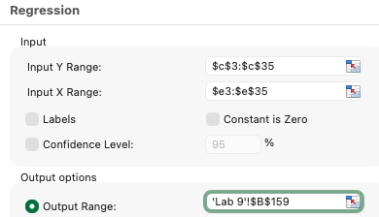
Task 5: Use Data Analysis Toolpak function Regression to regress Units (DV) on Price $/Unit (IV) [in the IRI SKUs sheet]
 | This is similar to the classic economics relationship: price and quantity, but done cross-sectionally: across a range of products
 | In normal economics convention, price is put on the Y axis and quantity on the X (because Alfred Marshall did it that way in 1890)
This is what the range will look like if you initiate the Regression function from the IRI SKUs sheet (doesn't need the data sheet name), and point to the output range in this sheet (does need this sheet name)
 | We will do it the regular ('marketing') way: regress Units (DV, Y, column C) on Price $/unit (IV, X, column E)
 | You do not need to rearrange the columns for this as there is only a single X. Again leave the constant blank
 | Copy and paste results below (or set B159 in this sheet as the output range)
<<Results Interpretation>>
The results show there’s no significant price–quantity relationship, because the F value of 2.76 is below the critical F of 4.16 and the P value of 0.106 is greater than 0.05, meaning we can’t reject a zero slope. The R² is only 0.082, so price explains about 8% of the variation in units sold across the 33 SKUs. The slope is negative (-40,569), which fits economic theory, but its 95% confidence interval (-90,333 to +9,194) crosses zero, so it isn’t statistically meaningful. Overall, this suggests the cross‑section data isn’t very informative for price effects, and Lab 11 Task 3 (the time series) gives a clearer picture.
 | SUMMARY OUTPUT

 | Regression Statistics
 | Multiple R | 0.28614451685
0.082 | R Square | 0.081878684526
0.052 | Adjusted R Square | 0.052261867898
 | Standard Error | 493636.22729
 | Observations | 33

 | ANOVA
 |  | df | SS | MS | F | Significance F |  |  |  | Critical Values
 | Regression | 1 | 6.7366894743E+11 | 6.7366894743E+11 | 2.7646011235 | 0.10645065404 |  |  |  | 4.1596 | F
 | Residual | 31 | 7.5539784718E+12 | 2.436767249E+11 |  |  |  |  |  | 2.0395 | t
 | Total | 32 | 8.2276474193E+12

 |  | Coefficients | Standard Error | t Stat | P-value | Lower 95% | Upper 95% | Lower 95.0% | Upper 95.0%
 | Intercept | 611101.32787 | 200535.913 | 3.0473410908 | 0.0046889604308 | 202105.63681 | 1020097.0189 | 202105.63681 | 1020097.0189
Price $/unit (E) | X Variable 1 | -40569.459649 | 24399.615535 | -1.6627089714 | 0.10645065404 | -90332.80362 | 9193.8843222 | -90332.80362 | 9193.8843222

Task 5 step 2: create a Scatterplot of the relationship, including trendline and equations (use the raw data in the IRI SKUs tab)
Ensure you have the Price per unit variable on the X-axis |  |  |  |  |  | Bonus: second chart excluding the top two sellers

Units vs Price $/unit (33 SKUs)
 | Units
7.47 | 2121056
5.66 | 1473306
7.17 | 953948
4.04 | 1457288
4.71 | 810171
7.56 | 309971
4.50 | 515666
2.87 | 542980
7.61 | 199639
7.13 | 209962
8.88 | 149041
5.37 | 227251
3.00 | 359895
7.27 | 147001
5.40 | 182482
8.66 | 108415
5.50 | 99796
7.28 | 65363
5.78 | 47020
5.35 | 47043
5.67 | 40728
4.68 | 43556
5.19 | 33425
4.63 | 34961
8.73 | 16097
12.01 | 10965
8.76 | 13362
8.78 | 1483
6.09 | 1496
9.21 | 883
15.62 | 91
16.62 | 79
17.87 | 33
Units vs Price $/unit (excl. top two sellers)
 | Units
7.17 | 953948
4.04 | 1457288
4.71 | 810171
7.56 | 309971
4.50 | 515666
2.87 | 542980
7.61 | 199639
7.13 | 209962
8.88 | 149041
5.37 | 227251
3.00 | 359895
7.27 | 147001
5.40 | 182482
8.66 | 108415
5.50 | 99796
7.28 | 65363
5.78 | 47020
5.35 | 47043
5.67 | 40728
4.68 | 43556
5.19 | 33425
4.63 | 34961
8.73 | 16097
12.01 | 10965
8.76 | 13362
8.78 | 1483
6.09 | 1496
9.21 | 883
15.62 | 91
16.62 | 79
17.87 | 33

Task 6 step 1: Enter "Done" in cell B198
<<End Lab 9>>
Task 6 step 2: Enter "I'm Done" in cell B200

Lab 11
Add in Analysis Toolpak: Mac: Tools > Excel Add-ins > Analysis Toolpak
PC: File > Options > Add-Ins > Manage Excel Add-Ins > Go… > Analysis Toolpak
(This may need to be done each time you start Excel, at least on lab computers.)
Once active, go to Data toolbar menu > Data Analysis button on far right of Data toolbar.
Add in Analysis Toolpak: Mac: Tools > Excel Add-ins > Analysis Toolpak
PC: File > Options > Add-Ins > Manage Excel Add-Ins > Go… > Analysis Toolpak
(This may need to be done each time you start Excel, at least on lab computers.)
Once active, go to Data toolbar menu > Data Analysis button on far right of Data toolbar.
Rationale:
In this lab we look at Time Series data, and try some basic forecasting.
First we look at iPhone sales since they first sold, and construct a regression of iPhone revenue against units sold; and then Apple total revenue against iPhone units sold. How well can we predict Apple's total revenue if all we know is iPhone units sold? But that raises the second problem: we are missing the units sold for Q4 2024 and Q1 2025, so have to forecast those first...
In task 2 we return to the IRI Temple dataset and extract weekly sales data for two products: the best-selling "Better Super Doopers 750g", and the lower-ranked "Fasterod Rolls Original 790g". Using the 156 weeks of data (from 30.06.19 to 19.06.22), we construct 4-week & 8-week moving averages for this data. Can you discern seasonal, cyclical or secular trends from this seemingly randomly fluctuating data? We then return to the price-quantity relationship, this time as time series: one or two products over 156 weeks of data.
Rationale:
In this lab we look at Time Series data, and try some basic forecasting.
First we look at iPhone sales since they first sold, and construct a regression of iPhone revenue against units sold; and then Apple total revenue against iPhone units sold. How well can we predict Apple's total revenue if all we know is iPhone units sold? But that raises the second problem: we are missing the units sold for Q4 2025 and Q1 2026, so have to forecast those first...
In task 2 we return to the IRI Temple dataset and extract weekly sales data for two products: "Better Rolls Heat Treated+ 575g", and "Best Rolls Neon 500g". Using the 520 weeks of data (from 08.05.16 to 19.04.26), we construct 4-week & 8-week moving averages for this data. Can you discern seasonal, cyclical or secular trends from this seemingly randomly fluctuating data? We then return to the price-quantity relationship, this time as time series: one or two products over 520 weeks of data.
115.109 Topic 11 Lab Worksheet: Time Series
Due date: 19 October |  |  | Version: 1.3 (29 Sept 2026)
Hint: Use Data > Data Analysis button > Regression
For Task 1.6: use $B$16:$B$82 as the X input range (ie, skip the first row)
Hint: Use Data > Data Analysis button > Regression
For Task 1.6: use $B$21:$B$89 as the X input range (ie, skip the first few rows)
Task 1: For the Apple data below:
Consider the following data, extracted from Apple financial statements.
1.1: Calculate iPhone revenue as a percentage of total revenue for each quarter (F21:F89)
1.2: We want to forecast iPhone and total revenue in Q1 2026, but to do this we need to know unit sales for Q4 2025 and Q1 2026, since we do not have this data.
Hint: We are wanting to predict the revenue values in Q1 2026 (cells D90 and E90), using unit sales in Q1 2026 as the predictor (X variable). But since we do not have this value either, we need to forecast unit sales for Q1 2026 using Q4 2025 unit sales as the predictor (X). Since we also don't have Q4 unit sales, we FIRST need to forecast Q4 unit sales using Q3 unit sales as a predictor. This chain of predictions is pretty shaky for reliability, but is the best we've got.
1.3: Extrapolate units for Q4 2025 and Q1 2026*: add to bottom of table
1.2: Also extend the average iPhone 'price' to G88)
* Apple's 'second' quarter ends March 2026: data will be released early May; the quarters shown here are calendar quarters

 | iPhone Units Sold (million) | iPhone Models Sold | Company Revenue $b | iPhone Revenue $b | Step 1.1: iPhone % Total Revenue | Average iPhone "Price" US$ | Predicted iPhone Revenue | Prediction Residuals
Q2 2007 | 0.3 | 1 | 5.4 | 0.0
Q3 2007 | 1.1 | 1 | 6.8 | 0.1
Q4 2007 | 2.3 | 1 | 9.6 | 0.2
Q1 2008 | 1.7 | 1 | 7.5 | 0.4 |  |  |  |  |  | 1.4: To extrapolate units for Q4 2025 and Q1 2026: first regress Q4 (Y) on Q3 (X) for 2008-2024, to predict Q4 2025 using Q3 2025 as the input
Q2 2008 | 0.7 | 1 | 7.5 | 0.4 |  |  |  |  |  | then regress Q1 (Y) on Q4 (X) 2008-2024, to predict Q1 2025=6 using Q4 2025 as the input
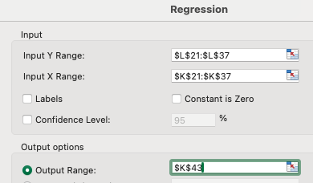
Q3 2008 | 6.9 | 3G | 12.9 | 0.8 |  |  |  |  | Year | Q3 units | Q4 units | Q1 units
Q4 2008 | 4.4 | 3G | 11.9 | 2.9 | 24.7 | 674 | 3.3 | 0.405 | 2008 | 6.89 | 4.36 | 3.79
Q1 2009 | 3.8 | 3G | 9.1 | 2.4 | 26.7 | 640 | 2.9 | 0.481 | 2009 | 7.37 | 8.74 | 8.75
Q2 2009 | 5.2 | 3G | 9.7 | 3.1 | 31.4 | 587 | 4.0 | 0.937 | 2010 | 14.10 | 16.24 | 18.65
Q3 2009 | 7.4 | 3G + 3GS | 12.2 | 4.6 | 37.7 | 625 | 5.7 | 1.048 | 2011 | 17.07 | 37.04 | 35.06
Q4 2009 | 8.7 | 3G + 3GS | 15.7 | 5.6 | 35.6 | 638 | 6.7 | 1.127 | 2012 | 26.91 | 47.79 | 37.43
Q1 2010 | 8.8 | 3G + 3GS | 13.5 | 5.4 | 40.3 | 622 | 6.7 | 1.268 | 2013 | 33.80 | 51.03 | 43.72
Q2 2010 | 8.4 | 3G + 3GS | 15.7 | 5.3 | 34.0 | 635 | 6.4 | 1.110 | 2014 | 39.27 | 74.47 | 61.17
Q3 2010 | 14.1 | 3GS + 4 | 20.3 | 8.8 | 43.4 | 626 | 10.8 | 1.995 | 2015 | 48.05 | 74.78 | 51.19
Q4 2010 | 16.2 | 3GS + 4 | 26.7 | 10.2 | 38.3 | 630 | 12.5 | 2.220 | 2016 | 45.51 | 78.29 | 50.76
Q1 2011 | 18.7 | 3GS + 4 | 24.7 | 12.1 | 48.9 | 646 | 14.3 | 2.254 | 2017 | 46.68 | 77.32 | 54.06
Q2 2011 | 20.3 | 3GS + 4 | 28.6 | 13.1 | 45.9 | 644 | 15.6 | 2.502 | 2018 | 46.89 | 68.40 | 44.57
Click OK to the error message that pops up, to say you will overwrite existing cells.
Click OK to the error message that pops up, to say you will overwrite existing cells.
Q3 2011 | 17.1 | 4 + 4S | 28.3 | 10.6 | 37.5 | 621 | 13.1 | 2.491 | 2019 | 40.83 | 73.80 | 40.92
Q4 2011 | 37.0 | 4 + 4S | 46.3 | 24.0 | 51.7 | 647 | 28.4 | 4.466 | 2020 | 40.60 | 90.10 | 58.55
Q1 2012 | 35.1 | 4 + 4S | 39.2 | 22.3 | 56.8 | 635 | 26.9 | 4.621 | 2021 | 48.00 | 84.90 | 56.50
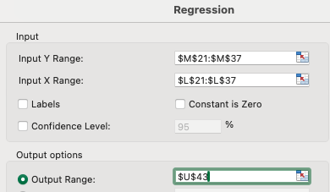
Q2 2012 | 26.0 | 4 + 4S | 35.0 | 15.8 | 45.2 | 608 | 20.0 | 4.148 | 2022 | 51.90 | 72.30 | 58.00
Q3 2012 | 26.9 | 4 + 4S | 36.0 | 16.6 | 46.3 | 619 | 20.6 | 3.999 | 2023 | 48.90 | 74.00 | 50.60
Q4 2012 | 47.8 | 4 + 4S + 5 | 54.5 | 30.7 | 56.2 | 642 | 36.7 | 6.002 | 2024 | 57.00 | 78.50 | 59.50
Q1 2013 | 37.4 | 4 + 4S + 5 | 43.6 | 23.0 | 52.6 | 613 | 28.7 | 5.760 | To predict:
Q2 2013 | 31.2 | 4 + 4S + 5 | 35.3 | 18.2 | 51.4 | 581 | 24.0 | 5.812 | 2025/2026 | 59.00 | 95.45 | 65.26
Q3 2013 | 33.8 | 4 + 4S + 5 | 37.5 | 19.5 | 52.1 | 577 | 25.9 | 6.420
Q4 2013 | 51.0 | 4S + 5S + 5C | 57.6 | 32.5 | 56.4 | 637 | 39.1 | 6.650 | Regression Output 1: Q4 on Q3: |  |  |  |  |  |  |  |  |  | Regression Output 2: Q1 on Q4:
Q1 2014 | 43.7 | 4S + 5S + 5C | 45.6 | 26.1 | 57.1 | 596 | 33.5 | 7.476
Q2 2014 | 35.2 | 4S + 5S + 5C | 37.4 | 19.8 | 52.8 | 561 | 27.0 | 7.253 |  | SUMMARY OUTPUT |  |  |  |  |  |  |  |  |  | SUMMARY OUTPUT
Q3 2014 | 39.3 | 4S + 5S + 5C | 42.1 | 23.7 | 56.2 | 603 | 30.1 | 6.448
Q4 2014 | 74.5 | 5S + 5C + 6 + 6Plus | 74.6 | 51.2 | 68.6 | 687 | 57.1 | 5.948 |  | Regression Statistics |  |  |  |  |  |  |  |  |  | Regression Statistics
Click OK to the error message that pops up, to say you will overwrite existing cells.
Click OK to the error message that pops up, to say you will overwrite existing cells.
Q1 2015 | 61.2 | 5S + 5C + 6 + 6Plus | 58.0 | 40.3 | 69.4 | 659 | 46.9 | 6.645 |  | Multiple R | 0.93591929571 |  |  |  |  |  |  |  |  | Multiple R | 0.95516639428
Q2 2015 | 47.5 | 5S + 5C + 6 + 6Plus | 49.6 | 31.4 | 63.2 | 660 | 36.5 | 5.095 |  | R Square | 0.87594492807 |  |  |  |  |  |  |  |  | R Square | 0.91234284077
Q3 2015 | 48.1 | 5S + 6 + 6Plus | 51.5 | 32.2 | 62.5 | 670 | 36.9 | 4.653 |  | Adjusted R Square | 0.86767458995 |  |  |  |  |  |  |  |  | Adjusted R Square | 0.90649903015
Q4 2015 | 74.8 | 5S + 6 + 6Plus + 6s + 6sPlus | 75.9 | 51.6 | 68.1 | 690 | 57.4 | 5.733 |  | Standard Error | 9.9331276915 |  |  |  |  |  |  |  |  | Standard Error | 5.3856079869
Q1 2016 | 51.2 | 5S + 6 + 6Plus + 6s + 6sPlus | 50.6 | 32.9 | 65.0 | 642 | 39.3 | 6.414 |  | Observations | 17 |  |  |  |  |  |  |  |  | Observations | 17
Q2 2016 | 40.4 | 6 + 6Plus + 6s + 6sPlus + SE | 42.4 | 24.0 | 56.8 | 595 | 31.0 | 6.945
Q3 2016 | 45.5 | 6 + 6Plus + 6s + 6sPlus + SE | 46.9 | 28.2 | 60.1 | 619 | 34.9 | 6.753 |  | ANOVA |  |  |  |  |  |  |  |  |  | ANOVA
Q4 2016 | 78.3 | 6 + 6Plus + 6s + 6sPlus + SE | 78.4 | 54.4 | 69.4 | 695 | 60.1 | 5.683 |  |  | df | SS | MS | F | Significance F |  |  |  |  |  | df | SS | MS | F | Significance F
Q1 2017 | 50.8 | 6s + 6sPlus + SE + 7 + 7Plus | 52.9 | 33.2 | 62.9 | 655 | 38.9 | 5.692 |  | Regression | 1 | 10450.223367 | 10450.223367 | 105.91404057 | 3.41961967E-08 |  |  |  |  | Regression | 1 | 4528.2605974 | 4528.2605974 | 156.12121966 | 2.4834937533E-09
Q2 2017 | 41.0 | 6s + 6sPlus + SE + 7 + 7Plus | 45.4 | 24.8 | 54.7 | 606 | 31.5 | 6.630 |  | Residual | 15 | 1480.005386 | 98.667025736 |  |  |  |  |  |  | Residual | 15 | 435.07160082 | 29.004773388
Q3 2017 | 46.7 | 6s + 6sPlus + SE + 7 + 7Plus | 52.6 | 28.8 | 54.9 | 618 | 35.8 | 6.965 |  | Total | 16 | 11930.228753 |  |  |  |  |  |  |  | Total | 16 | 4963.3321982
Q4 2017 | 77.3 | 6s + 6sPlus + SE + 7 + 7Plus + 8 + 8Plus + X | 88.3 | 61.6 | 69.7 | 796 | 59.3 | -2.259
Q1 2018 | 52.2 | 6s + 6sPlus + SE + 7 + 7Plus + 8 + 8Plus + X | 61.1 | 38.0 | 62.2 | 729 | 40.0 | 2.014 |  |  | Coefficients | Standard Error | t Stat | P-value | Lower 95% | Upper 95% | Lower 95.0% | Upper 95.0% |  |  | Coefficients | Standard Error | t Stat | P-value | Lower 95% | Upper 95% | Lower 95.0% | Upper 95.0%
Q2 2018 | 41.3 | 6s + 6sPlus + SE + 7 + 7Plus + 8 + 8Plus + X | 53.3 | 29.5 | 55.3 | 714 | 31.7 | 2.214 |  | Intercept | 1.4467119191 | 6.1367792303 | 0.23574449476 | 0.8168193985 | -11.633523383 | 14.526947221 | -11.633523383 | 14.526947221 |  | Intercept | 6.4531194506 | 3.2129040216 | 2.0085005363 | 0.062945589465 | -0.39502336619 | 13.301262267 | -0.39502336619 | 13.301262267
Q3 2018 | 46.9 | 6s + 6sPlus + SE + 7 + 7Plus + 8 + 8Plus + X | 62.9 | 37.2 | 59.1 | 793 | 36.0 | -1.203 |  | X Variable 1 | 1.5932754152 | 0.15481537413 | 10.291454735 | 3.41961967E-08 | 1.2632942564 | 1.9232565741 | 1.2632942564 | 1.9232565741 |  | X Variable 1 | 0.61608597251 | 0.049307201343 | 12.494847725 | 2.4834937533E-09 | 0.51099016062 | 0.72118178441 | 0.51099016062 | 0.72118178441
Q4 2018 | 68.4 | 7 + 7Plus + 8 + 8Plus + XS + XS Max + XR | 84.3 | 52.3 | 62.0 | 765 | 52.5 | 0.174
Q1 2019 | 36.4 | 7 + 7Plus + 8 + 8Plus + XS + XS Max + XR | 58.0 | 31.1 | 53.5 | 853 | 27.9 | -3.126
Q2 2019 | 33.8 | 7 + 7Plus + 8 + 8Plus + XS + XS Max + XR | 53.8 | 26.0 | 48.3 | 769 | 25.9 | -0.056
Q3 2019 | 46.6 | 7 + 7Plus + 8 + 8Plus + XS + XS Max + XR | 64.0 | 33.4 | 52.1 | 716 | 35.7 | 2.388 |  | Regression equation 1: |  | iPhone unit sales Q4 = a + b iPhone unit sales Q3 |  |  |  |  |  |  |  | Regression equation 2: |  | iPhone unit sales Q1 2026 = a + b iPhone unit sales Q4 2025
Q4 2019 | 73.8 | 8 + 8Plus + XR + 11 + 11Pro + 11ProMax | 91.8 | 56.0 | 61.0 | 758 | 56.6 | 0.659 |  | Use the known Q3 2025 unit sales value, and the regression equation, to predict Q4 |  |  |  |  |  |  |  |  |  | Once we have the expected Q4 2025 unit sales value, we can use the second regression equation to prediict Q1 2026 unit sales
Q1 2020 | 36.7 | 8 + 8Plus + XR + 11 + 11Pro + 11ProMax | 58.3 | 29.0 | 49.7 | 789 | 28.2 | -0.807 |  | Y (Q4 unit sales) = | intercept | slope | X (Q3 unit sales) |  |  |  |  |  |  | Y (Q1 unit sales) = | intercept | slope | X (Q4 unit sales)
Q2 2020 | 37.6 | SE2 + XR + 11 + 11Pro + 11ProMax | 59.7 | 26.4 | 44.3 | 703 | 28.8 | 2.427 |  | 95.449961 | 1.4467119191 | 1.5932754152 | 59.00 |  |  |  |  |  |  | 65.258502 | 6.4531194506 | 0.61608597251 | 95.449961418
Q3 2020 | 41.7 | SE2 + XR + 11 + 11Pro + 11ProMax | 64.7 | 26.444 | 40.9 | 634 | 32.0 | 5.546
Q4 2020 | 90.1 | SE2 + XR + 11 + 12 + 12mini + 12Pro + 12ProMax | 111.4 | 65.597 | 58.9 | 728 | 69.1 | 3.524
Q1 2021 | 55.2 | SE2 + XR + 11 + 12 + 12mini + 12Pro + 12ProMax | 89.6 | 47.938 | 53.5 | 868 | 42.3 | -5.591
Q2 2021 | 44.4 | SE2 + XR + 11 + 12 + 12mini + 12Pro + 12ProMax | 81.4 | 39.57 | 48.6 | 891 | 34.1 | -5.508
Q3 2021 | 50.4 | SE2 + XR + 11 + 12 + 12mini + 12Pro + 12ProMax | 83.4 | 38.87 | 46.6 | 771 | 38.7 | -0.203
Q4 2021 | 84.9 | SE2 + 11 + 12 + 12mini + 13 + 13mini + 13Pro + 13ProMax | 124.0 | 71.63 | 57.8 | 844 | 65.1 | -6.496
Q1 2022 | 56.5 | SE2 + 11 + 12 + 12mini + 13 + 13mini + 13Pro + 13ProMax | 97.3 | 50.57 | 52.0 | 895 | 43.3 | -7.226
Q2 2022 | 44.6 | 11 + 12 + 12mini + SE3 + 13 + 13mini + 13Pro + 13ProMax | 83.0 | 40.67 | 49.0 | 912 | 34.2 | -6.450
Q3 2022 | 51.9 | 11 + 12 + 12mini + SE3 + 13 + 13mini + 13Pro + 13ProMax | 90.2 | 42.62 | 47.3 | 821 | 39.8 | -2.805
Q4 2022 | 72.3 | 12 + SE3 + 13 + 13mini + 14 + 14Plus + 14Pro + 14ProMax | 117.2 | 65.77 | 56.1 | 910 | 55.5 | -10.305
Q1 2023 | 58.0 | 12 + SE3 + 13 + 13mini + 14 + 14Plus + 14Pro + 14ProMax | 94.8 | 51.33 | 54.1 | 885 | 44.5 | -6.835
Q2 2023 | 45.3 | 12 + SE3 + 13 + 13mini + 14 + 14Plus + 14Pro + 14ProMax | 81.8 | 39.6 | 48.4 | 874 | 34.8 | -4.848
Q3 2023 | 48.9 | 12 + SE3 + 13 + 13mini + 14 + 14Plus + 14Pro + 14ProMax | 89.5 | 43.8 | 48.9 | 896 | 37.5 | -6.286
Q4 2023 | 80.5 | SE3 + 13 + 14 + 14Plus + 15 + 15Plus + 15Pro + 15ProMax | 119.6 | 69.7 | 58.3 | 866 | 61.8 | -7.944
Q1 2024 | 52.0 | SE3 +13 + 14 + 14Plus + 15 + 15Plus + 15Pro + 15ProMax | 90.8 | 45.9 | 50.6 | 883 | 39.9 | -6.008
Q2 2024 | 45.2 | SE3 +13 + 14 + 14Plus + 15 + 15Plus + 15Pro + 15ProMax | 85.7 | 39.2 | 45.7 | 867 | 34.7 | -4.524
Q3 2024 | 57.0 | SE3 + 14 + 14Plus + 15 + 15Plus + 15Pro + 15ProMax + 16 + 16Plus + 16Pro | 94.9 | 46.2 | 48.7 | 811 | 43.7 | -2.472
Q4 2024 | 78.5 | 15 + 15Plus + 16 + 16Plus + 16Pro + 16ProMax | 124.3 | 69.1 | 55.6 | 880 | 60.2 | -8.878
Q1 2025 | 59.5 | 15 + 15Plus + 16 + 16Plus + 16Pro + 16ProMax + 16e | 95.3 | 46.8 | 49.1 | 787 | 45.6 | -1.154
Q2 2025 | 45.5 | 15 + 15Plus + 16 + 16Plus + 16Pro + 16ProMax + 16e | 94.0 | 44.5 | 47.3 | 978 | 34.9 | -9.594
Q3 2025 | 59.0 | 15 + 15Plus + 16 + 16Plus + 16Pro + 16ProMax + 16e | 102.6 | 49.0 | 47.8 | 831 | 45.3 | -3.738
Q4 2025 | 95.4 | 16 + 16Plus + 16e + Air + 17 + 17 Pro +17 Pro Max | 143.7 | 85.2 | 59.3 | 893 | 73.2 | -11.975
Q1 2026 | 65.3 | 16 + 16Plus + 16e + Air + 17 + 17 Pro +17 Pro Max + 17e | 88.9 | 50.1 | forecasts | 767 | 50.1 | 0.000

Sources: | https://www.statista.com/statistics/263401/global-apple-iphone-sales-since-3rd-quarter-2007/
 | https://www.statista.com/statistics/299153/apple-smartphone-shipments-worldwide/
 | https://www.businessofapps.com/data/apple-statistics/

1.5: Now extrapolate revenue for Q1 2026, based on your forecast unit sales for Q1
 | First regress iPhone Revenue (Y, column E) on iPhone units sold (X, column B) from Q4 2008 to Q4 2025, and setting the Constant (intercept) to 0
 | Repeat for Total Revenue (Y, column D) on iPhone units sold (X), this time not restricting the intercept
 | Use the resulting equations to predict iPhone revenue and Total Revenue in Q1 2026
Regression Output 3: iPhone Revenue on iPhone units sold:
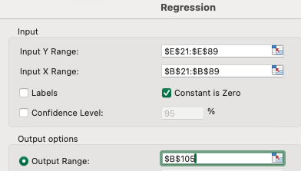
 | SUMMARY OUTPUT

 | Regression Statistics
 | Multiple R | 0.99094625771
0.982 | R Square | 0.98197448566
0.967 | Adjusted R Square | 0.96726860331
 | Standard Error | 5.2244339647
 | Observations | 69

Click OK to the error message that pops up, to say you will overwrite existing cells.
 | ANOVA
 |  | df | SS | MS | F | Significance F
 | Regression | 1 | 101111.35705 | 101111.35705 | 3704.4304965 | 2.2470463739E-60
 | Residual | 68 | 1856.0402971 | 27.294710252
 | Total | 69 | 102967.39735

 |  | Coefficients | Standard Error | t Stat | P-value | Lower 95% | Upper 95% | Lower 95.0% | Upper 95.0%
 | Intercept | 0 | #N/A | #N/A | #N/A | #N/A | #N/A | #N/A | #N/A
 | X Variable 1 | 0.76715716729 | 0.012604441921 | 60.864032865 | 4.8764716882E-61 | 0.74200539504 | 0.79230893954 | 0.74200539504 | 0.79230893954

 | Regression 3: | iPhone Revenue = a + b iPhone unit sales |  | Y (Q1 iPhone revenue) = | intercept | slope | X (Q1 unit sales)
 |  |  |  | 50.06 | 0.000 | 0.76715716729 | 65.26

Regression Output 4: Total Revenue on iPhone units sold:
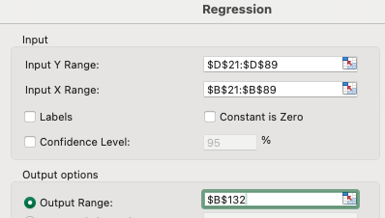
 | SUMMARY OUTPUT

 | Regression Statistics
 | Multiple R | 0.89439347812
0.800 | R Square | 0.7999396937
0.797 | Adjusted R Square | 0.79695371898
 | Standard Error | 14.359357756
 | Observations | 69

Click OK to the error message that pops up, to say you will overwrite existing cells.
 | ANOVA
 |  | df | SS | MS | F | Significance F
 | Regression | 1 | 55238.407862 | 55238.407862 | 267.8990174 | 4.1984033591E-25
 | Residual | 67 | 13814.807395 | 206.19115516
 | Total | 68 | 69053.215258

 |  | Coefficients | Standard Error | t Stat | P-value | Lower 95% | Upper 95% | Lower 95.0% | Upper 95.0%
 | Intercept | 3.2351980843 | 4.0020789019 | 0.80837938572 | 0.42173331481 | -4.7529848373 | 11.223381006 | -4.7529848373 | 11.223381006
 | X Variable 1 | 1.3127442647 | 0.080203730537 | 16.367621006 | 4.1984033591E-25 | 1.1526569485 | 1.4728315809 | 1.1526569485 | 1.4728315809

 | Regression 4: | Apple Total Revenue = a + b iPhone unit sales |  | Y (Q1 Total revenue) = | intercept | slope | X (Q1 unit sales)
 |  |  |  | 88.90 | 3.24 | 1.3127442647 | 65.26

1.6: Complete the predicted iPhone revenue (cells H21:H90 - Paste Special > Formulas), and interpret the residuals between the predicted values and the actual values (cells I21:I90), ESPECIALLY cell I90.
1.7: Construct a line chart of the predicted (column H) and actual sales (column E) curves - look for any pattern in the residuals (deviations from the predicted line) |  |  |  |  |  |  |  | To add the X-axis labels:
Actual vs Predicted iPhone Revenue ($b)
<<1.6, 1.7: Forecast & Residuals Interpretation>>
The residuals clearly aren’t random—they follow a pattern over time. In the early years (2008–16) the residuals are positive, reaching up to about +7.5 per quarter, because the zero‑intercept slope of $767 per unit is higher than the average prices back then, so the model over‑predicts revenue. From 2021 onward the residuals switch to negative, hitting the lowest point around Q4 2025 at roughly –12, since average prices had risen above the slope. I90 = 0 because the Q1 2026 “actual” value is generated from the same equation, and the chained forecasts (Q3, Q4, Q1) make the Q1 2026 result unreliable.
 |  |  | 1.7 Chart:

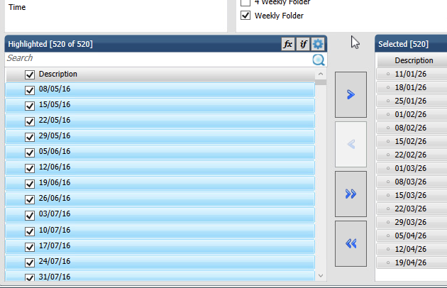
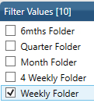
Task 2: Complete 4-week and 8-week moving averages for two products in the IRI dataset: Better Rolls Heat Treated+ 575g and Best Rolls Neon 500g
First load the IRI Temple plugin, and extract the weekly transaction data for the two Products, for all NZ, as follows (see steps to right) |  |  |  |  |  |  |  |  | Market: | Select all NZ (type 'n' into Search box) |  |  | Products: | Choose Items in Filter Values box, then in the Highlighted box search for 'treated' |  |  |  |  | Time: | In the 'Filter Values' box: scroll down to 'Weekly folder' and select it; and in the Highlighted box click the box next to Description to select all 520 weeks from 08/05/16 to 19/04/26
Construct 4-week and 8-week moving averages for Price $/unit, using the Data Analysis > Moving Average button, then copy and paste nicely formatted graphs below |  |  |  |  |  |  |  |  |  |  |  |  |  | and select Better Rolls Heat Treated+ 575g, then search for 'neon' |  |  |  |  |  |  |  |  |  |  |  |  | (NB: the Selected box shows from the bottom, the most recent dates)
Hint: Use Data > Data Analysis button > Moving Average [pic 1]. Once you have created your report via the Temple Plugin, copy the 156 weeks of data for Better Super Doopers 750g and paste into the IRI products sheet, and repeat for Fasterod Rolls Original 790g.
Copying the two products separately will allow you to leave room for the moving average calculations in columns F & G plus L & M in that sheet. (If you do them at the same time, the second product data is likely to be beneath the first, unless you reorganise how the data table is designed.)
Once you have the data, use the Data > Analysis Toolpak option Moving Average, and select the data range for Price$/unit ($E$3:$E$158), with an interval of 4 (weeks in this case), and output into F3. Also select Chart Output, as shown.
The resulting chart will be pretty ugly (see chart 1 below) and will need considerable editing to make it useable, including:
1) removing the markers for both series [chart 2], or reducing their size (Builtin marker - reduce,
2) changing the Y-axis to between 3.5 and 5.5 (click on Y-axis > axis options)
3) adding the X-axis time intervals by editing one of the series {click on either line to edit} by adding 'IRI products'!$B$3:$B$158 between the middle commas. (You only need to do this for one of the two series.)
4) You can also change 'Forecast' to "4-week moving average", change the Y-axis label, remove the heading, and move the legend onto the chart to create more room [chart 3]
5) Click on the 4-week line (choose a place where you can make sure you click on that line and not the actual) and copy the series (Ctrl/Command + c). Now click at the top of the chart, in white space, and then paste. Before you press return, change the last (series) number to 3, edit the last reference from $F to $G ( to point to the 8-week moving average data), and update the legend entry accordingly. [chart 4]
NB: if 3) to 5) do not work, you can do this: go to Chart design menu > select data button > click on your second series in the Legend entries box ("Forecast" or "4-week moving average" if you have renamed it in 4); copy the information in the Y values box; click on + symbol in the Legend series box, paste what you copied into the Y values box, and change $F to $G; type 8-week moving average into the Name box; click OK button.
Repeat the process for the other product. NB: you can simply copy across the moving average calculations, and duplicate the final chart, updating the chart references to columns K, L and M instead of E, F and G. You may need to adjust the Y-axis range (eg to 6-10)
Hint: Use Data > Data Analysis button > Moving Average [pic 1]. Once you have created your report via the Temple Plugin, copy the 520 weeks of data for Better Rolls Heat Treated+ 575g and paste into the IRI products sheet, and repeat for Best Rolls Neon 500g.
Copying the two products separately will allow you to leave room for the moving average calculations in columns F & G plus L & M in that sheet. (If you do them at the same time, the second product data is likely to be beneath the first, unless you reorganise how the data table is designed.)
Once you have the data, use the Data > Analysis Toolpak option Moving Average, and select the data range for Price$/unit ($E$3:$E$522), with an interval of 4 (weeks in this case), and output into F3. Also select Chart Output, as shown.
The resulting chart will be pretty ugly (see chart 1 below) and will need considerable editing to make it useable, including:
1) removing the markers for both series [chart 2], or reducing their size (Builtin marker - reduce,
2) changing the Y-axis to between 6 and 10 (click on Y-axis > axis options)
3) adding the X-axis time intervals by editing one of the series {click on either line to edit} by adding 'IRI products'!$B$3:$B$522 between the middle commas. (You only need to do this for one of the two series.)
4) You can also change 'Forecast' to "4-week moving average", change the Y-axis label, remove the heading, and move the legend onto the chart to create more room [chart 3]
5) Click on the 4-week line (choose a place where you can make sure you click on that line and not the actual) and copy the series (Ctrl/Command + c). Now click at the top of the chart, in white space, and then paste. Before you press return, change the last (series) number to 3, edit the last reference from $F to $G (to point to the 8-week moving average data), and update the legend entry accordingly. [chart 4]
NB: if 3) to 5) do not work, you can do this: go to Chart design menu > select data button > click on your second series in the Legend entries box ("Forecast" or "4-week moving average" if you have renamed it in 4); copy the information in the Y values box; click on + symbol in the Legend series box, paste what you copied into the Y values box, and change $F to $G; type 8-week moving average into the Name box; click OK button.
Repeat the process for the other product. NB: you can simply copy across the moving average calculations, and duplicate the final chart, updating the chart references to columns K, L and M instead of E, F and G. You may need to adjust the Y-axis range (eg to 4-7). NB: all series will drop to 0 for 2026 for the second product. I suggest adjusting the data range to end at row 505 for both moving averages.
{If you scroll down the resulting data, you may notice that sales for Best Rolls Neon 500g stops at the end of 2025}

 |  |  |  |  |  |  |  |  |  | Measures: | Select Dollars, Units, Price$/unit

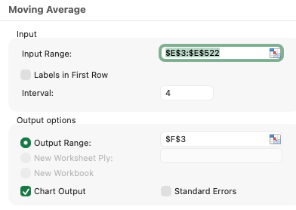

 |  |  |  |  |  |  |  |  |  |  |  |  |  |  |  |  |  |  | Design: | Drag Product onto Time to swap them around (and any other changes needed as follows). Then click Done
 |  |  |  |  |  |  |  |  |  |  |  |  |  |  |  |  |  |  |  | (If you forget to do this step, your second product's data will lie underneath the first - you can rearrange the resulting output instead if you want)
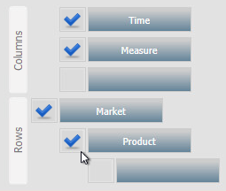
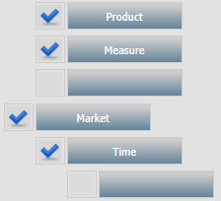

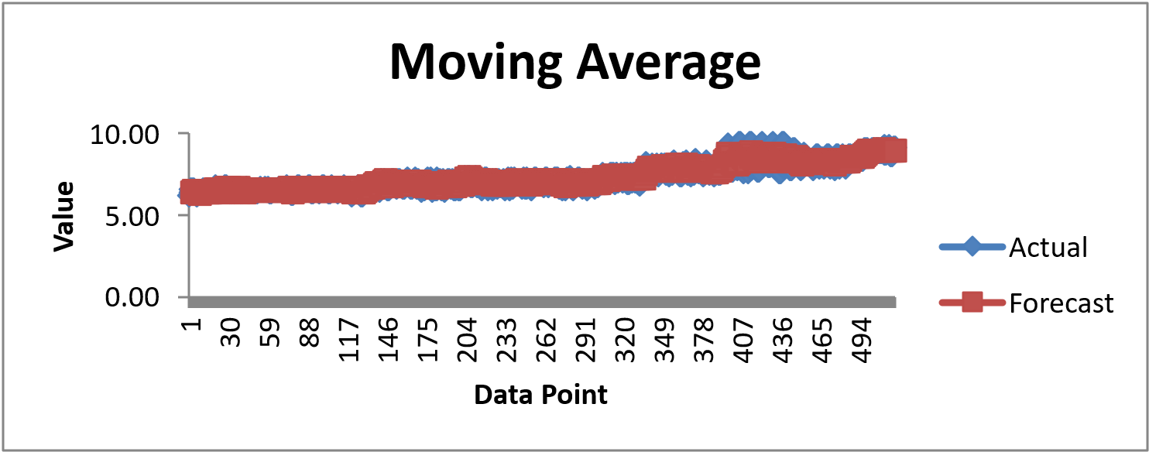
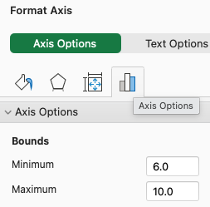
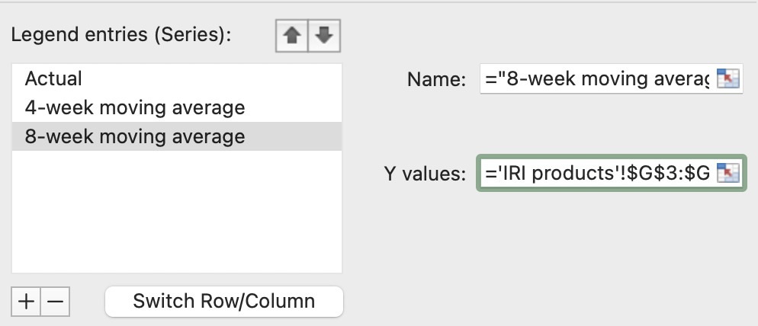

 |  |  |  |  |  |  |  |  |  |  |  |  |  |  |  |  |  |  | Transfer to IRI products tab: |  | As per Lab 9, you'll need to get your data out of Massey's remote desktop environment and into your lab file.
 |  |  |  |  |  |  |  |  |  |  |  |  |  |  |  |  |  |  |  |  | Use a browser within the Virtual Machine to upload your saved data file (in the Virtual Machine environment) to the IRI Data temorary submission upload box - DOES NOT COUNT FOR MARKS
 |  |  |  |  |  |  |  |  |  |  |  |  |  |  |  |  |  |  |  |  | Then using your regular browser, download the data file and copy to your Lab file. [You will need to rearrange the data a bit because of the columns for the moving average calculations.]

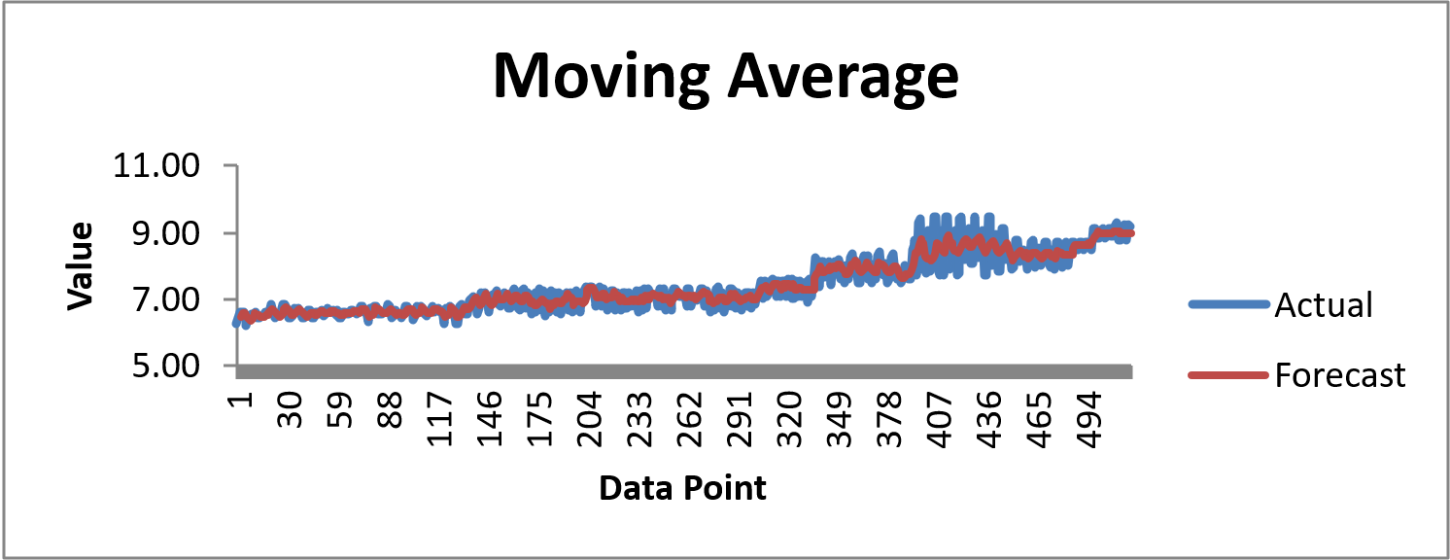

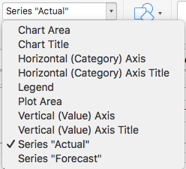

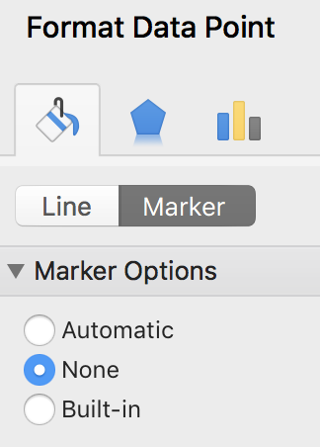

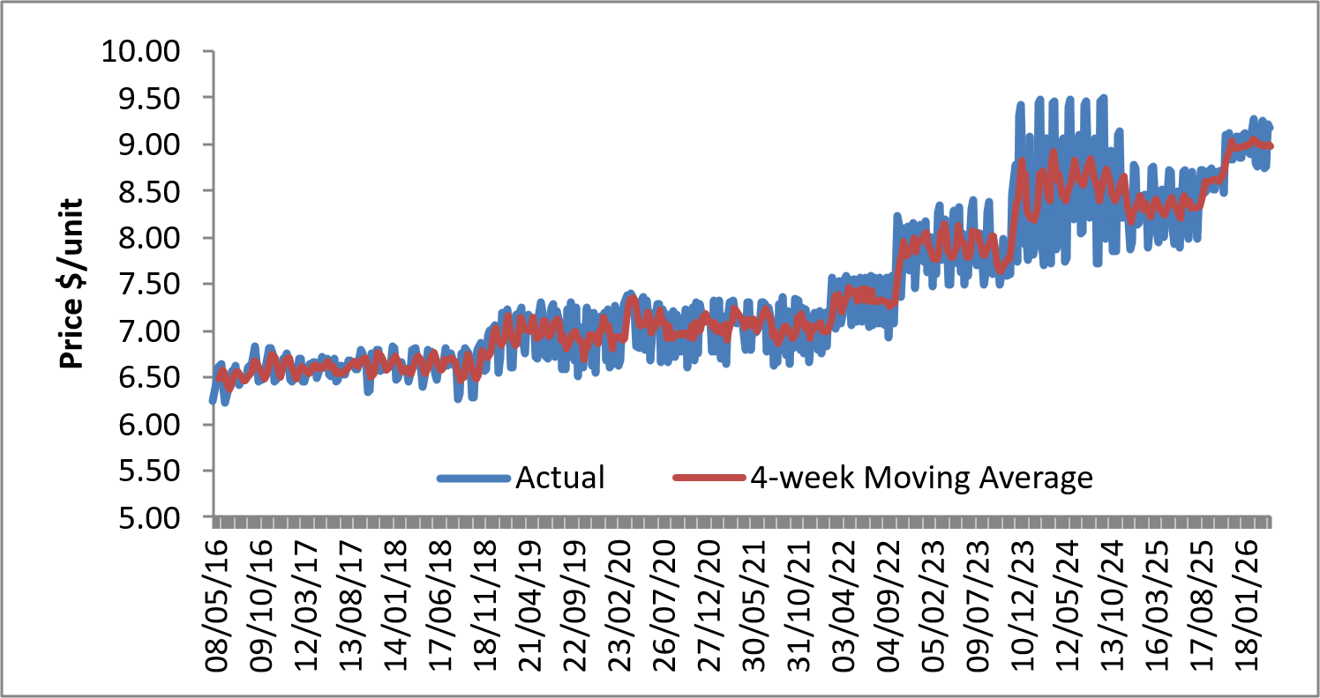

 |  |  |  |  |  |  | \
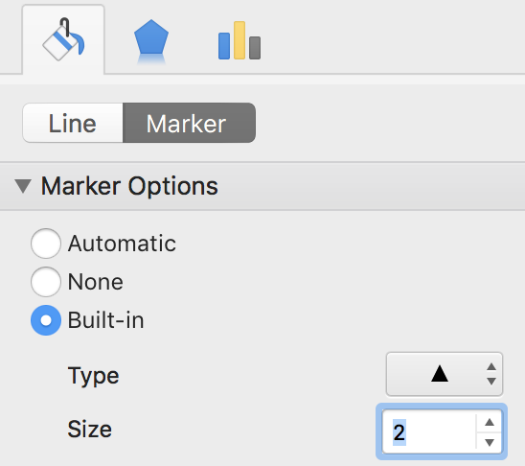

or
or

this is an old chart - yours will be different!
this is an old chart - yours will be different!

Paste final charts here: one showing the 4- and 8-week moving averages for Price $/unit for Better Rolls Heat Treated+ 575g and Best Rolls Neon 500g

Better Rolls Heat Treated+ 575g
 | Price $/Unit | 4-week moving average | 8-week moving average
08/05/16 | 6.25 | #N/A | #N/A
15/05/16 | 6.43 | #N/A | #N/A
22/05/16 | 6.60 | #N/A | #N/A
29/05/16 | 6.62 | 6.475 | #N/A
05/06/16 | 6.64 | 6.5725 | #N/A
12/06/16 | 6.38 | 6.56 | #N/A
19/06/16 | 6.23 | 6.4675 | #N/A
26/06/16 | 6.38 | 6.4075 | 6.44125
03/07/16 | 6.48 | 6.3675 | 6.47
10/07/16 | 6.56 | 6.4125 | 6.48625
17/07/16 | 6.58 | 6.5 | 6.48375
24/07/16 | 6.62 | 6.56 | 6.48375
31/07/16 | 6.46 | 6.555 | 6.46125
07/08/16 | 6.42 | 6.52 | 6.46625
14/08/16 | 6.49 | 6.4975 | 6.49875
21/08/16 | 6.48 | 6.4625 | 6.51125
28/08/16 | 6.50 | 6.4725 | 6.51375
04/09/16 | 6.60 | 6.5175 | 6.51875
11/09/16 | 6.62 | 6.55 | 6.52375
18/09/16 | 6.62 | 6.585 | 6.52375
25/09/16 | 6.84 | 6.67 | 6.57125
02/10/16 | 6.64 | 6.68 | 6.59875
09/10/16 | 6.46 | 6.64 | 6.595
16/10/16 | 6.47 | 6.6025 | 6.59375
23/10/16 | 6.48 | 6.5125 | 6.59125
30/10/16 | 6.51 | 6.48 | 6.58
06/11/16 | 6.61 | 6.5175 | 6.57875
13/11/16 | 6.82 | 6.605 | 6.60375
20/11/16 | 6.82 | 6.69 | 6.60125
27/11/16 | 6.76 | 6.7525 | 6.61625
04/12/16 | 6.46 | 6.715 | 6.61625
11/12/16 | 6.47 | 6.6275 | 6.61625
18/12/16 | 6.52 | 6.5525 | 6.62125
25/12/16 | 6.58 | 6.5075 | 6.63
01/01/17 | 6.71 | 6.57 | 6.6425
08/01/17 | 6.69 | 6.625 | 6.62625
15/01/17 | 6.76 | 6.685 | 6.61875
22/01/17 | 6.64 | 6.7 | 6.60375
29/01/17 | 6.47 | 6.64 | 6.605
05/02/17 | 6.46 | 6.5825 | 6.60375
12/02/17 | 6.53 | 6.525 | 6.605
19/02/17 | 6.52 | 6.495 | 6.5975
26/02/17 | 6.70 | 6.5525 | 6.59625
05/03/17 | 6.70 | 6.6125 | 6.5975
12/03/17 | 6.45 | 6.5925 | 6.55875
19/03/17 | 6.45 | 6.575 | 6.535
26/03/17 | 6.61 | 6.5525 | 6.5525
02/04/17 | 6.64 | 6.5375 | 6.575
09/04/17 | 6.56 | 6.565 | 6.57875
16/04/17 | 6.66 | 6.6175 | 6.59625
...
Best Rolls Neon 500g
 | Price $/Unit | 4-week moving average | 8-week moving average
08/05/16 | 5.75 | #N/A | #N/A
15/05/16 | 5.15 | #N/A | #N/A
22/05/16 | 5.42 | #N/A | #N/A
29/05/16 | 5.51 | 5.4575 | #N/A
05/06/16 | 5.60 | 5.42 | #N/A
12/06/16 | 5.14 | 5.4175 | #N/A
19/06/16 | 5.51 | 5.44 | #N/A
26/06/16 | 5.74 | 5.4975 | 5.4775
03/07/16 | 5.65 | 5.51 | 5.465
10/07/16 | 5.16 | 5.515 | 5.46625
17/07/16 | 5.66 | 5.5525 | 5.49625
24/07/16 | 5.58 | 5.5125 | 5.505
31/07/16 | 5.44 | 5.46 | 5.485
07/08/16 | 4.86 | 5.385 | 5.45
14/08/16 | 5.67 | 5.3875 | 5.47
21/08/16 | 5.75 | 5.43 | 5.47125
28/08/16 | 5.65 | 5.4825 | 5.47125
04/09/16 | 5.09 | 5.54 | 5.4625
11/09/16 | 5.50 | 5.4975 | 5.4425
18/09/16 | 5.37 | 5.4025 | 5.41625
25/09/16 | 5.05 | 5.2525 | 5.3675
02/10/16 | 5.45 | 5.3425 | 5.44125
09/10/16 | 5.34 | 5.3025 | 5.4
16/10/16 | 5.21 | 5.2625 | 5.3325
23/10/16 | 5.34 | 5.335 | 5.29375
30/10/16 | 5.50 | 5.3475 | 5.345
06/11/16 | 5.65 | 5.425 | 5.36375
13/11/16 | 5.07 | 5.39 | 5.32625
20/11/16 | 5.44 | 5.415 | 5.375
27/11/16 | 4.79 | 5.2375 | 5.2925
04/12/16 | 5.14 | 5.11 | 5.2675
11/12/16 | 5.66 | 5.2575 | 5.32375
18/12/16 | 5.19 | 5.195 | 5.305
25/12/16 | 5.67 | 5.415 | 5.32625
01/01/17 | 5.33 | 5.4625 | 5.28625
08/01/17 | 5.09 | 5.32 | 5.28875
15/01/17 | 5.30 | 5.3475 | 5.27125
22/01/17 | 5.81 | 5.3825 | 5.39875
29/01/17 | 5.38 | 5.395 | 5.42875
05/02/17 | 4.65 | 5.285 | 5.3025
12/02/17 | 5.25 | 5.2725 | 5.31
19/02/17 | 5.10 | 5.095 | 5.23875
26/02/17 | 5.05 | 5.0125 | 5.20375
05/03/17 | 5.78 | 5.295 | 5.29
12/03/17 | 5.31 | 5.31 | 5.29125
19/03/17 | 5.20 | 5.335 | 5.215
26/03/17 | 5.70 | 5.4975 | 5.255
02/04/17 | 5.26 | 5.3675 | 5.33125
09/04/17 | 5.60 | 5.44 | 5.375
16/04/17 | 5.14 | 5.425 | 5.38
...

Task 3: For Better Rolls Heat Treated+ 575g: create a scatterplot of price per unit on the X axis and Units sold on the Y axis
Modify the X axis to the range 6 to 10, and modify the Y range if needed (eg 1000 - 3000). Add a trendline, regression equation and R-squared
This replicates Alfred Marshall's price-quantity chart that you did in Lab 9, but then you looked at multiple products at one point in time.
This time we will use one product, over many time points. Does this make the relationship between price and quantity sold more evident? **
Is the relationship stronger, weaker or similar for Best Rolls Neon 500g? [bonus task]
{These are rhetorical questions for you to think about - no interpretation required.}
**NB: this time series regression likely suffers from serial autocorrelation, when the prediction errors in any given time point are correlated with the prediction errors in the previous time point.
There is a test to determine this (the Durbin-Watson test - can be added to Excel via plugins) and econometricians have methods to correct it if present - but that is beyond this course.
 |  |  | Bonus: repeat for Best Rolls Neon 500g, and identify any outliers in both charts

Units vs Price - Better Rolls Heat Treated+ 575g
 | Better Rolls Heat Treated+ 575g
6.25 | 3188
6.43 | 3043
6.60 | 3053
6.62 | 2980
6.64 | 2845
6.38 | 3303
6.23 | 3226
6.38 | 3007
6.48 | 3088
6.56 | 2892
6.58 | 3007
6.62 | 3015
6.46 | 3177
6.42 | 3208
6.49 | 3156
6.48 | 3055
6.50 | 3141
6.60 | 3037
6.62 | 3257
6.62 | 3223
6.84 | 3053
6.64 | 3129
6.46 | 3561
6.47 | 3333
6.48 | 3085
6.51 | 3509
6.61 | 3346
6.82 | 3115
6.82 | 3263
6.76 | 3232
6.46 | 3591
6.47 | 3390
6.52 | 3392
6.58 | 3149
6.71 | 2459
6.69 | 3238
6.76 | 3163
6.64 | 3162
6.47 | 3435
6.46 | 3410
6.53 | 3522
6.52 | 3347
6.70 | 3230
6.70 | 3116
6.45 | 3490
6.45 | 3266
6.61 | 3142
6.64 | 3159
6.56 | 3079
6.66 | 2545
...
Units vs Price - Best Rolls Neon 500g (bonus)
 | Best Rolls Neon 500g
5.75 | 6483
5.15 | 9174
5.42 | 7163
5.51 | 6557
5.60 | 5822
5.14 | 9251
5.51 | 6373
5.74 | 5500
5.65 | 6114
5.16 | 7997
5.66 | 5477
5.58 | 6266
5.44 | 7003
4.86 | 9427
5.67 | 6126
5.75 | 5663
5.65 | 6226
5.09 | 9405
5.50 | 6717
5.37 | 7641
5.05 | 10849
5.45 | 6675
5.34 | 7911
5.21 | 8687
5.34 | 7848
5.50 | 7834
5.65 | 6973
5.07 | 10617
5.44 | 9040
4.79 | 12323
5.14 | 9653
5.66 | 7484
5.19 | 10666
5.67 | 7730
5.33 | 8231
5.09 | 11275
5.30 | 9436
5.81 | 7249
5.38 | 8827
4.65 | 14688
5.25 | 9530
5.10 | 11982
5.05 | 12235
5.78 | 7534
5.31 | 9771
5.20 | 9671
5.70 | 7429
5.26 | 9651
5.60 | 7667
5.14 | 9599
...

 | Outliers: Better Rolls Heat Treated+ 575g (R2 = 0.43): the week of 22/03/20 is the strongest outlier (5,548 units - the COVID-19 lockdown stock-up week), with smaller high points on 12/02/23 (4,370 units) and 30/10/22 (4,272 units). Best Rolls Neon 500g (R2 = 0.25): two large high spikes on 05/01/25 (16,849 units) and 15/06/25 (17,331 units - the series maximum), and a run of very low points from late Oct 2025 (647, then 55-183 units per week) as sales collapsed just before the product stopped selling at the end of 2025 - these final-week points sit far below the trendline.

Task 6 step 1: Enter "Done" in cell B198
<<End Lab 11>>
Task 6 step 2: Enter "I'm Done" in cell B200

