Project
Hiring Process Analytics:

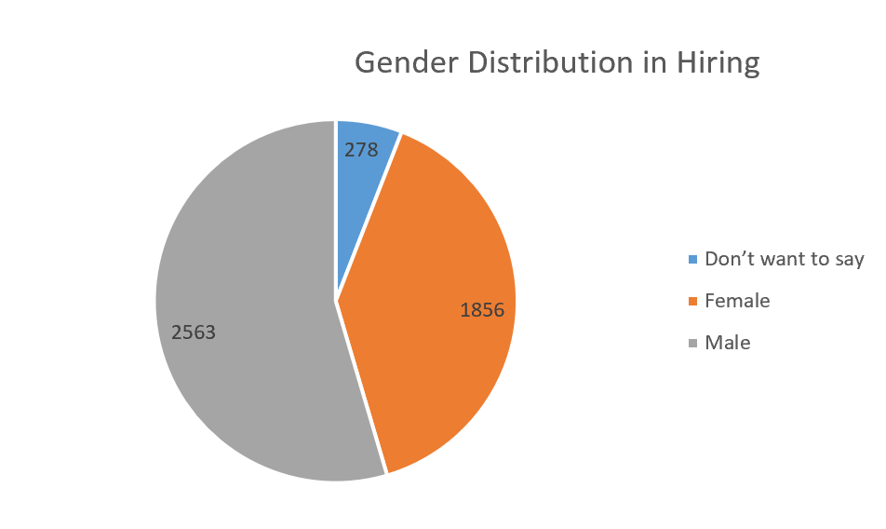
A). Hiring Analysis
 | Status | (All)

B). Salary Analysis:

Average Offered Salary: | 49879.180664

C). Salary Distribution:

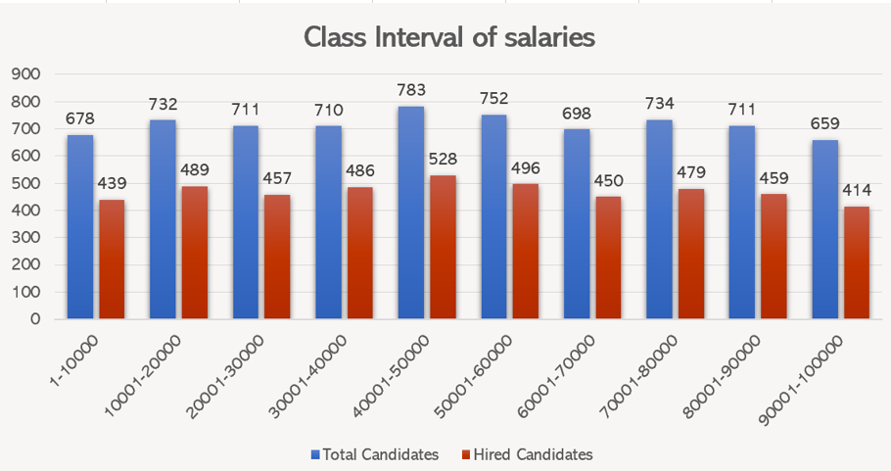
Salary Interval | Hired | Total Candidates
1-10000 | 439 | 678
10001-20000 | 489 | 732
20001-30000 | 457 | 711
30001-40000 | 486 | 710
40001-50000 | 529 | 783
50001-60000 | 495 | 752
60001-70000 | 450 | 698
70001-80000 | 479 | 734
80001-90000 | 459 | 711
90001-100000 | 414 | 659
Grand Total | 4697 | 7168

D). Departmental Analysis

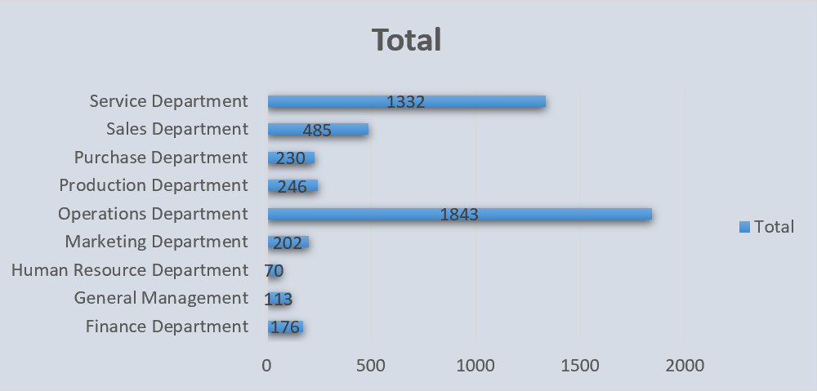
 | Departments | Hired Candidates
 | Finance Department | 176
 | General Management | 113
 | Human Resource Department | 70
 | Marketing Department | 202
 | Operations Department | 1843
 | Production Department | 246
 | Purchase Department | 230
 | Sales Department | 485
 | Service Department | 1332
 | Grand Total | 4697

E). Position Tier Analysis

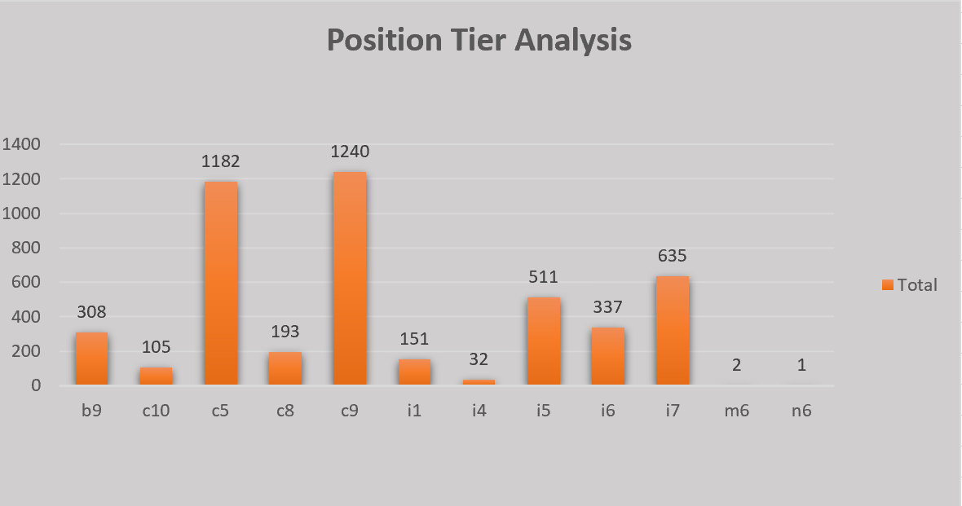
Position Type | Count of Post Name
b9 | 308
c10 | 105
c5 | 1182
c8 | 193
c9 | 1240
i1 | 151
i4 | 32
i5 | 511
i6 | 337
i7 | 635
m6 | 2
n6 | 1
Grand Total | 4697

Dashboard
Hiring Process Analytics Dashboard

Total Candidates 7,168 | Total Hired 4,697 | Avg Salary $49,879 | Most Posts C9 | Median Salary $49,614

Demographics
 | Total
Don’t want to say | 408
Female | 2675
Male | 4085
Salary Brackets
 | Total
1-10000 | 439
10001-20000 | 489
20001-30000 | 457
30001-40000 | 486
40001-50000 | 528
50001-60000 | 496
60001-70000 | 450
70001-80000 | 479
80001-90000 | 459
90001-100000 | 414
Gender Distribution Chart Area
Count of Posts
 | Total
c9 | 1240
c5 | 1182
i7 | 635
i5 | 511
i6 | 337
b9 | 308
c8 | 193
i1 | 151
c10 | 105
i4 | 32
m6 | 2
n6 | 1

Average Salary By Departments
 | Total
General Management | 55323
Purchase Department | 52565
Service Department | 50554
Finance Department | 49628
Production Department | 49448
Sales Department | 49305
Operations Department | 49151
Human Resource Department | 49002
Marketing Department | 48490
Count By Departments
 | Total
Operations Department | 1843
Service Department | 1332
Sales Department | 485
Production Department | 246
Purchase Department | 230
Marketing Department | 202
Finance Department | 176
General Management | 113
Human Resource Department | 70

