NO SQL
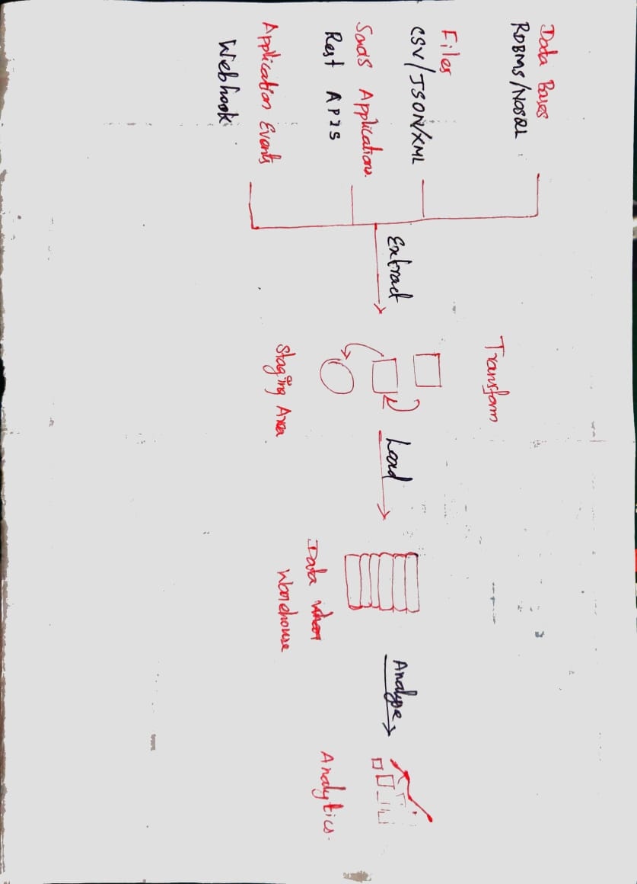
1 | What is data warehouse ? |  | 1.1 | What is data lake ?

 | A data warehouse is a system that stores and analyzes large amounts of data |  |  | A data lake is a centralized repository for storing large amounts of data in its raw format.
 | Purpose | To store and analyze large amounts of data from different sources |  | Purpose | To store large amounts of data in its raw form, without any transformation or cleansing
 | Characteristics | Structured, historical data, integrated, and subject-oriented |  | Data types | Can store any type of data, including structured, semi-structured, and unstructured data
 | Benefits | Improved decision-making, better insights, and increased efficiency |  | Location | Can be stored on-premises or in the cloud
 | Challenges | High cost, complex to manage, and requires specialized skills |  | Benefits | Can store large amounts of data at low cost, and can be used to store data from a variety of sources
 |  |  |  | Challenges | Can be difficult to manage and query, and can be challenging to ensure data quality
2 | Expalin 5 use cases for NOSQL ? |  |  | Use cases | Data lakes are often used for big data analytics, machine learning, and data science
 | Use Case | Description
 | Real-time/near real-time big data processing | NoSQL databases are well-suited for real-time or near real-time big data processing. This is because they are designed to store and process large amounts of data quickly and efficiently. For example, NoSQL databases can be used to process sensor data from IoT devices or financial transactions.
 | Internet of Things (IoT) | NoSQL databases can be used to store and process data from IoT devices. This is because NoSQL databases are designed to store and process large amounts of data from a variety of sources. For example, NoSQL databases can be used to store data from sensors, actuators, and other devices.
 | Content management systems | NoSQL databases can be used to store and manage content in content management systems (CMS). This is because NoSQL databases are designed to store and manage large amounts of unstructured data, such as text, images, and videos. For example, NoSQL databases can be used to store blog posts, articles, and other content in a CMS.
 | Mobile apps with huge numbers of users | NoSQL databases can be used to store and manage data for mobile apps with huge numbers of users. This is because NoSQL databases are designed to scale to handle large amounts of data and concurrent requests. For example, NoSQL databases can be used to store data for social media apps, gaming apps, and other mobile apps.
 | Enriching the digital customer experience | NoSQL databases can be used to enrich the digital customer experience by storing and processing data from a variety of sources. This data can be used to personalize the customer experience, recommend products and services, and improve customer service. For example, NoSQL databases can be used to store data from customer interactions, social media, and other sources.

3 | What are all the charecterstics of a NOSQL ?
 | Characteristic | Description
 | Flexible data model | NoSQL databases do not enforce a strict data model, such as the relational model used by traditional databases. This allows NoSQL databases to store and process different types of data, including structured, semi-structured, and unstructured data.
 | Scalability | NoSQL databases are designed to be scalable, meaning that they can be easily scaled to handle large amounts of data and concurrent requests. This is achieved by distributing the data across multiple nodes.
 | High availability | NoSQL databases are designed to be highly available, meaning that they can continue to operate even if some of the nodes fail. This is achieved by replication, which means that the data is stored on multiple nodes.
 | Durability | NoSQL databases are designed to be durable, meaning that the data is not lost even if a node fails. This is achieved by replication and by using techniques such as checksums to verify the integrity of the data.
 | Performance | NoSQL databases are designed to perform well for specific types of workloads. For example, some NoSQL databases are designed for real-time data processing, while others are designed for batch processing.
 | Cost-effectiveness | NoSQL databases can be cost-effective, especially for storing and processing large amounts of data. This is because NoSQL databases do not require the same level of hardware and infrastructure as traditional databases.

4 | What are all the tools used to analyse NOSQL ?
 | Tool | Description
 | MongoDB Compass | MongoDB Compass is a graphical user interface (GUI) for MongoDB. It allows you to explore and query data, create visualizations, and manage your MongoDB databases.
 | Elasticsearch | Elasticsearch is a search engine that can be used to index and search NoSQL data. It is a powerful tool for finding patterns and insights in large amounts of data.
 | Kibana | Kibana is a visualization tool that can be used to explore Elasticsearch data. It allows you to create charts, graphs, and other visualizations to help you understand your data.
 | Apache Drill | Apache Drill is an open-source SQL query engine that can be used to query NoSQL data. It is a good choice for businesses that need to query NoSQL data using SQL.
 | Apache Hive | Apache Hive is an open-source data warehouse infrastructure that can be used to query NoSQL data. It is a good choice for businesses that need to query NoSQL data using HiveQL, a SQL-like language.
 | HBase | HBase is a distributed NoSQL database that is designed for storing large amounts of structured data. It is a good choice for businesses that need to store and analyze large amounts of structured data.

5 | Draw the mechanism of ETL

