Sheet3


Sheet2
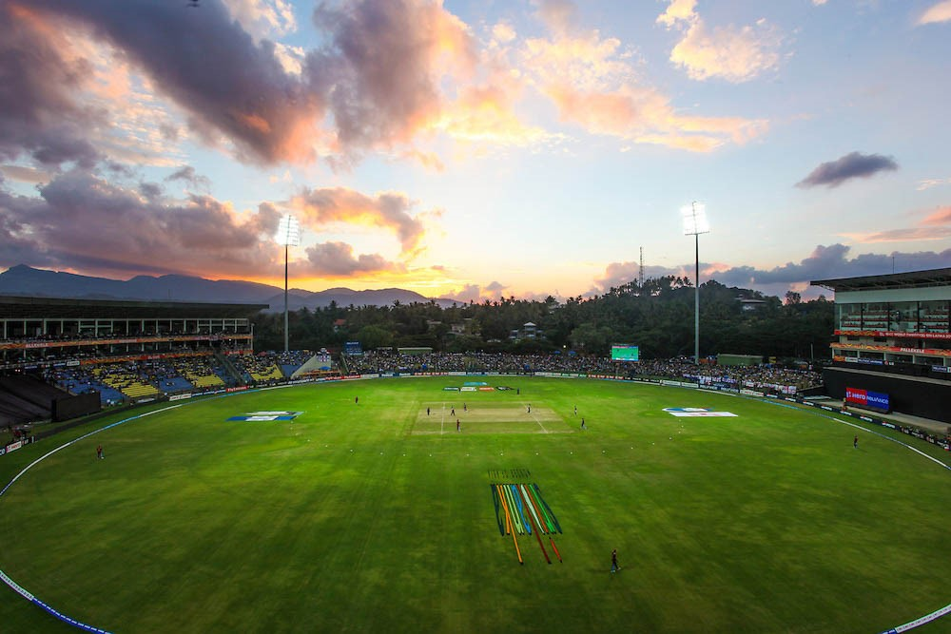
INDIAN PREMIUM BOWLER PERFORMANCE IN IPL
SINCE 2013
Age : | 27
Matches : | 92
Wickets : | 109
Average | 23.72
Economy : | 7.41
In T20 Cricket when we talk about the best bowling performance then the number of wickets is should be on the higher side and the Economy Rate, Bowling Average, Strike Rate on the lower side
Strick Rate : | 19.19
J. Bumrah
Best Year : | 2020


Total wickets, Average / Seoson
 | Total wickets | Average
2013 | 13 | 24.84
2014 | 19 | 23.31
2015 | 11 | 30
2016 | 8 | 38.87
2017 | 5 | 69.8
2018 | 11 | 27.54
2019 | 15 | 22.86
2020 | 6 | 53
Economy / Season
2013 | 7.48
2014 | 8.15
2015 | 7.73
2016 | 7.74
2017 | 9.18
2018 | 7.39
2019 | 6.35
2020 | 8.75
Wickets : | 27
Average | 14.96
Economy : | 6.73
B. Kumar
Strick Rate : | 13.33

R. Jadeja

